上电第一组
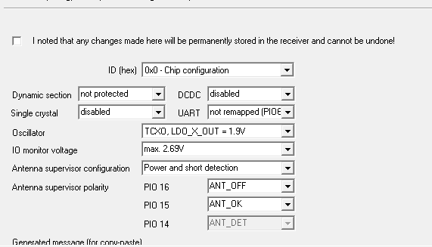

0000 B5 62 06 41 0C 00 00 00 03 1F 78 B7 58 B7 FF 76 CF FF F6 6B

GPS
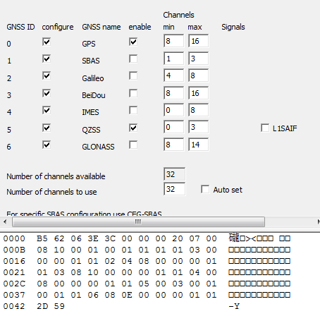

0000 B5 62 06 3E 3C 00 00 00 20 07 00 000B 08 10 00 01 00 01 01 01 01 03 00 0016 00 00 01 01 02 04 08 00 00 00 01 0021 01 03 08 10 00 00 00 01 01 04 00 002C 08 00 00 00 01 01 05 00 03 00 01 0037 00 01 01 06 08 0E 00 00 00 01 01 0042 2D 59

NAV-5-2G
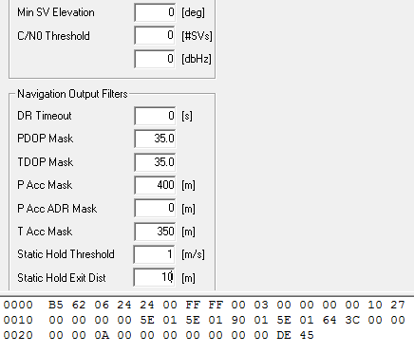

0000 B5 62 06 24 24 00 FF FF 00 03 00 00 00 00 10 27 0010 00 00 00 00 5E 01 5E 01 90 01 5E 01 64 3C 00 00 0020 00 00 0A 00 00 00 00 00 00 00 DE 45

AOP
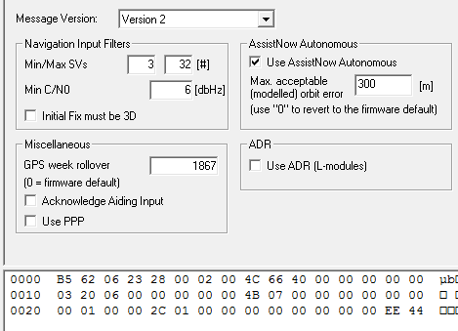

0000 B5 62 06 23 28 00 02 00 4C 66 40 00 00 00 00 00 0010 03 20 06 00 00 00 00 00 4B 07 00 00 00 00 00 00 0020 00 01 00 00 2C 01 00 00 00 00 00 00 00 00 EE 44

GPS-Time
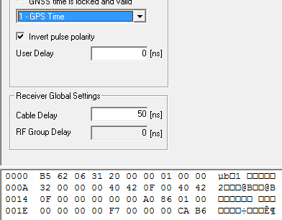

0000 B5 62 06 31 20 00 00 01 00 00 000A 32 00 00 00 40 42 0F 00 40 42 0014 0F 00 00 00 00 00 A0 86 01 00 001E 00 00 00 00 F7 00 00 00 CA B6

打开UPD
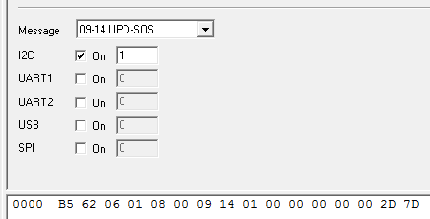

0xB5，0x62，0x06，0x01，0x08，0x00，0x09，0x14，0x01，0x00，0x00，0x00，0x00，0x00，0x2D，0x7D

备份AOP
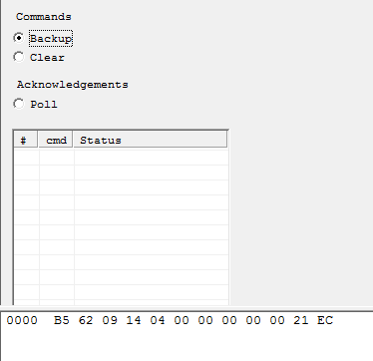

B5 62 09 14 04 00 00 00 00 00 21 EC
上电每10S发一次，发30次后，每5分钟发一次,

