Sales Predictions
2023-01-01 | 15
2023-01-02 | 22
2023-01-03 | 18
2023-01-04 | 25
2023-01-05 | 30
2023-01-06 | 28
2023-01-07 | 35
2023-01-08 |  | 23.487016678
2023-01-09 |  | 22.57742691
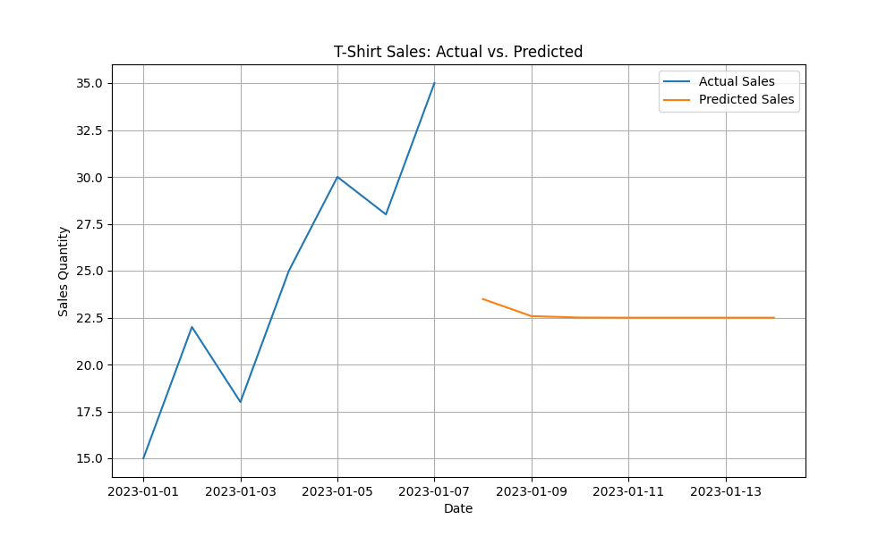
2023-01-10 |  | 22.501279831
2023-01-11 |  | 22.494886398
2023-01-12 |  | 22.494350433
2023-01-13 |  | 22.494304657
2023-01-14 |  | 22.494300842

