CPI - Index
Consumer Price Index

Compound escalators
 |  | 2018-19 | 2019-20 | 2020-21 | 2021-22 | 2022-23 | 2023-24
 |  | Base | Approved | Approved | Forecast | Forecast | Forecast

Annual CPI |  | 1.95% | 2.42% | 1.84% | 2.42% | 2.42% | 2.42%
Consumer Price Index - Compound escalators |  | 1 | 1.02 | 1.04 | 1.07 | 1.09 | 1.12

Annual CPI calculation

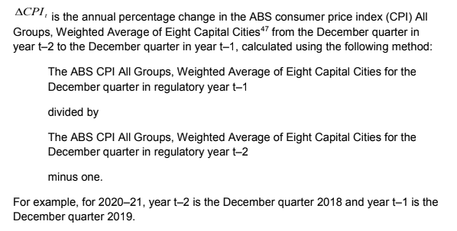
 | Index Numbers ; All groups CPI ; Australia ; | 2018-19 | 2019-20 | 2020-21 | 2021-22 | 2022-23 | 2023-24
Unit | Index Numbers
Series Type | Original
Data Type | INDEX
Frequency | Quarter
Collection Month | 3
Series Start | Sep-1948
Series End | Dec-2018
No. Obs | 282
Series ID | A2325846C
Mar-2016 | 108.2
Jun-2016 | 108.6
Sep-2016 | 109.4
Dec-2016 | 110.0 | T-2
Mar-2017 | 110.5
Jun-2017 | 110.7
Sep-2017 | 111.4
Dec-2017 | 112.1 | T-1 | T-2
Mar-2018 | 112.6
Jun-2018 | 113.0
Sep-2018 | 113.5
Dec-2018 | 114.1 |  | T-1 | T-2
Mar-2019 | 114.1
Jun-2019 | 114.8
Sep-2019 | 115.4
Dec-2019 | 116.2 |  |  | T-1 | T-2
Mar-2020
Jun-2020
Sep-2020
Dec-2020 |  |  |  |  | T-1 | T-2
Mar-2021
Jun-2021
Sep-2021
Dec-2021 |  |  |  |  |  | T-1 | T-2
Mar-2022
Jun-2022
Sep-2022
Dec-2022 |  |  |  |  |  |  | T-1

