AER Final Decision
ANCILLARY NETWORK SERVICES

AER Final Decision

Control Mechanism:
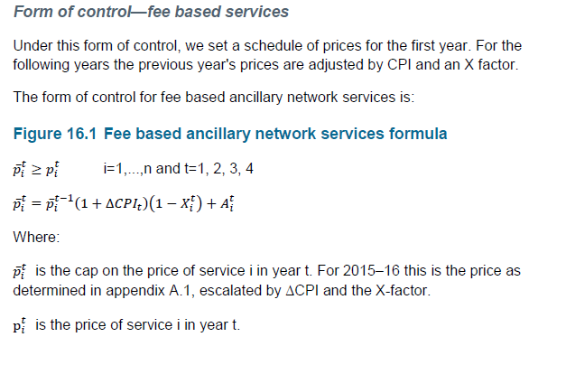
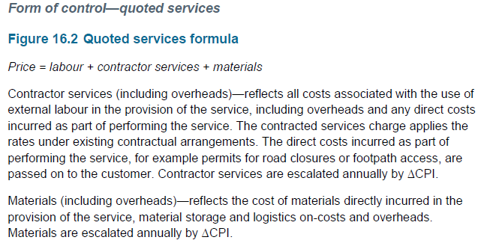

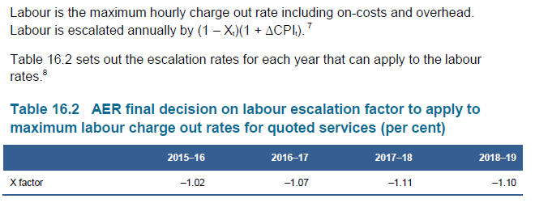

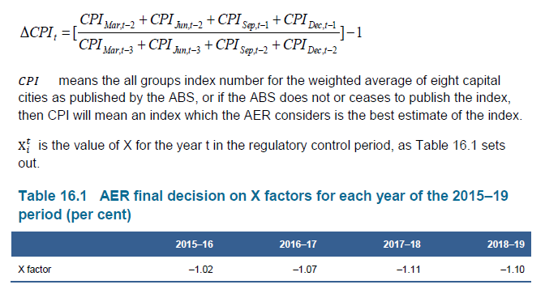

X Factor & Adjustment Factors

 | 2014/15 | 2015/16 | 2016/17 | 2017/18 | 2018/19
X factors for each year of the regulatory control period (Pg16-9 Attachment 16: Alternative Control Services - FINAL DECISION) |  | -1.02% | -1.07% | -1.11% | -1.10%
Adjustment Factor (Pg 16-9 Attachment 16: Alternative Control Services - FINAL DECISION) | 0.0% | 0.0% | 0.0% | 0.0% | 0.0%

2015-16 X Factor and CPI | 2015/16
CPI | 2.49%
X Factor | -1.02%

