Cover page

Ergon Energy

Public Tariff Approval Model:
SCS and ACS prices

1 July 2021 to 30 June 2022

Formulae
Revenue Cap Formulae |  |  |  |  | Figure 13.1, Attachment 13 - Control mechanisms, June 2020

1. |  |  |  |  | i=1,..,n and j=1,..,m and t=1,2,...,5
2 |  |  |  |  | t = 1,2,…,5
3. |  |  |  |  | t=1
4. |  |  |  |  | t=2
5. |  |  |  |  | t=3,4,5

$$TAR_{t}$$
where;
 |  | is the total annual revenue in year t.

$$p_{t}^{ij}$$
 |  | is the price of component 'j' of tariff 'i' in year t.

$$q_{t}^{ij}$$
 |  | is the forecast quantity of component 'j' of tariff 'i' in year t.

 |  | is the annual smoothed revenue requirement in the PTRM for year t.

$$AAR_{t}$$
 |  | is the adjusted annual smoothed revenue requirement for year t

$$I_{t}$$
 |  | is the sum of the STPIS (from year t=3 onwards), demand management incentive scheme, and any other related incentive schemes as they relate to year t-2 applied in year t.

$$B_{t}$$
 |  | is the sum of annual adjustments factors for year t and includes the true-up for any under or over recovery of actual revenue collected through DUoS charges calculated using the method in Attachment 13 of the AER's Final Decision

$$C_{t}$$
 |  | is the sum of approved cost pass through amounts (positive or negative) with respect to regulatory year t, as determined by the AER. It will aslo include any end-of-period adjustmnets in regulatory year t.

 |  | is the annual percentage change in the ABS CPI All Groups, Weighted Average of Eight Capital Cities[1] from the December quarter in year t–2 to the December quarter in year t–1, calculated using the following method: The ABS CPI All Groups, Weighted Average of Eight Capital Cities for the December quarter in regulatory year t–1 divided by The ABS CPI All Groups, Weighted Average of Eight Capital Cities for the December quarter in regulatory year t–2 minus one. For example, for the 2020–21 year, t–2 is December quarter 2018 and t–1 is December quarter 2019.

$$ΔCPI_{t}$$

$$X_{t}$$
 |  | is the X factor for each year of the 2020–25 regulatory control period as determined in the PTRM, and annually revised for the return on debt update in accordance with the formula specified in the rate of return attachment 3—rate of return—calculated for the relevant year.

$$S_{t}$$
 |  | is the s-factor applicable to regulatory year t. This s-factor reflects performance in year t-2 against STPIS targets set in this decision. This factor will only apply in years t=1 and 2, with new STPIS guidelines providing for a change in the application from year t=3 onwards.

[1] | If the ABS does not, or ceases to, publish the index, then CPI will mean an index which the AER considers is the best available alternative index.

Side Constraints |  |  |  |  | Figure 13.2, Attachment 13 - Control mechanisms, June 2020

For t=1,2

For t=3,4,5

$$p_{t}^{ij}$$
where each tariff class has "n" tariffs, with each up to "m" components, and where:
 |  | is the price of component ‘j’ of tariff 'i' for year t.

$$p_{t−1}^{ij}$$
 |  | is the price charged for component ‘j’ of tariff 'i' in year t–1.

$$q_{t}^{ij}$$
 |  | is the forecast quantity of component 'j' of tariff 'i' in year t.

 |  | is the annual percentage change in the ABS CPI All Groups, Weighted Average of Eight Capital Cities[1] from the December quarter in year t–2 to the December quarter in year t–1, calculated using the following method: The ABS CPI All Groups, Weighted Average of Eight Capital Cities for the December quarter in regulatory year t–1 divided by the ABS CPI All Groups, Weighted Average of Eight Capital Cities for the December quarter in regulatory year t–2 minus one. For example, for the 2020–21 year, t–2 is December quarter 2018 and t–1 is December quarter 2019

$$ΔCPI_{t}$$

$$X_{t}$$
 |  | is the X factor for each year of the 2020–25 regulatory control period as determined in the PTRM, and annually revised for the return on debt update in accordance with the formula specified in attachment 3—rate of return—calculated for the relevant year. If X>0, then X will be set equal to zero for the purposes of the side constraint formula.

$$S_{t}$$
 |  | is the s‑factor applicable to regulatory year t. This s-factor reflects performance in year t-2 against STPIS targets set in this decision. This factor will only apply in years t-1 and 2, with new STPIS guidelines providing for a change in the application from year t=3 onwards.

$$I_{t}$$
 |  | is the annual percentage change in the sum of the STPIS (from year t=3 onwards), demand management incentive scheme, and any other related incentive schemes as they relate to year t-2, applied in year t. This percentage can be calculated by dividing the incremental revenues (the difference between the I-factor used in the total annual revenue formula for t and t-1) by the expected revenues for regulatory year t-1 (based on prices in year t-1 multiplied by teh forecast quantities for year t).

$$B_{t}$$
 |  | is the annual percentage change from the sum of annual adjustment factors for year t and includes true-up for any under or over recovery of actual revenue collected through DUoS charges calculated using the method in Figure 13.1. This percentage can be calculated by dividing the incremenal revenues (the difference between teh B-factor used in the total annual revenue formula for t and t-1) by the expected revenues for regulatory year t-1 (based on the prices in year t-1 multiplied by the forecast quantities for year t).

 |  | is the annual percentage change from the sum of approved cost pass through amounts (positive or negative) with respect to regulatory year t, as determined by the AER. It will also include any end-of-period ajdustments in regulatory year t. This percentage can be calculated by dividing the incremental revenues (the difference between teh C-factor used in the total annual revenue formula for t and t-1) by the expected revenues for regulatory year t-1 (based on the prices in year t-1 multiplied by the forecast quantities for year t).
$$C_{t}^{′}$$

[1] | If the ABS does not, or ceases to, publish the index, then CPI will mean an index which the AER considers is the best available alternative index.

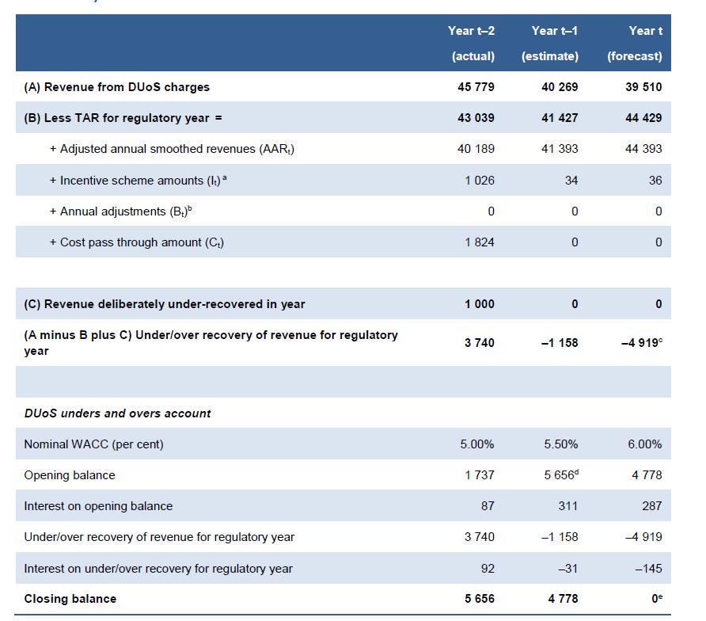
Example calculation of DUoS unders and overs account ($'000, nominal) |  |  |  | Source: Attachment 13, Control Mechanisms, June 2020

Notes:
(a) Includes incentive schemes as set out in the AER's determination with the exception of those schemes that are calculated and applied through the AER's regulatory determination (eg. CESS and EBSS).
(b) Bt parameter calculations in the DUoS unders and overs account exclude the true-up for DUoS revenue under/over recovery for regulatory year and are therefore expected to be 0.
(c) Approved DUoS revenue under/over recovery for regulatory year t
(d) Opening balance is the previous year's closing balance
(e) The business is expected to achieve a closing balance as close to zero as practicable in its DUoS unders and overs account in each forecast year in its annual pricing proposals in the 2020–25 regulatory control period.

Example calculation of designated pricing proposal charges unders and overs account ($'000, nominal)

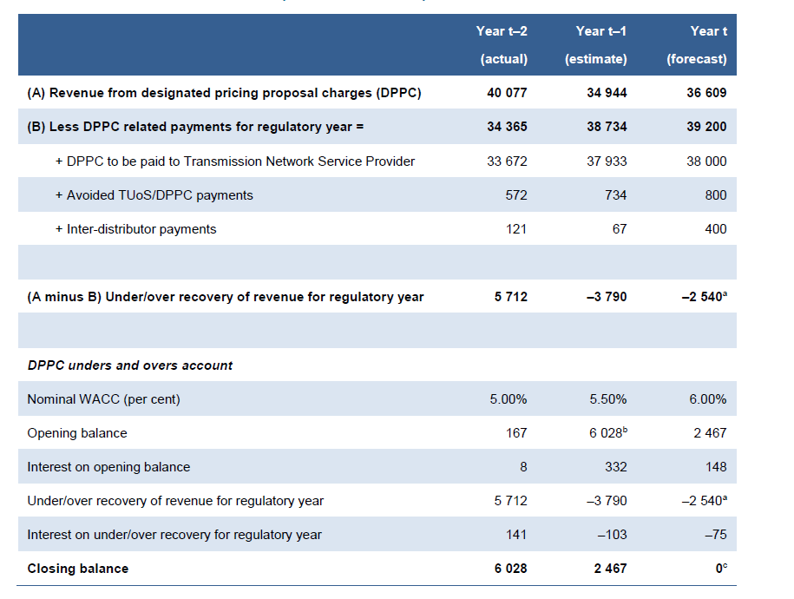

Notes:
(a) Approved DPPC revenue under/over recovery for regulatory year t
(b) Opening balance is the previous year's closing balance
(c) The business is expected to achieve a closing balance as close to zero as practicable in its DPPC unders and overs account in each forecast year in its annual pricing proposals in the regulatory control period.

Table 14.3 Example calculation of jurisdictional scheme amounts unders and overs account ($'000, nominal)
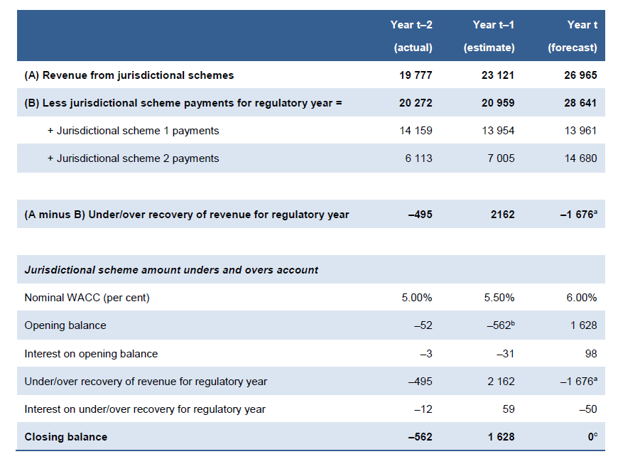

Notes:
(a) Approved jurisdictional scheme amount revenue under/over recovery for regulatory year t.
(b) Opening balance is the previous year's closing balance
(c) In addition to complying with clause 6.18.7A(b) of the NER, the business is expected

Public Lighting, Fee based ancillary network services and Metering Services formula |  |  |  |  | Figure 13.3 (Attachment 13, Control Mechanisms, June 2020)

 |  |  | i=1,….,n and t=,2,….5

Where:
 |  | is the price of service 1 in year t. For the first year of the regulatory control period, the cap on the price of service will be as per the schedule of approved charges set out in Attachment 15 - Alternative Control Services.

 |  | is the cap on the price of service i in year t

 |  | is the cap on the price of service i in year t-1

 |  | is the cap on the price of service of service I in year t-1

 |  | Is the annual percentage change in the ABS CPI All Groups, Weighted Average of Eight Capital Cities[1] from the December quarter in year t–2 to the December quarter in year t–1, calculated using the following method: The ABS CPI All Groups, Weighted Average of Eight Capital Cities for the December quarter in regulatory year t–1 divided by The ABS CPI All Groups, Weighted Average of Eight Capital Cities for the December quarter in regulatory year t–2 minus one.

 |  | is the X factor for service i in year t. The value of this factor is as specified in Attachment 15 - Alternative Control Services

 |  | is the sum of any adjustments for service I in year t. Likely to include, but not limited to adjustments for any approved cost pass through amounts (postive or negative) with respect to regulatory year t, as determined by the AER.

[1] | If the ABS does not, or ceases to, publish the index, then CPI will mean an index which the AER considers is the best available alternative index.
Please note that separate X factors exist for * Annual Public Lighting charges * Annual Metering Charge (non-capital component) * Annual Metering Charge (capital component)

Quoted Services Formula |  |  |  |  | Figure 13.4 (Attachment 13, Control Mechanisms, June 2020)

Where:
 | Labour | consists of all labour costs directly incurred in the provision of the service which may include labour on-costs, fleet on-costs and overheads. From 2021–22, base labour is escalated annually by (1+∆CPIt)(1–Xt)

 | Contractor Services | reflect all costs associated with the use of external labour including overheads and any direct costs incurred. The contracted services charge applies the rates under existing contractual arrangements. Direct costs incurred are passed on to the customer.

 | Materials | reflect the cost of materials directly incurred in the provision of the service, material storage and logistics on costs and overheads.

 |  | Is the annual percentage change in the ABS CPI All Groups, Weighted Average of Eight Capital Cities[1] from the December quarter in year t–2 to the December quarter in year t–1, calculated using the following method: The ABS CPI All Groups, Weighted Average of Eight Capital Cities for the December quarter in regulatory year t–1 divided by The ABS CPI All Groups, Weighted Average of Eight Capital Cities for the December quarter in regulatory year t–2 minus one.

 |  | is the X factor for service i in year t. The value

[1] | If the ABS does not, or ceases to, publish the index, then CPI will mean an index which the AER considers is the best available alternative index.

TBL Forecasts
TABLE 12: Energy and customer number forecasts
 |  |  |  |  |  |  | Units | 2017-18 Actual | 2018-19 Actual | 2019-20 Actual | 2020-21 Pricing Proposal Forecast | 2021-22 Forecast | 2022-23 Forecast | 2023-24 Forecast | 2024-25 Forecast
 | Energy volume (GWh) |  |  | Number of customers |  | Total energy delivered | GWh | 13,243 | 13,504 | 13,567 | 13,482 | 13,254 | 13,170 | 13,141 | 13,160
Tariff class | 2021-22 Forecast | 2020-21 Pricing proposal | 2019-20 Actual | 2021-22 Forecast | 2020-21 Pricing proposal
SAC | 8,061 | 8,063 | 8,558 | 765,976 | 777,786
CAC | 1,252 | 1,381 | 5,009 | 179 | 182
ICC | 3,941 | 4,038 |  | 115 | 108
Total | 13,254 | 13,482 | 13,567 | 766,270 | 778,076
Notes:
1. 2020-21 Forecast represents forecast volumes and customer numbers used for 2020-21 Pricing Proposal
2. 2019-20 Actual numbers represent numbers reported in 2019-20 EB RIN
3. Customer numbers in the table exclude unmetered customer numbers as these are not used for price setting

 | 2019-20 EB RIN Data

 | 3.4.1.4 - Energy grouping - customer type or class
 | Residential customers energy deliveries | GWh | 3,964
 | Non residential customers not on demand tariffs energy deliveries | GWh | 1,382
 | Non-residential low voltage demand tariff customers energy deliveries | GWh | 3,069
 | Non-residential high voltage demand tariff customers energy deliveries | GWh | 5,009
 | Other Customer Class Energy Deliveries | GWh | 143

