6 month formulae
The revenue cap to be applies to standard control services will be as set in the amended PTRM, with no other factors applied.*

The revenue cap to be applied to revenue-capped type 5 and 6 (inc. smart metering) services will be as set in the amended metering PTRM, with no other factors applied.

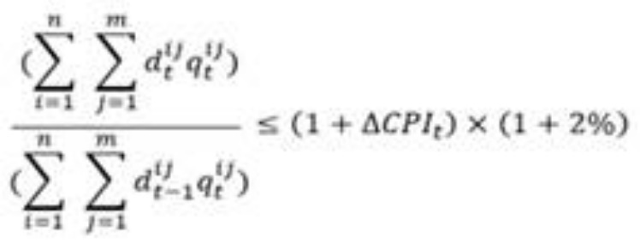

The side constraint mechanism to apply to standard control services and metering services will be just CPI and the 2% allowance as there is no X-factor to apply, and no other adjustments need to be discounted from the permissable percentage.*

The price cap to be applied to type 7 metering services will be escalated for CPI

The price cap to apply to ancillary network services will be escalated for CPI and x-factor.
X-factor to apply will reflect updated labour escalation forecast for the extended period in line with the calculation of the 2021–26 draft decision, being half of the forecast yearly change in the State utilities sector real wages for Vic in 21/22.

The price cap to apply to metering exit fees and public lighting services will not be escalated.

CPI definition to remain as per the 2015–20 determination.

