Diagram
● | Model Diagram
 | No Errors Found
 | Table of Contents
 | ACS Pricing Model - Power and Water Corporation

 | Model Diagram

Inputs
Calculations
Controls
Outputs

Prices
Cover
Price Caps
Compliance

TOC
Pricing Proposal

Diagram

Lookup

Checks

 | End

Calculations_Price_Caps
● | Calculation - Price Caps
 | No Errors Found
 | Table of Contents
 | ACS Pricing Model - Power and Water Corporation
 | FY |  | Tariff | Service Category | Source | Unit | Basis | FY18 | FY19 | FY20 | FY21 | FY22 | FY23 | FY24

 | Price Caps by Service

 |  |  | This sheet calculates the price caps for each alternative control service, split between metering services (types 1 to 6), fee based services and quoted services.
 |  |  | The price caps are calculated as per the formulas included in Attachment 13 of the Australian Energy Regulator's draft revenue determination for the 2019-24 period (repeated below), which were adopted in the final determination.
 |  |  | Only the price cap of the labour component for quoted services is calculated. The contractor services and materials components are simply included at cost at the time a service is quoted.

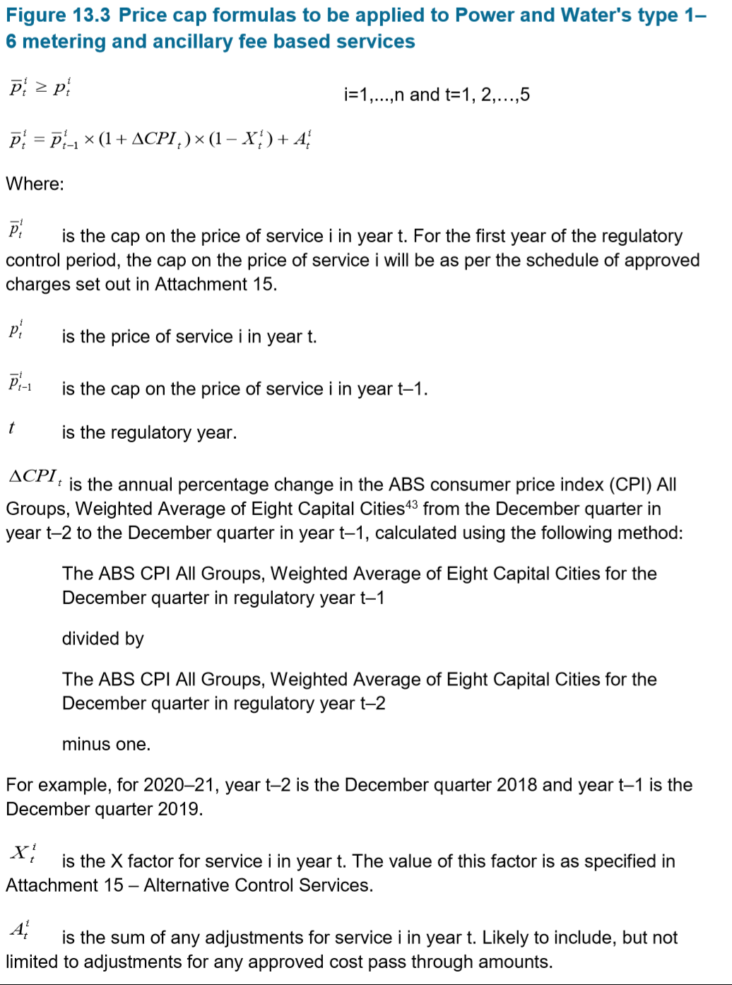
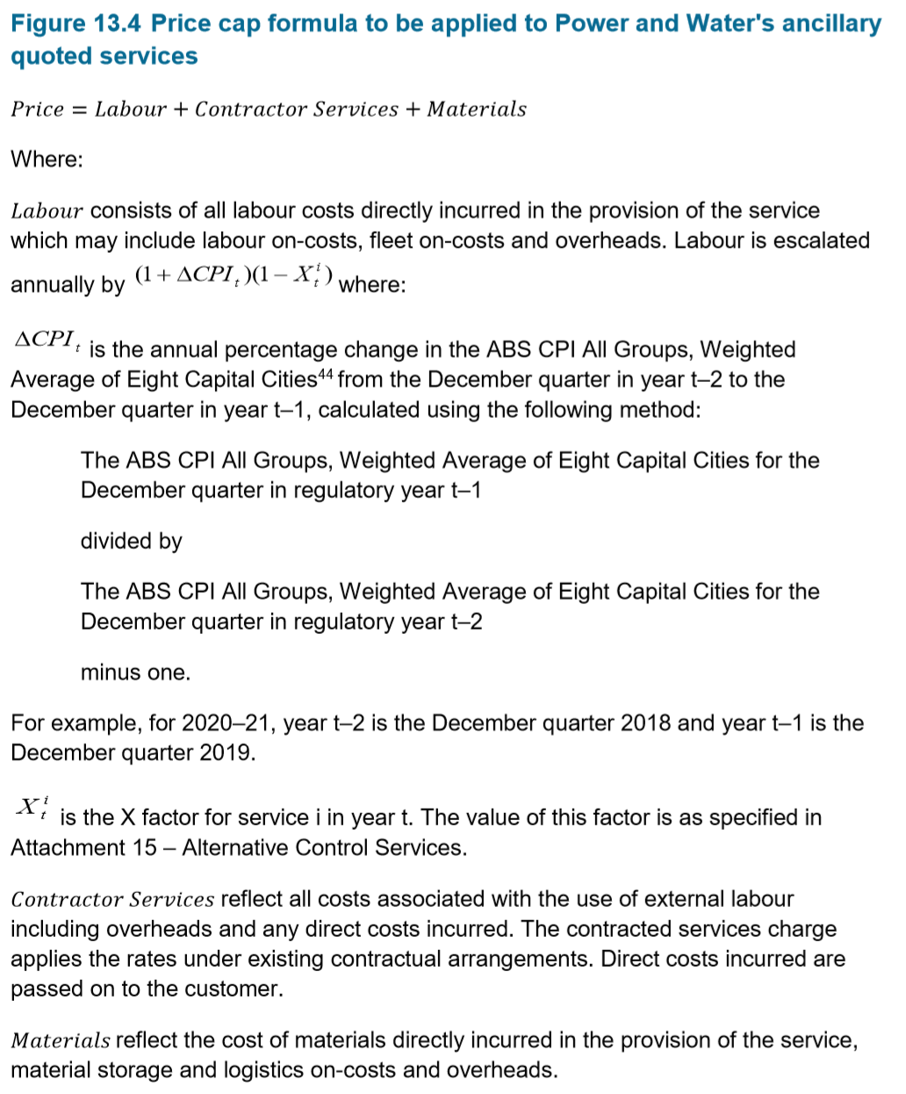

 |  | Price Caps

 |  |  | Service |  | Source | Unit | Basis |  |  | FY20 | FY21 | FY22 | FY23 | FY24

 |  |  | Metering Services (Types 1 to 6)
 |  |  | 1 Phase Meters (including Prepayment) |  | Calculated | $/Year/Meter | Nominal |  |  | $61.48 | $64.66 | $67.35 | $71.24 | $75.35 | Note: price caps are rounded to 2 decimal places
 |  |  | 3 Phase Meters |  | Calculated | $/Year/Meter | Nominal |  |  | $67.69 | $71.19 | $74.15 | $78.43 | $82.96
 |  |  | Dedicated CT and VT meters |  | Calculated | $/Year/Meter | Nominal |  |  | $114.65 | $120.58 | $125.59 | $132.84 | $140.51

 |  |  | Fee Based Services
 |  |  | Disconnection (and final read) |  | Calculated | $/Request | Nominal |  |  | $66.99 | $65.35 | $63.02 | $61.68 | $60.30
 |  |  | Reconnection |  | Calculated | $/Request | Nominal |  |  | $66.99 | $65.35 | $63.02 | $61.68 | $60.30
 |  |  | Reconnection - after hours |  | Calculated | $/Request | Nominal |  |  | $124.43 | $121.39 | $117.07 | $114.58 | $112.02
 |  |  | Temporary disconnection and reconnection - physical dismantling |  | Calculated | $/Request | Nominal |  |  | $737.30 | $755.16 | $767.89 | $794.16 | $821.26
 |  |  | Provision of 3 phase service |  | Calculated | $/Request | Nominal |  |  | $1,400.88 | $1,434.81 | $1,459.01 | $1,508.92 | $1,560.41
 |  |  | Standard temporary builder’s connection |  | Calculated | $/Request | Nominal |  |  | $657.68 | $673.61 | $684.97 | $708.40 | $732.57
 |  |  | Temporary disconnection and reconnection - no dismantling |  | Calculated | $/Request | Nominal |  |  | $286.07 | $293.00 | $297.94 | $308.13 | $318.64
 |  |  | Complex disconnection |  | Calculated | $/Request | Nominal |  |  | $312.62 | $320.19 | $325.59 | $336.73 | $348.22
 |  |  | Wasted visit fee |  | Calculated | $/Request | Nominal |  |  | $153.36 | $157.07 | $159.72 | $165.18 | $170.82
 |  |  | Special meter test |  | Calculated | $/Request | Nominal |  |  | $299.35 | $306.60 | $311.77 | $322.44 | $333.44
 |  |  | Exchange or replace meter – three phase |  | Calculated | $/Request | Nominal |  |  | $660.39 | $676.38 | $687.79 | $711.32 | $735.59
 |  |  | Exchange or replace meter - single phase |  | Calculated | $/Request | Nominal |  |  | $552.87 | $566.26 | $575.81 | $595.51 | $615.83
 |  |  | Relocation of meter |  | Calculated | $/Request | Nominal |  |  | $312.62 | $320.19 | $325.59 | $336.73 | $348.22
 |  |  | Remove meter |  | Calculated | $/Request | Nominal |  |  | $312.62 | $320.19 | $325.59 | $336.73 | $348.22
 |  |  | General meter inspection |  | Calculated | $/Request | Nominal |  |  | $140.09 | $143.48 | $145.90 | $150.89 | $156.04
 |  |  | Special meter read - no appointment |  | Calculated | $/Request | Nominal |  |  | $35.60 | $36.46 | $37.07 | $38.34 | $39.65
 |  |  | Special meter read - appointment |  | Calculated | $/Request | Nominal |  |  | $77.00 | $78.86 | $80.19 | $82.93 | $85.76
 |  |  | Class 3 PV Assessment |  | Calculated | $/Request | Nominal |  |  | $1,187.82 | $1,216.59 | $1,237.11 | $1,279.43 | $1,323.09
 |  |  | Meter program change |  | Calculated | $/Request | Nominal |  |  | $161.61 | $165.52 | $168.31 | $174.07 | $180.01
 |  |  | Historical data requests |  | Calculated | $/Request | Nominal |  |  | $197.14 | $201.91 | $205.31 | $212.33 | $219.58
 |  |  | Standing data requests |  | Calculated | $/Request | Nominal |  |  | $43.59 | $44.65 | $45.40 | $46.95 | $48.55
 |  |  | Customer transfers |  | Calculated | $/Request | Nominal |  |  | $174.37 | $178.59 | $181.60 | $187.81 | $194.22
 |  |  | Network tariff change request |  | Calculated | $/Request | Nominal |  |  | $43.59 | $44.65 | $45.40 | $46.95 | $48.55
 |  |  | Prepayment Vending Charge |  | Calculated | $/Request | Nominal |  |  | $0.48 | $0.49 | $0.50 | $0.52 | $0.54
 |  |  | Prepayment Meter Support Charge |  | Calculated | $/Request | Nominal |  |  | $66.36 | $67.97 | $69.12 | $71.48 | $73.92
 |  |  | Installation of Minor Apparatus |  | Calculated | $/Request | Nominal |  |  | $624.50 | $639.62 | $650.41 | $672.66 | $695.61
 |  |  | Class 1 & 2 PV service |  | Calculated | $/Request | Nominal |  |  | $87.19 | $89.30 | $90.81 | $93.92 | $97.12

 |  |  | Quoted Services | Labour Component
 |  |  | Design related services |  | Calculated | $/Hour | Nominal |  |  | $155.62 | $159.39 | $162.08 | $167.62 | $173.34
 |  |  | Connection applications |  | Calculated | $/Hour | Nominal |  |  | $155.62 | $159.39 | $162.08 | $167.62 | $173.34
 |  |  | Access permits, oversights and facilitation |  | Calculated | $/Hour | Nominal |  |  | $155.62 | $159.39 | $162.08 | $167.62 | $173.34
 |  |  | Notices of arrangement and completion notices |  | Calculated | $/Hour | Nominal |  |  | $87.19 | $89.30 | $90.81 | $93.92 | $97.12
 |  |  | Network related property services |  | Calculated | $/Hour | Nominal |  |  | $87.19 | $89.30 | $90.81 | $93.92 | $97.12
 |  |  | Site establishment services |  | Calculated | $/Hour | Nominal |  |  | $87.19 | $89.30 | $90.81 | $93.92 | $97.12
 |  |  | Network safety services |  | Calculated | $/Hour | Nominal |  |  | $132.71 | $135.92 | $138.21 | $142.94 | $147.82
 |  |  | Network tariff change request |  | Calculated | $/Hour | Nominal |  |  | $87.19 | $89.30 | $90.81 | $93.92 | $97.12
 |  |  | Planned interruption - customer request |  | Calculated | $/Hour | Nominal |  |  | $132.71 | $135.92 | $138.21 | $142.94 | $147.82
 |  |  | Performance of a statutory right (access prevented) |  | Calculated | $/Hour | Nominal |  |  | $132.71 | $135.92 | $138.21 | $142.94 | $147.82
 |  |  | Provision of network related training to third parties |  | Calculated | $/Hour | Nominal |  |  | $87.19 | $89.30 | $90.81 | $93.92 | $97.12
 |  |  | Non-standard reporting services |  | Calculated | $/Hour | Nominal |  |  | $87.19 | $89.30 | $90.81 | $93.92 | $97.12
 |  |  | Services provided for retailer of last resort event |  | Calculated | $/Hour | Nominal |  |  | $87.19 | $89.30 | $90.81 | $93.92 | $97.12
 |  |  | Rectification of illegal connections service |  | Calculated | $/Hour | Nominal |  |  | $132.71 | $135.92 | $138.21 | $142.94 | $147.82
 |  |  | Network changes at customer or retailer's request |  | Calculated | $/Hour | Nominal |  |  | $132.71 | $135.92 | $138.21 | $142.94 | $147.82
 |  |  | Annual prepayment meter licensing fee * |  | Calculated | $/Hour | Nominal |  |  | $87.19 | $89.30 | $90.81 | $93.92 | $97.12

 | End

