Labour Rates
Labour rates

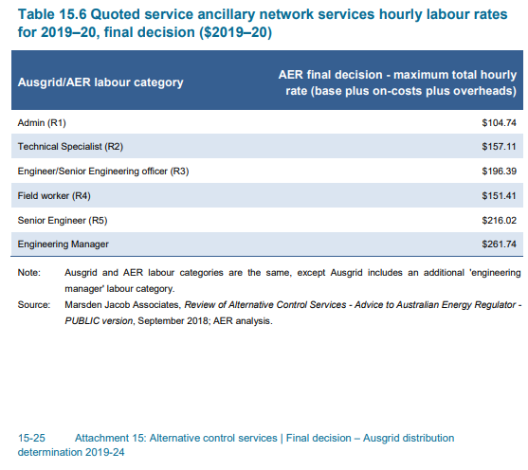
 | FY2020 | FY2021 | FY2022 | FY2023 | FY2024 | Inc GST

Admin (R1) | 104.74 | 107.42 | 109.48 | 113.50 | 117.48 | 120.43
Technical Specialist (R2) | 157.11 | 161.12 | 164.21 | 170.23 | 176.21 | 180.63
Engineer (R3) | 196.39 | 201.41 | 205.27 | 212.80 | 220.28 | 225.80
Field worker (R4) | 151.41 | 155.28 | 158.25 | 164.06 | 169.82 | 174.08
Senior Engineer (R5) | 216.02 | 221.54 | 225.78 | 234.06 | 242.29 | 248.36
Engineering Manager (R6) | 261.74 | 268.43 | 273.57 | 283.61 | 293.57 | 300.93

CPI - Index
Consumer Price Index

Compound escalators
 |  | 2018-19 | 2019-20 | 2020-21 | 2021-22 | 2022-23 | 2023-24
 |  | Base | Approved | Approved | Proposed | Forecast | Forecast

Annual CPI |  | 1.95% | 2.42% | 1.84% | 0.86% | 2.42% | 2.42%
Consumer Price Index - Compound escalators |  | 1 | 1.02 | 1.04 | 1.05 | 1.08 | 1.10

Annual CPI calculation

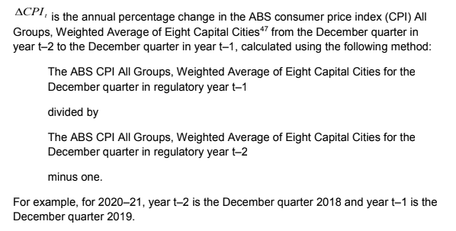
 | Index Numbers ; All groups CPI ; Australia ; | 2018-19 | 2019-20 | 2020-21 | 2021-22 | 2022-23 | 2023-24
Unit | Index Numbers
Series Type | Original
Data Type | INDEX
Frequency | Quarter
Collection Month | 3
Series Start | Sep-1948
Series End | Dec-2018
No. Obs | 282
Series ID | A2325846C
Mar-2016 | 108.2
Jun-2016 | 108.6
Sep-2016 | 109.4
Dec-2016 | 110.0 | T-2
Mar-2017 | 110.5
Jun-2017 | 110.7
Sep-2017 | 111.4
Dec-2017 | 112.1 | T-1 | T-2
Mar-2018 | 112.6
Jun-2018 | 113.0
Sep-2018 | 113.5
Dec-2018 | 114.1 |  | T-1 | T-2
Mar-2019 | 114.1
Jun-2019 | 114.8
Sep-2019 | 115.4
Dec-2019 | 116.2 |  |  | T-1 | T-2
Mar-2020 | 116.6
Jun-2020 | 114.4
Sep-2020 | 116.2
Dec-2020 | 117.2 |  |  |  | T-1 | T-2
Mar-2021
Jun-2021
Sep-2021
Dec-2021 |  |  |  |  |  | T-1 | T-2
Mar-2022
Jun-2022
Sep-2022
Dec-2022 |  |  |  |  |  |  | T-1

X-Factors
X-Factors

ANS X-Factors
 | 2018-19 | 2019-20 | 2020-21 | 2021-22 | 2022-23 | 2023-24 |  | QA
 | Base | Approved | Approved | Approved | Approved | Approved
 |  |  |  |  |  |  |  | X factors in this file have more decimal places than those published in Table 15.7
Annual ANS X-Factors | - | 0.00% | 0.70% | 1.05% | 1.21% | 1.06% | Note the signs of the X-factors have been reversed to accommodate the calculation method used in this model | but matches if rounded to 4 decimal places - should be ok.

Compound ANS X-Factors | 1 | 1.00 | 1.01 | 1.02 | 1.03 | 1.04

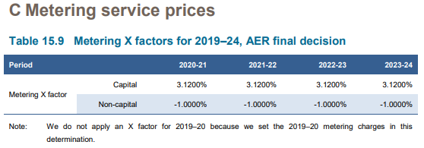
Metering X-Factors
 | 2018-19 | 2019-20 | 2020-21 | 2021-22 | 2022-23 | 2023-24
 | Base | Approved | Approved | Approved | Approved | Approved

Capital | - | -23.62% | -3.12% | -3.12% | -3.12% | -3.12%
Non-capital | - | 9.49% | 1.00% | 1.00% | 1.00% | 1.00%

Compound - Capital | 1 | 0.76 | 0.74 | 0.72 | 0.69 | 0.67
Compund - Non-capital | 1 | 1.09 | 1.11 | 1.12 | 1.13 | 1.14

