2019 - Labour Rates & CPI
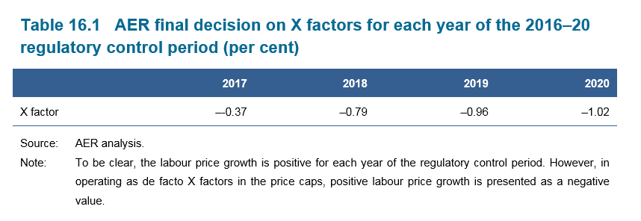

 | AER - Labour Price Growth (Final Decision May 2016)
 | 2016 | 2017 | 2018 | 2019 | 2020

 |  | 0.37% | 0.79% | 0.96% | 1.02%

 |  |  | CPI | AER 2017 |  |  |  | CPI | AER 2018 |  |  |  | CPI | AER 2019
 |  |  |  | Labour Price Growth |  |  |  |  | Labour Price Growth |  |  |  |  | Labour Price Growth
 |  | Jun'16 | 108.6 | 0.37% |  |  | Jun'17 | 110.7 | 0.79% | 0.0079 |  | Jun'18 | 113.0 | 0.96% | 0.0096
 | Jun'15 | 107.5 |  |  |  | Jun'16 | 108.6 |  |  |  | Jun'17 | 110.7
 |  | 101.02% |  | 1.02% |  |  | 101.93% |  | 1.93% | 0.0193 |  | 102.08% |  | 2.08% | 0.0208

 |  |  | Price change CPI + Labour Price Growth | 101.4% |  |  |  | Price change CPI + Labour Price Growth | 102.74% |  |  |  | Price change CPI + Labour Price Growth | 103.06%

 |  | 2017 - AER Tariff Submission |  |  |  |  | 2018 - AER Tariff Submission |  |  |  |  | 2019 - AER Tariff Submission
 | 2016 Rate | 2016 Rate + CPI | Labour Price Growth | 2017 Rate (2016 + CPI + Labour Growth) |  | 2017 Rate | 2017 Rate + CPI | Labour Price Growth | 2018 Rate (2017 + CPI + Labour Growth) |  | 2018 Rate | 2018 Rate + CPI | Labour Price Growth | 2019 Rate (2018 + CPI + Labour Growth)
 | $123.25 | $124.51116 | $0.460691302 | $124.97 |  | $124.97 | $127.38655 | $1.006353721 | $128.39 |  | $128.39 | $131.05754 | $1.258152412 | $132.32
 | $175.03 | $176.82100 | $0.654237717 | $177.48 |  | $177.48 | $180.91193 | $1.429204276 | $182.34 |  | $182.34 | $186.12846 | $1.786833171 | $187.92
 | $144.48 | $145.95840 | $0.540046080 | $146.50 |  | $146.50 | $149.33287 | $1.179729696 | $150.51 |  | $150.51 | $153.63713 | $1.474916423 | $155.11
 | $196.27 | $198.27834 | $0.733629873 | $199.01 |  | $199.01 | $202.85826 | $1.602580251 | $204.46 |  | $204.46 | $208.70804 | $2.003597182 | $210.71
 | $95.23 | $96.20445 | $0.355956452 | $96.56 |  | $96.56 | $98.42718 | $0.777574740 | $99.20 |  | $99.20 | $101.26107 | $0.972106233 | $102.23
 | $181.51 | $183.36731 | $0.678459053 | $184.05 |  | $184.05 | $187.60898 | $1.482110925 | $189.09 |  | $189.09 | $193.01870 | $1.852979512 | $194.87
 | $181.51 | $183.36731 | $0.678459053 | $184.05 |  | $184.05 | $187.60898 | $1.482110925 | $189.09 |  | $189.09 | $193.01870 | $1.852979512 | $194.87

UE hourly charge out rates for quoted alternative control services based on AER Final decision (May 2016) | Final Decision (May 2016) 2016 Rate (Ex GST) | 2017 Rate Ex GST | 2017 Rate (Incl GST) | 2018 Rate Ex GST | 2018 Rate (Incl GST) | 2019 Rate Ex GST | 2019 Rate (Incl GST)
Field worker - one person - BH | $123.25 | $124.97 | $137.47 | $128.39 | $141.23 | $132.32 | $145.55
Field worker - one person - AH | $175.03 | $177.48 | $195.23 | $182.34 | $200.57 | $187.92 | $206.71
Field worker - one person plus vehicle - BH | $144.48 | $146.50 | $161.15 | $150.51 | $165.56 | $155.11 | $170.62
Field worker - one person plus vehicle - AH | $196.27 | $199.01 | $218.91 | $204.46 | $224.91 | $210.71 | $231.78
Administration - BH | $95.23 | $96.56 | $106.22 | $99.20 | $109.12 | $102.23 | $112.45
Senior engineer - BH | $181.51 | $184.05 | $202.46 | $189.09 | $208.00 | $194.87 | $214.36
Project planner - BH | $181.51 | $184.05 | $202.46 | $189.09 | $208.00 | $194.87 | $214.36

