CRFDraft
DraftName | DeleteExisting | ProjectName | ProjectType | PrimaryFormOID | DefaultMatrixOID | ConfirmationMessage | SignaturePrompt | LabStandardGroup | ReferenceLabs | AlertLabs | SyncOIDProject | SyncOIDDraft | SyncOIDProjectType | SyncOIDOriginIsVersion
V5.0_21NOV2018 | FALSE | ONCOLOGY | GlobalLibraryVolume | SUB_ID | DEFAULT | Data saved | By my dated signature below, I verify that data recorded in the CRF(s) provided prior to my electronic signature accurately displays the results of the examinations, tests, evaluations and treatments performed on this subject. I certify that I intend that this electronic signature is to be the legally binding equivalent of my handwritten signature. |  |  |  |  |  | Project | FALSE

Input for Code Generator

Target SDTM domain/variable

Pseud Code

Just for information

Recode
RecodingID | FMTTYPE | Dataset | Output Variable Name | Source Variable | Source Variable Values | Output Variable Values (Char) | Output Variable Values (Num) | To be deleted when issues in CRF design are fixed
notdone | N2C |  | &SDTMVar | &FIeldOID | 1 | NOT DONE
one2y | N2C |  |  |  | 1 | Y
one2yn | N2C |  |  |  | 1 | Y
one2yn | N2C |  |  |  | . | N
acnc | C2C | AE | AEACN, AEACN2, AEACN3, AEACN4 | AEACNC, AEACNC2, AEACNC3, AEACNC4 | DOSE DELAYED
acnc | C2C | AE | AEACN, AEACN2, AEACN3, AEACN4 | AEACNC, AEACNC2, AEACNC3, AEACNC4 | DOSE DELAYED AND REDUCED
acnc | C2C | AE | AEACN, AEACN2, AEACN3, AEACN4 | AEACNC, AEACNC2, AEACNC3, AEACNC4 | DOSE INCREASED | DOSE INCREASED
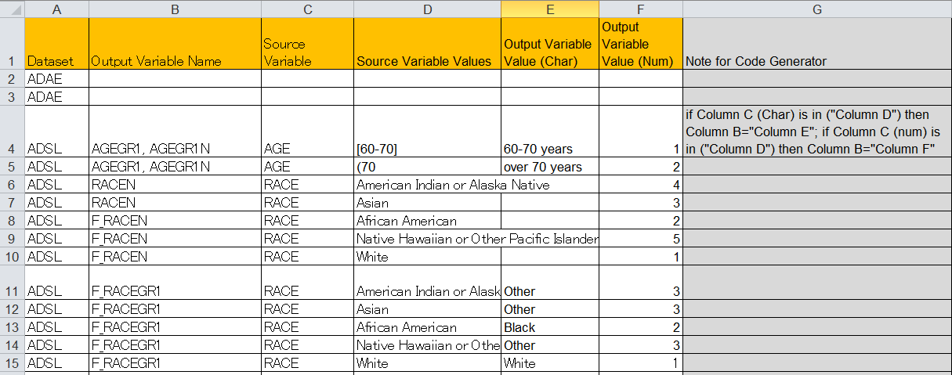
recode tab for ADaM automation
(2_SOA_Sanofi_ADaM_Metadata_V1.7_ADaMIGV1.1_provisional.xlsm)
Can SDTM automation use the same strategy with ADaM?
For SDTM, the same recoding rule applied on multiple variables
12 rules
3 rules can be deleted when issues in CT/CRF are fixed
acnc | C2C | AE | AEACN, AEACN2, AEACN3, AEACN4 | AEACNC, AEACNC2, AEACNC3, AEACNC4 | DOSE NOT CHANGED | DOSE NOT CHANGED
acnc | C2C | AE | AEACN, AEACN2, AEACN3, AEACN4 | AEACNC, AEACNC2, AEACNC3, AEACNC4 | DOSE REDUCED | DOSE REDUCED
acnc | C2C | AE | AEACN, AEACN2, AEACN3, AEACN4 | AEACNC, AEACNC2, AEACNC3, AEACNC4 | DRUG INTERRUPTED | DRUG INTERRUPTED
acnc | C2C | AE | AEACN, AEACN2, AEACN3, AEACN4 | AEACNC, AEACNC2, AEACNC3, AEACNC4 | DRUG WITHDRAWN | DRUG WITHDRAWN
acnc | C2C | AE | AEACN, AEACN2, AEACN3, AEACN4 | AEACNC, AEACNC2, AEACNC3, AEACNC4 | NOT APPLICABLE | NOT APPLICABLE
aecat | C2C | AE | AECAT | AECAT | ALT INCREASE | ALT INCREASE DATA |  | Y
aecat | C2C | AE | AECAT | AECAT | ADVERSE EVENT | ADVERSE EVENT |  | Y
aecat | C2C | AE | AECAT | AECAT | ADVERSE EVENT OF SPECIAL INTEREST | ADVERSE EVENT OF SPECIAL INTEREST |  | Y
aecat | C2C | AE | AECAT | AECAT | ALLERGIC REACTION | ALLERGIC REACTION |  | Y
aecat | C2C | AE | AECAT | AECAT | ASTHMA EXACERBATION EVENT | ASTHMA EXACERBATION EVENT |  | Y
aecat | C2C | AE | AECAT | AECAT | BLEEDING EVENT | BLEEDING EVENT |  | Y
aecat | C2C | AE | AECAT | AECAT | BONE FRACTURE | BONE FRACTURE |  | Y
aecat | C2C | AE | AECAT | AECAT | DRUG ALLERGY EVENT | DRUG ALLERGY EVENT |  | Y
aecat | C2C | AE | AECAT | AECAT | EPISTAXIS EVENT | EPISTAXIS EVENT |  | Y
aecat | C2C | AE | AECAT | AECAT | FOREIGN BODY REACTION EVENT | FOREIGN BODY REACTION EVENT |  | Y
aecat | C2C | AE | AECAT | AECAT | GASTROINTESTINAL DISORDER | GASTROINTESTINAL DISORDER |  | Y
aecat | C2C | AE | AECAT | AECAT | HYPERCALCEMIA | HYPERCALCEMIA |  | Y
aecat | C2C | AE | AECAT | AECAT | HYPOGLYCEMIA | HYPOGLYCEMIA |  | Y
aecat | C2C | AE | AECAT | AECAT | INCREASED CALCITONIN | INCREASED CALCITONIN |  | Y
aecat | C2C | AE | AECAT | AECAT | INCREASED LIPASE/AMYLASE | INCREASED LIPASE/AMYLASE |  | Y
aecat | C2C | AE | AECAT | AECAT | INFECTION EVENT | INFECTION EVENT |  | Y
aecat | C2C | AE | AECAT | AECAT | INJECTION SITE REACTION | INJECTION SITE REACTION |  | Y
aecat | C2C | AE | AECAT | AECAT | METABOLIC ACIDOSIS EVENT | METABOLIC ACIDOSIS EVENT |  | Y
aecat | C2C | AE | AECAT | AECAT | NEUROLOGIC DISORDER | NEUROLOGIC DISORDER |  | Y
aecat | C2C | AE | AECAT | AECAT | OTHER | OTHER |  | Y
aecat | C2C | AE | AECAT | AECAT | OVERDOSE | OVERDOSE DATA |  | Y
aecat | C2C | AE | AECAT | AECAT | PANCREATIC EVENT | PANCREATIC EVENT |  | Y
aecat | C2C | AE | AECAT | AECAT | PERIPHERAL NEUROPATHY EVENT | PERIPHERAL NEUROPATHY EVENT |  | Y
aecat | C2C | AE | AECAT | AECAT | PREGNANCY | PREGNANCY DATA |  | Y
aecat | C2C | AE | AECAT | AECAT | RENAL FAILURE | RENAL FAILURE |  | Y
aecat | C2C | AE | AECAT | AECAT | SERIOUS HYPOGLYCEMIA | SERIOUS HYPOGLYCEMIA |  | Y
aecat | C2C | AE | AECAT | AECAT | SOLICITED | SOLICITED |  | Y
aecat | C2C | AE | AECAT | AECAT | SUSPECTED OR CONFIRMED CEREBROVASCULAR EVENT | SUSPECTED OR CONFIRMED CEREBROVASCULAR EVENT |  | Y
aecat | C2C | AE | AECAT | AECAT | SUSPECTED OR CONFIRMED DIABETIC KETOACIDOSIS | SUSPECTED OR CONFIRMED DIABETIC KETOACIDOSIS |  | Y
aecat | C2C | AE | AECAT | AECAT | SUSPECTED OR CONFIRMED HEART FAILURE | SUSPECTED OR CONFIRMED HEART FAILURE |  | Y
aecat | C2C | AE | AECAT | AECAT | SUSPECTED OR CONFIRMED MYOCARDIAL INFARCTION / UNSTABLE ANGINA | SUSPECTED OR CONFIRMED MYOCARDIAL INFARCTION / UNSTABLE ANGINA |  | Y
aecat | C2C | AE | AECAT | AECAT | UNSOLICITED | UNSOLICITED |  | Y
aecat | C2C | AE | AECAT | AECAT | VASCULITIS EVENT | VASCULITIS EVENT |  | Y
dscont | C2C | DS | DSDECOD | DSCONT | Y | COMPLETED
dscont | C2C | DS | DSDECOD | DSCONT | N | SCREEN FAILURE
trgrpid | C2C |  |  | TRGRPID | BENIGN |  |  | Y
trgrpid | C3C |  |  | TRGRPID | MEASURED | M |  | Y
trgrpid | C4C |  |  | TRGRPID | NEW | NEW |  | Y
trgrpid | C5C |  |  | TRGRPID | NON-MEASURABLE | NME |  | Y
trgrpid | C6C |  |  | TRGRPID | NON-TARGET | NT |  | Y
trgrpid | C7C |  |  | TRGRPID | NOT MEASURED | NMD |  | Y
trgrpid | C8C |  |  | TRGRPID | TARGET | T |  | Y
trgrpid | C9C |  |  | TRGRPID | TARGET EXTRA NODAL | TE |  | Y
trgrpid | C10C |  |  | TRGRPID | TARGET NODAL | TN |  | Y
trgrpid | C11C |  |  | TRGRPID | TARGET NODULE | TO |  | Y
ongo | N2C |  |  |  | 1 | ONGOING
n2nd | C2C |  |  |  | N | NOT DONE
n2nd | C2C |  |  |  | Y
n2nd | C2C |  |  |  |  | NOT DONE
suoccur | C2C |  |  |  | NEVER | N
suoccur | C2C |  |  |  | <other> | Y
one2norm | N2C |  |  |  | 1 | NORMAL
ieres | C2C | IE | IEORRES | IECAT | INCLUSION | N |  | Y
ieres | C2C | IE | IEORRES | IECAT | EXCLUSION | Y |  | Y

