AnnualSciProd
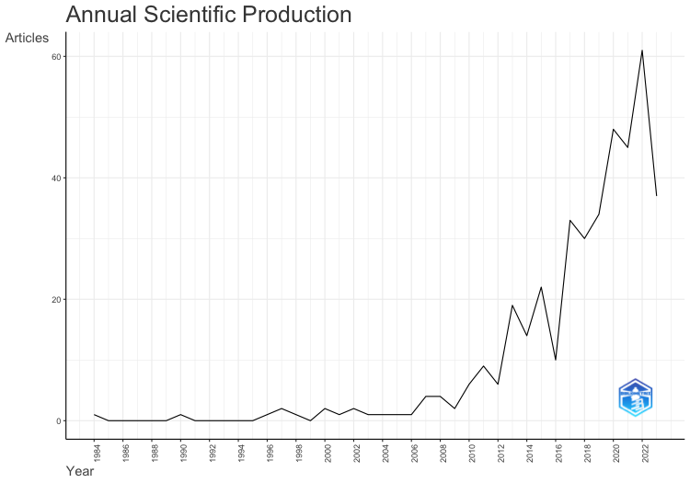
Year | Articles
1984 | 1
1985 | 0
1986 | 0
1987 | 0
1988 | 0
1989 | 0
1990 | 1
1991 | 0
1992 | 0
1993 | 0
1994 | 0
1995 | 0
1996 | 1
1997 | 2
1998 | 1
1999 | 0
2000 | 2
2001 | 1
2002 | 2
2003 | 1
2004 | 1
2005 | 1
2006 | 1
2007 | 4
2008 | 4
2009 | 2
2010 | 6
2011 | 9
2012 | 6
2013 | 19
2014 | 14
2015 | 22
2016 | 10
2017 | 33
2018 | 30
2019 | 34
2020 | 48
2021 | 45
2022 | 61
2023 | 37

AnnualCitPerYear
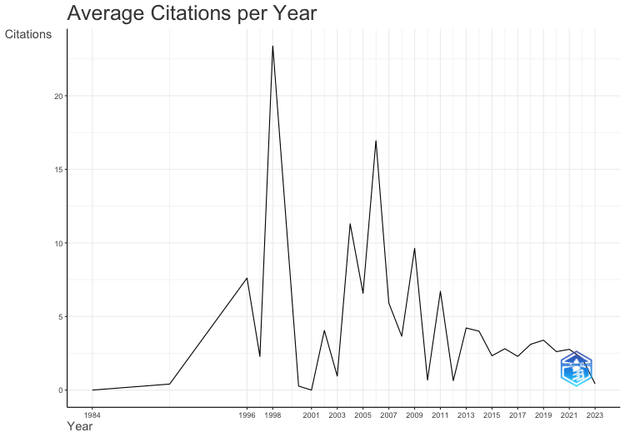
Year | MeanTCperArt | N | MeanTCperYear | CitableYears
1984 | 0 | 1 | 0 | 40
1990 | 14 | 1 | 0.41 | 34
1996 | 213 | 1 | 7.61 | 28
1997 | 61.5 | 2 | 2.28 | 27
1998 | 608 | 1 | 23.38 | 26
2000 | 6.5 | 2 | 0.27 | 24
2001 | 0 | 1 | 0 | 23
2002 | 89 | 2 | 4.05 | 22
2003 | 20 | 1 | 0.95 | 21
2004 | 226 | 1 | 11.3 | 20
2005 | 125 | 1 | 6.58 | 19
2006 | 305 | 1 | 16.94 | 18
2007 | 100.5 | 4 | 5.91 | 17
2008 | 58.5 | 4 | 3.66 | 16
2009 | 144.5 | 2 | 9.63 | 15
2010 | 9.5 | 6 | 0.68 | 14
2011 | 87.22 | 9 | 6.71 | 13
2012 | 7.67 | 6 | 0.64 | 12
2013 | 46.47 | 19 | 4.22 | 11
2014 | 40 | 14 | 4 | 10
2015 | 20.95 | 22 | 2.33 | 9
2016 | 22.5 | 10 | 2.81 | 8
2017 | 16.03 | 33 | 2.29 | 7
2018 | 18.67 | 30 | 3.11 | 6
2019 | 16.97 | 34 | 3.39 | 5
2020 | 10.44 | 48 | 2.61 | 4
2021 | 8.31 | 45 | 2.77 | 3
2022 | 4.31 | 61 | 2.15 | 2
2023 | 0.43 | 37 | 0.43 | 1

CountrySciProd
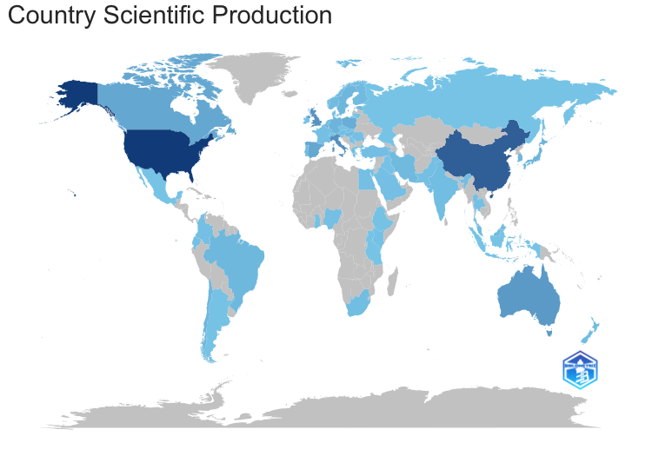
region | Freq
USA | 259
CHINA | 180
ITALY | 85
UK | 80
AUSTRALIA | 68
CANADA | 47
SPAIN | 46
POLAND | 37
GERMANY | 25
JAPAN | 25
BELGIUM | 23
SOUTH KOREA | 22
SWEDEN | 21
CHILE | 20
BRAZIL | 18
ESTONIA | 17
IRAN | 16
PORTUGAL | 15
FINLAND | 14
HUNGARY | 14
NORWAY | 14
MALAYSIA | 13
DENMARK | 12
NEW ZEALAND | 12
AUSTRIA | 11
GREECE | 11
NETHERLANDS | 11
INDIA | 10
SLOVAKIA | 10
SOUTH AFRICA | 10
TURKEY | 8
COLOMBIA | 7
ROMANIA | 7
THAILAND | 7
ECUADOR | 6
EGYPT | 6
FRANCE | 6
NIGERIA | 6
PAKISTAN | 6
SAUDI ARABIA | 6
ISRAEL | 5
SWITZERLAND | 5
ARMENIA | 4
KENYA | 4
ARGENTINA | 3
CYPRUS | 3
CZECH REPUBLIC | 3
ETHIOPIA | 3
LITHUANIA | 3
SINGAPORE | 3
GHANA | 2
IRAQ | 2
IRELAND | 2
SERBIA | 2
SLOVENIA | 2
BAHRAIN | 1
INDONESIA | 1
MEXICO | 1
RUSSIA | 1
TANZANIA | 1
UGANDA | 1

