timeline
Timestamp | 未命名的问题
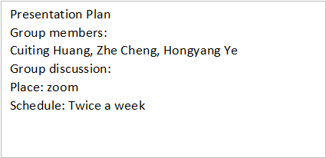

 |  |  | Time Line
 |  |  | 日期 | events | 是否完成
 |  |  | 11月7日前 | 完成分工 | √
 |  |  | 11月10日 | 碰一下
 |  |  | 11月14日 | 初稿
 |  |  | 11月15-18日 | 约office hour
 |  |  | 11月17日 | 碰头
 |  |  | 11月18-25日 | 修改+排练
 |  |  | 11月24日 | 碰头
 |  |  | Presentation | 11月30日

pre record
日期
10月23日 | 确认topics pizza确定 | Bucket sort
11月3日 | 确认大纲 已发pizza确定
11月5日 | 完成分工

topic
topic | 优先级（Cuiting Huang） | 优先级（Hongyang Ye） | 优先级（Zhe）
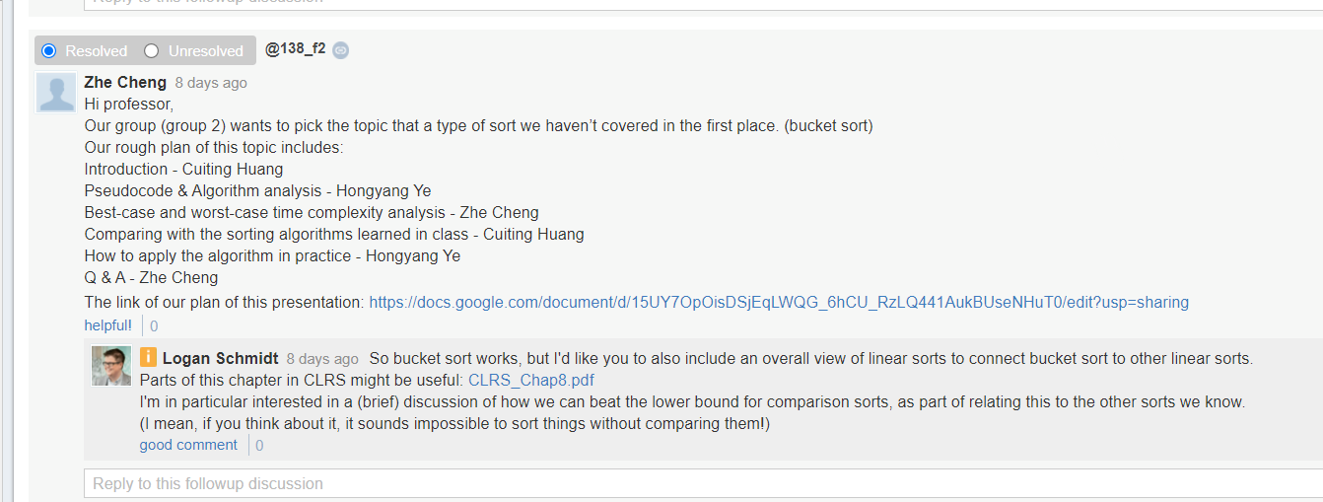
Sort |  |  | 1
randomized quicksort
bucket sort

Test |  |  | 2
Google Test
cunit

Data structure |  |  | 3
list dictionary

Library |  |  | 4
ctype.h (and the problems it is trying to solve)
signals.h (and the problems it is trying to solve)
stddef.h
errno.h (and the problems it is trying to solve)

Sort | A type of sort we haven’t covered (randomized quicksort, bucket sort, radix sort, etc.) |  |  | 课上cover的topic
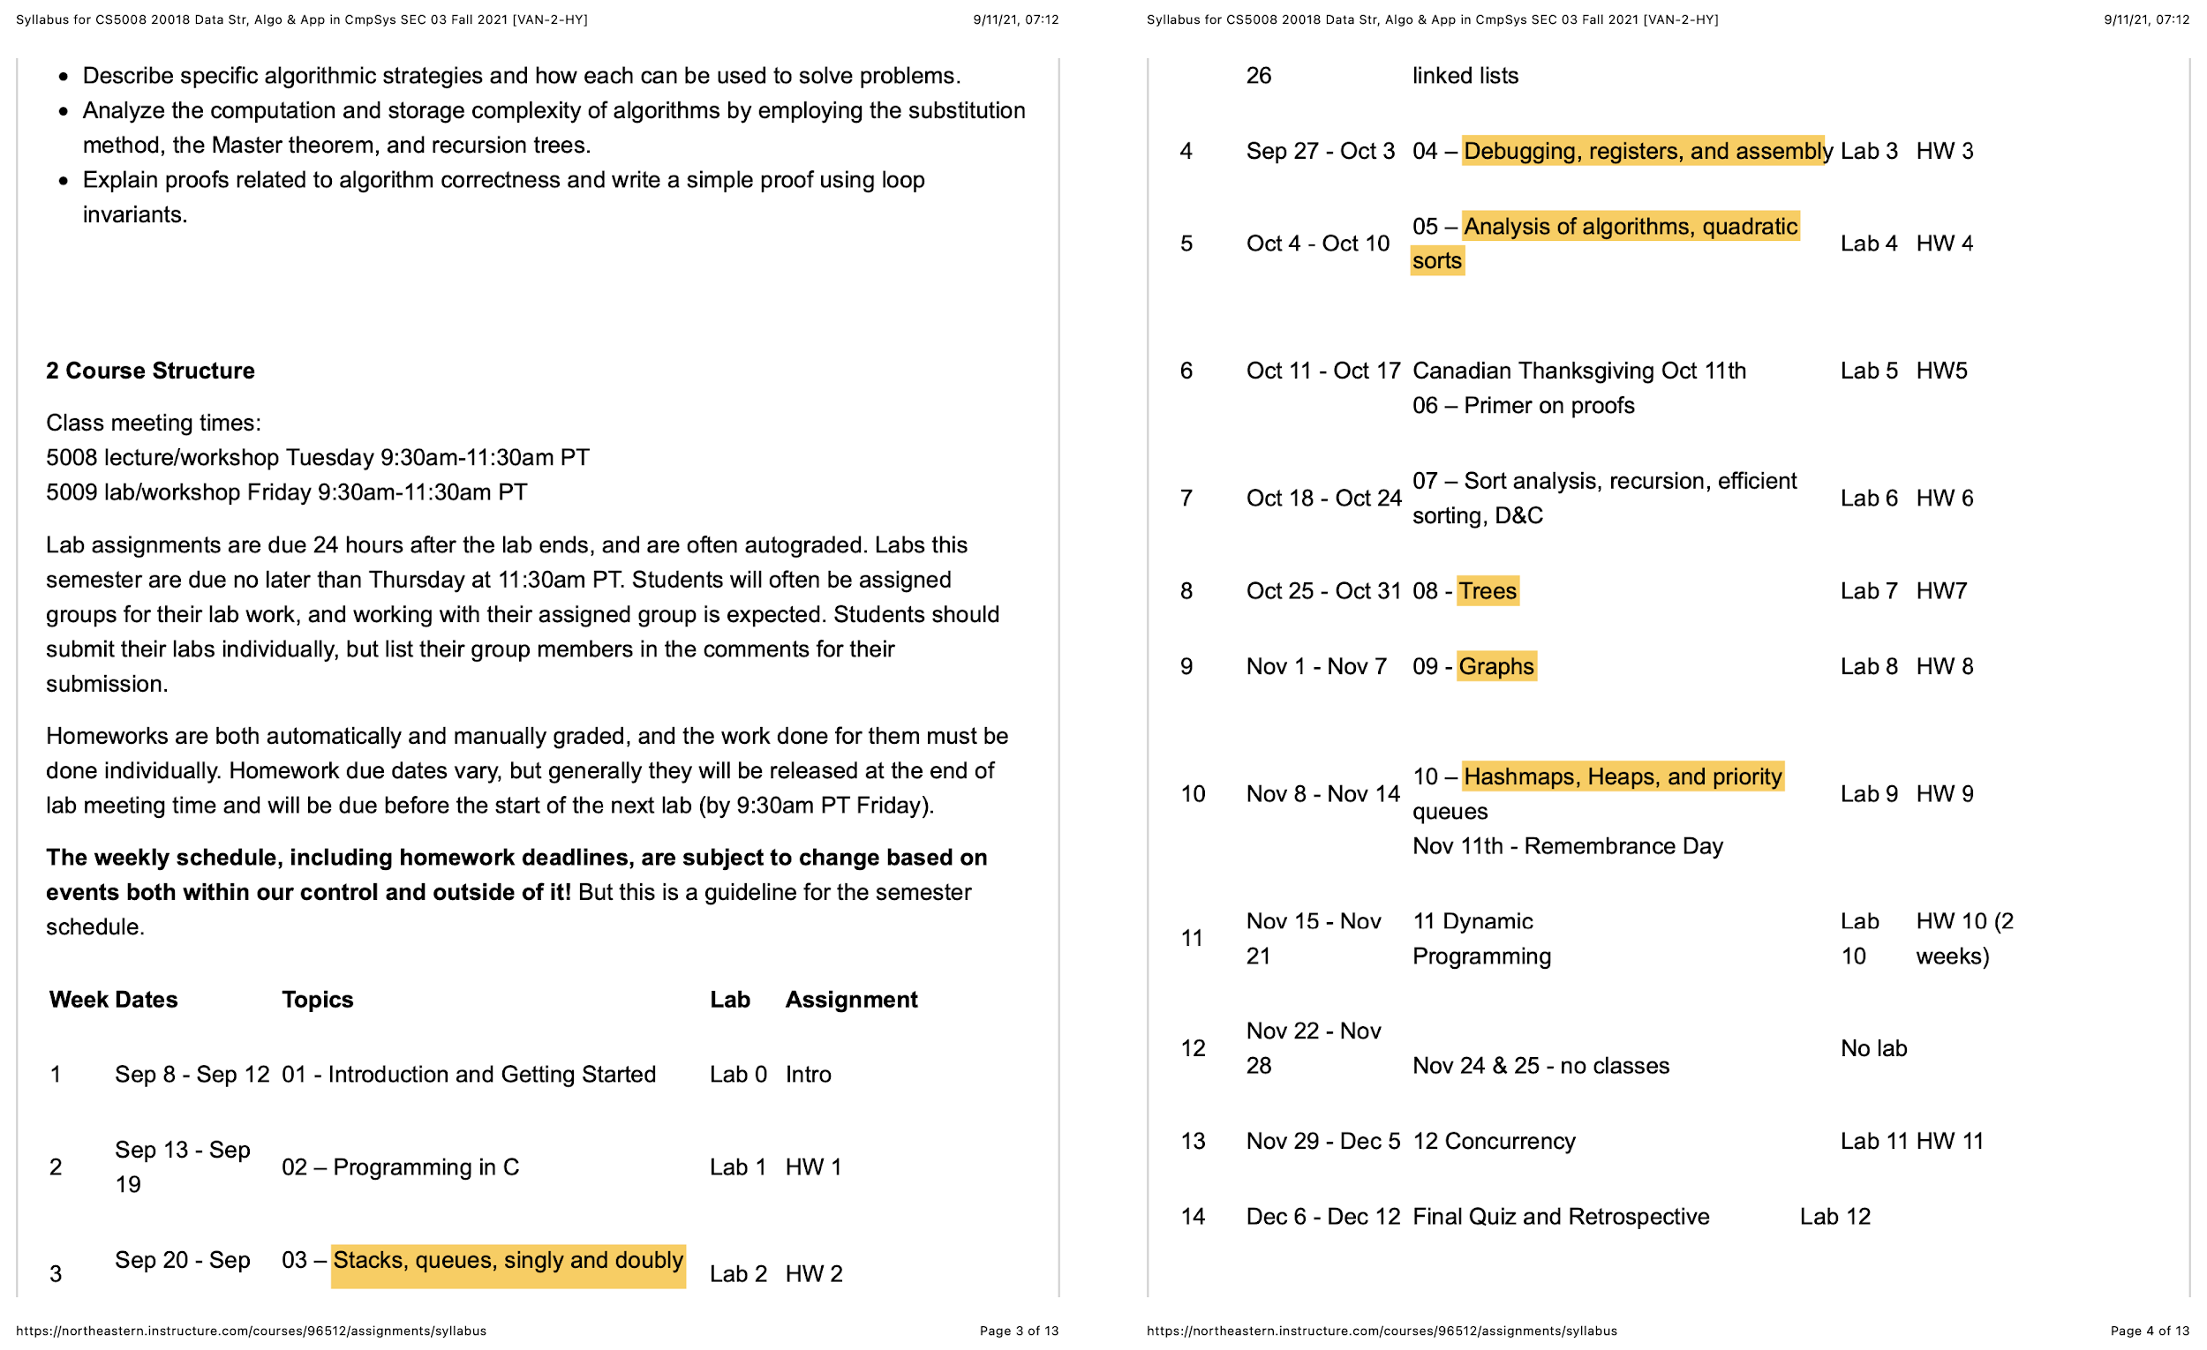
 | randomized quicksort

Data Structures | Explain the implementation of a data structure in CPython - the focus has to be on the implementation of the data structure in C, not on how Python works - assume that the audience already understands and can code in Python.

 | A data structure we haven’t covered (b trees, red-black trees, Fibonacci heaps, van Emde Boas trees, etc.)

UnitTet | Google Test
 | C test

Library | errno.h (and the problems it is trying to solve)
 | ctype.h (and the problems it is trying to solve)

 | limits.h (and the problems it is trying to solve)
 | signals.h (and the problems it is trying to solve)
 | stddef.h
 | wctype.h or wchar.h (and the problems it is trying to solve) libcURL (and the problems it is trying to solve)

 | GLib (and the problems it is trying to solve)

Conceptual Presentation

An algorithm we haven’t covered (be sure that it works on a data structure that we have covered): Floyd-Warshall, multi-threaded merge sort, RSA

 | Prim Algorithm （using minHeap）
 | Kruskal Algorithm

content
part1 | part2 | part3
Review sorting algorithm learnt in class (with table) - 3min | One example of Linear Sorts. {bucket sort} - 10min | Beating the lower bound of comparison sorts (O(nlogn)) - 3-5min

Insertion sort | Basic idea (Pics & GIF) | Explanation & Proof (decision tree)
Selection sort | Pseudocode / Loop invariant | Other Linear sorts
Bubble sort | Big-Oh analysis (more discussion in the next part) | Real-world practice (pros & cons | when to use linear/comparison sorts)
Merge sort | (Should we run an example in the presentation?)
Quick sort |  | Conclusion
 |  | Q & A - 2-4min
What's the common to all above algorithm : comparison sorting? | What’s the difference between linear sort and comparison sort?
 | (leading to the next part)
Can we sort more faster? Are there any other sorting algorithm?
(leading to the next part)

 |  | 编几个suggested Questions for Q&A
 |  | What DS used for linear sort/ bucket sort?
materials |  | What is upper bound?

Visual algo Demo
https://www.cs.usfca.edu/~galles/visualization/BucketSort.html
Bucket sort
https://www.geeksforgeeks.org/quicksort-using-random-pivoting/
CLRL Chap8
https://piazza.com/redirect/s3?bucket=uploads&prefix=paste%2Fkjp2nzb7g4v30l%2F8ea3d255d1bfc45fc8388dddcb85644cfba12627b618422d1d9d61fe43f13ca1%2FCLRS_Chap8.pdf
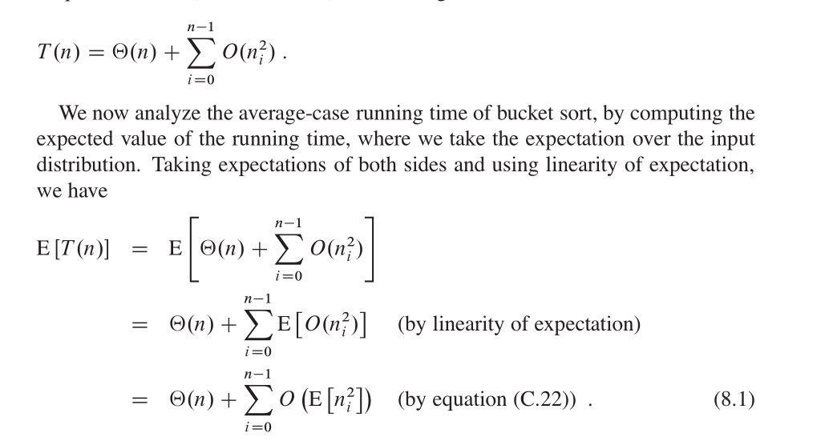
ppt
https://wenku.baidu.com/view/7122890102d8ce2f0066f5335a8102d276a261fe.html
MIT公开课老师讲解
https://www.cnblogs.com/beautiful-code/p/4923647.html

11.4 content修改
part1 | part2 | part3
Review sorting algorithm learnt in class (with table) - 1min | One example of Linear Sorts. {bucket sort} - 11min | Beating the lower bound of comparison sorts (O(nlogn)) - 5min
only explain they are comparison sort. and what that means
page1 As so for we've learn about these sorting algorithm. table{big-Oh } page 2 What's the common of them? Comparison. In pseudocode we have to traverse and swap
Insertion sort | Basic idea (Pics & GI,,,animation) | The is a conclusion of that decision tree proof that: the lower bound of comp sorting O(nlogN) | 0.5min
Selection sort | Pseudocode / Loop invariant | why bucket sort can beat the bound (use more space blabla) /view of Other Linear sorts（also beat） | 1min+1min
Bubble sort | Big-Oh analysis (more discussion in the next part) | Real-world practice (pros & cons | when to use linear/comparison sorts) | 2min
Merge sort | (Should we run an example in the presentation?)
Quick sort |  | Conclusion | 1min
 |  | Q & A - 3min
What's the common to all above algorithm : comparison sorting? | What’s the difference between linear sort and comparison sort?
 | (leading to the next part)
Can we sort more faster? Are there any other sorting algorithm?
(leading to the next part)

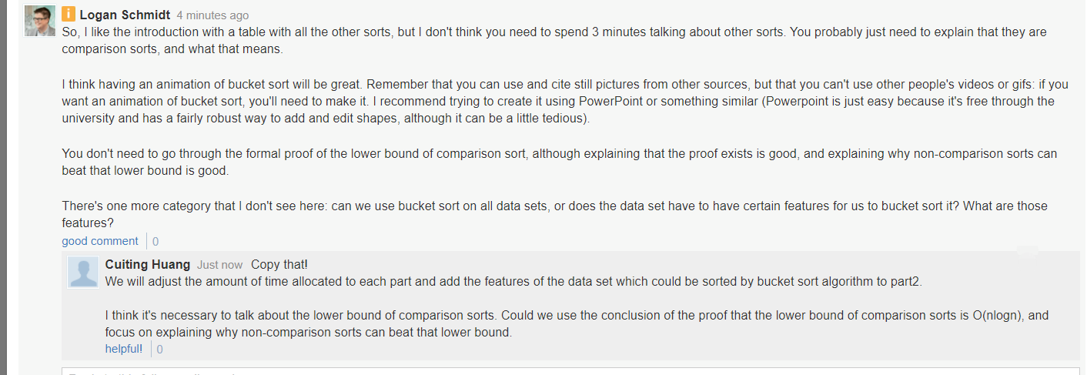
 |  | 编几个suggested Questions for Q&A
 |  | What DS used for linear sort/ bucket sort?
materials |  | What is upper bound?

Visual algo Demo
https://www.cs.usfca.edu/~galles/visualization/BucketSort.html
Bucket sort
https://www.geeksforgeeks.org/quicksort-using-random-pivoting/
CLRL Chap8
https://piazza.com/redirect/s3?bucket=uploads&prefix=paste%2Fkjp2nzb7g4v30l%2F8ea3d255d1bfc45fc8388dddcb85644cfba12627b618422d1d9d61fe43f13ca1%2FCLRS_Chap8.pdf
ppt
https://wenku.baidu.com/view/7122890102d8ce2f0066f5335a8102d276a261fe.html
MIT公开课老师讲解
https://www.cnblogs.com/beautiful-code/p/4923647.html

