home
Homepage
when login there will show the username
dropdown list
view my profile
my order
logout
nav bar

icon
Home Deals What’s new Categories search sign in cart-icon
search

Special Offers
Three Banners -Slides show the main img of top 3 products
CUSTOMER REVIEWS
/when login in it will show my reviews
-blalalaalalalalalalaa
-blalalaalalalalalalaa
-blalalaalalalalalalaa

view all >>

Featured & Recommended

Show all items sorted by pubdate / link to gallary page

Click show the details of one product

on the bottom paging them
6 items per page
< 1 2 3 4 5 >

detail
Details page
nav bar

icon
Home Deals What’s new Categories search sign in cart-icon
search

the main Image of product
info
UNO Flip Card Game
rating stars 5 reviews
$999
RELEASE DATE:
DEVELOPER: Anker
PUBLISHER: Black
Qty 1

Add to cart

 | About this item

Description
xxxxxxxxxxxxxxxxxxxxxxxxxxxxxxxxxxxxxxx
xxxxxxxxxxxxxxxxxxxxxxxxxxxxxxxx
xxxxxxxxxxxxxxxxxxxxxxxxxxxx

Customer Reviews

xxxxxxxxxxxxxxxxxxxxxxxxxxxxxxxxxxxxxxx
xxxxxxxxxxxxxxxxxxxxxxxxxxxxxxxx
xxxxxxxxxxxxxxxxxxxxxxxxxxxx
img
yellowberry
register date
POSTED: MARCH 28

xxxxxxxxxxxxxxxxxxxxxxxxxxxxxxxxxxxxxxx
xxxxxxxxxxxxxxxxxxxxxxxxxxxxxxxx
xxxxxxxxxxxxxxxxxxxxxxxxxxxx
img
yellowberry
register date
POSTED: MARCH 28

xxxxxxxxxxxxxxxxxxxxxxxxxxxxxxxxxxxxxxx
xxxxxxxxxxxxxxxxxxxxxxxxxxxxxxxx
xxxxxxxxxxxxxxxxxxxxxxxxxxxx
img
yellowberry
register date
POSTED: MARCH 28

< 1 2 3 4 5 >

profile-
Profile page
nav bar
must be sign in

icon
Home Deals What’s new Categories search Hi, yellow cart-icon
search

Hello, Yellow
account since March29.2022
Email:
hct0125@gmai.com
Location:
Van
Summary:
xxxxxxxxxxxxx
ORDERS HISTORY

Order Placed Total SHIP TO ORDER NO. #jsjs2939
March 26.2022 $8.88 Cuiting
img
product title
Delivered/ Have Paid

Order Placed Total SHIP TO ORDER NO. #jsjs2939
March 26.2022 $8.88 Cuiting
img
product title
Delivered/ Have Paid
Orders
Reviews
Settings
three button
orders---->order history
reviews ----> my review
settings------>edit profile

< 1 2 3 4 5 >

MY REVIEWS

xxxxxxxxxxxxxxxxxxxxxxxxxxxxxxxxxxxxxxx
xxxxxxxxxxxxxxxxxxxxxxxxxxxxxxxx
xxxxxxxxxxxxxxxxxxxxxxxxxxxx
img
GAME TITLE
POSTED: MARCH 28

xxxxxxxxxxxxxxxxxxxxxxxxxxxxxxxxxxxxxxx
xxxxxxxxxxxxxxxxxxxxxxxxxxxxxxxx
xxxxxxxxxxxxxxxxxxxxxxxxxxxx
img
GAME TITLE
POSTED: MARCH 28

< 1 2 3 4 5 >

SETTINGS

About me/username
yelloberry
Contact preference/username
hct0125@gmai.com

Sign in and security
password*******
Location
xxxxxxxxxxxxx default is null

Summary
xxxxxxxxxxxxx default is null

search
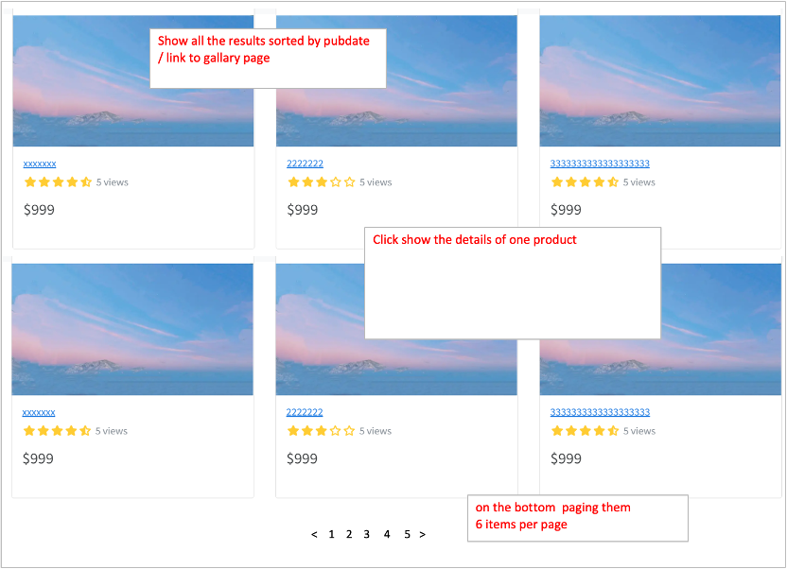
Search page
nav bar
icon
Home Deals What’s new Categories search sign in cart-icon
search

1）when no results exist
path: be mapped to /search
page: show a message saying 'Sorry, no item found!'
2）when results exist
path: be mapped to /search/{search criteria} or /search?criteria={search criteria}
page: show all the results

login
Login page
nav bar
icon
Home Deals What’s new Categories search sign in cart-icon
search

Sign in to your account
EMAIL
PASSWORD
Don’t have an account? Create One!
message will show
-the email or psw is incorrect
-the email does not exist
-Email or Password can not be empty

message

Confirm
Click and redirect to 'register' page

register
 | Register page
nav bar
icon
Home Deals What’s new Categories search sign in cart-icon
search

Create your account
USERNAME
EMAIL
PASSWORD
Already have an account? Sign in!

message will show
-ech input can not be empty
-the email or username has been occupied
-the email is invalid
-psw should at leasted 8 with Aa2%&.

message

w

Confirm

Click and redirect to 'login' page

5800
 |  | ac | hw1 | pro | final pro
 |  | 10 | 10 | 10.5 | 9.5
 |  | 10 |  | 9.5 | 9.5
 |  | 10 |  | 9.5
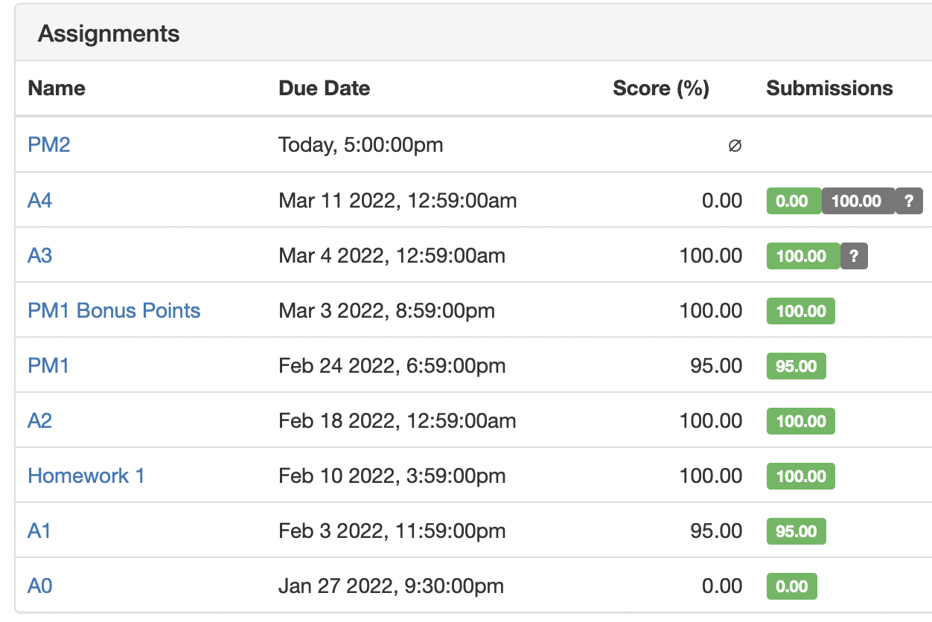
 |  | 0
 |  | 30 | 10 | 29.5 | 19 | 88.5

 | A1 | 10 | 9.5
 | A2 | 9.9 | 10
 | A3 | 10 | 10
 | A4 | 0 | 10
 | HW1 | 10 | 10
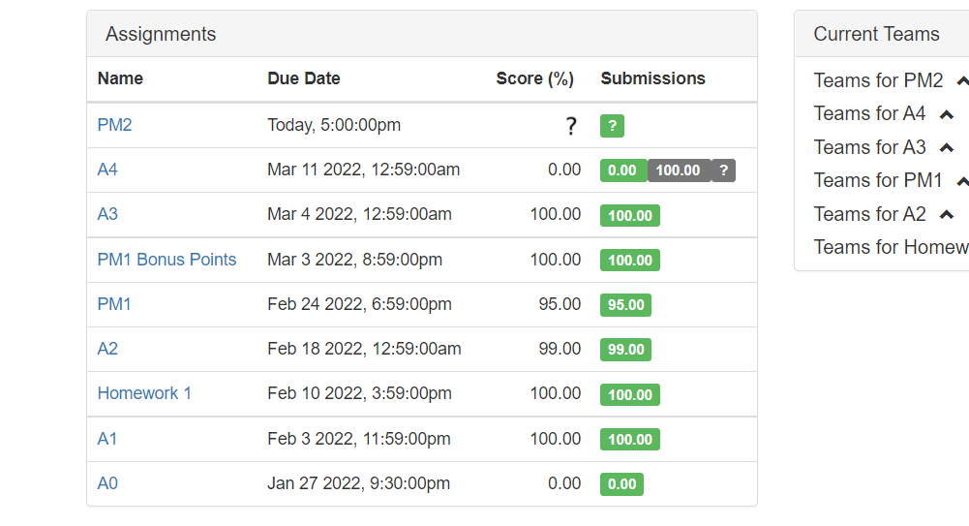
 | PM1 | 9.5 | 9.5
 | bouns | 1 | 1
incoming | PM2 | 9.5 | 9.5
 | bouns | 1 | 1
 | PM3 | 10 | 10
 | bouns3 | 1 | 1
 | final pre | 10 | 10
 | final report | 10 | 10
 |  | 91.9 | 101.5

