Map
20
13
5
6
21
8
 | RADIOLOGICAL SURVEY
 | REPORT - FULL MAP
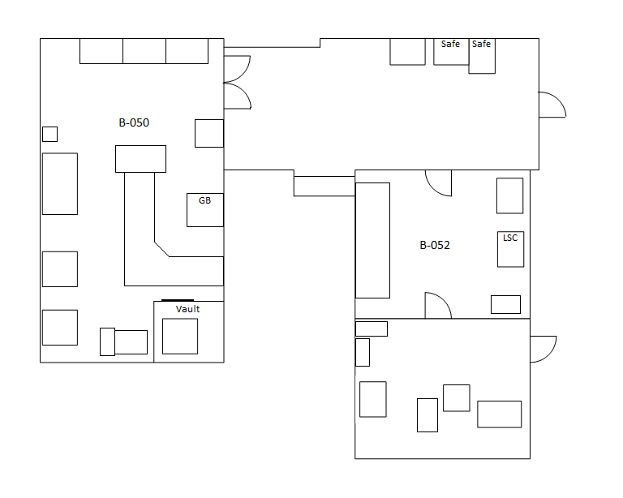
1
10
1
1
4
1
1
24
17
25
2
10
1
1

3
10
1
1

7
16
4
10
1
1
9
5
10
1
1
2
12
14
15
18
22

19
These are shapes that you can create and manipulate.
Click on the square, circle or "AutoShapes" below, then click on the map. You can then drag the shape wherever you want by click/drag on the edge of the shape.
Click on the shape, then click/drag on the circles around the edge to change the dimensions as you need.
Click/drag the green circle to rotate the shape.
Click on the shape and type to enter text.
Click on the text box icon to write dose rates other text onto the map.

23
3
10

11

#
LEGEND
= Smear

