Survey-General result
Facial Recognition Survey | Frequency & Percentage |  |  |  | Frequency Histogram | Pie Chart
Facial recognition is a biometric software application capable of uniquely identifying or verifying a person by comparing and analyzing patterns based on the person's facial contours. In this survey, we want to assess the general public’s attitude and perceptions of facial recognition technology applied to surveillance cameras. Your participation in this survey is very important to us. All of your answers are confidential and will be used strictly for education research. There will be no sales or marketing follow-up because of your participation in this survey. This survey is being administered for a master thesis research on Vrije Universiteit Amsterdam and Universiteit Van Amsterdam. This survey will run from October 23, 2019, until November 6, 2019. It will take approximately 8 minutes to complete. If you have any questions or comments about this survey, you may enter them into the form at the bottom of the survey or e-mail them to Chao Zhang at yellywong7@gmail.com.

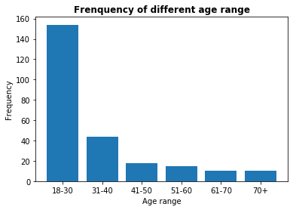
Basic information questions:
1. What is your age range?* | Frequency | Percent | Valid Percent | Cumulative Percent |  | 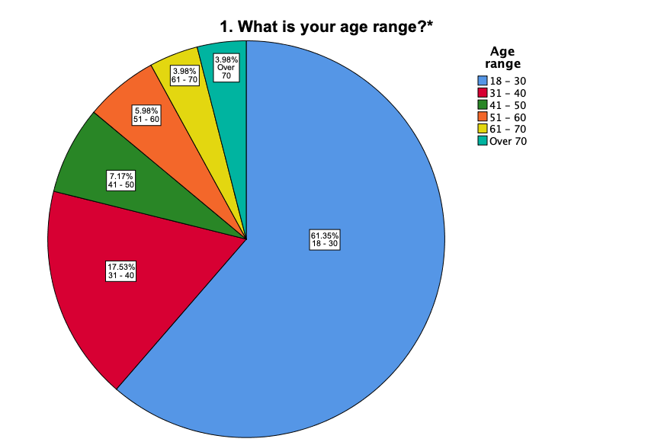
〇 18 - 30 | 154 | 61.4 | 61.4 | 61.4
〇 31 - 40 | 44 | 17.5 | 17.5 | 78.9
〇 41 - 50 | 18 | 7.2 | 7.2 | 86.1
〇 51 - 60 | 15 | 6.0 | 6.0 | 92.0
〇 61 - 70 | 10 | 4.0 | 4.0 | 96.0
〇 Over 70 | 10 | 4.0 | 4.0 | 100.0
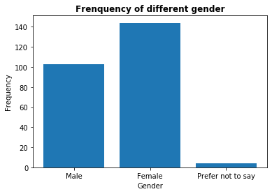
2. What is your gender? * | Frequency | Percent | Valid Percent | Cumulative Percent |  | 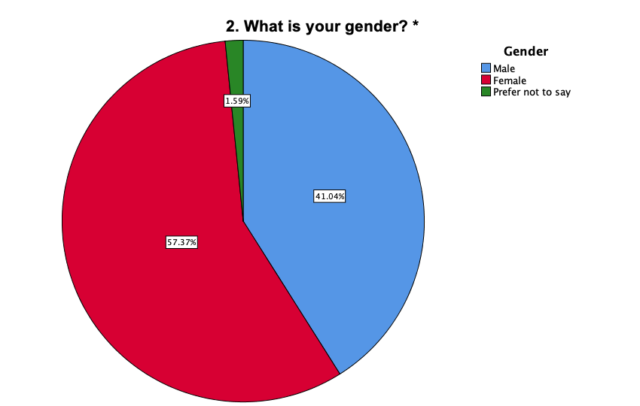
〇 Male | 103 | 41.0 | 41.0 | 41.0
〇 Female | 144 | 57.4 | 57.4 | 98.4
〇 Prefer not to say | 4 | 1.6 | 1.6 | 100.0
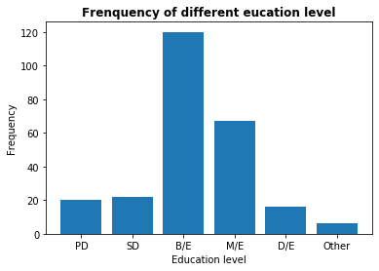
3. What is your education level? * | Frequency | Percent | Valid Percent | Cumulative Percent |  | 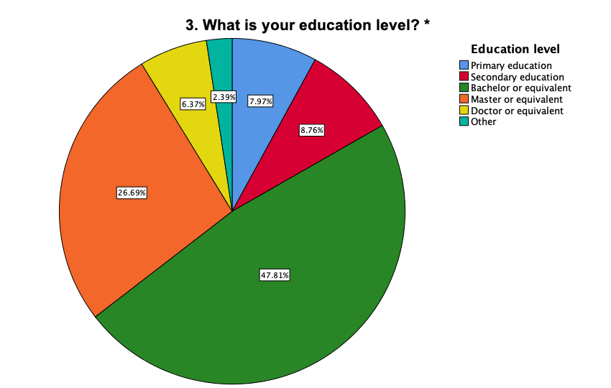
〇 Primary education | 20 | 8.0 | 8.0 | 8.0
〇 Secondary education | 22 | 8.8 | 8.8 | 16.7
〇 Bachelor or equivalent | 120 | 47.8 | 47.8 | 64.5
〇 Master or equivalent | 67 | 26.7 | 26.7 | 91.2
〇 Doctor or equivalent | 16 | 6.4 | 6.4 | 97.6
〇 Other (please specify) __________ | 6 | 2.4 | 2.4 | 100.0
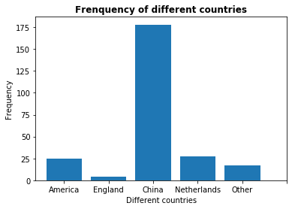
4. In which country have you lived most of your life? * | Frequency | Percent | Valid Percent | Cumulative Percent |  | 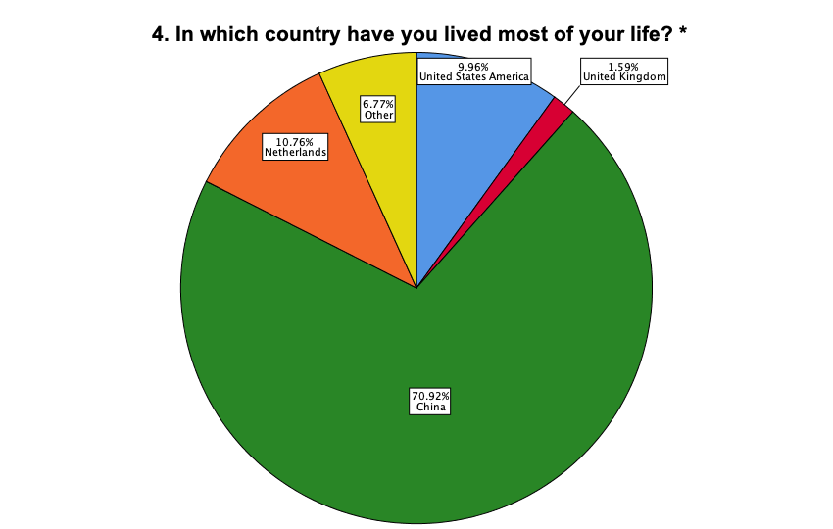
〇 United States | 25 | 10.0 | 10.0 | 10.0
〇 United Kingdom | 4 | 1.6 | 1.6 | 11.6
〇 China | 178 | 70.9 | 70.9 | 82.5
〇 Netherlands | 27 | 10.8 | 10.8 | 93.2
〇 Other (please specify) __________ | 17 | 6.8 | 6.8 | 100.0
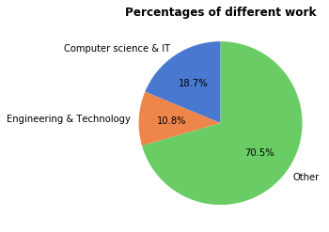
5. Which of the following categories best describes the industry you primarily work in? * | Frequency | Percent | Valid Percent | Cumulative Percent | 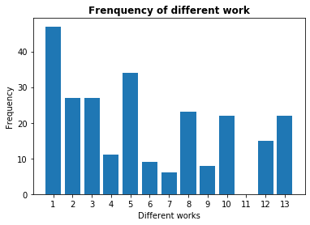
〇 Computer science & IT | 47 | 18.7 | 18.7 | 18.7
〇 Engineering & Technology | 27 | 10.8 | 10.8 | 29.5
〇 Education & Training | 27 | 10.8 | 10.8 | 40.2
〇 Government & Public officer | 11 | 4.4 | 4.4 | 44.6
〇 Business & Finance & Insurance | 34 | 13.5 | 13.5 | 58.2
〇 Journalism & Media | 9 | 3.6 | 3.6 | 61.8
〇 Arts & Entertainment & Recreation | 6 | 2.4 | 2.4 | 64.1
〇 Law & Legal services | 23 | 9.2 | 9.2 | 73.3
〇 Medicine & Health care & Social assistance | 8 | 3.2 | 3.2 | 76.5
〇 Agriculture & Forestry & Fishing & Hunting & Mining & Real Estate | 22 | 8.8 | 8.8 | 85.3
〇 Homemaker & Freelancer | 0 | 0 | 0 | 85.3
〇 Retired & Unemployed | 15 | 6.0 | 6.0 | 91.2
〇 Prefer not to say | 22 | 8.8 | 8.8 | 100.0
〇 Other (please specify)_____________ | 0 | 0 | 0 | 100.0

Objective judgment questions:
6. How well do you understand the “facial recognition” concept? * | Frequency | Percent | Valid Percent | Cumulative Percent | 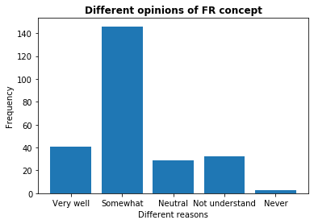 | 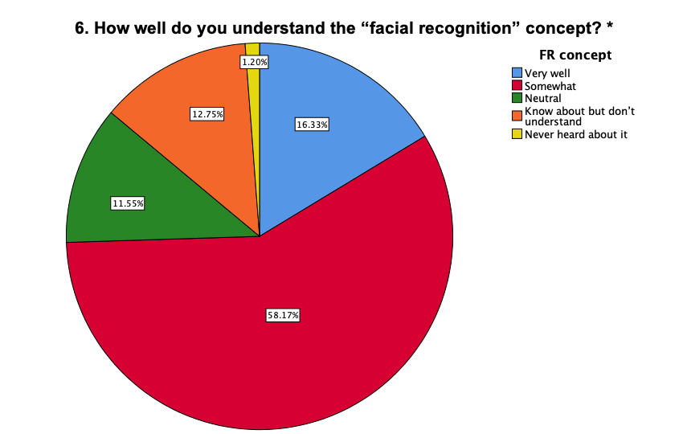
(Facial recognition is a category of biometric software that maps an individual's facial features mathematically and stores the data as a faceprint. The software uses deep learning algorithms to compare a live capture or digital image to the stored faceprint in order to verify an individual's identity.) | * | * | * | *
〇 Very well | 41 | 16.3 | 16.3 | 16.3
〇 Somewhat | 146 | 58.2 | 58.2 | 74.5
〇 Neutral | 29 | 11.6 | 11.6 | 86.1
〇 Know about but don’t understand | 32 | 12.7 | 12.7 | 98.8
〇 Never heard about it | 3 | 1.2 | 1.2 | 100.0

7. From what sources has your knowledge about facial recognition technology come? * |  |  |  |  | 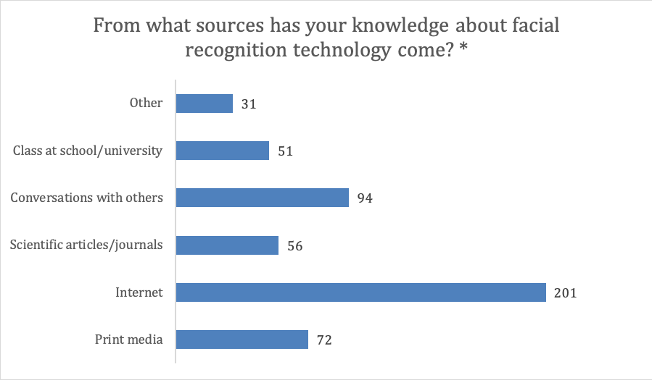
(Please select all that apply)
⃞ Print media
⃞ Internet
⃞ Scientific articles/journals
⃞ Conversations with others
⃞ Class at school/university
⃞ Other (please specify) ___________

8. What security measure(s) would you use to unlock your mobile phone? * |  |  |  |  | 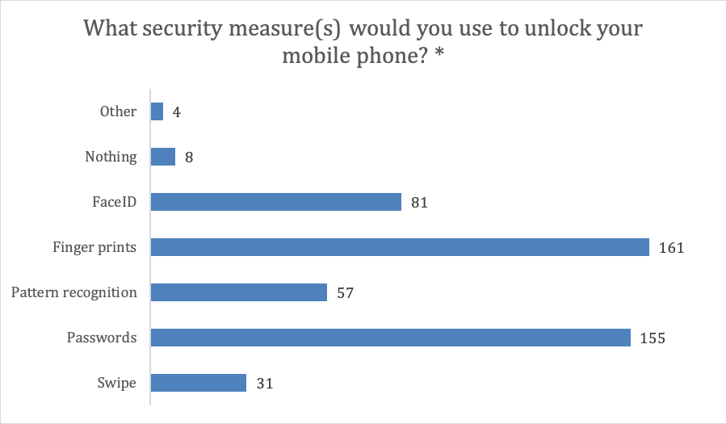
(Select all that apply)
⃞ Swipe
⃞ Passwords
⃞ Pattern recognition
⃞ Finger prints
⃞ Face ID
⃞ I do not use any security measures
⃞ Other (please specify) __________

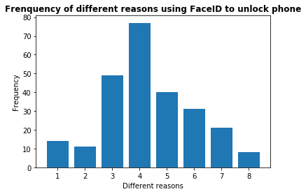
9. What would be the primary reason for you to use FaceID to unlock your mobile phone? * | Frequency | Percent | Valid Percent | Cumulative Percent |  | 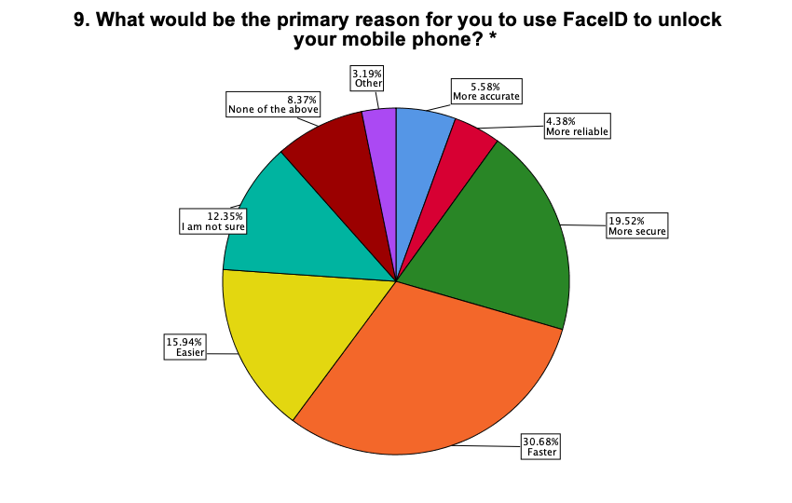
〇 More accurate | 14 | 5.6 | 5.6 | 5.6
〇 More reliable | 11 | 4.4 | 4.4 | 10.0
〇 More secure | 49 | 19.5 | 19.5 | 29.5
〇 Faster | 77 | 30.7 | 30.7 | 60.2
〇 Easier | 40 | 15.9 | 15.9 | 76.1
〇 I am not sure | 31 | 12.4 | 12.4 | 88.4
〇 None of the above | 21 | 8.4 | 8.4 | 96.8
〇 Other (please specify) _____________ | 8 | 3.2 | 3.2 | 100.0

10. What would be the primary reason for you to NOT use FaceID to unlock your mobile phone? * | Frequency | Percent | Valid Percent | Cumulative Percent | 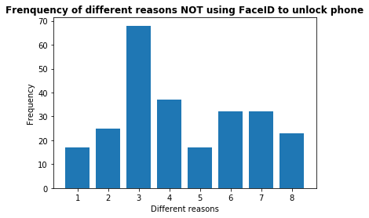 | 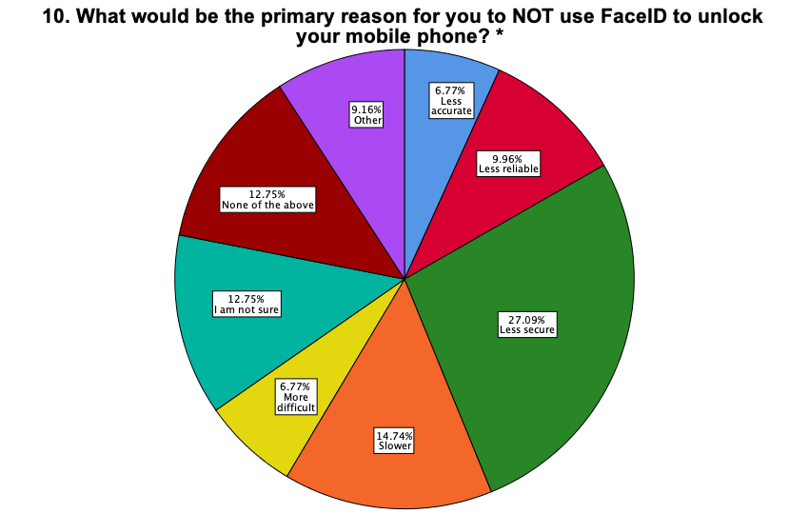
〇 Less accurate | 17 | 6.8 | 6.8 | 6.8
〇 Less reliable | 25 | 10.0 | 10.0 | 16.7
〇 Less secure | 68 | 27.1 | 27.1 | 43.8
〇 Slower | 37 | 14.7 | 14.7 | 58.6
〇 More difficult | 17 | 6.8 | 6.8 | 65.3
〇 I am not sure | 32 | 12.7 | 12.7 | 78.1
〇 None of the above | 32 | 12.7 | 12.7 | 90.8
〇 Other (please specify) _____________ | 23 | 9.2 | 9.2 | 100.0
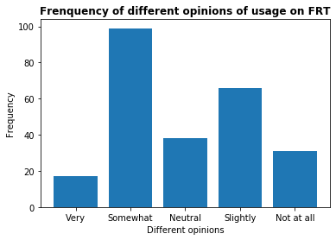
11. How knowledgeable are you about the usage of facial recognition technology by your country’s government? * | Frequency | Percent | Valid Percent | Cumulative Percent |  | 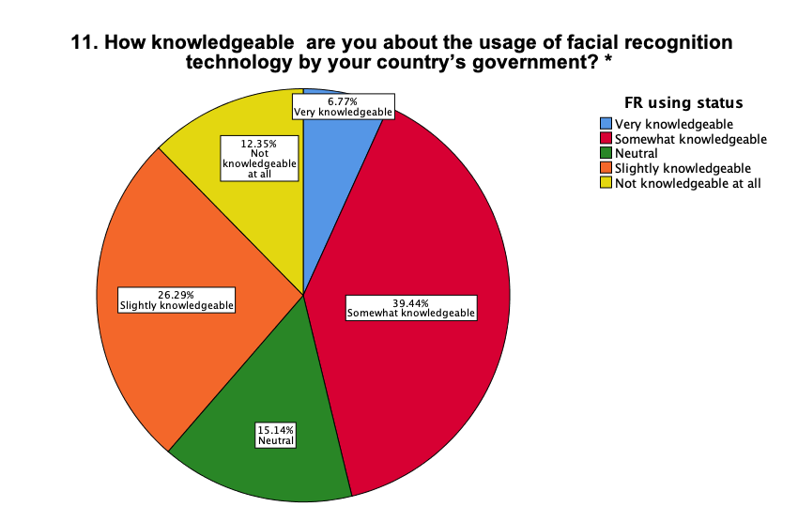
〇 Very knowledgeable | 17 | 6.8 | 6.8 | 6.8
〇 Somewhat knowledgeable | 99 | 39.4 | 39.4 | 46.2
〇 Neutral | 38 | 15.1 | 15.1 | 61.4
〇 Slightly knowledgeable | 66 | 26.3 | 26.3 | 87.6
〇 Not knowledgeable at all | 31 | 12.4 | 12.4 | 100.0
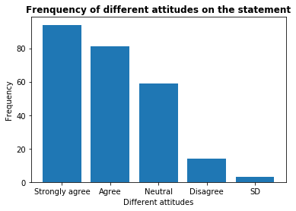
12. How much do you agree with the statement: “The public should be given the opportunity to consent or opt out of being subjected to facial recognition technology”?* | Frequency | Percent | Valid Percent | Cumulative Percent |  | 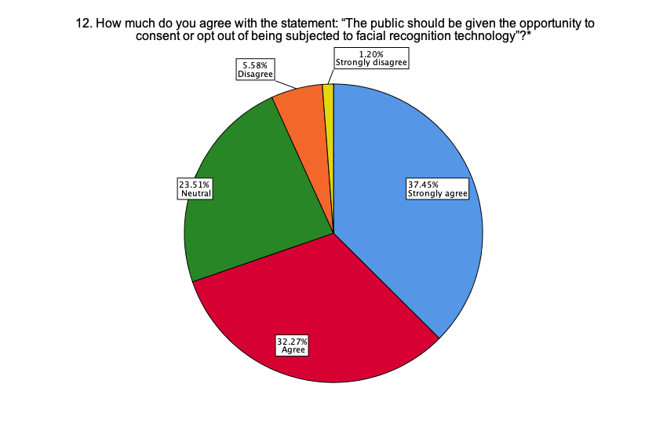
〇 Strongly agree | 94 | 37.5 | 37.5 | 37.5
〇 Agree | 81 | 32.3 | 32.3 | 69.7
〇 Neutral | 59 | 23.5 | 23.5 | 93.2
〇 Disagree | 14 | 5.6 | 5.6 | 98.8
〇 Strongly disagree | 3 | 1.2 | 1.2 | 100.0
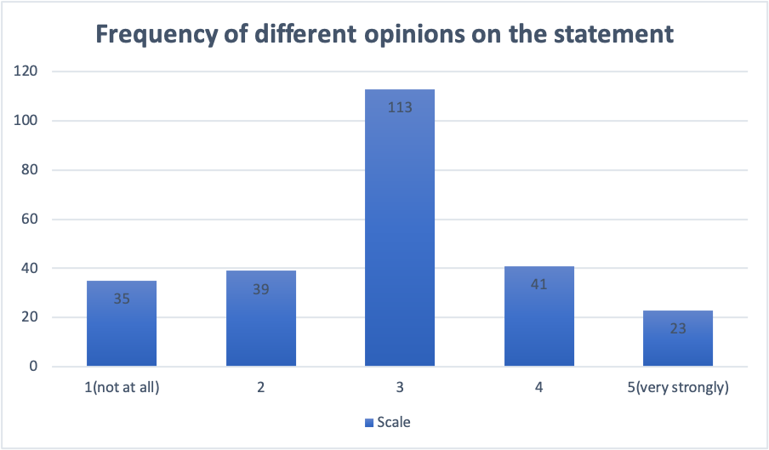
13. On a scale of 1 to 5, where 1 is not at all and 5 is very strongly, how strongly do you feel that use of facial recognition on surveillance cameras is an invasion of your privacy? * | Frequency | Percent | Valid Percent | Cumulative Percent |  | 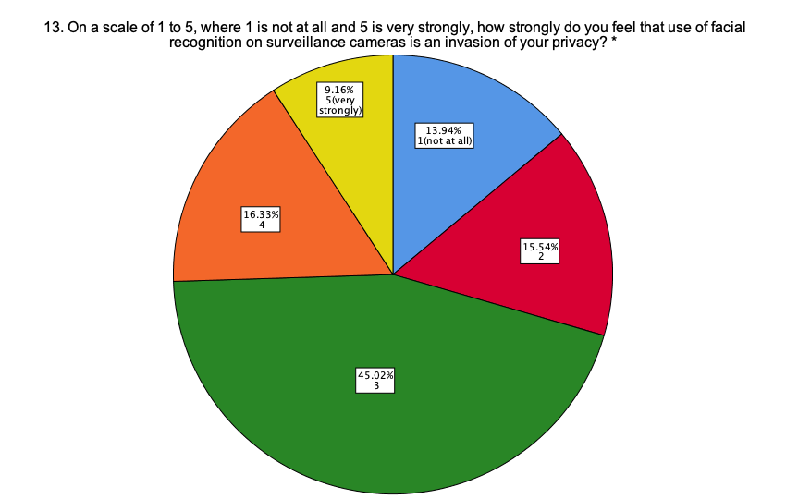
〇 1 (not at all) | 35 | 13.9 | 13.9 | 13.9
〇 2 | 39 | 15.5 | 15.5 | 29.5
〇 3 | 113 | 45.0 | 45.0 | 74.5
〇 4 | 41 | 16.3 | 16.3 | 90.8
〇 5 (very strongly) | 23 | 9.2 | 9.2 | 100.0

14. How much do you agree the following purposes of using facial recognition technology?* |  |  |  |  | 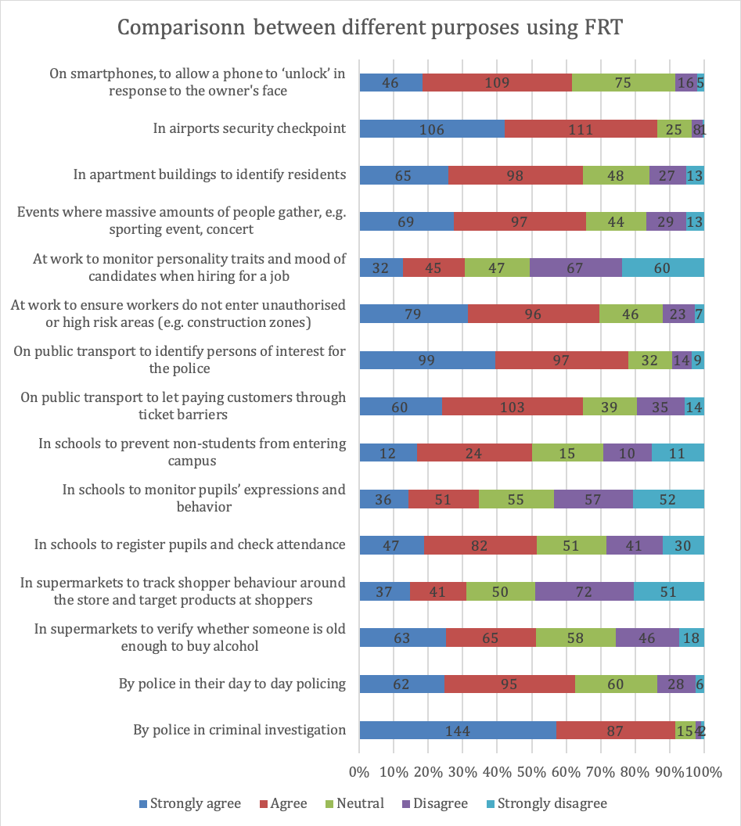
1) By police in criminal investigation
〇Strongly agree 〇Agree 〇Neutral 〇Disagree 〇Strongly disagree
2) By police in their day to day policing
〇Strongly agree 〇Agree 〇Neutral 〇Disagree 〇Strongly disagree
3) On smartphones, to allow a phone to ‘unlock’ in response to the owner's face
〇Strongly agree 〇Agree 〇Neutral 〇Disagree 〇Strongly disagree
4) In airports security checkpoint
〇Strongly agree 〇Agree 〇Neutral 〇Disagree 〇Strongly disagree
5) In supermarkets to verify whether someone is old enough to buy alcohol
〇Strongly agree 〇Agree 〇Neutral 〇Disagree 〇Strongly disagree
6) In supermarkets to track shopper behaviour around the store and target products at shoppers
〇Strongly agree 〇Agree 〇Neutral 〇Disagree 〇Strongly disagree
7) In schools to register pupils and check attendance
〇Strongly agree 〇Agree 〇Neutral 〇Disagree 〇Strongly disagree
8) In schools to monitor pupils’ expressions and behavior
〇Strongly agree 〇Agree 〇Neutral 〇Disagree 〇Strongly disagree
9) In schools to prevent non-students from entering campus
〇Strongly agree 〇Agree 〇Neutral 〇Disagree 〇Strongly disagree
10) On public transport to let paying customers through ticket barriers
〇Strongly agree 〇Agree 〇Neutral 〇Disagree 〇Strongly disagree
11) On public transport to identify persons of interest for the police
〇Strongly agree 〇Agree 〇Neutral 〇Disagree 〇Strongly disagree
12) At work to ensure workers do not enter unauthorised or high risk areas (e.g. construction zones)
〇Strongly agree 〇Agree 〇Neutral 〇Disagree 〇Strongly disagree
13) At work to monitor personality traits and mood of candidates when hiring for a job
〇Strongly agree 〇Agree 〇Neutral 〇Disagree 〇Strongly disagree
14) Events where massive amounts of people gather, e.g. sporting event, concert
〇Strongly agree 〇Agree 〇Neutral 〇Disagree 〇Strongly disagree
15) In apartment buildings to identify residents
〇Strongly agree 〇Agree 〇Neutral 〇Disagree 〇Strongly disagree
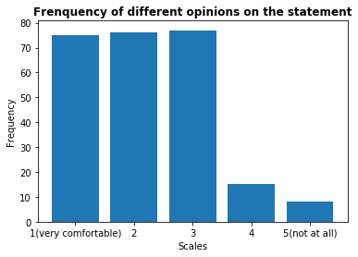
15. On a scale of 1 to 5, where 1 is very comfortable and 5 is not at all comfortable, how comfortable are you with the police using facial recognition technology? * | Frequency | Percent | Valid Percent | Cumulative Percent |  | 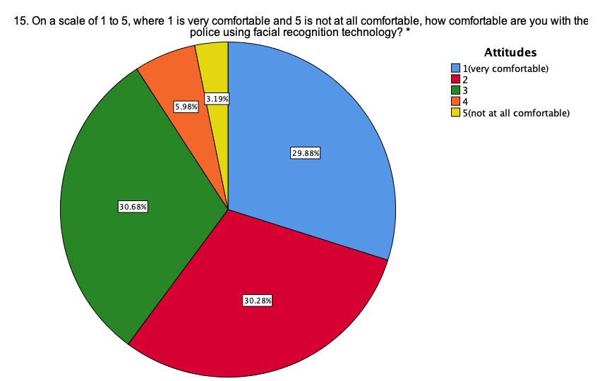
〇 1 (very comfortable) | 75 | 29.9 | 29.9 | 29.9
〇 2 | 76 | 30.3 | 30.3 | 60.2
〇 3 | 77 | 30.7 | 30.7 | 90.8
〇 4 | 15 | 6.0 | 6.0 | 96.8
〇 5 (not at all comfortable) | 8 | 3.2 | 3.2 | 100.0
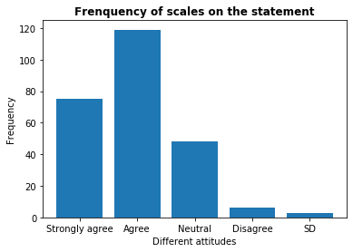
16. Do you agree that police should use facial recognition technology to better serve the public? * | Frequency | Percent | Valid Percent | Cumulative Percent |  | 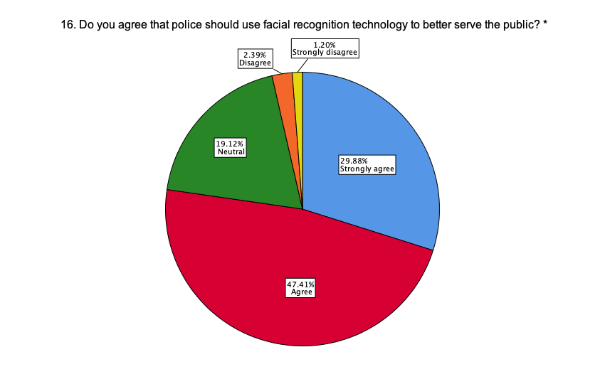
〇 Strongly agree | 75 | 29.9 | 29.9 | 29.9
〇 Agree | 119 | 47.4 | 47.4 | 77.3
〇 Neutral | 48 | 19.1 | 19.1 | 96.4
〇 Disagree | 6 | 2.4 | 2.4 | 98.8
〇 Strongly disagree | 3 | 1.2 | 1.2 | 100.0

17. Reasons for agreeing with police use of facial recognition technology: * |  |  |  |  | 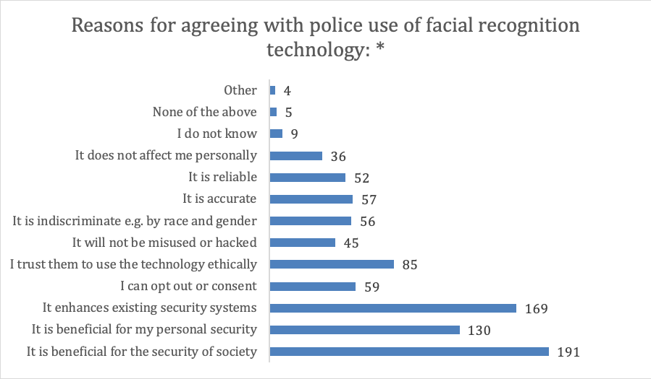
(Please select all that apply)
⃞ It is beneficial for the security of society
⃞ It is beneficial for my personal security
⃞ It enhances existing security systems e.g. CCTV and others
⃞ I can opt out or consent
⃞ I trust them to use the technology ethically
⃞ It will not be misused or hacked
⃞ It is indiscriminate e.g. by race and gender
⃞ It is accurate
⃞ It is reliable
⃞ It does not affect me personally
⃞ I do not know
⃞ None of the above
⃞ Other (please specify) __________

18. Reasons for disagreeing with police use of facial recognition technology: * |  |  |  |  | 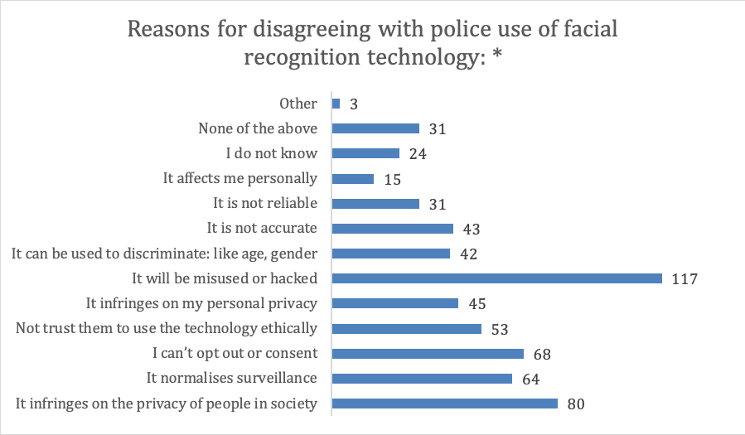
(Please select all that apply)
⃞ It infringes on the privacy of people in society
⃞ It normalises surveillance
⃞ I can’t opt out or consent
⃞ I do not trust them to use technology ethically
⃞ It infringes on my personal privacy
⃞ It will be misused or hacked
⃞ It can be used to discriminate e.g. by race and gender
⃞ It is not accurate
⃞ It is not reliable
⃞ It affects me personally
⃞ I do not know
⃞ None of the above
⃞ Other (please specify) __________

Subjective judgement questions:
19. Would you feel safer if facial recognition technology was added to surveillance cameras in your city? * | Frequency | Percent | Valid Percent | Cumulative Percent | 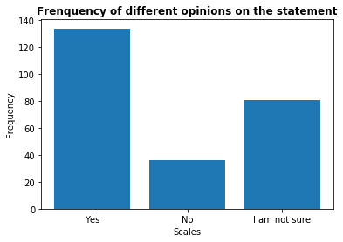 | 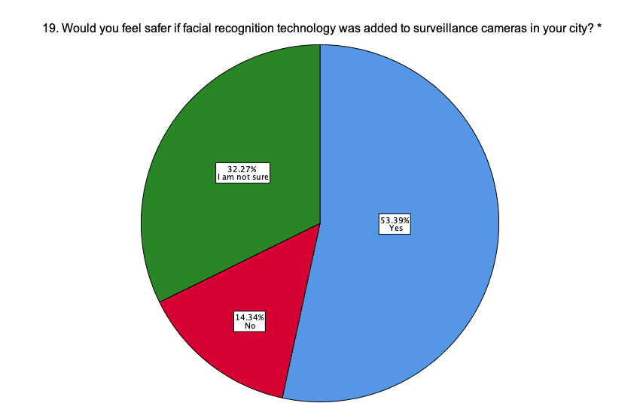
〇 Yes | 134 | 53.4 | 53.4 | 53.4
〇 No | 36 | 14.3 | 14.3 | 67.7
〇 I am not sure | 81 | 32.3 | 32.3 | 100.0
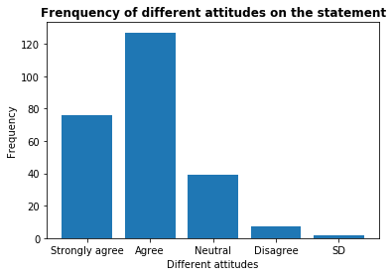
20. Do you agree that the use of facial recognition technology can help identify criminals more efficiently in your city? * | Frequency | Percent | Valid Percent | Cumulative Percent |  | 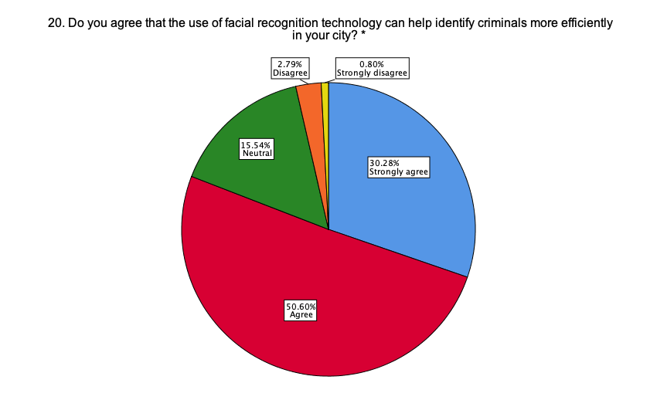
〇 Strongly agree | 76 | 30.3 | 30.3 | 30.3
〇 Agree | 127 | 50.6 | 50.6 | 80.9
〇 Neutral | 39 | 15.5 | 15.5 | 96.4
〇 Disagree | 7 | 2.8 | 2.8 | 99.2
〇 Strongly disagree | 2 | 0.8 | 0.8 | 100.0

21. Do you agree that the facial recognition technology can help prevent crimes from occurring in your city? * | Frequency | Percent | Valid Percent | Cumulative Percent | 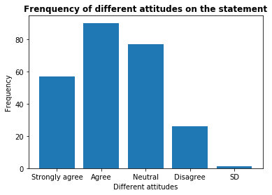 | 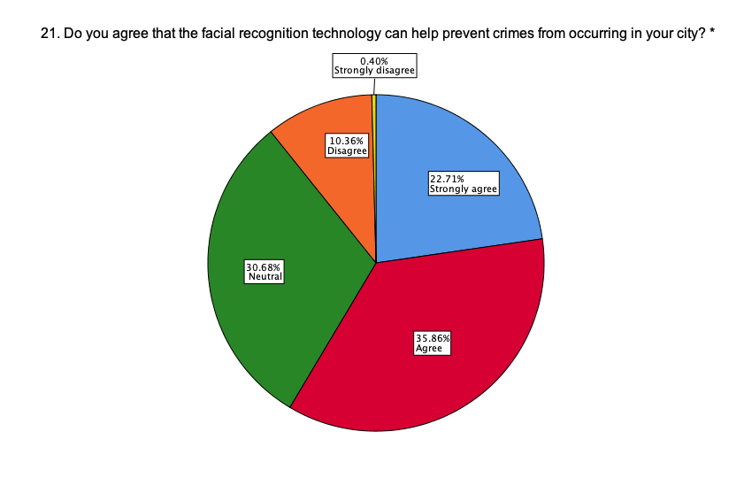
〇 Strongly agree | 57 | 22.7 | 22.7 | 22.7
〇 Agree | 90 | 35.9 | 35.9 | 58.6
〇 Neutral | 77 | 30.7 | 30.7 | 89.2
〇 Disagree | 26 | 10.4 | 10.4 | 99.6
〇 Strongly disagree | 1 | 0.4 | 0.4 | 100.0
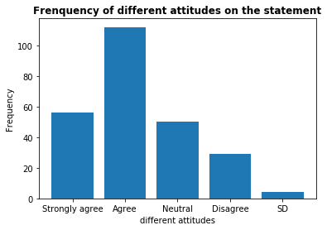
22. Do you agree that the use of facial recognition technology will deter terrorists in your city? * | Frequency | Percent | Valid Percent | Cumulative Percent |  | 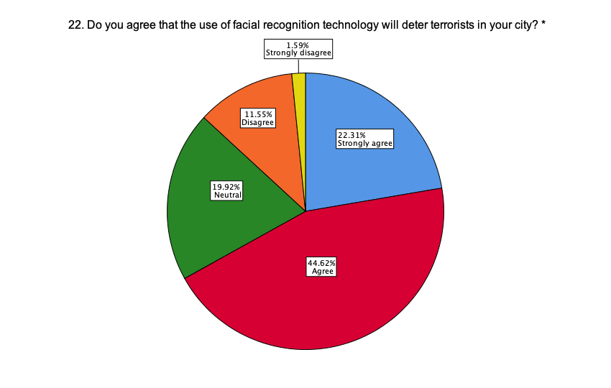
〇 Strongly agree | 56 | 22.3 | 22.3 | 22.3
〇 Agree | 112 | 44.6 | 44.6 | 66.9
〇 Neutral | 50 | 19.9 | 19.9 | 86.9
〇 Disagree | 29 | 11.6 | 11.6 | 98.4
〇 Strongly disagree | 4 | 1.6 | 1.6 | 100.0
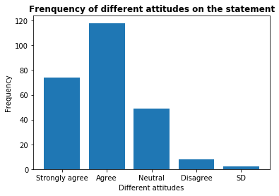
23. Do you agree with using facial recognition technology as evidence to bring criminals to justice? * | Frequency | Percent | Valid Percent | Cumulative Percent |  | 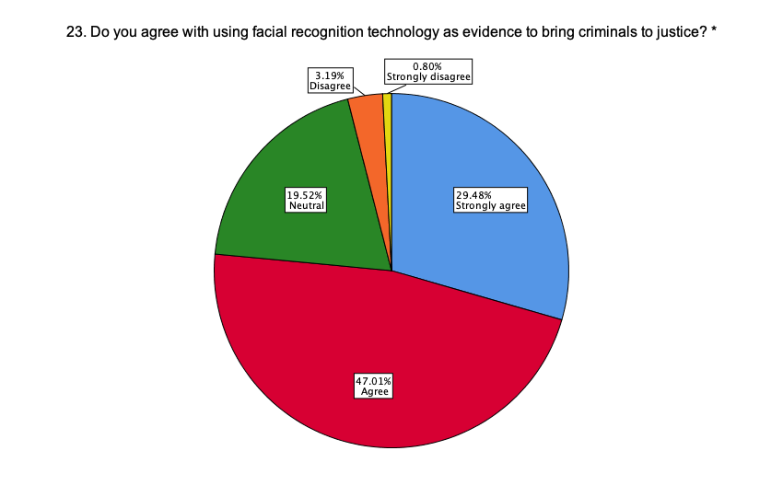
〇 Strongly agree | 74 | 29.5 | 29.5 | 29.5
〇 Agree | 118 | 47.0 | 47.0 | 76.5
〇 Neutral | 49 | 19.5 | 19.5 | 96.0
〇 Disagree | 8 | 3.2 | 3.2 | 99.2
〇 Strongly disagree | 2 | 0.8 | 0.8 | 100.0
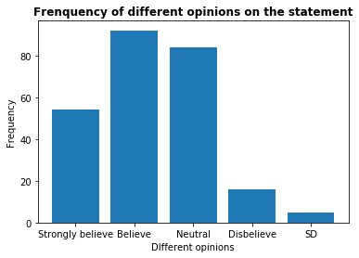
24. Do you believe that the government will use facial recognition technology without notifying the public? * | Frequency | Percent | Valid Percent | Cumulative Percent |  | 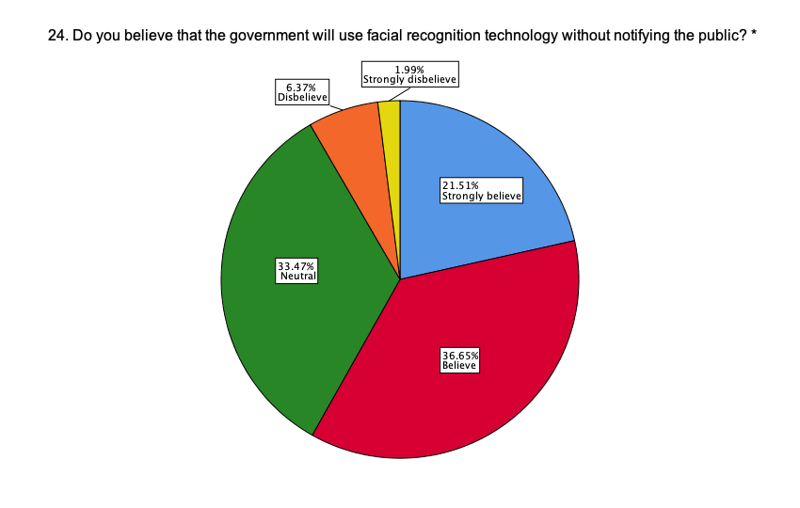
〇 Strongly believe | 54 | 21.5 | 21.5 | 21.5
〇 Believe | 92 | 36.7 | 36.7 | 58.2
〇 Neutral | 84 | 33.5 | 33.5 | 91.6
〇 Disbelieve | 16 | 6.4 | 6.4 | 98.0
〇 Strongly disbelieve | 5 | 2.0 | 2.0 | 100.0

25. How has learning more about facial recognition technology affected your opinion toward its use? * | Frequency | Percent | Valid Percent | Cumulative Percent | 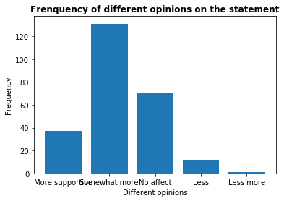 | 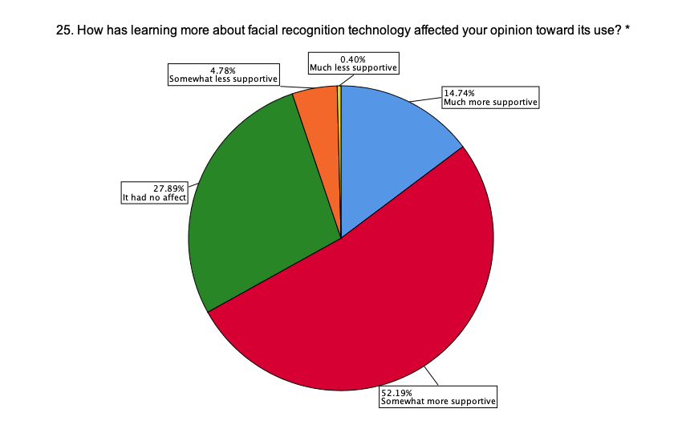
〇 I am now much more supportive of using facial recognition technology | 37 | 14.7 | 14.7 | 14.7
〇 I am now somewhat more supportive of using facial recognition technology | 131 | 52.2 | 52.2 | 66.9
〇 It had no affect | 70 | 27.9 | 27.9 | 94.8
〇 I am now somewhat less supportive of using facial recognition technology | 12 | 4.8 | 4.8 | 99.6
〇 I am now much less supportive of using facial recognition technology | 1 | 0.4 | 0.4 | 100.0
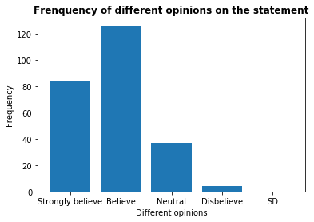
26. Do you believe that facial recognition technology will be more widely used in the next 10 years? * | Frequency | Percent | Valid Percent | Cumulative Percent |  | 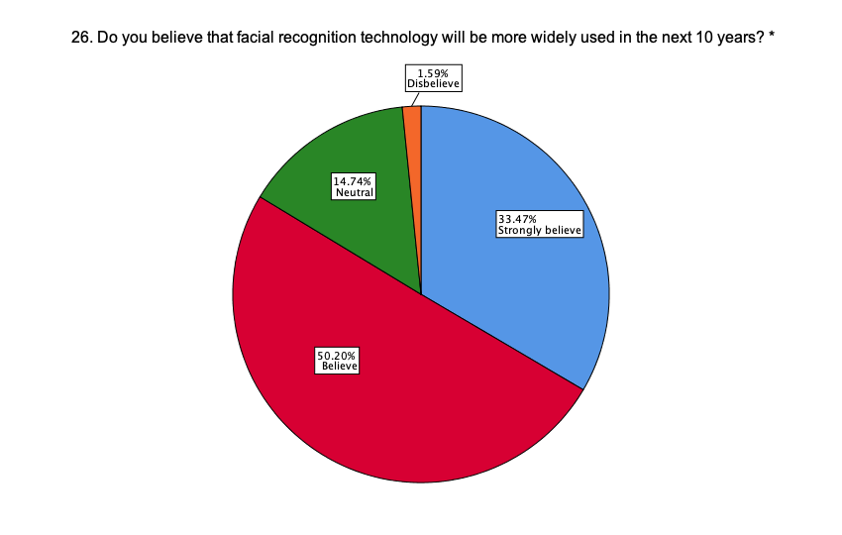
〇 Strongly believe | 84 | 33.5 | 33.5 | 33.5
〇 Believe | 126 | 50.2 | 50.2 | 83.7
〇 Neutral | 37 | 14.7 | 14.7 | 98.4
〇 Disbelieve | 4 | 1.6 | 1.6 | 100.0
〇 Strongly disbelieve | 0 | 0 | 0 | 100.0

27. Please list any additional comments you would like to share here:
_________________________________________________________________

Note: Thanks for taking the time to complete this survey. Your response is valuable for our research.

Boxplot single
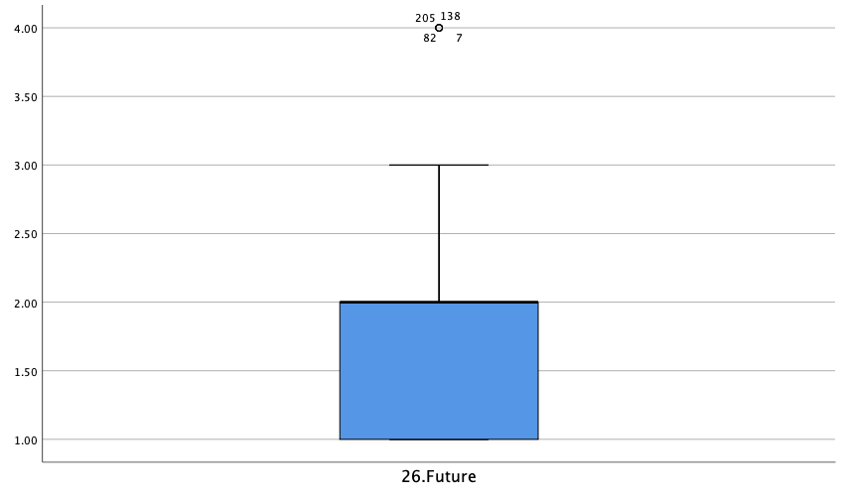
EXAMINE VARIABLES=@1Age
/COMPARE VARIABLE
/PLOT=BOXPLOT
/STATISTICS=NONE
/NOTOTAL
/MISSING=LISTWISE.

Explore

Notes
Output Created |  | 43852.885613
Comments
Input | Data | /Users/yellywong/Desktop/Survey.sav
 | Active Dataset | DataSet1
 | Filter | <none>
 | Weight | <none>
 | Split File | <none>
 | N of Rows in Working Data File | 251
Missing Value Handling | Definition of Missing | User-defined missing values for dependent variables are treated as missing.
 | Cases Used | Statistics are based on cases with no missing values for any dependent variable or factor used.
Syntax |  | EXAMINE VARIABLES=@1Age /COMPARE VARIABLE /PLOT=BOXPLOT /STATISTICS=NONE /NOTOTAL /MISSING=LISTWISE.
Resources | Processor Time | 00:00:01.85
 | Elapsed Time | 00:00:01.00

[DataSet1] /Users/yellywong/Desktop/Survey.sav

Case Processing Summary
Cases
 | Valid |  | Missing |  | Total
 | N | Percent | N | Percent | N | Percent
1.Age | 251 | 100.0% | 0 | 0.0% | 251 | 100.0%

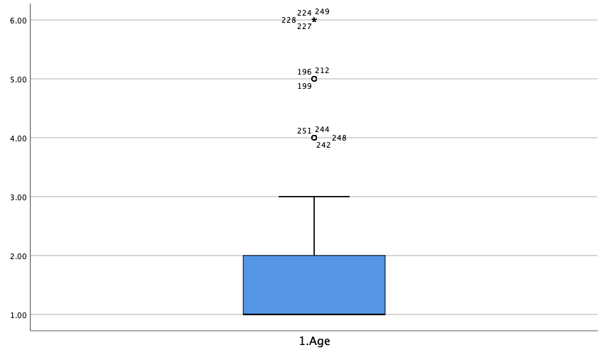
EXAMINE VARIABLES=@2Gender
/COMPARE VARIABLE
/PLOT=BOXPLOT
/STATISTICS=NONE
/NOTOTAL
/MISSING=LISTWISE.

Explore

Notes
Output Created |  | 43852.886273
Comments
Input | Data | /Users/yellywong/Desktop/Survey.sav
 | Active Dataset | DataSet1
 | Filter | <none>
 | Weight | <none>
 | Split File | <none>
 | N of Rows in Working Data File | 251
Missing Value Handling | Definition of Missing | User-defined missing values for dependent variables are treated as missing.
 | Cases Used | Statistics are based on cases with no missing values for any dependent variable or factor used.
Syntax |  | EXAMINE VARIABLES=@2Gender /COMPARE VARIABLE /PLOT=BOXPLOT /STATISTICS=NONE /NOTOTAL /MISSING=LISTWISE.
Resources | Processor Time | 00:00:00.23
 | Elapsed Time | 00:00:01.00

Case Processing Summary
Cases
 | Valid |  | Missing |  | Total
 | N | Percent | N | Percent | N | Percent
2.Gender | 251 | 100.0% | 0 | 0.0% | 251 | 100.0%

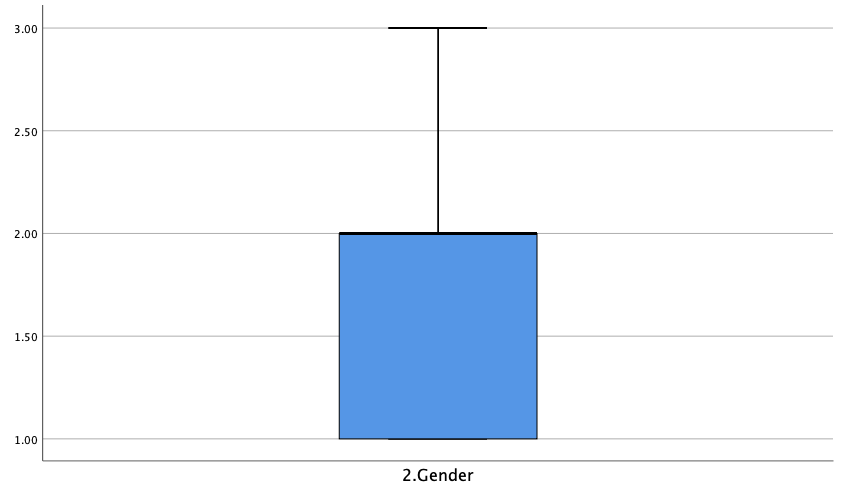
EXAMINE VARIABLES=@3Education
/COMPARE VARIABLE
/PLOT=BOXPLOT
/STATISTICS=NONE
/NOTOTAL
/MISSING=LISTWISE.

Explore

Notes
Output Created |  | 43852.890463
Comments
Input | Data | /Users/yellywong/Desktop/Survey.sav
 | Active Dataset | DataSet1
 | Filter | <none>
 | Weight | <none>
 | Split File | <none>
 | N of Rows in Working Data File | 251
Missing Value Handling | Definition of Missing | User-defined missing values for dependent variables are treated as missing.
 | Cases Used | Statistics are based on cases with no missing values for any dependent variable or factor used.
Syntax |  | EXAMINE VARIABLES=@3Education /COMPARE VARIABLE /PLOT=BOXPLOT /STATISTICS=NONE /NOTOTAL /MISSING=LISTWISE.
Resources | Processor Time | 00:00:00.21
 | Elapsed Time | 00:00:01.00

Case Processing Summary
Cases
 | Valid |  | Missing |  | Total
 | N | Percent | N | Percent | N | Percent
3.Education | 251 | 100.0% | 0 | 0.0% | 251 | 100.0%


EXAMINE VARIABLES=@4Country
/COMPARE VARIABLE
/PLOT=BOXPLOT
/STATISTICS=NONE
/NOTOTAL
/MISSING=LISTWISE.

Explore

Notes
Output Created |  | 43852.891019
Comments
Input | Data | /Users/yellywong/Desktop/Survey.sav
 | Active Dataset | DataSet1
 | Filter | <none>
 | Weight | <none>
 | Split File | <none>
 | N of Rows in Working Data File | 251
Missing Value Handling | Definition of Missing | User-defined missing values for dependent variables are treated as missing.
 | Cases Used | Statistics are based on cases with no missing values for any dependent variable or factor used.
Syntax |  | EXAMINE VARIABLES=@4Country /COMPARE VARIABLE /PLOT=BOXPLOT /STATISTICS=NONE /NOTOTAL /MISSING=LISTWISE.
Resources | Processor Time | 00:00:00.21
 | Elapsed Time | 00:00:00.00

Case Processing Summary
Cases
 | Valid |  | Missing |  | Total
 | N | Percent | N | Percent | N | Percent
4.Country | 251 | 100.0% | 0 | 0.0% | 251 | 100.0%


EXAMINE VARIABLES=@5Work
/COMPARE VARIABLE
/PLOT=BOXPLOT
/STATISTICS=NONE
/NOTOTAL
/MISSING=LISTWISE.

Explore

Notes
Output Created |  | 43852.891389
Comments
Input | Data | /Users/yellywong/Desktop/Survey.sav
 | Active Dataset | DataSet1
 | Filter | <none>
 | Weight | <none>
 | Split File | <none>
 | N of Rows in Working Data File | 251
Missing Value Handling | Definition of Missing | User-defined missing values for dependent variables are treated as missing.
 | Cases Used | Statistics are based on cases with no missing values for any dependent variable or factor used.
Syntax |  | EXAMINE VARIABLES=@5Work /COMPARE VARIABLE /PLOT=BOXPLOT /STATISTICS=NONE /NOTOTAL /MISSING=LISTWISE.
Resources | Processor Time | 00:00:00.19
 | Elapsed Time | 00:00:01.00

Case Processing Summary
Cases
 | Valid |  | Missing |  | Total
 | N | Percent | N | Percent | N | Percent
5.Work | 251 | 100.0% | 0 | 0.0% | 251 | 100.0%


EXAMINE VARIABLES=@6FRconcept
/COMPARE VARIABLE
/PLOT=BOXPLOT
/STATISTICS=NONE
/NOTOTAL
/MISSING=LISTWISE.

Explore

Notes
Output Created |  | 43852.891771
Comments
Input | Data | /Users/yellywong/Desktop/Survey.sav
 | Active Dataset | DataSet1
 | Filter | <none>
 | Weight | <none>
 | Split File | <none>
 | N of Rows in Working Data File | 251
Missing Value Handling | Definition of Missing | User-defined missing values for dependent variables are treated as missing.
 | Cases Used | Statistics are based on cases with no missing values for any dependent variable or factor used.
Syntax |  | EXAMINE VARIABLES=@6FRconcept /COMPARE VARIABLE /PLOT=BOXPLOT /STATISTICS=NONE /NOTOTAL /MISSING=LISTWISE.
Resources | Processor Time | 00:00:00.22
 | Elapsed Time | 00:00:00.00

Case Processing Summary
Cases
 | Valid |  | Missing |  | Total
 | N | Percent | N | Percent | N | Percent
6.FR concept | 251 | 100.0% | 0 | 0.0% | 251 | 100.0%


EXAMINE VARIABLES=@9Use_FaceID
/COMPARE VARIABLE
/PLOT=BOXPLOT
/STATISTICS=NONE
/NOTOTAL
/MISSING=LISTWISE.

Explore

Notes
Output Created |  | 43852.892234
Comments
Input | Data | /Users/yellywong/Desktop/Survey.sav
 | Active Dataset | DataSet1
 | Filter | <none>
 | Weight | <none>
 | Split File | <none>
 | N of Rows in Working Data File | 251
Missing Value Handling | Definition of Missing | User-defined missing values for dependent variables are treated as missing.
 | Cases Used | Statistics are based on cases with no missing values for any dependent variable or factor used.
Syntax |  | EXAMINE VARIABLES=@9Use_FaceID /COMPARE VARIABLE /PLOT=BOXPLOT /STATISTICS=NONE /NOTOTAL /MISSING=LISTWISE.
Resources | Processor Time | 00:00:00.18
 | Elapsed Time | 00:00:01.00

Case Processing Summary
Cases
 | Valid |  | Missing |  | Total
 | N | Percent | N | Percent | N | Percent
9.Use FaceID | 251 | 100.0% | 0 | 0.0% | 251 | 100.0%


EXAMINE VARIABLES=@10Not_use_FaceID
/COMPARE VARIABLE
/PLOT=BOXPLOT
/STATISTICS=NONE
/NOTOTAL
/MISSING=LISTWISE.

Explore

Notes
Output Created |  | 43852.892477
Comments
Input | Data | /Users/yellywong/Desktop/Survey.sav
 | Active Dataset | DataSet1
 | Filter | <none>
 | Weight | <none>
 | Split File | <none>
 | N of Rows in Working Data File | 251
Missing Value Handling | Definition of Missing | User-defined missing values for dependent variables are treated as missing.
 | Cases Used | Statistics are based on cases with no missing values for any dependent variable or factor used.
Syntax |  | EXAMINE VARIABLES=@10Not_use_FaceID /COMPARE VARIABLE /PLOT=BOXPLOT /STATISTICS=NONE /NOTOTAL /MISSING=LISTWISE.
Resources | Processor Time | 00:00:00.20
 | Elapsed Time | 00:00:00.00

Case Processing Summary
Cases
 | Valid |  | Missing |  | Total
 | N | Percent | N | Percent | N | Percent
10.Not use FaceID | 251 | 100.0% | 0 | 0.0% | 251 | 100.0%


EXAMINE VARIABLES=@10Not_use_FaceID
/COMPARE VARIABLE
/PLOT=BOXPLOT
/STATISTICS=NONE
/NOTOTAL
/MISSING=LISTWISE.

Explore

Notes
Output Created |  | 43852.89272
Comments
Input | Data | /Users/yellywong/Desktop/Survey.sav
 | Active Dataset | DataSet1
 | Filter | <none>
 | Weight | <none>
 | Split File | <none>
 | N of Rows in Working Data File | 251
Missing Value Handling | Definition of Missing | User-defined missing values for dependent variables are treated as missing.
 | Cases Used | Statistics are based on cases with no missing values for any dependent variable or factor used.
Syntax |  | EXAMINE VARIABLES=@10Not_use_FaceID /COMPARE VARIABLE /PLOT=BOXPLOT /STATISTICS=NONE /NOTOTAL /MISSING=LISTWISE.
Resources | Processor Time | 00:00:00.18
 | Elapsed Time | 00:00:01.00

Case Processing Summary
Cases
 | Valid |  | Missing |  | Total
 | N | Percent | N | Percent | N | Percent
10.Not use FaceID | 251 | 100.0% | 0 | 0.0% | 251 | 100.0%

EXAMINE VARIABLES=@10Not_use_FaceID
/COMPARE VARIABLE
/PLOT=BOXPLOT
/STATISTICS=NONE
/NOTOTAL
/MISSING=LISTWISE.

Explore

Notes
Output Created |  | 43852.894294
Comments
Input | Data | /Users/yellywong/Desktop/Survey.sav
 | Active Dataset | DataSet1
 | Filter | <none>
 | Weight | <none>
 | Split File | <none>
 | N of Rows in Working Data File | 251
Missing Value Handling | Definition of Missing | User-defined missing values for dependent variables are treated as missing.
 | Cases Used | Statistics are based on cases with no missing values for any dependent variable or factor used.
Syntax |  | EXAMINE VARIABLES=@10Not_use_FaceID /COMPARE VARIABLE /PLOT=BOXPLOT /STATISTICS=NONE /NOTOTAL /MISSING=LISTWISE.
Resources | Processor Time | 00:00:00.18
 | Elapsed Time | 00:00:00.00

Case Processing Summary
Cases
 | Valid |  | Missing |  | Total
 | N | Percent | N | Percent | N | Percent
10.Not use FaceID | 251 | 100.0% | 0 | 0.0% | 251 | 100.0%

EXAMINE VARIABLES=@11FR_using_status
/COMPARE VARIABLE
/PLOT=BOXPLOT
/STATISTICS=NONE
/NOTOTAL
/MISSING=LISTWISE.

Explore

Notes
Output Created |  | 43852.894525
Comments
Input | Data | /Users/yellywong/Desktop/Survey.sav
 | Active Dataset | DataSet1
 | Filter | <none>
 | Weight | <none>
 | Split File | <none>
 | N of Rows in Working Data File | 251
Missing Value Handling | Definition of Missing | User-defined missing values for dependent variables are treated as missing.
 | Cases Used | Statistics are based on cases with no missing values for any dependent variable or factor used.
Syntax |  | EXAMINE VARIABLES=@11FR_using_status /COMPARE VARIABLE /PLOT=BOXPLOT /STATISTICS=NONE /NOTOTAL /MISSING=LISTWISE.
Resources | Processor Time | 00:00:00.19
 | Elapsed Time | 00:00:00.00

Case Processing Summary
Cases
 | Valid |  | Missing |  | Total
 | N | Percent | N | Percent | N | Percent
11.FR using status | 251 | 100.0% | 0 | 0.0% | 251 | 100.0%


EXAMINE VARIABLES=@12Opinions_of_statement
/COMPARE VARIABLE
/PLOT=BOXPLOT
/STATISTICS=NONE
/NOTOTAL
/MISSING=LISTWISE.

Explore

Notes
Output Created |  | 43852.894803
Comments
Input | Data | /Users/yellywong/Desktop/Survey.sav
 | Active Dataset | DataSet1
 | Filter | <none>
 | Weight | <none>
 | Split File | <none>
 | N of Rows in Working Data File | 251
Missing Value Handling | Definition of Missing | User-defined missing values for dependent variables are treated as missing.
 | Cases Used | Statistics are based on cases with no missing values for any dependent variable or factor used.
Syntax |  | EXAMINE VARIABLES=@12Opinions_of_statement /COMPARE VARIABLE /PLOT=BOXPLOT /STATISTICS=NONE /NOTOTAL /MISSING=LISTWISE.
Resources | Processor Time | 00:00:00.22
 | Elapsed Time | 00:00:00.00

Case Processing Summary
Cases
 | Valid |  | Missing |  | Total
 | N | Percent | N | Percent | N | Percent
12.Opinions of statement | 251 | 100.0% | 0 | 0.0% | 251 | 100.0%


EXAMINE VARIABLES=@13Attitudes_of_invasion
/COMPARE VARIABLE
/PLOT=BOXPLOT
/STATISTICS=NONE
/NOTOTAL
/MISSING=LISTWISE.

Explore

Notes
Output Created |  | 43852.895081
Comments
Input | Data | /Users/yellywong/Desktop/Survey.sav
 | Active Dataset | DataSet1
 | Filter | <none>
 | Weight | <none>
 | Split File | <none>
 | N of Rows in Working Data File | 251
Missing Value Handling | Definition of Missing | User-defined missing values for dependent variables are treated as missing.
 | Cases Used | Statistics are based on cases with no missing values for any dependent variable or factor used.
Syntax |  | EXAMINE VARIABLES=@13Attitudes_of_invasion /COMPARE VARIABLE /PLOT=BOXPLOT /STATISTICS=NONE /NOTOTAL /MISSING=LISTWISE.
Resources | Processor Time | 00:00:00.16
 | Elapsed Time | 00:00:00.00

Case Processing Summary
Cases
 | Valid |  | Missing |  | Total
 | N | Percent | N | Percent | N | Percent
13.Attitudes of invasion | 251 | 100.0% | 0 | 0.0% | 251 | 100.0%


EXAMINE VARIABLES=@15Attitudes_for_police_using_FRT
/COMPARE VARIABLE
/PLOT=BOXPLOT
/STATISTICS=NONE
/NOTOTAL
/MISSING=LISTWISE.

Explore

Notes
Output Created |  | 43852.895428
Comments
Input | Data | /Users/yellywong/Desktop/Survey.sav
 | Active Dataset | DataSet1
 | Filter | <none>
 | Weight | <none>
 | Split File | <none>
 | N of Rows in Working Data File | 251
Missing Value Handling | Definition of Missing | User-defined missing values for dependent variables are treated as missing.
 | Cases Used | Statistics are based on cases with no missing values for any dependent variable or factor used.
Syntax |  | EXAMINE VARIABLES=@15Attitudes_for_police_using_FRT /COMPARE VARIABLE /PLOT=BOXPLOT /STATISTICS=NONE /NOTOTAL /MISSING=LISTWISE.
Resources | Processor Time | 00:00:00.18
 | Elapsed Time | 00:00:00.00

Case Processing Summary
Cases
 | Valid |  | Missing |  | Total
 | N | Percent | N | Percent | N | Percent
15.Attitudes for police using FRT | 251 | 100.0% | 0 | 0.0% | 251 | 100.0%


EXAMINE VARIABLES=@16Opinions_for_police_using_FR
/COMPARE VARIABLE
/PLOT=BOXPLOT
/STATISTICS=NONE
/NOTOTAL
/MISSING=LISTWISE.

Explore

Notes
Output Created |  | 43852.895718
Comments
Input | Data | /Users/yellywong/Desktop/Survey.sav
 | Active Dataset | DataSet1
 | Filter | <none>
 | Weight | <none>
 | Split File | <none>
 | N of Rows in Working Data File | 251
Missing Value Handling | Definition of Missing | User-defined missing values for dependent variables are treated as missing.
 | Cases Used | Statistics are based on cases with no missing values for any dependent variable or factor used.
Syntax |  | EXAMINE VARIABLES=@16Opinions_for_police_using_FR /COMPARE VARIABLE /PLOT=BOXPLOT /STATISTICS=NONE /NOTOTAL /MISSING=LISTWISE.
Resources | Processor Time | 00:00:00.17
 | Elapsed Time | 00:00:00.00

Case Processing Summary
Cases
 | Valid |  | Missing |  | Total
 | N | Percent | N | Percent | N | Percent
16.Opinions for police using FR | 251 | 100.0% | 0 | 0.0% | 251 | 100.0%


EXAMINE VARIABLES=@19Feel_safer
/COMPARE VARIABLE
/PLOT=BOXPLOT
/STATISTICS=NONE
/NOTOTAL
/MISSING=LISTWISE.

Explore

Notes
Output Created |  | 43852.896019
Comments
Input | Data | /Users/yellywong/Desktop/Survey.sav
 | Active Dataset | DataSet1
 | Filter | <none>
 | Weight | <none>
 | Split File | <none>
 | N of Rows in Working Data File | 251
Missing Value Handling | Definition of Missing | User-defined missing values for dependent variables are treated as missing.
 | Cases Used | Statistics are based on cases with no missing values for any dependent variable or factor used.
Syntax |  | EXAMINE VARIABLES=@19Feel_safer /COMPARE VARIABLE /PLOT=BOXPLOT /STATISTICS=NONE /NOTOTAL /MISSING=LISTWISE.
Resources | Processor Time | 00:00:00.17
 | Elapsed Time | 00:00:01.00

Case Processing Summary
Cases
 | Valid |  | Missing |  | Total
 | N | Percent | N | Percent | N | Percent
19.Feel safer | 251 | 100.0% | 0 | 0.0% | 251 | 100.0%


EXAMINE VARIABLES=@20Identify_criminals
/COMPARE VARIABLE
/PLOT=BOXPLOT
/STATISTICS=NONE
/NOTOTAL
/MISSING=LISTWISE.

Explore

Notes
Output Created |  | 43852.896343
Comments
Input | Data | /Users/yellywong/Desktop/Survey.sav
 | Active Dataset | DataSet1
 | Filter | <none>
 | Weight | <none>
 | Split File | <none>
 | N of Rows in Working Data File | 251
Missing Value Handling | Definition of Missing | User-defined missing values for dependent variables are treated as missing.
 | Cases Used | Statistics are based on cases with no missing values for any dependent variable or factor used.
Syntax |  | EXAMINE VARIABLES=@20Identify_criminals /COMPARE VARIABLE /PLOT=BOXPLOT /STATISTICS=NONE /NOTOTAL /MISSING=LISTWISE.
Resources | Processor Time | 00:00:00.19
 | Elapsed Time | 00:00:00.00

Case Processing Summary
Cases
 | Valid |  | Missing |  | Total
 | N | Percent | N | Percent | N | Percent
20.Identify criminals | 251 | 100.0% | 0 | 0.0% | 251 | 100.0%


EXAMINE VARIABLES=@21Prevent_crimes
/COMPARE VARIABLE
/PLOT=BOXPLOT
/STATISTICS=NONE
/NOTOTAL
/MISSING=LISTWISE.

Explore

Notes
Output Created |  | 43852.896574
Comments
Input | Data | /Users/yellywong/Desktop/Survey.sav
 | Active Dataset | DataSet1
 | Filter | <none>
 | Weight | <none>
 | Split File | <none>
 | N of Rows in Working Data File | 251
Missing Value Handling | Definition of Missing | User-defined missing values for dependent variables are treated as missing.
 | Cases Used | Statistics are based on cases with no missing values for any dependent variable or factor used.
Syntax |  | EXAMINE VARIABLES=@21Prevent_crimes /COMPARE VARIABLE /PLOT=BOXPLOT /STATISTICS=NONE /NOTOTAL /MISSING=LISTWISE.
Resources | Processor Time | 00:00:00.17
 | Elapsed Time | 00:00:01.00

Case Processing Summary
Cases
 | Valid |  | Missing |  | Total
 | N | Percent | N | Percent | N | Percent
21.Prevent crimes | 251 | 100.0% | 0 | 0.0% | 251 | 100.0%


EXAMINE VARIABLES=@22Deter_terrorists
/COMPARE VARIABLE
/PLOT=BOXPLOT
/STATISTICS=NONE
/NOTOTAL
/MISSING=LISTWISE.

Explore

Notes
Output Created |  | 43852.896887
Comments
Input | Data | /Users/yellywong/Desktop/Survey.sav
 | Active Dataset | DataSet1
 | Filter | <none>
 | Weight | <none>
 | Split File | <none>
 | N of Rows in Working Data File | 251
Missing Value Handling | Definition of Missing | User-defined missing values for dependent variables are treated as missing.
 | Cases Used | Statistics are based on cases with no missing values for any dependent variable or factor used.
Syntax |  | EXAMINE VARIABLES=@22Deter_terrorists /COMPARE VARIABLE /PLOT=BOXPLOT /STATISTICS=NONE /NOTOTAL /MISSING=LISTWISE.
Resources | Processor Time | 00:00:00.19
 | Elapsed Time | 00:00:00.00

Case Processing Summary
Cases
 | Valid |  | Missing |  | Total
 | N | Percent | N | Percent | N | Percent
22.Deter terrorists | 251 | 100.0% | 0 | 0.0% | 251 | 100.0%


EXAMINE VARIABLES=@23Crime_evidence
/COMPARE VARIABLE
/PLOT=BOXPLOT
/STATISTICS=NONE
/NOTOTAL
/MISSING=LISTWISE.

Explore

Notes
Output Created |  | 43852.897187
Comments
Input | Data | /Users/yellywong/Desktop/Survey.sav
 | Active Dataset | DataSet1
 | Filter | <none>
 | Weight | <none>
 | Split File | <none>
 | N of Rows in Working Data File | 251
Missing Value Handling | Definition of Missing | User-defined missing values for dependent variables are treated as missing.
 | Cases Used | Statistics are based on cases with no missing values for any dependent variable or factor used.
Syntax |  | EXAMINE VARIABLES=@23Crime_evidence /COMPARE VARIABLE /PLOT=BOXPLOT /STATISTICS=NONE /NOTOTAL /MISSING=LISTWISE.
Resources | Processor Time | 00:00:00.32
 | Elapsed Time | 00:00:00.00

Case Processing Summary
Cases
 | Valid |  | Missing |  | Total
 | N | Percent | N | Percent | N | Percent
23.Crime evidence | 251 | 100.0% | 0 | 0.0% | 251 | 100.0%


EXAMINE VARIABLES=@24No_notifying
/COMPARE VARIABLE
/PLOT=BOXPLOT
/STATISTICS=NONE
/NOTOTAL
/MISSING=LISTWISE.

Explore

Notes
Output Created |  | 43852.897407
Comments
Input | Data | /Users/yellywong/Desktop/Survey.sav
 | Active Dataset | DataSet1
 | Filter | <none>
 | Weight | <none>
 | Split File | <none>
 | N of Rows in Working Data File | 251
Missing Value Handling | Definition of Missing | User-defined missing values for dependent variables are treated as missing.
 | Cases Used | Statistics are based on cases with no missing values for any dependent variable or factor used.
Syntax |  | EXAMINE VARIABLES=@24No_notifying /COMPARE VARIABLE /PLOT=BOXPLOT /STATISTICS=NONE /NOTOTAL /MISSING=LISTWISE.
Resources | Processor Time | 00:00:00.16
 | Elapsed Time | 00:00:00.00

Case Processing Summary
Cases
 | Valid |  | Missing |  | Total
 | N | Percent | N | Percent | N | Percent
24.No notifying | 251 | 100.0% | 0 | 0.0% | 251 | 100.0%


EXAMINE VARIABLES=@25Attitudes_now
/COMPARE VARIABLE
/PLOT=BOXPLOT
/STATISTICS=NONE
/NOTOTAL
/MISSING=LISTWISE.

Explore

Notes
Output Created |  | 43852.897616
Comments
Input | Data | /Users/yellywong/Desktop/Survey.sav
 | Active Dataset | DataSet1
 | Filter | <none>
 | Weight | <none>
 | Split File | <none>
 | N of Rows in Working Data File | 251
Missing Value Handling | Definition of Missing | User-defined missing values for dependent variables are treated as missing.
 | Cases Used | Statistics are based on cases with no missing values for any dependent variable or factor used.
Syntax |  | EXAMINE VARIABLES=@25Attitudes_now /COMPARE VARIABLE /PLOT=BOXPLOT /STATISTICS=NONE /NOTOTAL /MISSING=LISTWISE.
Resources | Processor Time | 00:00:00.21
 | Elapsed Time | 00:00:00.00

Case Processing Summary
Cases
 | Valid |  | Missing |  | Total
 | N | Percent | N | Percent | N | Percent
25.Attitudes now | 251 | 100.0% | 0 | 0.0% | 251 | 100.0%


EXAMINE VARIABLES=@26Future
/COMPARE VARIABLE
/PLOT=BOXPLOT
/STATISTICS=NONE
/NOTOTAL
/MISSING=LISTWISE.

Explore

Notes
Output Created |  | 43852.897778
Comments
Input | Data | /Users/yellywong/Desktop/Survey.sav
 | Active Dataset | DataSet1
 | Filter | <none>
 | Weight | <none>
 | Split File | <none>
 | N of Rows in Working Data File | 251
Missing Value Handling | Definition of Missing | User-defined missing values for dependent variables are treated as missing.
 | Cases Used | Statistics are based on cases with no missing values for any dependent variable or factor used.
Syntax |  | EXAMINE VARIABLES=@26Future /COMPARE VARIABLE /PLOT=BOXPLOT /STATISTICS=NONE /NOTOTAL /MISSING=LISTWISE.
Resources | Processor Time | 00:00:00.24
 | Elapsed Time | 00:00:00.00

Case Processing Summary
Cases
 | Valid |  | Missing |  | Total
 | N | Percent | N | Percent | N | Percent
26.Future | 251 | 100.0% | 0 | 0.0% | 251 | 100.0%

