Main
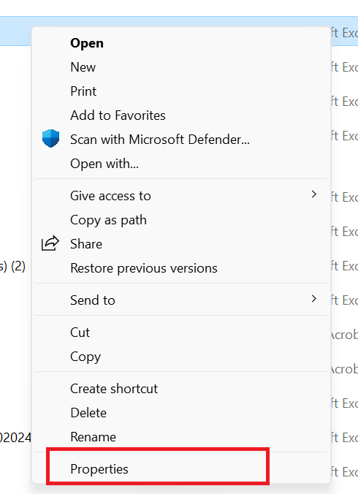
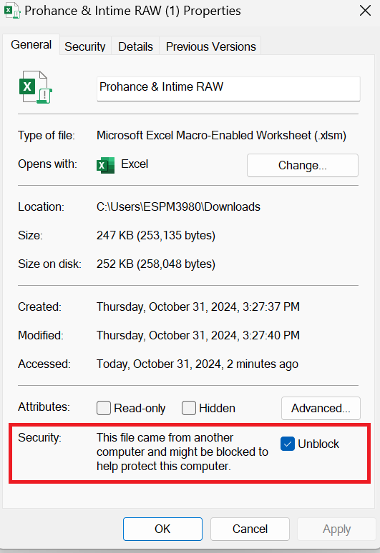
Prohance & MHS Data

Follow Instructions::

Step 1 | Right click on file and select properties | Step 2 | Click on Unblock Check box and click on OK button | Step 3 | Click on Enable Content option. Post this you will be able to see your data

