Sheet1
OUTLINE & MAIN RESULTS
1 | LR with dummies | Score Ranges per Tier:
 | LogReg: Feature engineering. Then use features with corr < 0.7, dummies: fine/coarse classing. Gini 0.3055. Scorecard (350-800) | min max
 | 5 risk bands are divided using quantile. Result: table in the right | Risk_Tier
 | PSI: not implement since gini is not good | Very High 471.0 625.0
 |  | High 626.0 657.0
 | note: I do not handle cic score (haven't found the way + time…) | Medium 658.0 685.0
 |  | Low 686.0 717.0
 |  | Very Low 718.0 818.0
2 | LR and other models (without dummies)
 | LogReg and others: cv grid search for hyperparameter tuning, scoring = f2 (because imbalanced data and FN is costly: bad customers but classifed good)
 | Good models: all, except GradBoost, AdaBoost and LR
 | since the results are good enough and not much difference for some models, I choose randomly XGB for PSI calc and divide risk bands
 | Check bad rate in 5 groups. Notice that 1st group has a bit higher bad rate than 2nd group (0.026 vs 0.022) One of the reason could be: the model recall/f2/.. Is just abt 0.6? (still rooms for wrong predection?)
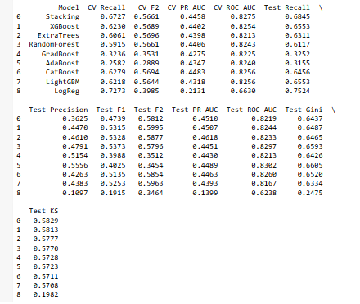

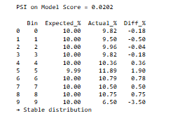
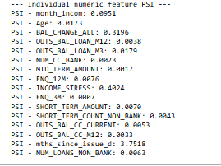
 |  |  | Check bad rate in 5 groups.

DETAIL
0 | Data handle
 | - Check and find that one row has lots of missing values-> delete row (still 214 n/a for phone provider: handle later)
 | - Split 8/2 for Train+ Validation/ OOT (split by disbursement date: data for PSI will be the last section)
 | For development sample:
 | - N/a: loan_data['phone_provider'].fillna('viettel') #fill with mode
 | - Outlier: use boxplots
 | + age: 124 wrong -> repl by median age in that group of occupation
 | + income: outlier -> mean + 3std
 | + other features: clip 1st, 99th percentile. (other ways: 5th, 95th; mean/median + 3 std)
 | (any value above the 99th percentile becomes the 99th percentile value)
 | + OUTS_BAL_CC_M{i}: replace(-1,0). Then it should be: loan + cc = all, handle by:
 | test= loan + cc - all
 | if test > 0: all = loan + cc else cc = -test
 | + 'OUTS_BAL_CC_CURRENT': if <0 --> 0

 | Discrete:
 | Address: take the 1st character of add i.e HCM, HN,.. Attention: Dong Nai -> DNN, Da Nang:DN, Dak Nong: DkN
 | mth_since_issue_date = 05/05/26 - issue_d_date

 | - target: FPD10+ (1st payment default, DPD 10+)
 | reason: Application models predict who will default (at the time they apply for loan), observe for static/fixed window, so with goal of finding bad customer, FPD10+ is important (if one ever be a bad customer)
 | imbalanced data (10%/90%) so later use class weight = balance (not use SMOTE bcz we have discrete variables)

 | -FE
 | + Trend features (using ALL balance): ['BAL_CHANGE_ALL'] = ['OUTS_BAL_ALL_M1'] - ['OUTS_BAL_ALL_M6']
 | + 'AVG_OUTS_BAL_ALL' = avg (.._ALL_M1,3,6,12)
 | + keep only M1,3,6,12 for loan, cc, all
 | + income stress= out bal all m1/mth income

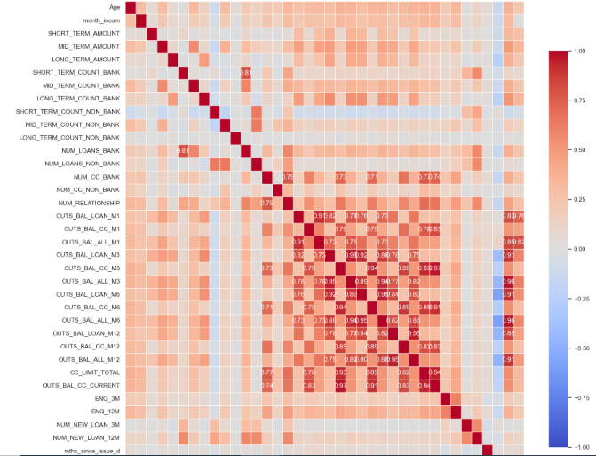
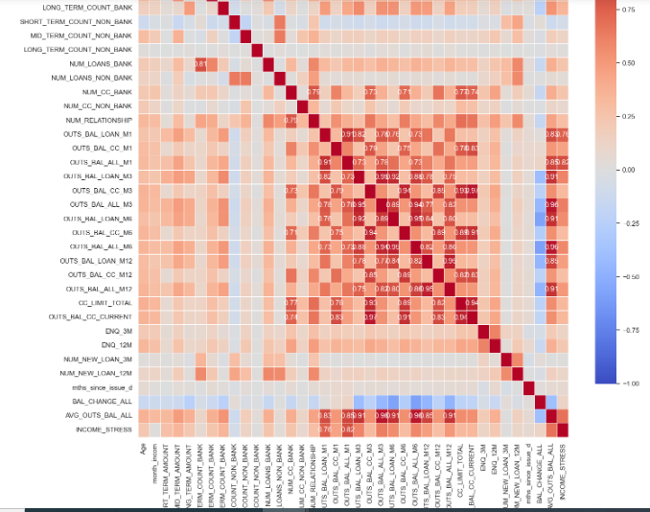
 | ATTENTION: scroll to the right to see all plots
 | plot: this is part of the variables. Put numbers for1 > corr > 0.7 only
 |  |  |  |  |  |  | Feature importance with lightgbm and shap |  |  |  |  |  | IV for continous features | this plot below is part of the corr from iv table (select features with iv > 0.1 and check corr) | plot after remove features with corr > 0.7
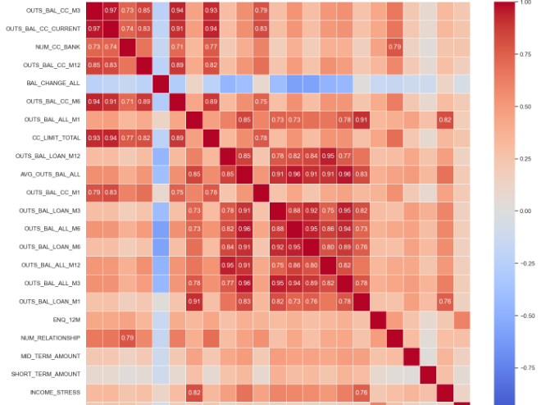
 |  |  |  |  |  |  |  | table from lighgbm |  | table from shap |  |  | feature IV
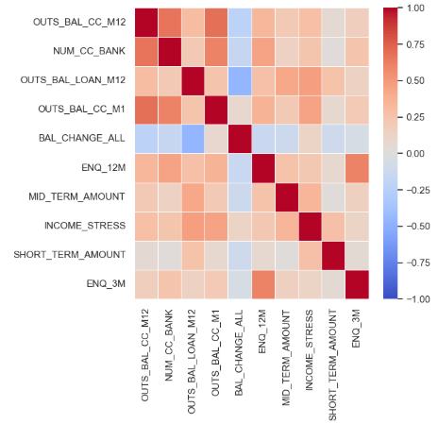
 |  |  |  |  |  |  |  | feature | importance |  | feature | importance | 20 OUTS_BAL_CC_M3 0.520468
 |  |  |  |  |  |  | 4 | operating_system | 33525.562197 | 4 | operating_system | 0.645298 | 29 OUTS_BAL_CC_CURRENT 0.453454
 |  |  |  |  |  |  | 38 | address | 9296.119096 | 38 | address | 0.257332 | 13 NUM_CC_BANK 0.445091
 |  |  |  |  |  |  | 3 | month_incom | 2291.11613 | 3 | month_incom | 0.160548 | 26 OUTS_BAL_CC_M12 0.445061
 |  |  |  |  |  |  | 0 | Age | 1695.064368 | 7 | MID_TERM_AMOUNT | 0.157982 | 35 BAL_CHANGE_ALL 0.440499
 |  |  |  |  |  |  | 40 | BAL_CHANGE_ALL | 1650.801792 | 17 | NUM_CC_BANK | 0.157217 | 23 OUTS_BAL_CC_M6 0.396845
 |  |  |  |  |  |  | 29 | OUTS_BAL_LOAN_M12 | 1584.401994 | 23 | OUTS_BAL_LOAN_M3 | 0.107515 | 18 OUTS_BAL_ALL_M1 0.386064
 |  |  |  |  |  |  | 23 | OUTS_BAL_LOAN_M3 | 1459.02157 | 29 | OUTS_BAL_LOAN_M12 | 0.103453 | 28 CC_LIMIT_TOTAL 0.379227
 |  |  |  |  |  |  | 17 | NUM_CC_BANK | 1344.179839 | 12 | SHORT_TERM_COUNT_NON_BANK | 0.099979 | 25 OUTS_BAL_LOAN_M12 0.346313
 |  |  |  |  |  |  | 31 | OUTS_BAL_ALL_M12 | 1317.247342 | 0 | Age | 0.092961 | 36 AVG_OUTS_BAL_ALL 0.335743
 |  |  |  |  |  |  | 7 | MID_TERM_AMOUNT | 1242.171161 | 34 | ENQ_3M | 0.091781 | 17 OUTS_BAL_CC_M1 0.330989
 |  |  |  |  |  |  | 35 | ENQ_12M | 1212.00739 | 33 | OUTS_BAL_CC_CURRENT | 0.090827 | 19 OUTS_BAL_LOAN_M3 0.325243
 |  |  |  |  |  |  | 42 | INCOME_STRESS | 1073.524751 | 31 | OUTS_BAL_ALL_M12 | 0.077943 | 24 OUTS_BAL_ALL_M6 0.325039
 |  |  |  |  |  |  | 34 | ENQ_3M | 1010.497954 | 40 | BAL_CHANGE_ALL | 0.073214 | 22 OUTS_BAL_LOAN_M6 0.319253
 |  |  |  |  |  |  | 6 | SHORT_TERM_AMOUNT | 955.114612 | 6 | SHORT_TERM_AMOUNT | 0.069835 | 27 OUTS_BAL_ALL_M12 0.292469
 |  |  |  |  |  |  | 25 | OUTS_BAL_ALL_M3 | 832.563992 | 35 | ENQ_12M | 0.06203 | 21 OUTS_BAL_ALL_M3 0.289817
 |  |  |  |  |  |  | 28 | OUTS_BAL_ALL_M6 | 695.736342 | 1 | gender | 0.048574 | 16 OUTS_BAL_LOAN_M1 0.277725
 |  |  |  |  |  |  | 12 | SHORT_TERM_COUNT_NON_BANK | 676.123194 | 42 | INCOME_STRESS | 0.045744 | 31 ENQ_12M 0.178007
 |  |  |  |  |  |  | 33 | OUTS_BAL_CC_CURRENT | 644.735478 | 2 | occupation | 0.045203 | 15 NUM_RELATIONSHIP 0.177067
 |  |  |  |  |  |  | 30 | OUTS_BAL_CC_M12 | 630.898336 | 5 | phone_provider | 0.042122 | 3 MID_TERM_AMOUNT 0.150357
 |  |  |  |  |  |  | 2 | occupation | 540.928735 | 30 | OUTS_BAL_CC_M12 | 0.039659 | 2 SHORT_TERM_AMOUNT 0.125129
 | Feature importance: lightgbm, shap: see tables in the right (from column K) |  |  |  |  |  | 41 | AVG_OUTS_BAL_ALL | 529.834158 | 26 | OUTS_BAL_LOAN_M6 | 0.038415 | 37 INCOME_STRESS 0.121051
 | Print also IV_table (see from column T) for woe continous variables: so we have one source for checking the importance of features |  |  |  |  |  | 26 | OUTS_BAL_LOAN_M6 | 526.888368 | 32 | CC_LIMIT_TOTAL | 0.03153 | 30 ENQ_3M 0.116804
 | check corr for features have iv > 0.1 (column AA), then check corr and remove high corr (>0.7). Then it will be the list for LR model (with dummies, later) |  |  |  |  |  | 32 | CC_LIMIT_TOTAL | 498.791957 | 25 | OUTS_BAL_ALL_M3 | 0.031101 | 4 LONG_TERM_AMOUNT 0.079090
 |  |  |  |  |  |  | 39 | mths_since_issue_d | 443.685238 | 39 | mths_since_issue_d | 0.02975 | 1 month_incom 0.075797
1 | For LR model with dummies: |  |  |  |  |  | 16 | NUM_LOANS_NON_BANK | 441.45842 | 22 | OUTS_BAL_ALL_M1 | 0.029452 | 33 NUM_NEW_LOAN_12M 0.055022
 | 10 cont., 2 dis. Features |  |  |  |  |  | 20 | OUTS_BAL_LOAN_M1 | 432.461651 | 28 | OUTS_BAL_ALL_M6 | 0.029422 | 11 NUM_LOANS_BANK 0.041153
 | cont., fine classing: for features with more than 50 bins-> 50 bins (maximum) |  |  |  |  |  | 37 | NUM_NEW_LOAN_12M | 407.96145 | 20 | OUTS_BAL_LOAN_M1 | 0.021853 | 0 Age 0.037388
 |  |  |  |  |  |  | 21 | OUTS_BAL_CC_M1 | 371.915578 | 41 | AVG_OUTS_BAL_ALL | 0.021603 | 5 SHORT_TERM_COUNT_BANK 0.034642
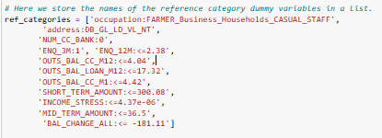
 |  |  |  |  |  |  | 27 | OUTS_BAL_CC_M6 | 368.975886 | 27 | OUTS_BAL_CC_M6 | 0.020952 | 14 NUM_CC_NON_BANK 0.032908
 |  |  |  |  |  |  | 19 | NUM_RELATIONSHIP | 348.038261 | 16 | NUM_LOANS_NON_BANK | 0.020258 | 32 NUM_NEW_LOAN_3M 0.026632
 |  |  |  |  |  |  | 22 | OUTS_BAL_ALL_M1 | 345.778038 | 37 | NUM_NEW_LOAN_12M | 0.020028 | 9 MID_TERM_COUNT_NON_BANK 0.024357
 |  |  |  |  |  |  | 5 | phone_provider | 250.93336 | 21 | OUTS_BAL_CC_M1 | 0.018939 | 6 MID_TERM_COUNT_BANK 0.024043
 |  |  |  |  |  |  | 18 | NUM_CC_NON_BANK | 234.079699 | 19 | NUM_RELATIONSHIP | 0.013177 | 8 SHORT_TERM_COUNT_NON_BANK 0.016363
 |  |  |  |  |  |  | 36 | NUM_NEW_LOAN_3M | 215.318241 | 36 | NUM_NEW_LOAN_3M | 0.012129 | 7 LONG_TERM_COUNT_BANK 0.014638
 |  |  |  |  |  |  | 1 | gender | 204.615571 | 24 | OUTS_BAL_CC_M3 | 0.011046 | 10 LONG_TERM_COUNT_NON_BANK 0.009609
 | Fit LR |  |  |  |  |  | 13 | MID_TERM_COUNT_NON_BANK | 189.719199 | 18 | NUM_CC_NON_BANK | 0.010151 | 12 NUM_LOANS_NON_BANK 0.007710
 | Remove features which are not sta. significant (p< 0.05): if none of the dummies of one feature < 0.05: remove that feature |  |  |  |  |  | 24 | OUTS_BAL_CC_M3 | 146.889688 | 13 | MID_TERM_COUNT_NON_BANK | 0.008158 | 34 mths_since_issue_d 0.003180
 | (meaning that if at least 1 dummy has p< 0.05, the feature will be kept) |  |  |  |  |  | 9 | SHORT_TERM_COUNT_BANK | 129.2099 | 9 | SHORT_TERM_COUNT_BANK | 0.005072
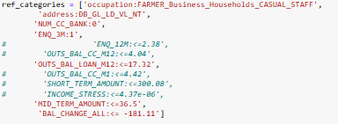
 |  |  |  |  |  |  | 8 | LONG_TERM_AMOUNT | 35.27467 | 8 | LONG_TERM_AMOUNT | 0.004087
 |  |  |  |  |  |  | 15 | NUM_LOANS_BANK | 27.362801 | 15 | NUM_LOANS_BANK | 0.002342
 |  |  |  |  |  |  | 10 | MID_TERM_COUNT_BANK | 25.0117 | 10 | MID_TERM_COUNT_BANK | 0.001396
 |  |  |  |  |  |  | 11 | LONG_TERM_COUNT_BANK | 0 | 11 | LONG_TERM_COUNT_BANK | 0
 | Fit LR again, after remove non sign. features |  |  |  |  |  | 14 | LONG_TERM_COUNT_NON_BANK | 0 | 14 | LONG_TERM_COUNT_NON_BANK | 0

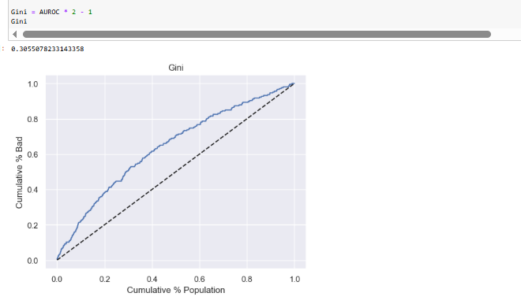
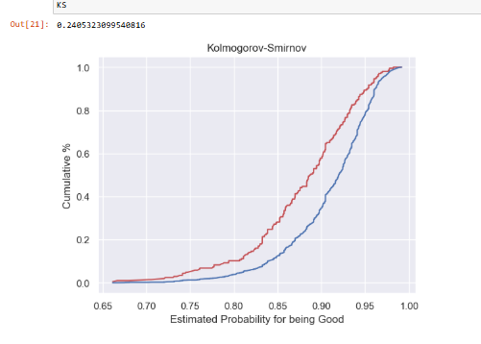

2 | LR and other models (without dummies)

 | + note that: important grade (from lightgbm/shap) for features may be reduced as we include corr features, meaning that for low important features, if they are corr, we can remove some/one of them and run importance check again to see if the grade for remaining features are higher (because since many of them are in a model, the importance maybe splitted)? (correct?)
 | remove some features and run importance again (see table result in the right)
 | after remove some features, the proposed list:… and the choosen (see original features in the picture below)
 | it is from: choose random + a bit of experience I tried before with LR (with dummies) (and see IV,…)
 | you can of course choose a different list (from the whole: Keep + Possible Keep)
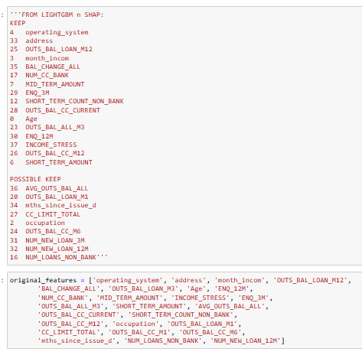
 |  | table from lightgbm |  |  | table from shap
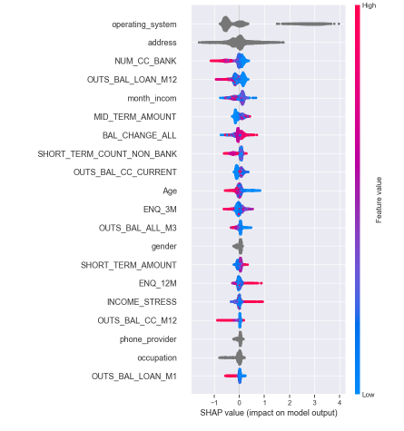
 |  | feature | importance |  | feature | importance
 | 4 | operating_system | 33532.217811 | 4 | operating_system | 0.651574
 | 33 | address | 9672.784622 | 33 | address | 0.260722
 | 3 | month_incom | 2256.990786 | 17 | NUM_CC_BANK | 0.158111
 | 25 | OUTS_BAL_LOAN_M12 | 2141.437086 | 25 | OUTS_BAL_LOAN_M12 | 0.153343
 | 35 | BAL_CHANGE_ALL | 2073.52523 | 3 | month_incom | 0.148699
 | 0 | Age | 1596.477339 | 7 | MID_TERM_AMOUNT | 0.11661
 | 17 | NUM_CC_BANK | 1414.385338 | 35 | BAL_CHANGE_ALL | 0.114666
 | 29 | ENQ_3M | 1242.167278 | 12 | SHORT_TERM_COUNT_NON_BANK | 0.113411
 | 23 | OUTS_BAL_ALL_M3 | 1159.388799 | 28 | OUTS_BAL_CC_CURRENT | 0.09683
 | 37 | INCOME_STRESS | 1113.053773 | 0 | Age | 0.095331
 | 30 | ENQ_12M | 1064.59828 | 29 | ENQ_3M | 0.093911
 | 7 | MID_TERM_AMOUNT | 1012.886123 | 23 | OUTS_BAL_ALL_M3 | 0.06606
 | 36 | AVG_OUTS_BAL_ALL | 938.261045 | 1 | gender | 0.057239
 | 12 | SHORT_TERM_COUNT_NON_BANK | 813.233256 | 6 | SHORT_TERM_AMOUNT | 0.054118
 | 20 | OUTS_BAL_LOAN_M1 | 778.104661 | 30 | ENQ_12M | 0.051301
 | 28 | OUTS_BAL_CC_CURRENT | 691.022491 | 37 | INCOME_STRESS | 0.050675
 |  | CC_LIMIT_TOTAL | 687.364449 | 26 | OUTS_BAL_CC_M12 | 0.048112
 | hyperparameters tuning with gridsearch, cv = 5, stratified | OUTS_BAL_CC_M12 | 677.07847 | 5 | phone_provider | 0.047555
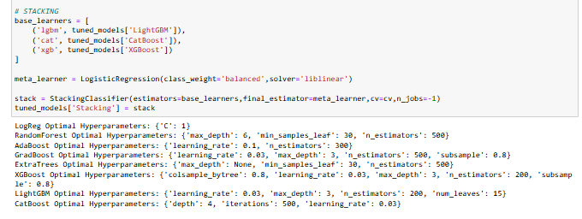
 | 6 | SHORT_TERM_AMOUNT | 651.356851 | 2 | occupation | 0.043934
 | 34 | mths_since_issue_d | 528.8698 | 20 | OUTS_BAL_LOAN_M1 | 0.039795
 | 21 | OUTS_BAL_CC_M1 | 509.086617 | 36 | AVG_OUTS_BAL_ALL | 0.034608
 | 2 | occupation | 463.442029 | 34 | mths_since_issue_d | 0.03262
 | 24 | OUTS_BAL_CC_M6 | 461.197769 | 27 | CC_LIMIT_TOTAL | 0.031939
 | 31 | NUM_NEW_LOAN_3M | 449.121709 | 24 | OUTS_BAL_CC_M6 | 0.031498
 | 32 | NUM_NEW_LOAN_12M | 343.310187 | 31 | NUM_NEW_LOAN_3M | 0.030207
 | 5 | phone_provider | 332.021171 | 32 | NUM_NEW_LOAN_12M | 0.029827
 | 19 | NUM_RELATIONSHIP | 319.635881 | 21 | OUTS_BAL_CC_M1 | 0.02488
 | 16 | NUM_LOANS_NON_BANK | 318.416738 | 16 | NUM_LOANS_NON_BANK | 0.017004
 | 13 | MID_TERM_COUNT_NON_BANK | 288.636759 | 13 | MID_TERM_COUNT_NON_BANK | 0.014114
 | 22 | OUTS_BAL_CC_M3 | 238.029318 | 22 | OUTS_BAL_CC_M3 | 0.01206
 | 18 | NUM_CC_NON_BANK | 228.225081 | 19 | NUM_RELATIONSHIP | 0.011577
 | 1 | gender | 164.65317 | 18 | NUM_CC_NON_BANK | 0.008364
 | 9 | SHORT_TERM_COUNT_BANK | 106.65559 | 9 | SHORT_TERM_COUNT_BANK | 0.005221
 | 15 | NUM_LOANS_BANK | 53.01021 | 8 | LONG_TERM_AMOUNT | 0.005023
 | 8 | LONG_TERM_AMOUNT | 46.579329 | 15 | NUM_LOANS_BANK | 0.002218
 | 10 | MID_TERM_COUNT_BANK | 32.768451 | 10 | MID_TERM_COUNT_BANK | 0.000897
 | 11 | LONG_TERM_COUNT_BANK | 0 | 11 | LONG_TERM_COUNT_BANK | 0
 | 14 | LONG_TERM_COUNT_NON_BANK | 0 | 14 | LONG_TERM_COUNT_NON_BANK | 0

