Sheet1


Sheet2


勤
话

Sheet3


Sheet4


Sheet5
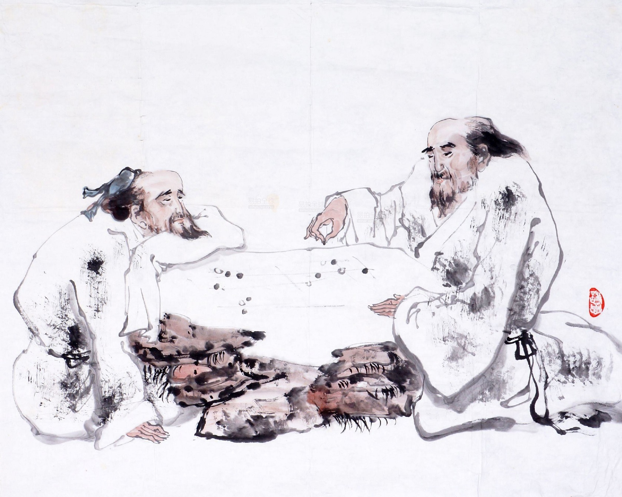

Sheet6
