Test Cases
Project Name: | Half ebay Application
Module Name: |  | Date Update:25-07-2022
Last Build Tested | NA | Reviewed By: Sneha Yerram
Run No: | 1 | Executed By:Satya Bhavani Gedela
Run Date: |  | Execution Time:2days
Test Objective: | Verify Halfebay Functionalities
Test Setup: | Windows 2010, MSExcel 2019
Req.ID | Test Case ID | Test Case Description | Test Steps | Test Data | Expected Result | Actual Result | Status
R_1.1 | TC_01 | Checking Customer register with valid Information | 1.Go to siteEnter url http://www.half.ebay.com in search Box 2.Click on Register Button 2.User need to Enter First name and Last Name 3.User need to Enter Email and Password 4.User Should click on Register Button Home Page Of Application will appear | First name: Nirisha Last Name: Pakki Email: nirisha246@gmail.com Password:************** Click on register Button | User Should Register to the Application | 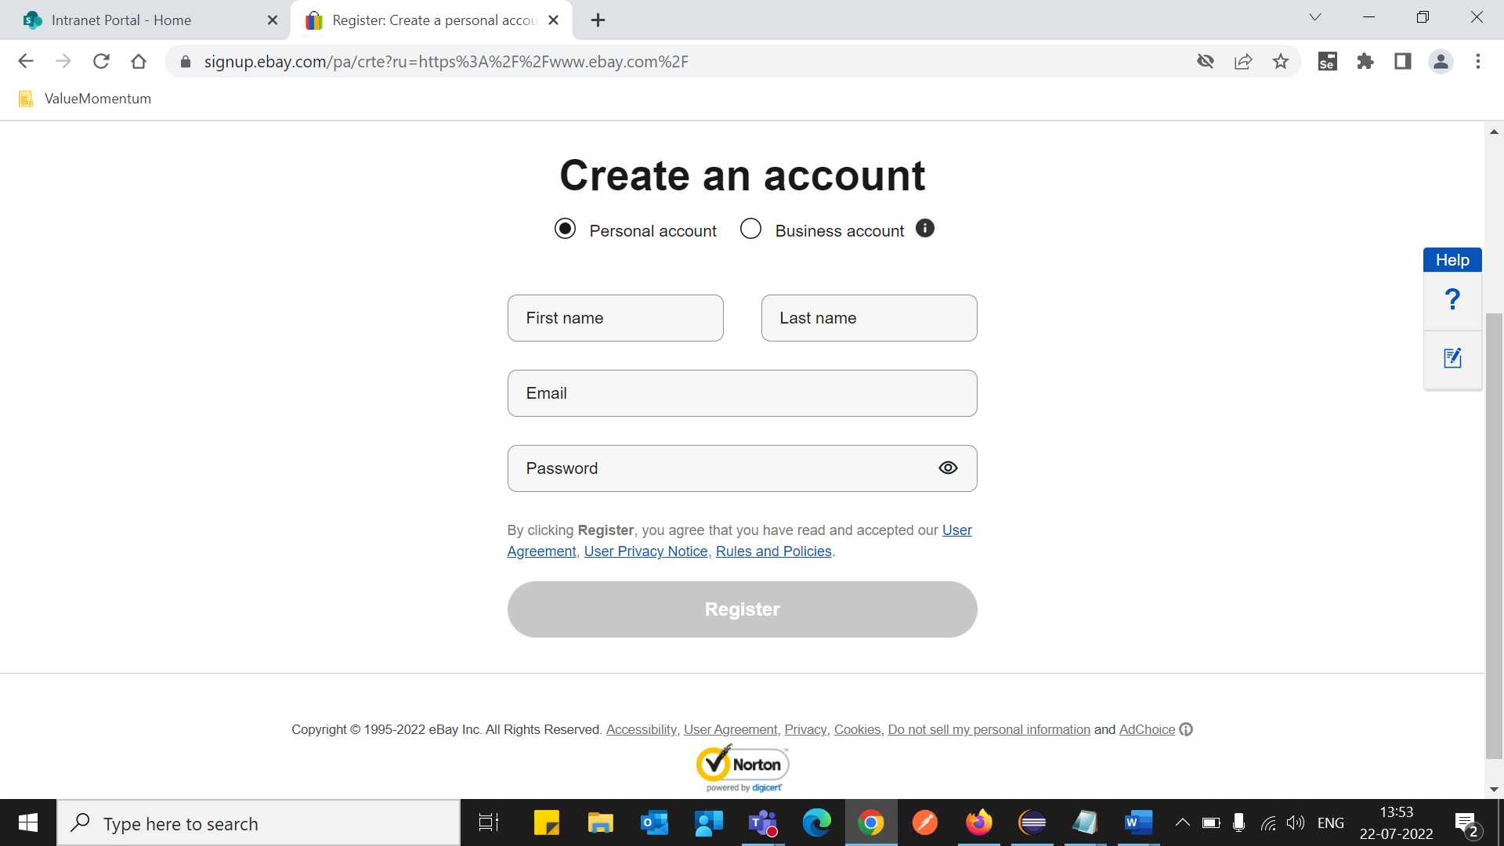 Working as Expected | Passed
R_1.2 | TC_02 | Checking the Signin Functionality | 1.Go to siteEnter url http://www.half.ebay.com in search Box 2.Click on Register Button 3.Enter the required Details 4. Click on Signin Option 5. Enter the Password 6. Click on Continue | Password: ************** | User able to Signin to the Application | 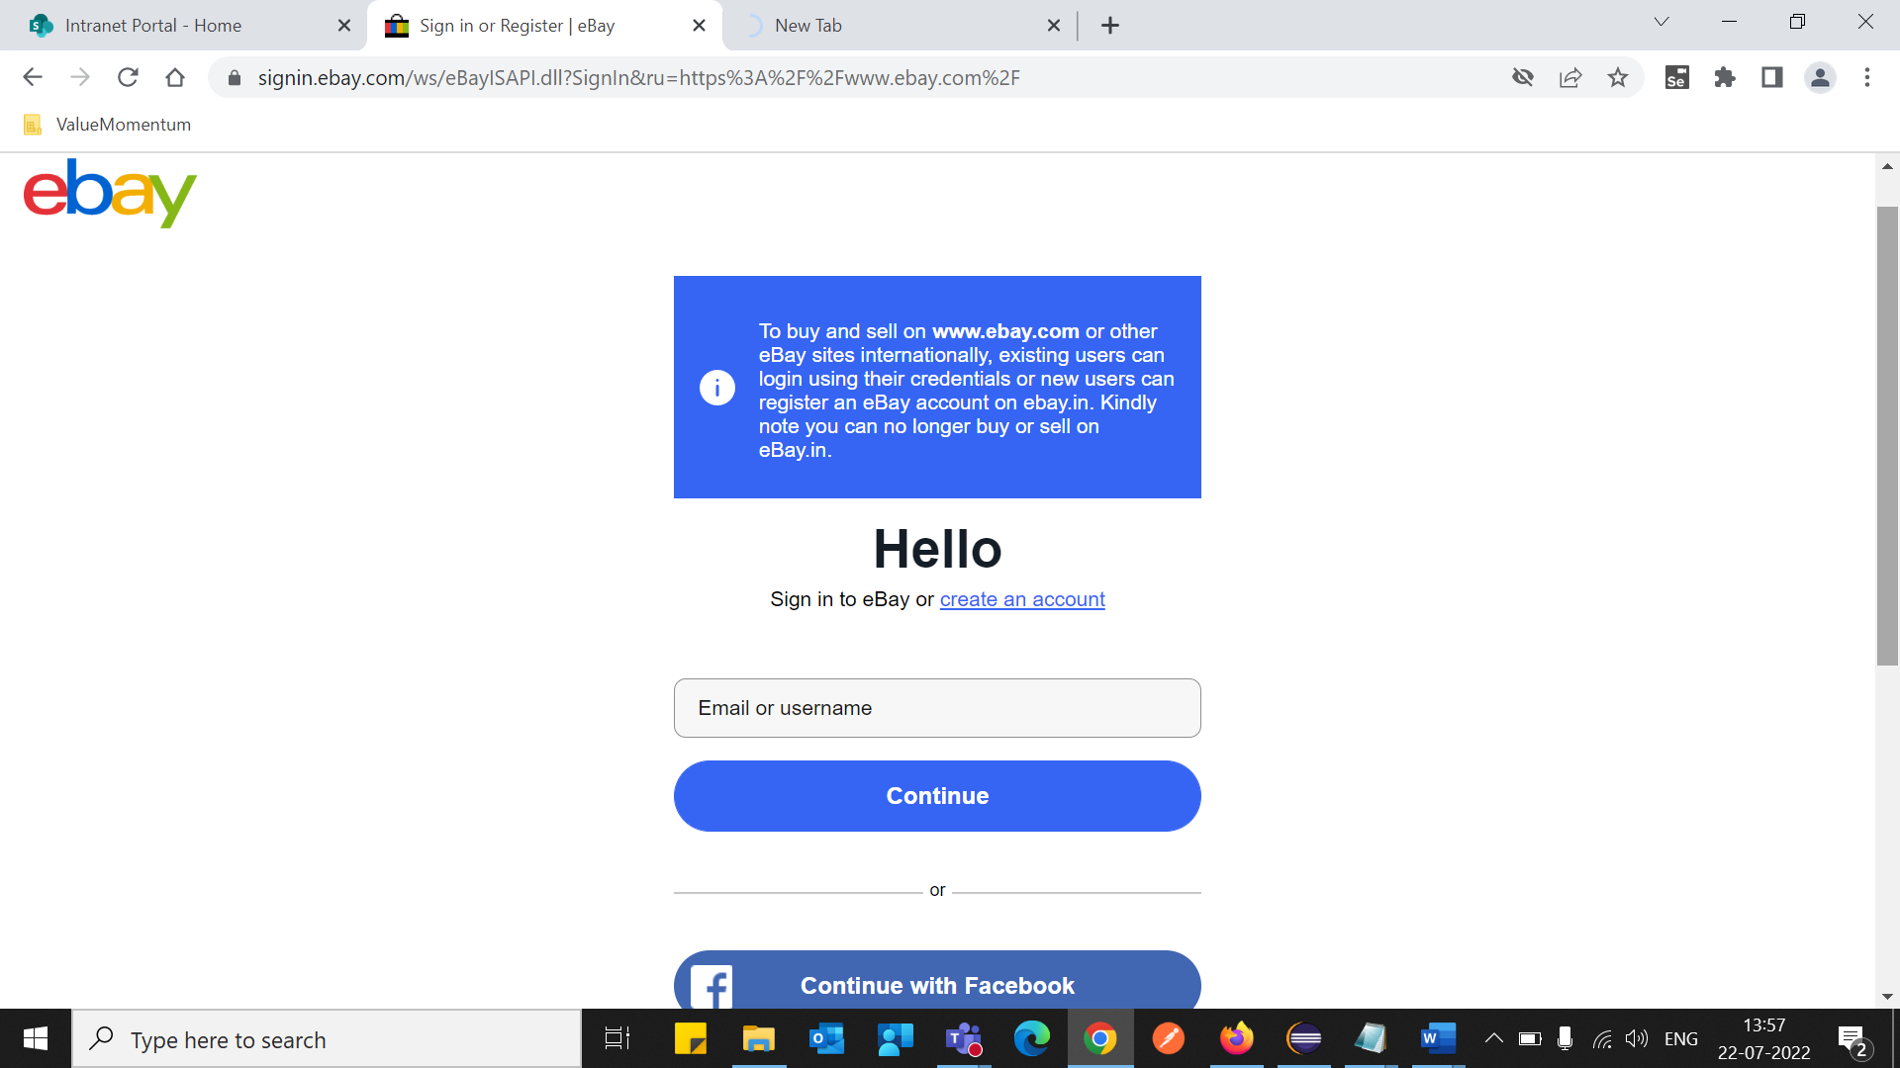 Working as Expected | Passed
R_1.3 | TC_03 | Sigh Out from the application | 1.After Clicking on Checkout Pushbuttons.2. User Should Signout to halfbay 3. Quit the Browser | Sighout Successfully | z | 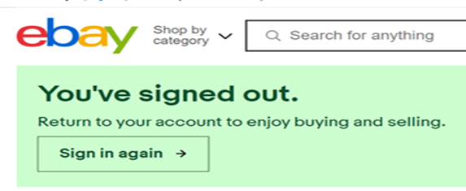 | Passed

