Sheet1
 | final results record |  |  |  |  |  |  |  |  |  |  | chained-attack results

Scenario | Posture Score | Drifts | Critical | High | Medium | Alerts |  |  | Chain Stage | Attack Added | Posture Score | Total Drifts | Critical | High | Medium | Alerts Fired
Baseline | 100 | 0 | 0 | 0 | 0 | 0 |  |  | Baseline | None | 100 | 0 | 0 | 0 | 0 | 0
S1: S3 Public Exposure | 75 | 1 | 1 | 0 | 0 | 1 |  |  | Step 1 | SSH Open | 75 | 1 | 1 | 0 | 0 | 1
S2: IAM Admin Access | 60 | 2 | 1 | 1 | 0 | 2 |  |  | Step 2 | + IAM Admin | 35 | 3 | 2 | 1 | 0 | 2
S3: SSH Open to All | 75 | 1 | 1 | 0 | 0 | 1 |  |  | Step 3 | + Encryption Disabled | 10 | 4 | 3 | 1 | 0 | 1
S4: Encryption Disabled | 75 | 1 | 1 | 0 | 0 | 1 |  |  | Step 4 | + S3 Public Access | 0 | 5 | 4 | 1 | 0 | 1
S5: Monitoring Disabled | 92 | 1 | 0 | 0 | 1 | 0 |  |  | Step 5 | + Monitoring Disabled | 0 | 6 | 4 | 1 | 1 | 0
Final Restored | 100 | 0 | 0 | 0 | 0 | 0

 |  |  |  |  |  | frquency-detection result

 |  |  |  | Experiment | Resource | Parameter | Changes in 1 Hour | Threshold | Alert | Severity
 |  |  |  | Frequency Probe | sg-web-server | ssh_open_to_all | 4 | 3 | 1 | HIGH

Metrics currently measured
 |  |  |  |  |  | DASHBOARD
1. Security Posture Score
2. Drift Detection Count
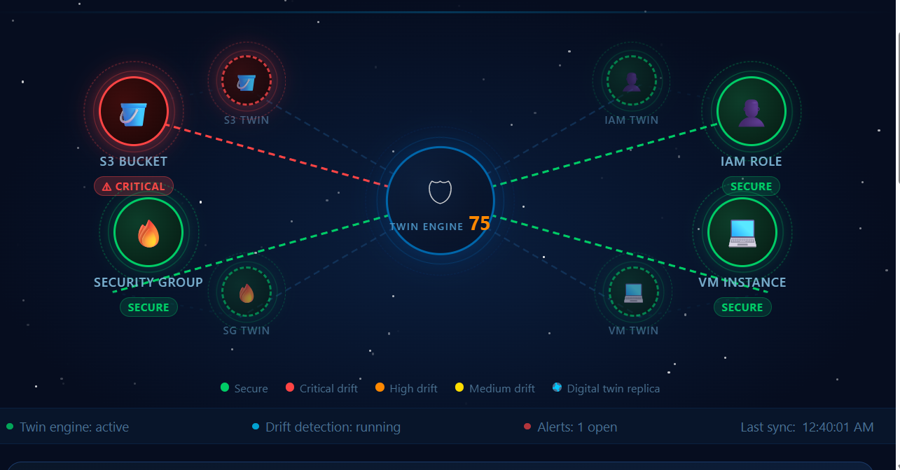
3. Drift Severity Distribution
4. Alert Generation Count
5. Cumulative Chained-Attack Drift Count
6. Frequency-Change Detection

 |  | final experimental Results

 |  | Scenario | Score | Drifts | Critical | High | Medium | Alerts
 |  | Baseline | 100 | 0 | 0 | 0 | 0 | 0
 |  | S1: S3 Public Exposure | 75 | 1 | 1 | 0 | 0 | 1
 |  | S2: IAM Admin Access | 60 | 2 | 1 | 1 | 0 | 2
 |  | S3: SSH Open to All | 75 | 1 | 1 | 0 | 0 | 1
 |  | S4: Encryption Disabled | 75 | 1 | 1 | 0 | 0 | 1
 |  | S5: Monitoring Disabled | 92 | 1 | 0 | 0 | 1 | 0
 |  | Final Restored | 100 | 0 | 0 | 0 | 0 | 0

 |  | chained attack

 |  | 100 → 75 → 35 → 10 → 0 → 0

 |  | Frequency detection

 |  | ssh_open_to_all
 |  | 4 changes within 1 hour
 |  | Threshold = 3
 |  | HIGH frequency alert = 1

Results Interpretation

The experimental evaluation demonstrates that the proposed Digital Twin framework can identify configuration drift across multiple cloud security controls and quantify the resulting security posture. In the isolated attack experiments, the posture score decreased from the secure baseline of 100 to 75 for S3 public exposure, 60 for IAM administrative access, 75 for SSH exposure, 75 for disabled encryption, and 92 for disabled monitoring. The cumulative chained-attack experiment showed a progressive deterioration in posture from 100 to 75, 35, 10, and finally 0 as additional security controls were compromised. The frequency-probe experiment additionally detected repeated changes to the SSH configuration, generating a HIGH-severity frequency alert after four changes within the defined one-hour window.

