Group Sheets
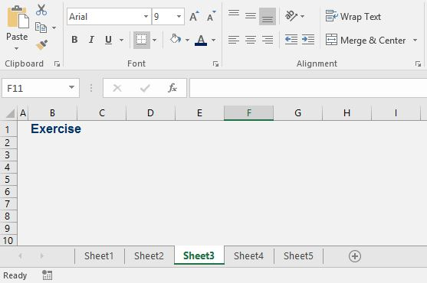
EXERCISE - Group Sheets

Task 1: Create four new empty sheets. The goal is to apply the following formatting to all of them. Therefore, use the Group sheets functionality before you start.
White fill color for all cells;
Font Arial, font size 9 for all cells;
Column A width : 1.25;
Cell B1: Arial, font size 12; Type "Exercise". Apply dark blue font color. Use bold formatting.

SOLUTION - Group Sheets

After you create the new sheets, click on one, hold the Ctrl key, and then select the rest.

After you have applied the required formatting, click on Sheet 1 and then on Sheet 3 and see that it's been formatted nicely.

Group Columns & Rows
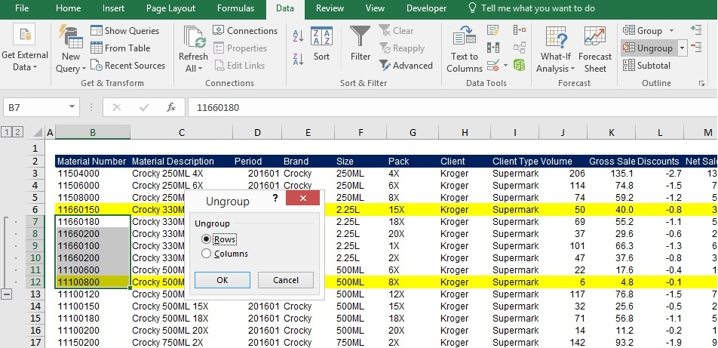
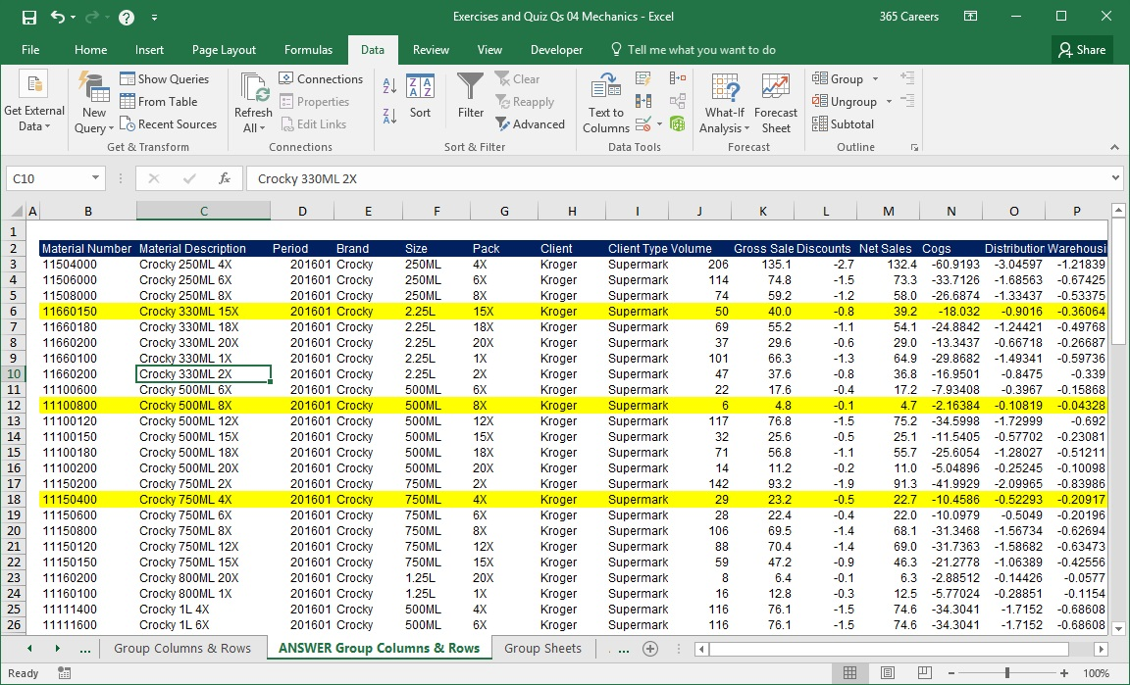
SOLUTION - Group Columns & Rows

Task 1: Group columns B and C. Then, group G and H. Finally, group the columns from G to L.

Select columns B and C and then click on the Group button in the Data tab.

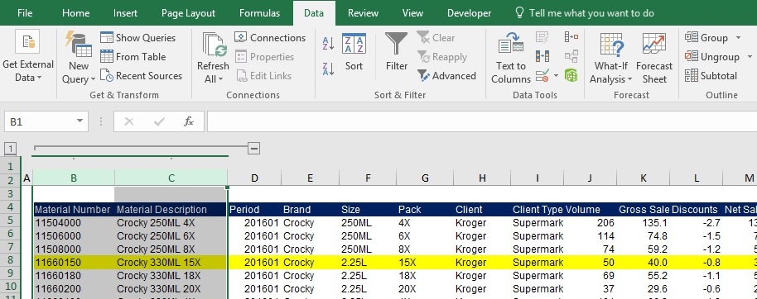

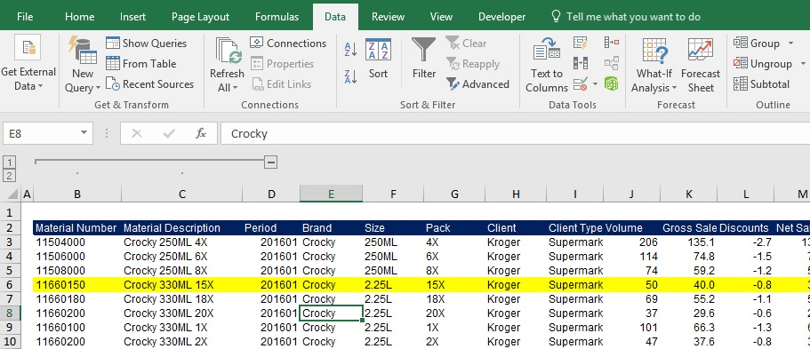

Select columns G and H and then click on the Group button in the Data tab. After you do so, you can manipulate the groups as shown below.

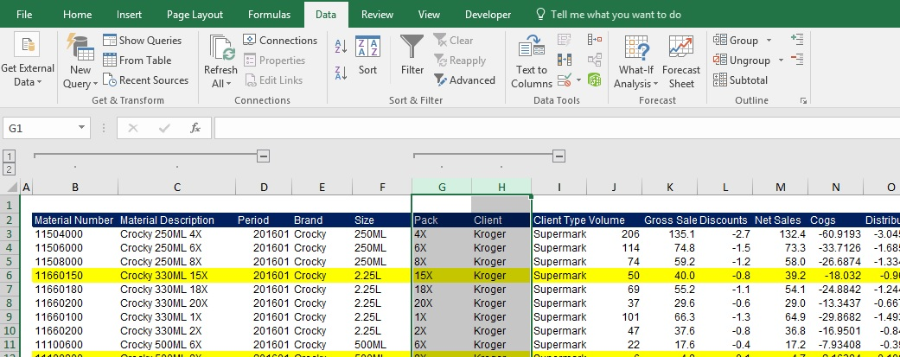

To create a group with the columns from G to L, select the columns and then press the Group button. You can see the result below. Remember, on the left side, you will have numbers that will represent the hierarchy of the organization of your columns into groups.

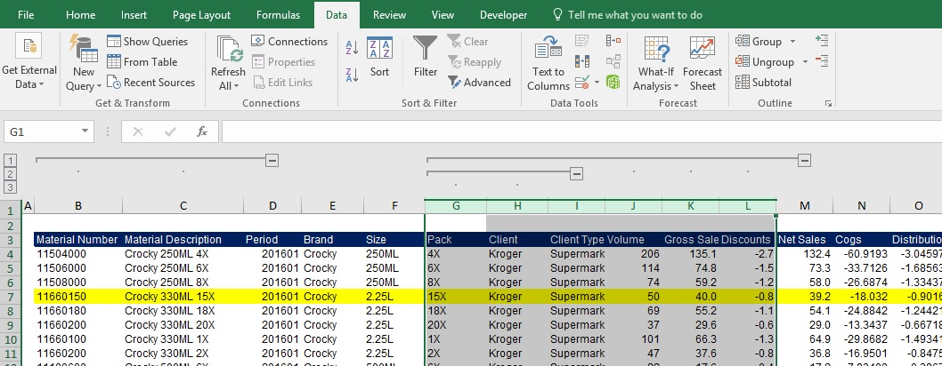

Task 2: Ungroup the columns you grouped in the previous task.

To accomplish this, you need to repeat the same steps, but this time, press the Ungroup button under the Data tab.

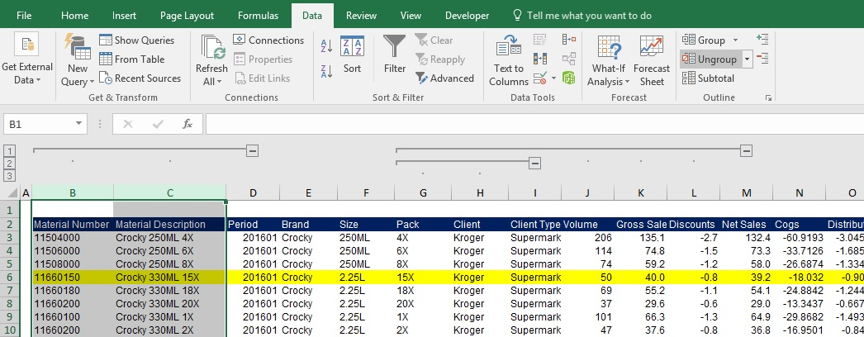

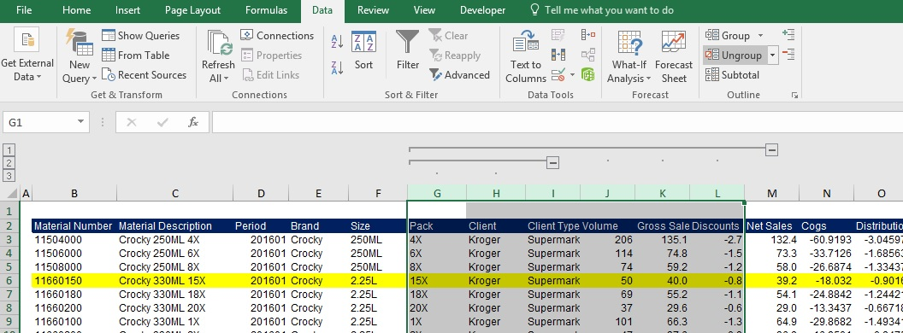

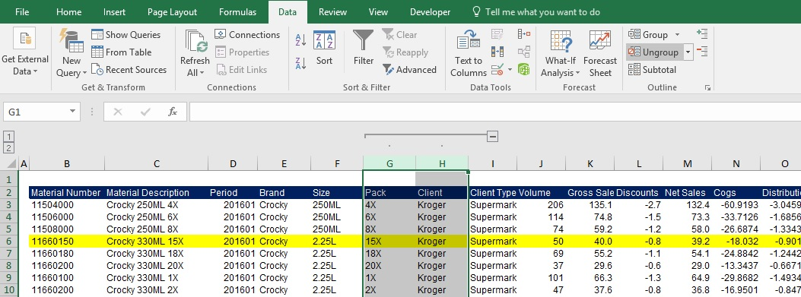

Task 3: Group all the rows from Material Number 11660180 to 11100800.

The procedure is analogical to grouping columns. Remember, it is not indispensable to select the entire rows (or columns). Select the adjacent cells representing the rows you are about to group.

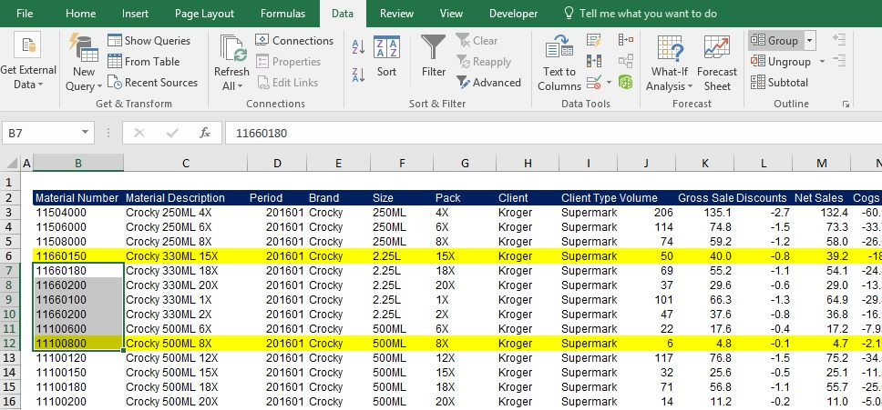

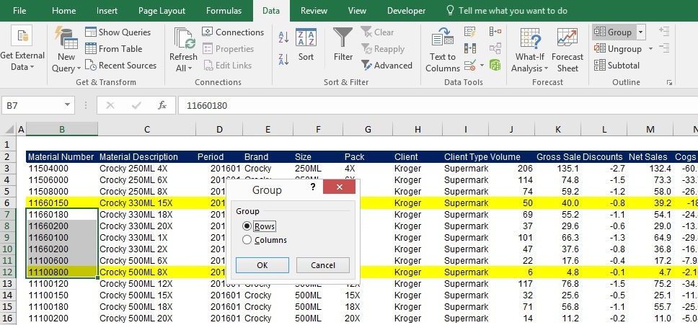

This results from grouping the rows with material numbers from 11660180 to 11100800. Should you hide the group, you must press the minus sign in the left part of the screen.
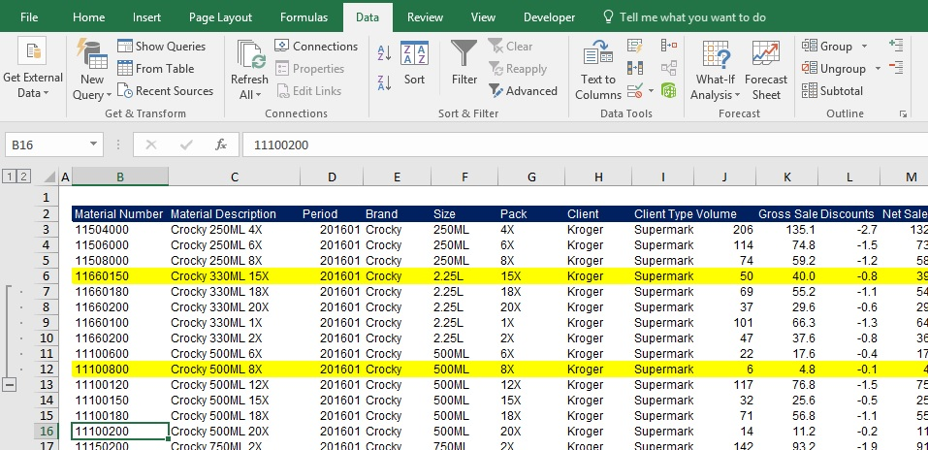

If you want to unhide the group, press the plus sign, as indicated on the picture below.
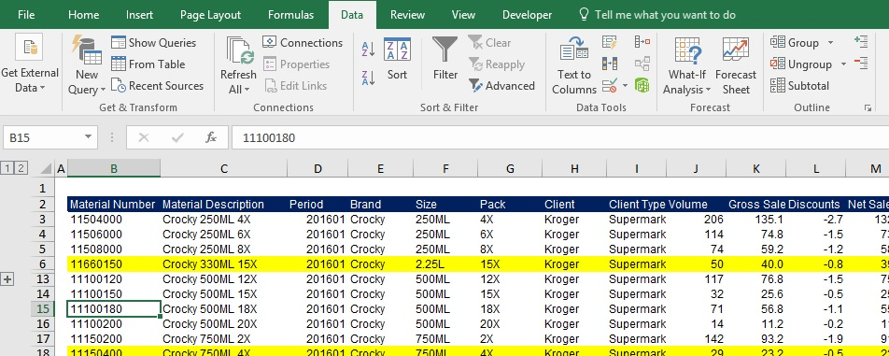

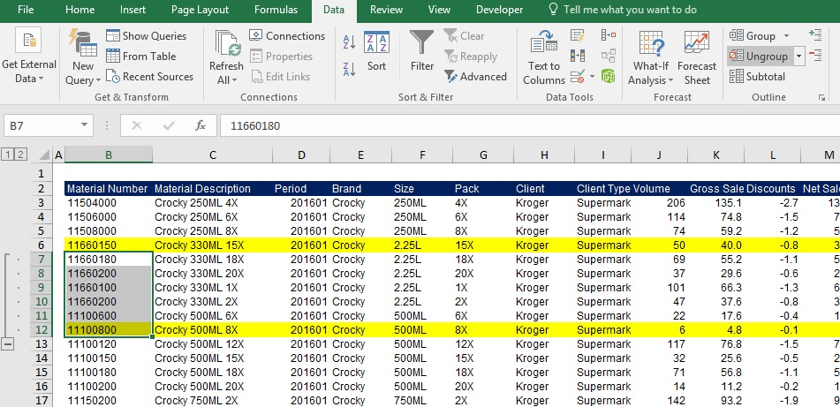

Task 4: Ungroup these rows.

Follow the same steps as the ones we used for ungrouping columns.

Ex. Group Columns & Rows
EXERCISE - Group Columns & Rows

Task 1: Group columns B and C. Then, group G and H. Finally, group the columns from G to L.
Task 2: Ungroup the columns you grouped in the previous task.
Task 3: Group all the rows from Material Number 11660180 to 11100800.
Task 4: Ungroup these rows.

Material Number | Material Description | Period | Brand | Size | Pack | Client | Client Type | Volume | Gross Sales | Discounts | Net Sales | Cogs | Distribution | Warehousing
11504000 | Crocky 250ML 4X | 201601 | Crocky | 250ML | 4X | Kroger | Supermarkets | 206 | 135.1 | -2.7 | 132.4 | -60.9193088 | -3.04596544 | -1.218386176
11506000 | Crocky 250ML 6X | 201601 | Crocky | 250ML | 6X | Kroger | Supermarkets | 114 | 74.8 | -1.5 | 73.3 | -33.7126272 | -1.68563136 | -0.674252544
11508000 | Crocky 250ML 8X | 201601 | Crocky | 250ML | 8X | Kroger | Supermarkets | 74 | 59.2 | -1.2 | 58.0 | -26.68736 | -1.334368 | -0.5337472
11660150 | Crocky 330ML 15X | 201601 | Crocky | 2.25L | 15X | Kroger | Supermarkets | 50 | 40.0 | -0.8 | 39.2 | -18.032 | -0.9016 | -0.36064
11660180 | Crocky 330ML 18X | 201601 | Crocky | 2.25L | 18X | Kroger | Supermarkets | 69 | 55.2 | -1.1 | 54.1 | -24.88416 | -1.244208 | -0.4976832
11660200 | Crocky 330ML 20X | 201601 | Crocky | 2.25L | 20X | Kroger | Supermarkets | 37 | 29.6 | -0.6 | 29.0 | -13.34368 | -0.667184 | -0.2668736
11660100 | Crocky 330ML 1X | 201601 | Crocky | 2.25L | 1X | Kroger | Supermarkets | 101 | 66.3 | -1.3 | 64.9 | -29.8682048 | -1.49341024 | -0.597364096
11660200 | Crocky 330ML 2X | 201601 | Crocky | 2.25L | 2X | Kroger | Supermarkets | 47 | 37.6 | -0.8 | 36.8 | -16.95008 | -0.847504 | -0.3390016
11100600 | Crocky 500ML 6X | 201601 | Crocky | 500ML | 6X | Kroger | Supermarkets | 22 | 17.6 | -0.4 | 17.2 | -7.93408 | -0.396704 | -0.1586816
11100800 | Crocky 500ML 8X | 201601 | Crocky | 500ML | 8X | Kroger | Supermarkets | 6 | 4.8 | -0.1 | 4.7 | -2.16384 | -0.108192 | -0.0432768
11100120 | Crocky 500ML 12X | 201601 | Crocky | 500ML | 12X | Kroger | Supermarkets | 117 | 76.8 | -1.5 | 75.2 | -34.5998016 | -1.72999008 | -0.691996032
11100150 | Crocky 500ML 15X | 201601 | Crocky | 500ML | 15X | Kroger | Supermarkets | 32 | 25.6 | -0.5 | 25.1 | -11.54048 | -0.577024 | -0.2308096
11100180 | Crocky 500ML 18X | 201601 | Crocky | 500ML | 18X | Kroger | Supermarkets | 71 | 56.8 | -1.1 | 55.7 | -25.60544 | -1.280272 | -0.5121088
11100200 | Crocky 500ML 20X | 201601 | Crocky | 500ML | 20X | Kroger | Supermarkets | 14 | 11.2 | -0.2 | 11.0 | -5.04896 | -0.252448 | -0.1009792
11150200 | Crocky 750ML 2X | 201601 | Crocky | 750ML | 2X | Kroger | Supermarkets | 142 | 93.2 | -1.9 | 91.3 | -41.9929216 | -2.09964608 | -0.839858432
11150400 | Crocky 750ML 4X | 201601 | Crocky | 750ML | 4X | Kroger | Supermarkets | 29 | 23.2 | -0.5 | 22.7 | -10.45856 | -0.522928 | -0.2091712
11150600 | Crocky 750ML 6X | 201601 | Crocky | 750ML | 6X | Kroger | Supermarkets | 28 | 22.4 | -0.4 | 22.0 | -10.09792 | -0.504896 | -0.2019584
11150800 | Crocky 750ML 8X | 201601 | Crocky | 750ML | 8X | Kroger | Supermarkets | 106 | 69.5 | -1.4 | 68.1 | -31.3468288 | -1.56734144 | -0.626936576
11150120 | Crocky 750ML 12X | 201601 | Crocky | 750ML | 12X | Kroger | Supermarkets | 88 | 70.4 | -1.4 | 69.0 | -31.73632 | -1.586816 | -0.6347264
11150150 | Crocky 750ML 15X | 201601 | Crocky | 750ML | 15X | Kroger | Supermarkets | 59 | 47.2 | -0.9 | 46.3 | -21.27776 | -1.063888 | -0.4255552
11160200 | Crocky 800ML 20X | 201601 | Crocky | 1.25L | 20X | Kroger | Supermarkets | 8 | 6.4 | -0.1 | 6.3 | -2.88512 | -0.144256 | -0.0577024
11160100 | Crocky 800ML 1X | 201601 | Crocky | 1.25L | 1X | Kroger | Supermarkets | 16 | 12.8 | -0.3 | 12.5 | -5.77024 | -0.288512 | -0.1154048
11111400 | Crocky 1L 4X | 201601 | Crocky | 500ML | 4X | Kroger | Supermarkets | 116 | 76.1 | -1.5 | 74.6 | -34.3040768 | -1.71520384 | -0.686081536
11111600 | Crocky 1L 6X | 201601 | Crocky | 500ML | 6X | Kroger | Supermarkets | 116 | 76.1 | -1.5 | 74.6 | -34.3040768 | -1.71520384 | -0.686081536
11111800 | Crocky 1L 8X | 201601 | Crocky | 500ML | 8X | Kroger | Supermarkets | 67 | 53.6 | -1.1 | 52.5 | -24.16288 | -1.208144 | -0.4832576
11125150 | Crocky 1.25L 15X | 201601 | Crocky | 600ML | 15X | Kroger | Supermarkets | 29 | 23.2 | -0.5 | 22.7 | -10.45856 | -0.522928 | -0.2091712
11125180 | Crocky 1.25L 18X | 201601 | Crocky | 600ML | 18X | Kroger | Supermarkets | 64 | 51.2 | -1.0 | 50.2 | -23.08096 | -1.154048 | -0.4616192
11125200 | Crocky 1.25L 20X | 201601 | Crocky | 600ML | 20X | Kroger | Supermarkets | 8 | 6.4 | -0.1 | 6.3 | -2.88512 | -0.144256 | -0.0577024
11125100 | Crocky 1.25L 1X | 201601 | Crocky | 600ML | 1X | Kroger | Supermarkets | 89 | 71.2 | -1.4 | 69.8 | -32.09696 | -1.604848 | -0.6419392
11300400 | Crocky 1.5L 4X | 201601 | Crocky | 1.5L | 4X | Kroger | Supermarkets | 105 | 68.9 | -1.4 | 67.5 | -31.051104 | -1.5525552 | -0.62102208
11300600 | Crocky 1.5L 6X | 201601 | Crocky | 1.5L | 6X | Kroger | Supermarkets | 117 | 76.8 | -1.5 | 75.2 | -34.5998016 | -1.72999008 | -0.691996032
12100100 | Dundy Diet 500ML 1X | 201601 | Dundy Diet | 500ML | 1X | Kroger | Supermarkets | 1505 | 1604.3 | -32.1 | 1572.2 | -919.762389 | -45.98811945 | -18.39524778
12100200 | Dundy Diet 500ML 2X | 201601 | Dundy Diet | 500ML | 2X | Kroger | Supermarkets | 3767 | 4015.6 | -80.3 | 3935.3 | -2302.1560926 | -115.10780463 | -46.043121852
12120600 | Dundy Diet 600ML 6X | 201601 | Dundy Diet | 600ML | 6X | Kroger | Supermarkets | 2761 | 2943.2 | -58.9 | 2884.4 | -1687.3514658 | -84.36757329 | -33.747029316
12120800 | Dundy Diet 600ML 8X | 201601 | Dundy Diet | 600ML | 8X | Kroger | Supermarkets | 3034 | 3234.2 | -64.7 | 3169.6 | -1854.1920852 | -92.70960426 | -37.083841704
12120120 | Dundy Diet 600ML 12X | 201601 | Dundy Diet | 600ML | 12X | Kroger | Supermarkets | 2179 | 2322.8 | -46.5 | 2276.4 | -1331.6692662 | -66.58346331 | -26.633385324
12120150 | Dundy Diet 600ML 15X | 201601 | Dundy Diet | 600ML | 15X | Kroger | Supermarkets | 3063 | 3265.2 | -65.3 | 3199.9 | -1871.9150814 | -93.59575407 | -37.438301628
12120180 | Dundy Diet 600ML 18X | 201601 | Dundy Diet | 600ML | 18X | Kroger | Supermarkets | 1299 | 1384.7 | -27.7 | 1357.0 | -793.8680022 | -39.69340011 | -15.877360044
12150100 | Dundy Diet 750ML 1X | 201601 | Dundy Diet | 750ML | 1X | Kroger | Supermarkets | 2458 | 2620.2 | -52.4 | 2567.8 | -1502.1767124 | -75.10883562 | -30.043534248
12150200 | Dundy Diet 750ML 2X | 201601 | Dundy Diet | 750ML | 2X | Kroger | Supermarkets | 2186 | 2330.3 | -46.6 | 2283.7 | -1335.9472308 | -66.79736154 | -26.718944616
12150400 | Dundy Diet 750ML 4X | 201601 | Dundy Diet | 750ML | 4X | Kroger | Supermarkets | 1632 | 1739.7 | -34.8 | 1704.9 | -997.3768896 | -49.86884448 | -19.947537792
12150600 | Dundy Diet 750ML 6X | 201601 | Dundy Diet | 750ML | 6X | Kroger | Supermarkets | 3863 | 4118.0 | -82.4 | 4035.6 | -2360.8253214 | -118.04126607 | -47.216506428
12150800 | Dundy Diet 750ML 8X | 201601 | Dundy Diet | 750ML | 8X | Kroger | Supermarkets | 1822 | 1942.3 | -38.8 | 1903.4 | -1113.4930716 | -55.67465358 | -22.269861432
12111600 | Dundy Diet 1L 6X | 201601 | Dundy Diet | 500ML | 6X | Kroger | Supermarkets | 1117 | 1190.7 | -23.8 | 1166.9 | -682.6409226 | -34.13204613 | -13.652818452
12111800 | Dundy Diet 1L 8X | 201601 | Dundy Diet | 500ML | 8X | Kroger | Supermarkets | 3649 | 3889.8 | -77.8 | 3812.0 | -2230.0418322 | -111.50209161 | -44.600836644
12111120 | Dundy Diet 1L 12X | 201601 | Dundy Diet | 500ML | 12X | Kroger | Supermarkets | 2151 | 2293.0 | -45.9 | 2247.1 | -1314.5574078 | -65.72787039 | -26.291148156
12111150 | Dundy Diet 1L 15X | 201601 | Dundy Diet | 500ML | 15X | Kroger | Supermarkets | 3851 | 4105.2 | -82.1 | 4023.1 | -2353.4916678 | -117.67458339 | -47.069833356
12111180 | Dundy Diet 1L 18X | 201601 | Dundy Diet | 500ML | 18X | Kroger | Supermarkets | 2955 | 3150.0 | -63.0 | 3087.0 | -1805.912199 | -90.29560995 | -36.11824398
12125100 | Dundy Diet 1.25L 1X | 201601 | Dundy Diet | 600ML | 1X | Kroger | Supermarkets | 1838 | 1959.3 | -39.2 | 1920.1 | -1123.2712764 | -56.16356382 | -22.465425528
12125200 | Dundy Diet 1.25L 2X | 201601 | Dundy Diet | 600ML | 2X | Kroger | Supermarkets | 3258 | 3473.0 | -69.5 | 3403.6 | -1991.0869524 | -99.55434762 | -39.821739048
12125400 | Dundy Diet 1.25L 4X | 201601 | Dundy Diet | 600ML | 4X | Kroger | Supermarkets | 3738 | 3984.7 | -79.7 | 3905.0 | -2284.4330964 | -114.22165482 | -45.688661928
12125600 | Dundy Diet 1.25L 6X | 201601 | Dundy Diet | 600ML | 6X | Kroger | Supermarkets | 2644 | 2818.5 | -56.4 | 2762.1 | -1615.8483432 | -80.79241716 | -32.316966864
12125800 | Dundy Diet 1.25L 8X | 201601 | Dundy Diet | 600ML | 8X | Kroger | Supermarkets | 1595 | 1700.3 | -34.0 | 1666.3 | -974.764791 | -48.73823955 | -19.49529582
12125120 | Dundy Diet 1.25L 12X | 201601 | Dundy Diet | 600ML | 12X | Kroger | Supermarkets | 2503 | 2668.2 | -53.4 | 2614.8 | -1529.6779134 | -76.48389567 | -30.593558268
13501500 | Dundy Max 250ML 15X | 201601 | Dundy Max | 250ML | 15X | Kroger | Supermarkets | 3893 | 3511.5 | -70.2 | 3441.3 | -1654.2118938 | -82.71059469 | -33.084237876
13501800 | Dundy Max 250ML 18X | 201601 | Dundy Max | 250ML | 18X | Kroger | Supermarkets | 3528 | 3182.3 | -63.6 | 3118.6 | -1499.11625 | -74.955812501 | -29.982325
13502000 | Dundy Max 250ML 20X | 201601 | Dundy Max | 250ML | 20X | Kroger | Supermarkets | 1236 | 1114.9 | -22.3 | 1092.6 | -525.20059099 | -26.26002955 | -10.50401182
13100120 | Dundy Max 500ML 12X | 201601 | Dundy Max | 500ML | 12X | Kroger | Supermarkets | 4985 | 4496.5 | -89.9 | 4406.5 | -2118.2240664 | -105.91120332 | -42.364481328
13100150 | Dundy Max 500ML 15X | 201601 | Dundy Max | 500ML | 15X | Kroger | Supermarkets | 3538 | 3191.3 | -63.8 | 3127.5 | -1503.3654457 | -75.168272287 | -30.067308915
13100180 | Dundy Max 500ML 18X | 201601 | Dundy Max | 500ML | 18X | Kroger | Supermarkets | 4140 | 3734.3 | -74.7 | 3659.6 | -1759.1670281 | -87.958351404 | -35.183340562
13150100 | Dundy Max 750ML 1X | 201601 | Dundy Max | 750ML | 1X | Kroger | Supermarkets | 3091 | 2788.1 | -55.8 | 2732.3 | -1313.4263971 | -65.671319853 | -26.268527941
13150200 | Dundy Max 750ML 2X | 201601 | Dundy Max | 750ML | 2X | Kroger | Supermarkets | 1829 | 1649.8 | -33.0 | 1616.8 | -777.17789719 | -38.858894859 | -15.543557944
13150400 | Dundy Max 750ML 4X | 201601 | Dundy Max | 750ML | 4X | Kroger | Supermarkets | 2068 | 1865.3 | -37.3 | 1828.0 | -878.7336749 | -43.936683745 | -17.574673498
13125200 | Dundy Max 1.25L 20X | 201601 | Dundy Max | 600ML | 20X | Kroger | Supermarkets | 2245 | 2025.0 | -40.5 | 1984.5 | -953.94443914 | -47.697221957 | -19.078888783
13125100 | Dundy Max 1.25L 1X | 201601 | Dundy Max | 600ML | 1X | Kroger | Supermarkets | 1379 | 1243.9 | -24.9 | 1219.0 | -585.96408979 | -29.298204489 | -11.719281796
13125200 | Dundy Max 1.25L 2X | 201601 | Dundy Max | 600ML | 2X | Kroger | Supermarkets | 3540 | 3193.1 | -63.9 | 3129.2 | -1504.2152849 | -75.210764244 | -30.084305698
13125400 | Dundy Max 1.25L 4X | 201601 | Dundy Max | 600ML | 4X | Kroger | Supermarkets | 4504 | 4062.6 | -81.3 | 3981.4 | -1913.8377523 | -95.691887614 | -38.276755046
14501200 | Dundy Free 250ML 12X | 201601 | Dundy Free | 250ML | 12X | Kroger | Supermarkets | 3643 | 3584.7 | -71.7 | 3513.0 | -1770.560951 | -88.528047552 | -35.411219021
14100120 | Dundy Free 500ML 12X | 201601 | Dundy Free | 500ML | 12X | Kroger | Supermarkets | 8041 | 7912.3 | -158.2 | 7754.1 | -3908.0649485 | -195.40324742 | -78.16129897
14150600 | Dundy Free 750ML 6X | 201601 | Dundy Free | 750ML | 6X | Kroger | Supermarkets | 8771 | 8630.7 | -172.6 | 8458.1 | -4262.8575629 | -213.14287814 | -85.257151258
14150800 | Dundy Free 750ML 8X | 201601 | Dundy Free | 750ML | 8X | Kroger | Supermarkets | 6284 | 6183.5 | -123.7 | 6059.8 | -3054.1325875 | -152.70662938 | -61.08265175
14150120 | Dundy Free 750ML 12X | 201601 | Dundy Free | 750ML | 12X | Kroger | Supermarkets | 8174 | 8043.2 | -160.9 | 7882.4 | -3972.7052467 | -198.63526234 | -79.454104934
14111600 | Dundy Free 1L 6X | 201601 | Dundy Free | 500ML | 6X | Kroger | Supermarkets | 5687 | 5596.0 | -111.9 | 5484.1 | -2763.9802714 | -138.19901357 | -55.279605427
14111800 | Dundy Free 1L 8X | 201601 | Dundy Free | 500ML | 8X | Kroger | Supermarkets | 8407 | 8272.5 | -165.4 | 8107.0 | -4085.947273 | -204.29736365 | -81.718945459
14111120 | Dundy Free 1L 12X | 201601 | Dundy Free | 500ML | 12X | Kroger | Supermarkets | 6056 | 5959.1 | -119.2 | 5839.9 | -2943.3206477 | -147.16603238 | -58.866412954
15508000 | Dundy One 100ML 8X | 201601 | Dundy One | 250ML | 8X | Kroger | Supermarkets | 1243 | 1274.1 | -25.5 | 1248.6 | -764.76351875 | -38.238175937 | -15.295270375
28100100 | Pit Bull 500ML 1X | 201601 | Pit Bull | 500ML | 1X | Kroger | Supermarkets | 35 | 66.5 | -1.3 | 65.2 | -30.95575 | -1.5477875 | -0.619115
28100200 | Pit Bull 500ML 2X | 201601 | Pit Bull | 500ML | 2X | Kroger | Supermarkets | 31 | 58.9 | -1.2 | 57.7 | -27.41795 | -1.3708975 | -0.548359
28100400 | Pit Bull 500ML 4X | 201601 | Pit Bull | 500ML | 4X | Kroger | Supermarkets | 23 | 43.7 | -0.9 | 42.8 | -20.34235 | -1.0171175 | -0.406847

