Date Functions
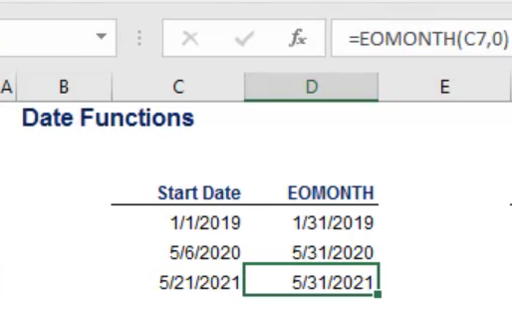
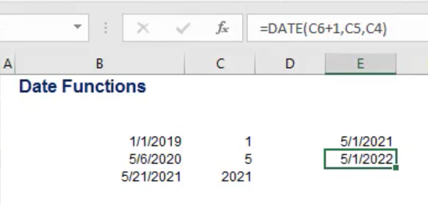
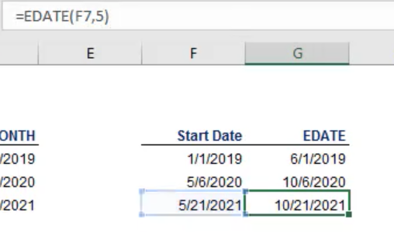
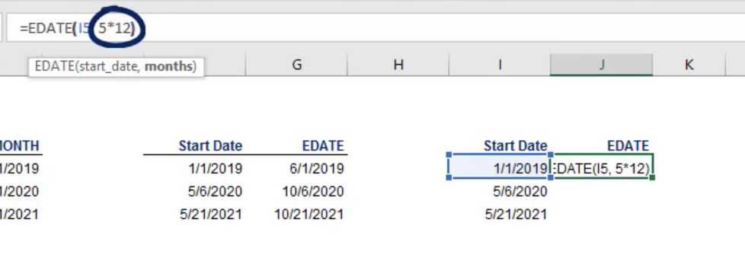
Date Functions
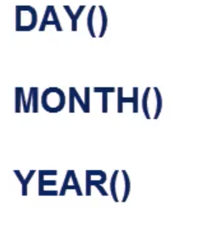
Let's assume a loan was taken on the 15th of January as shown in the table below. The loan involves monthly payments, repaid all months of the year.
Task 1: Use EDATE to estimate the dates for the next payments until the end of the year (use the first column of the table).
Task 2: Use EOMONTH to calculate the future payment dates if a payment was required at the end of each month.
Task 3: In the columns DAY, MONTH, and YEAR, apply the respective functions and obtain the day, month, and year values for the dates obtained in the EOMONTH column.
Task 4: Use DATE to obtain a date that is 3 years from the date whose year is specified in the YEAR column, whose month is indicated in the MONTH column, and whose day is in the DAY column.

 | EDATE | EOMONTH | DAY | MONTH | YEAR | "+ 3 YEARS"
jan | 2017-01-15 | 2017-01-31 | 31 | 1 | 2017 | 2020-01-31
feb | 2017-02-15 | 2017-02-28 | 28 | 2 | 2017 | 2020-02-28
mar | 2017-03-15 | 2017-03-31 | 31 | 3 | 2017 | 2020-03-31
apr | 2017-04-15 | 2017-04-30 | 30 | 4 | 2017 | 2020-04-30
may | 2017-05-15 | 2017-05-31 | 31 | 5 | 2017 | 2020-05-31
jun | 2017-06-15 | 2017-06-30 | 30 | 6 | 2017 | 2020-06-30
jul | 2017-07-15 | 2017-07-31 | 31 | 7 | 2017 | 2020-07-31
aug | 2017-08-15 | 2017-08-31 | 31 | 8 | 2017 | 2020-08-31
sep | 2017-09-15 | 2017-09-30 | 30 | 9 | 2017 | 2020-09-30
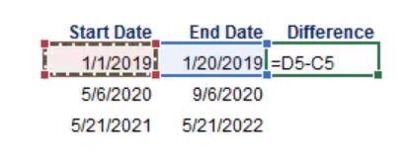
oct | 2017-10-15 | 2017-10-31 | 31 | 10 | 2017 | 2020-10-31
nov | 2017-11-15 | 2017-11-30 | 30 | 11 | 2017 | 2020-11-30
dec | 2017-12-15 | 2017-12-31 | 31 | 12 | 2017 | 2020-12-31

