Vlookup
Brand | Country sales | Model | Megapixels | LCD Monitor | Brand | Country sales | Model | Megapixels | LCD Monitor
Samsung | South Korea | PL100 | 12.2 | 2,7" | Sony | Japan | DSC-W380 Cyber-Shot | 14.1 | 2,7"
Canon | Japan | IXUS 100 | 12.1 | 2,5" | Panasonic | USA | Lumix DMC-FZ35 | 12.1 | 2,7"
Sony | Japan | DSC-W380 Cyber-Shot | 14.1 | 2,7"
Fuji | Japan | FinePix JV150 | 14 | 2,7"
Panasonic | USA | Lumix DMC-FZ35 | 12.1 | 2,7" | Use the Vlookup formula to transfer the data for Sony and Panasonic from the first source table to the table in G2:K3.
You can remember the following: VLOOKUP refers to the looking up for a value from the source table along the vertical line, while HLOOKUP refers to the same along the horizontal line. This is how the names of these two functions were derived.
Ricoh | USA | R10 | 10 | 3,0"

Brand | Samsung | Canon | Sony | Fuji | Brand | Samsung | Fuji
Country sales | South Korea | Japan | Japan | Japan | Country sales | South Korea | Japan
Model | PL100 | IXUS 100 | DSC-W380 Cyber-Shot | FinePix JV150 | Model | PL100 | FinePix JV150
Megapixels | 12.2 | 12.1 | 14.1 | 14 | Megapixels | 12.2 | 14
LCD Monitor | 2,7" | 2,5" | 2,7" | 2,7" | LCD Monitor | 2,7" | 2,7"

 |  |  |  |  | Use the Hlookup formula to transfer the data for Samsung and Fuji from the second source table to the table in G13:I17.

Index; Match
Index, Match

Company X

$ in thousands | Jan | Feb | Mar | Apr | May | Jun | Jul | Aug | Sep | Oct | Nov | Dec
Store A | 55 | 51 | 64 | 71 | 82 | 100 | 119 | 120 | 144 | 80 | 51 | 60
Store B | 57 | 72 | 80 | 79 | 85 | 101 | 120 | 123 | 130 | 84 | 54 | 67
Store C | 58 | 48 | 80 | 81 | 90 | 95 | 124 | 132 | 134 | 82 | 57 | 64
Store D | 64 | 71 | 81 | 77 | 77 | 89 | 125 | 147 | 157 | 95 | 52 | 71
Store E | 72 | 64 | 79 | 75 | 100 | 110 | 180 | 189 | 200 | 91 | 58 | 76

Company X runs 5 stores. The tables you see below refer to the table above.
Task 1: Fill in the table below with the help of the Index function.
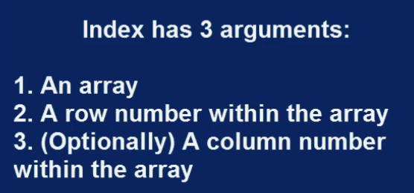

Index

 | Jan | Feb | Mar
Store A | 55 | 51 | 64
Store B | 57 | 72 | 80
Store C | 58 | 48 | 80
Store D | 64 | 71 | 81
Store E | 72 | 64 | 79

Task 2: Use Match to obtain the column indices for the months aug-dec (count from January). In addition, try to use Match to obtain the row indices for stores A, C, and E.

Match

 | Column index |  |  |  | Row index
Aug | 8 |  |  | Store A | 1
Sep | 9 |  |  | Store C | 3
Oct | 10 |  |  | Store E | 5
Nov | 11
Dec | 12

Index and Match
Index and Match

Company X

$ in thousands | Jan | Feb | Mar | Apr | May | Jun | Jul | Aug | Sep | Oct | Nov | Dec
Store A | 55 | 51 | 64 | 71 | 82 | 100 | 119 | 120 | 144 | 80 | 51 | 60
Store B | 57 | 72 | 80 | 79 | 85 | 101 | 120 | 123 | 130 | 84 | 54 | 67
Store C | 58 | 48 | 80 | 81 | 90 | 95 | 124 | 132 | 134 | 82 | 57 | 64
Store D | 64 | 71 | 81 | 77 | 77 | 89 | 125 | 147 | 157 | 95 | 52 | 71
Store E | 72 | 64 | 79 | 75 | 100 | 110 | 180 | 189 | 200 | 91 | 58 | 76

Company X runs 5 stores. The tables you see below refer to the table above.
Task 1: Use Index and Match to extract the July sales for all stores shown in the table.

Index + Match for row

 | Jul
Store A | 119
Store B | 120
Store C | 124
Store D | 125
Store E | 180

Task 2: Analogically, combine Index and Match to obtain the sales in Store A for the first half of the year.

 | Index + Match for column

 | Jan | Feb | Mar | Apr | May | Jun
Store A | 55 | 51 | 64 | 71 | 82 | 100

Task 3: Without rewriting the formula, redo the last table for the months July - December.

To obtain the correct answer, it will be enough to change the names of the months in the header. Use the abbreviated version of each month ("Jul", "Aug", "Sep", "Oct", "Nov", "Dec").

 | Index + Match for column

 | Jul | Aug | Sep | Oct | Nov | Dec
Store A | 119 | 120 | 144 | 80 | 51 | 60

Index, Match, Match
Index, Match, Match

Company X

$ in thousands | Jan | Feb | Mar | Apr | May | Jun | Jul | Aug | Sep | Oct | Nov | Dec
Store A | 55 | 51 | 64 | 71 | 82 | 100 | 119 | 120 | 144 | 80 | 51 | 60
Store B | 57 | 72 | 80 | 79 | 85 | 101 | 120 | 123 | 130 | 84 | 54 | 67
Store C | 58 | 48 | 80 | 81 | 90 | 95 | 124 | 132 | 134 | 82 | 57 | 64
Store D | 64 | 71 | 81 | 77 | 77 | 89 | 125 | 147 | 157 | 95 | 52 | 71
Store E | 72 | 64 | 79 | 75 | 100 | 110 | 180 | 189 | 200 | 91 | 58 | 76

Task 1: Fill in the table below by using the Index, Match, Match combination.

Index + Match + Match

 | Jan | Feb | Mar | Apr | May | Jun
Store A | 55 | 51 | 64 | 71 | 82 | 100
Store C | 58 | 48 | 80 | 81 | 90 | 95
Store D | 64 | 71 | 81 | 77 | 77 | 89

Task 2: Copy and Paste the table in another cell of the same sheet. Change the last three months to September, December, and August. Change the last row to "Store B".
Everything adjusts accordingly.

Index + Match + Match

 | Jan | Feb | Mar | Sep | Dec | Aug
Store A | 55 | 51 | 64 | 144 | 60 | 120
Store C | 58 | 48 | 80 | 134 | 64 | 132
Store B | 57 | 72 | 80 | 130 | 67 | 123

Indirect
Indirect

Company X

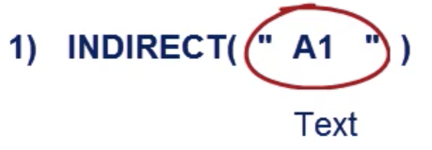
$ in thousands | Jan | Feb | Mar | Apr | May | Jun | Jul | Aug | Sep | Oct | Nov | Dec
Store A | 55 | 51 | 64 | 71 | 82 | 100 | 119 | 120 | 144 | 80 | 51 | 60
Store B | 57 | 72 | 80 | 79 | 85 | 101 | 120 | 123 | 130 | 84 | 54 | 67
Store C | 58 | 48 | 80 | 81 | 90 | 95 | 124 | 132 | 134 | 82 | 57 | 64
Store D | 64 | 71 | 81 | 77 | 77 | 89 | 125 | 147 | 157 | 95 | 52 | 71
Store E | 72 | 64 | 79 | 75 | 100 | 110 | 180 | 189 | 200 | 91 | 58 | 76

Company X runs 5 stores. The table you see below refers to the table above.
Task 1: Use the Indirect function and the letters and numbers in the blue area to create a table that shows the first quarter sales of all stores.

 | Indirect

 |  | Jan | Feb | March

 |  | C | D | E
Store A | 6 | 55 | 51 | 64
Store B | 7 | 57 | 72 | 80
Store C | 8 | 58 | 48 | 80
Store D | 9 | 64 | 71 | 81
Store E | 10 | 72 | 64 | 79

Vlookup and Indirect
Vlookup and Indirect

Company X

 | Q1 |  |  | Q2 |  | Q3 |  | Q4
$ in thousands | Sales |  | $ in thousands | Sales | $ in thousands | Sales | $ in thousands | Sales
Store A | 170 |  | Store A | 253 | Store A | 383 | Store A | 191
Store B | 209 |  | Store B | 265 | Store B | 373 | Store B | 205
Store C | 186 |  | Store C | 266 | Store C | 390 | Store C | 203
Store D | 216 |  | Store D | 243 | Store D | 429 | Store D | 218
Store E | 215 |  | Store E | 285 | Store E | 569 | Store E | 225
 |  |  |  |  |  |  |  |  | Naming cell ranges
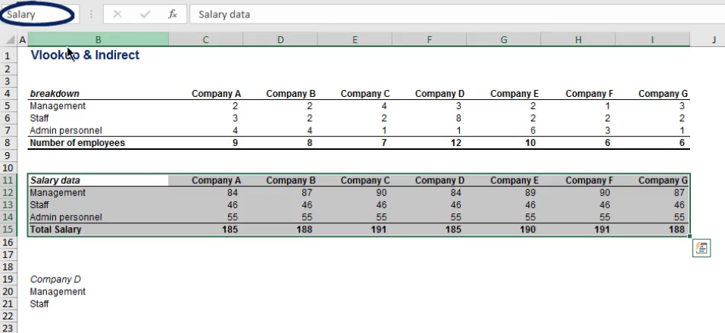
The sales generated in the company's five stores have been organized into quarters. Their ranges have been named Q_1, Q_2, Q_3, and Q_4.
Task 1: Use Vlookup and Indirect to show quarterly sales in the table below.
The sales generated in the company's five stores have been organized into quarters. Their ranges(tables) have been named Q_1, Q_2, Q_3, and Q_4.
Task 1: Use Vlookup and Indirect to show quarterly sales in the table below.

Vlookup + Indirect

 | Q_1 | Q_2 | Q_3 | Q_4
Store A | 170 | 253 | 383 | 191
Store B | 209 | 265 | 373 | 205
Store C | 186 | 266 | 390 | 203

Task 2: Change the names of the stores in the first column to verify the table is responsive.
Task 2: Change the names of the stores in the first column to verify the table is responsive.

Vlookup + Indirect

 | Q_1 | Q_2 | Q_3 | Q_4
Store D | 216 | 243 | 429 | 218
Store B | 209 | 265 | 373 | 205
Store E | 215 | 285 | 569 | 225

Rows; Columns
SOLUTION - Rows; Columns

 | Company X

 | 1 | 2 | 3 | 4 | 5 | 6 | 7 | 8 | 9 | 10 | 11 | 12 | 13
1 | $ in thousands | Jan | Feb | Mar | Apr | May | Jun | Jul | Aug | Sep | Oct | Nov | Dec
2 | Store A | 55 | 51 | 64 | 71 | 82 | 100 | 119 | 120 | 144 | 80 | 51 | 60
3 | Store B | 57 | 72 | 80 | 79 | 85 | 101 | 120 | 123 | 130 | 84 | 54 | 67
4 | Store C | 58 | 48 | 80 | 81 | 90 | 95 | 124 | 132 | 134 | 82 | 57 | 64
5 | Store D | 64 | 71 | 81 | 77 | 77 | 89 | 125 | 147 | 157 | 95 | 52 | 71
6 | Store E | 72 | 64 | 79 | 75 | 100 | 110 | 180 | 189 | 200 | 91 | 58 | 76

Task 1: Use ROWS and COLUMNS to create row and column counters along the vertical and horizontal axis.

Vlookup and Columns
SOLUTION - Vlookup and Columns
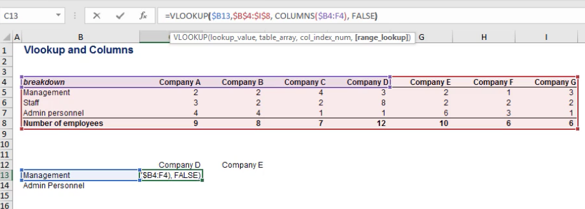
Company X

$ in thousands | Jan | Feb | Mar | Apr | May | Jun | Jul | Aug | Sep | Oct | Nov | Dec
Store A | 55 | 51 | 64 | 71 | 82 | 100 | 119 | 120 | 144 | 80 | 51 | 60
Store B | 57 | 72 | 80 | 79 | 85 | 101 | 120 | 123 | 130 | 84 | 54 | 67
Store C | 58 | 48 | 80 | 81 | 90 | 95 | 124 | 132 | 134 | 82 | 57 | 64
Store D | 64 | 71 | 81 | 77 | 77 | 89 | 125 | 147 | 157 | 95 | 52 | 71
Store E | 72 | 64 | 79 | 75 | 100 | 110 | 180 | 189 | 200 | 91 | 58 | 76

Company X runs 5 stores. The table you see below refers to the table above.
Task 1: Combine Vlookup and Columns to fill in the table below.

Vlookup + Columns

 | May | Jun | Jul | Aug
Store A | 82 | 100 | 119 | 120
Store C | 90 | 95 | 124 | 132
Store E | 100 | 110 | 180 | 189

Task 2: Substitute Store C with Store D to see that the Vlookup adjusts accordingly.
Task 3: Substitute Aug with Dec to see that the table is NOT responsive to a change in the column indexes.

Vlookup + Columns

 | May | Jun | Jul | Dec
Store A | 82 | 100 | 119 | 120
Store D | 77 | 89 | 125 | 147
Store E | 100 | 110 | 180 | 189

Vlookup and Match
Vlookup and Match

Company X

$ in thousands | Jan | Feb | Mar | Apr | May | Jun | Jul | Aug | Sep | Oct | Nov | Dec
Store A | 55 | 51 | 64 | 71 | 82 | 100 | 119 | 120 | 144 | 80 | 51 | 60
Store B | 57 | 72 | 80 | 79 | 85 | 101 | 120 | 123 | 130 | 84 | 54 | 67
Store C | 58 | 48 | 80 | 81 | 90 | 95 | 124 | 132 | 134 | 82 | 57 | 64
Store D | 64 | 71 | 81 | 77 | 77 | 89 | 125 | 147 | 157 | 95 | 52 | 71
Store E | 72 | 64 | 79 | 75 | 100 | 110 | 180 | 189 | 200 | 91 | 58 | 76

Company X runs 5 stores. The table you see below refers to the table above.
Task 1: Use Vlookup and Match to fill in the table below.

 | Vlookup + Match

 | Jan | Feb | Mar
Store A | 55 | 51 | 64
Store B | 57 | 72 | 80
Store C | 58 | 48 | 80
Store D | 64 | 71 | 81
Store E | 72 | 64 | 79

Task 2: Change the name of "Store B" to "Store E". See if the table adjusts accordingly.

 | Vlookup + Match

 | Jan | Feb | Mar
Store A | 55 | 51 | 64
Store E | 72 | 64 | 79
Store C | 58 | 48 | 80
Store D | 64 | 71 | 81
Store B | 57 | 72 | 80

Task 3: Change the name of the months as well. Let's use February, October, and April. The table adjusts accordingly, right?

 | Vlookup + Match

 | Feb | Oct | Apr
Store A | 51 | 80 | 71
Store E | 64 | 91 | 75
Store C | 48 | 82 | 81
Store D | 71 | 95 | 77
Store B | 72 | 84 | 79

Choose
Choose

Company X

$ in thousands | Jan | Feb | Mar | Apr | May | Jun | Jul | Aug | Sep | Oct | Nov | Dec
Store 1 | 55 | 51 | 64 | 71 | 82 | 100 | 119 | 120 | 144 | 80 | 51 | 60
Store 2 | 57 | 72 | 80 | 79 | 85 | 101 | 120 | 123 | 130 | 84 | 54 | 67
Store 3 | 58 | 48 | 80 | 81 | 90 | 95 | 124 | 132 | 134 | 82 | 57 | 64
Store 4 | 64 | 71 | 81 | 77 | 77 | 89 | 125 | 147 | 157 | 95 | 52 | 71
Store 5 | 72 | 64 | 79 | 75 | 100 | 110 | 180 | 189 | 200 | 91 | 58 | 76

Company X runs 5 stores. The table you see below refers to the table above.
Task 1: Complete the table for the first four months. Use the Choose function only.

 | Choose

Store #: | Jan | Feb | Mar | Apr
1 | 55 | 51 | 64 | 71
2 | 57 | 72 | 80 | 79
3 | 58 | 48 | 80 | 81
4 | 64 | 71 | 81 | 77
5 | 72 | 64 | 79 | 75

Hint: It will be enough to type the formula correctly for the January sales for the first store. Then, if you copy-paste the formula for the rest of the cells, the results will be accurate.

Vlookup and Choose
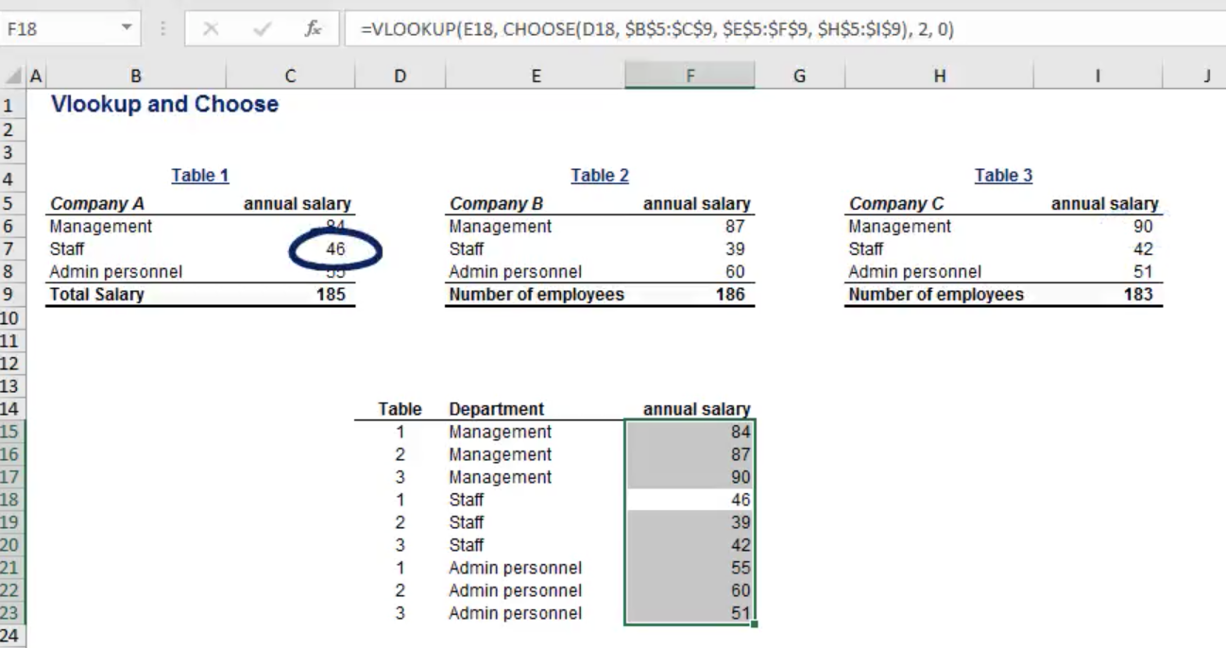
SOLUTION - Vlookup and Choose

Company X

 | Q1 |  |  |  | Q2 |  |  |  | Q3 |  |  |  | Q4
$ in thousands | Jan | Feb | Mar | $ in thousands | Apr | May | Jun | $ in thousands | Jul | Aug | Sep | $ in thousands | Oct | Nov | Dec
Store A | 55 | 51 | 64 | Store A | 71 | 82 | 100 | Store A | 119 | 120 | 144 | Store A | 80 | 51 | 60
Store B | 57 | 72 | 80 | Store B | 79 | 85 | 101 | Store B | 120 | 123 | 130 | Store B | 84 | 54 | 67
Store C | 58 | 48 | 80 | Store C | 81 | 90 | 95 | Store C | 124 | 132 | 134 | Store C | 82 | 57 | 64
Store D | 64 | 71 | 81 | Store D | 77 | 77 | 89 | Store D | 125 | 147 | 157 | Store D | 95 | 52 | 71
Store E | 72 | 64 | 79 | Store E | 75 | 100 | 110 | Store E | 180 | 189 | 200 | Store E | 91 | 58 | 76

The sales generated in the five stores have been organised into quarters. Their ranges have been named Q_1, Q_2, Q_3, and Q_4.
Task 1: Use the combination of Vlookup and Choose to fill in the Last Month Sales column below. The idea is to extract the sales volume of Store A for the last month of each quarter.

Vlookup + Choose

 |  | Last Month Sales
Quarter | Store
1 | Store A | 64
2 | Store A | 100
3 | Store A | 144
4 | Store A | 60

Copy the table and substitute "Store A" with "Store B" in the second column.

Vlookup + Choose

 |  | Last Month Sales
Quarter | Store
1 | Store B | 80
2 | Store B | 101
3 | Store B | 130
4 | Store B | 67

Offset
Offset

Company X

 | Q3
$ in thousands | Jul | Aug | Sep
Store A | 119 | 120 | 144
Store B | 120 | 123 | 130
Store C | 124 | 132 | 134
Store D | 125 | 147 | 157
Store E | 180 | 189 | 200

Task 1: Fill in the table using the Offset function. Use C6 as a starting point.

 | Offset

 | Jul | Aug | Sep
Store E | 180 | 189 | 200

Offset and Match
Offset and Match

Company X

$ in thousands | Jan | Feb | Mar | Apr | May | Jun | Jul | Aug | Sep | Oct | Nov | Dec
Store A | 55 | 51 | 64 | 71 | 82 | 100 | 119 | 120 | 144 | 80 | 51 | 60
Store B | 57 | 72 | 80 | 79 | 85 | 101 | 120 | 123 | 130 | 84 | 54 | 67
Store C | 58 | 48 | 80 | 81 | 90 | 95 | 124 | 132 | 134 | 82 | 57 | 64
Store D | 64 | 71 | 81 | 77 | 77 | 89 | 125 | 147 | 157 | 95 | 52 | 71
Store E | 72 | 64 | 79 | 75 | 100 | 110 | 180 | 189 | 200 | 91 | 58 | 76

Task 1: Fill in the table below by using Offset and Match. Use C5 as a starting point for the month of January.

Offset + Match

$ in thousands | Jan | Feb | Mar | Apr | May | Jun | Jul | Aug | Sep | Oct | Nov | Dec
Store B | 57 | 72 | 80 | 79 | 85 | 101 | 120 | 123 | 130 | 84 | 54 | 67

Task 2: Change the name of "Store B" to "Store D" to check if the table adjusts accordingly.

Offset + Match

$ in thousands | Jan | Feb | Mar | Apr | May | Jun | Jul | Aug | Sep | Oct | Nov | Dec
Store D | 64 | 71 | 81 | 77 | 77 | 89 | 125 | 147 | 157 | 95 | 52 | 71

