Professional Formatting
SOLUTION - Professional Formatting

Task: Apply professional formatting to the table below.
Hint: The forecast period refers to the years 2017-2021.

 |  | Forecast
$ in mln | 2016-12-31 | 2017-12-31 | 2018-12-31 | 2019-12-31 | 2020-12-31 | 2021-12-31
Beginning PP&E | 632.5 | 659.5 | 673.6 | 684.3 | 694.3 | 703.7
D&A | (41.0) | (44.3) | (45.3) | (46.0) | (46.7) | (47.3)
Existing fixed assets | 591.5 | 615.2 | 628.3 | 638.3 | 647.7 | 656.4
Capex | 68.0 | 58.4 | 56.0 | 56.0 | 56.0 | 56.0
Ending PP&E | 659.5 | 673.6 | 684.3 | 694.3 | 703.7 | 712.4

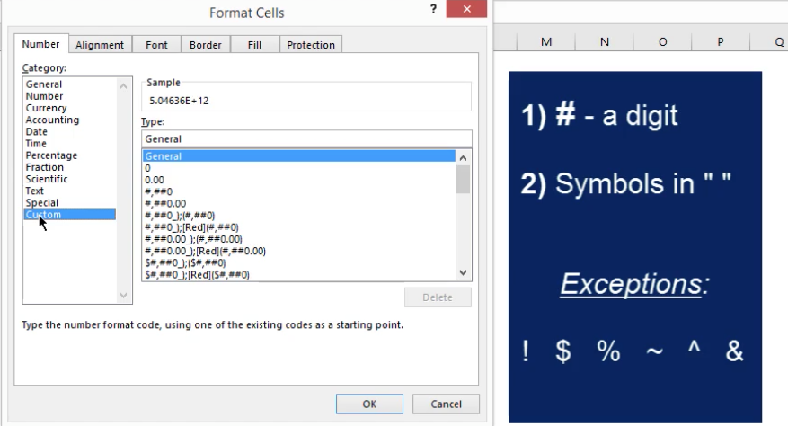
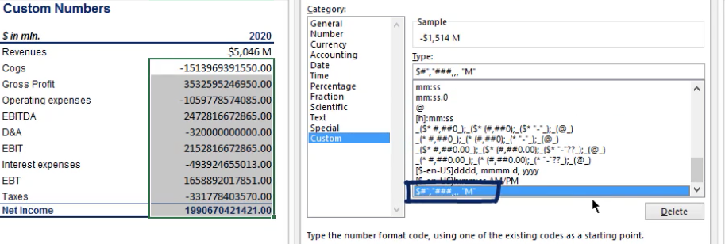

 |  |  |  |  |  | It should be 'B' as 1x10^9 is a billion
 |  |  |  |  |  | the formula ### and three commas ,,,

 |  |  |  |  |  | To aply the custom style> go to custom> select and ok

Conditional_formating
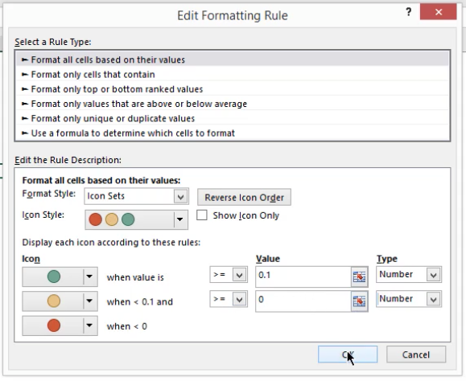
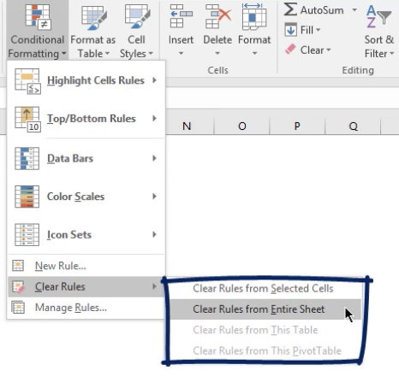
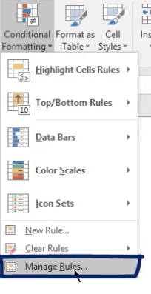
Conditionl Formatting

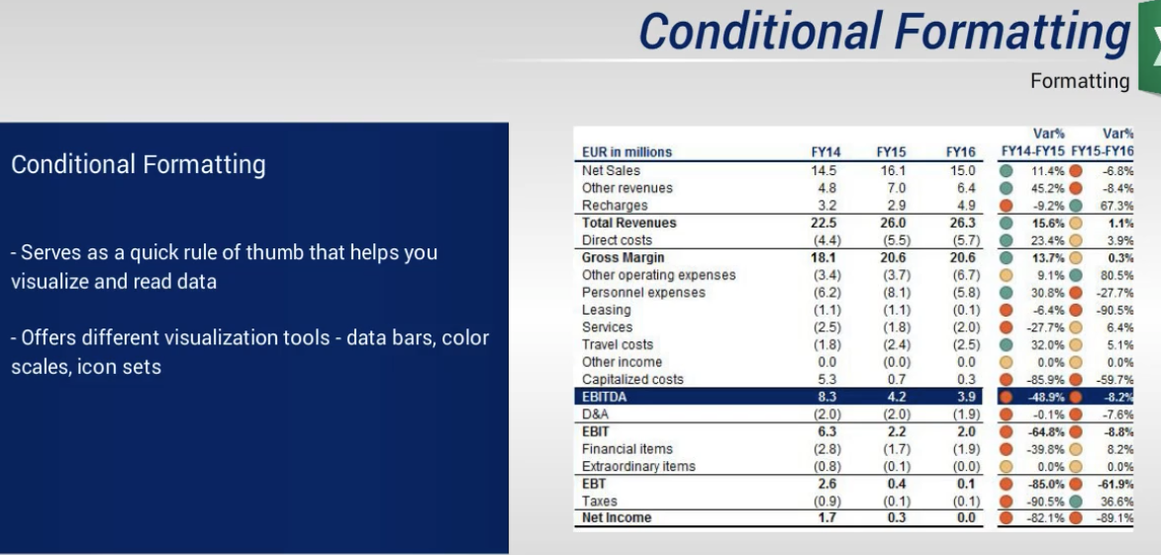

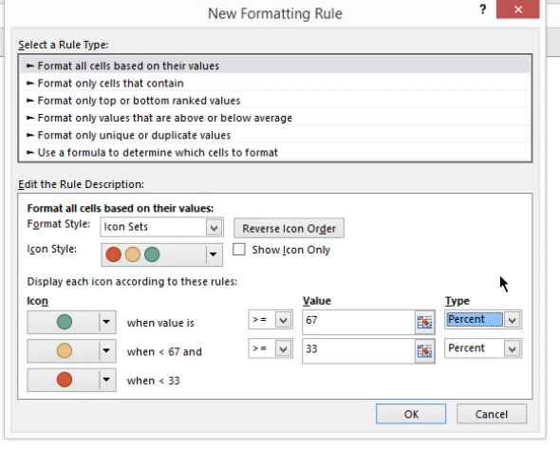
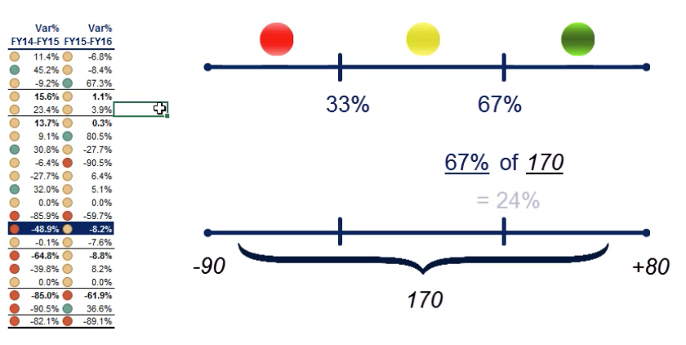
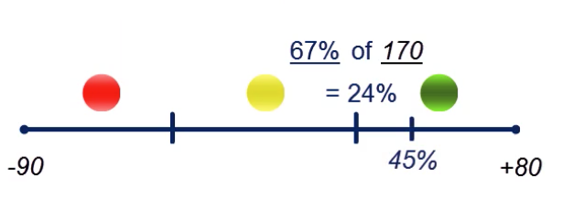

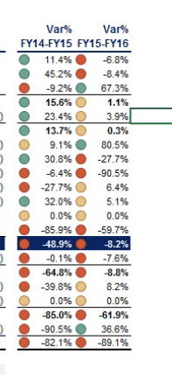
Solution: use numbers

Conditional formating_ex
EXERCISE - Conditional Formatting

The table shows the Gross profit values of the seven biggest companies in industry X.
A few government officials are evaluating the course of development of that industry. They use the traffic lights formatting. The officials set two indicators to separate excellent (green), average (yellow), and poor (red) results.
Task 1: Which were the values they used to separate green, yellow, and red variations? In 2015-2016, there were four green lights, and in 2016-2017, there were four red lights. Also, Company G's variation was marked as yellow in the first period and as green light for the second period.
Task 2: Repeat the same task, but consider, this time, the managers obtained five green lights in the first column and only three green lights in the second. Company B had a yellow light in the second column, and Company F had a yellow light in the first column. These are the only yellow lights observed.

 | Industry X

 |  |  |  |  | Var 15-16 | Var 16-17
 | $ in mln. | 2015 | 2016 | 2017
 | Company A | 5.50 | 6.00 | 6.20 | 9% | 3%
 | Company B | 5.70 | 6.20 | 6.15 | 9% | -1%
 | Company C | 4.80 | 7.40 | 5.10 | 54% | -31%
 | Company D | 6.70 | 6.50 | 7.90 | -3% | 22%
 | Company E | 4.40 | 5.50 | 4.40 | 25% | -20%
 | Company F | 6.60 | 6.50 | 6.20 | -2% | -5%
 | Company G | 5.20 | 5.40 | 5.70 | 4% | 6%

SOLUTION - Conditional Formatting

 | The table shows the Gross profit values of the seven biggest companies in industry X.

1. | Sample answer: 0% and 5% (typed as 0 and 0.05 in the respective Number fields!).

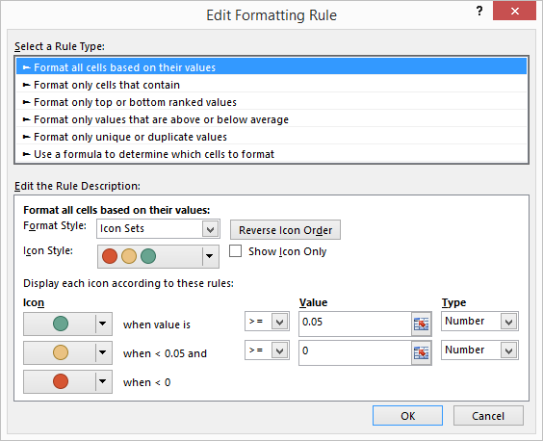

 | Industry X

 |  |  |  |  | Var 15-16 | Var 16-17
 | $ in mln. | 2015 | 2016 | 2017
 | Company A | 5.50 | 6.00 | 6.20 | 9% | 3%
 | Company B | 5.70 | 6.20 | 6.15 | 9% | -1%
 | Company C | 4.80 | 7.40 | 5.10 | 54% | -31%
 | Company D | 6.70 | 6.50 | 7.90 | -3% | 22%
 | Company E | 4.40 | 5.50 | 4.40 | 25% | -20%
 | Company F | 6.60 | 6.50 | 6.20 | -2% | -5%
 | Company G | 5.20 | 5.40 | 5.70 | 4% | 6%

2. | Sample answer: -2% and 2% (typed as -0.02 and 0.02 in the respective Number fields!).



 | Industry X

 |  |  |  |  | Var 15-16 | Var 16-17
 | $ in mln. | 2015 | 2016 | 2017
 | Company A | 5.50 | 6.00 | 6.20 | 9% | 3%
 | Company B | 5.70 | 6.20 | 6.15 | 9% | -1%
 | Company C | 4.80 | 7.40 | 5.10 | 54% | -31%
 | Company D | 6.70 | 6.50 | 7.90 | -3% | 22%
 | Company E | 4.40 | 5.50 | 4.40 | 25% | -20%
 | Company F | 6.60 | 6.50 | 6.20 | -2% | -5%
 | Company G | 5.20 | 5.40 | 5.70 | 4% | 6%

