Circular References
Circular References
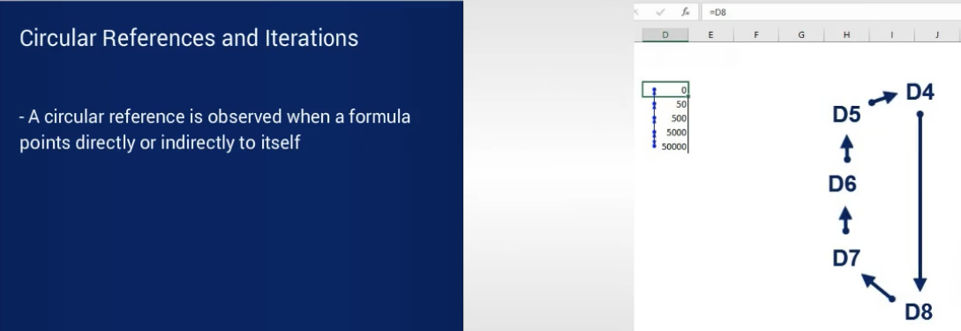

Fill in the blue cells so you obtain a circular reference.

Here's an example of how it can be done:

1) | 45 | 87 | 98 | 67 | 0

2) | 60000 | 59990 | 60040 | 60030 | 60080

You must see the following pop-up warning:

Intentional circular references
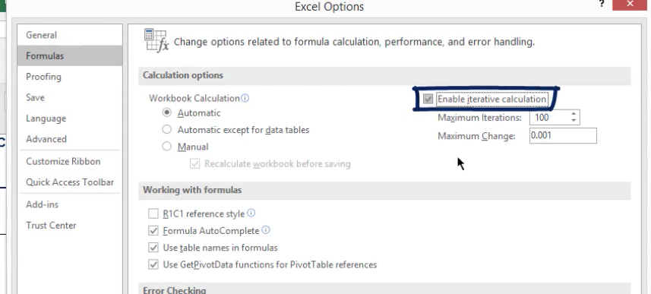
Intentional Circular References
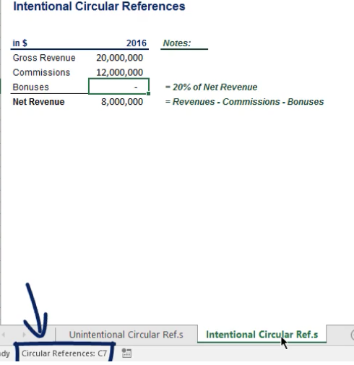
in $ | 2016 | Notes:
Gross Revenue | 20,000,000
Commisions | 12,000,000
Bonuses | 1,333,333 | = 20% of Net Revenue
Net Revenue | 6,666,667 | = Revenue- Commisions - Bonuses

 |  |  | Allow iterative process:

Circular References Example
SOLUTION - Circular References - Example

Task 1: First, allow iterative calculation in your document.

From the File tab, select Options. Then, in the Formulas section, tick the Enable iterative calculation button as indicated here.

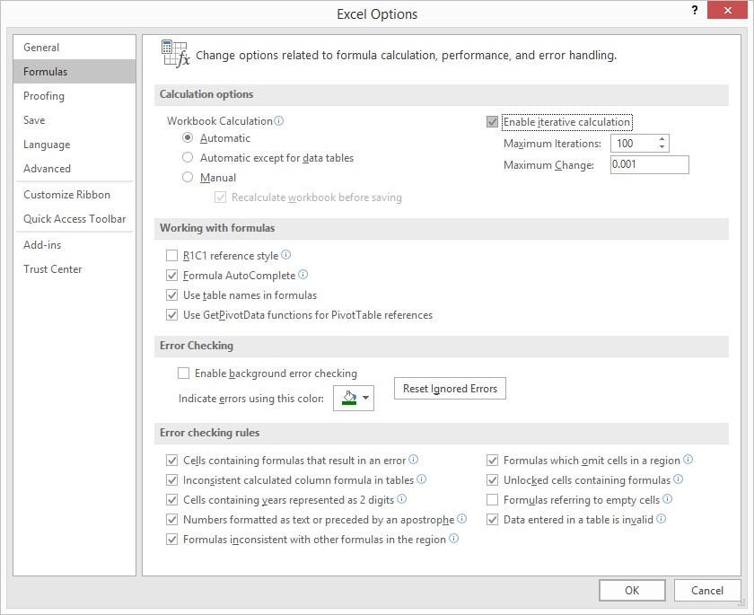

Task 2: D&A and Capex are calculated as a percentage of Ending PP&E. Use the percentage values shown below the table.

D&A with Ending PP&E - Intentional Circular References

 |  |  |  | Forecast
$ in mln | 31-Dec-14 | 31-Dec-15 | 31-Dec-16 | 31-Dec-17 | 31-Dec-18 | 31-Dec-19 | 31-Dec-20 | 31-Dec-21
Beginning PP&E |  | 632.5 | 632.5 | 659.5 | 673.9 | 688.6 | 703.6 | 718.9
D&A |  | (44.0) | (41.0) | (45.3) | (46.3) | (47.3) | (48.3) | (49.4)
Capex |  | 44.0 | 68.0 | 59.7 | 61.0 | 62.3 | 63.7 | 65.0
Ending PP&E | 632.5 | 632.5 | 659.5 | 673.9 | 688.6 | 703.6 | 718.9 | 734.6

D&A as a % of Ending PP&E |  | -7.0% | -6.5% | -6.7% | -6.7% | -6.7% | -6.7% | -6.7%
Capex as a % of Ending PP&E |  | 7.0% | 10.8% | 8.9% | 8.9% | 8.9% | 8.9% | 8.9%

Trace Precedents
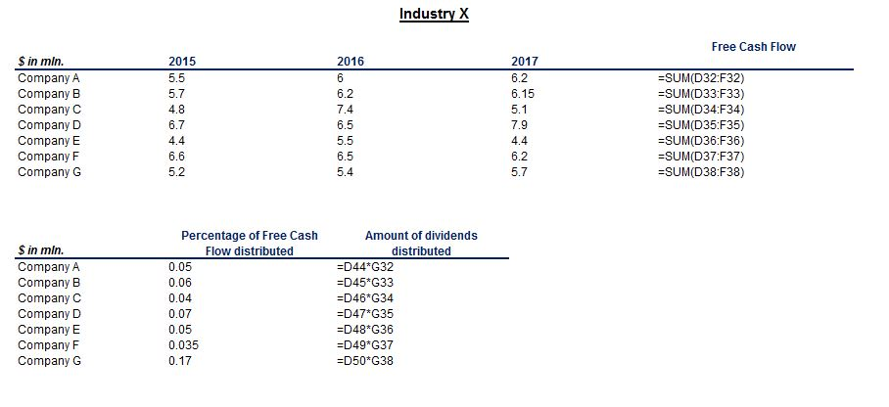
Trace Precedents

To complete this exercise, use the Formula Auditing block, located under the Formulas tab in Excel.

Task 1: Trace the precedents of cell F20.

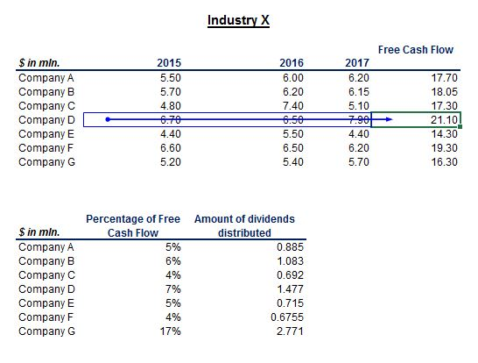

Task 2: Trace its dependents, too.

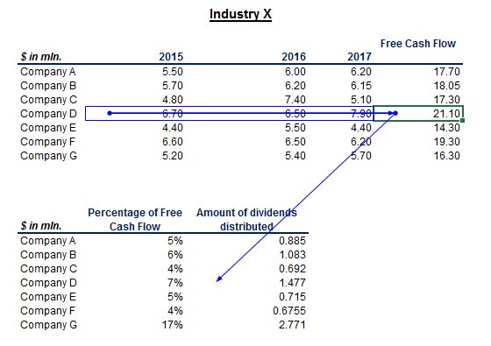

Task 3: Trace all the precedents of cell D33.

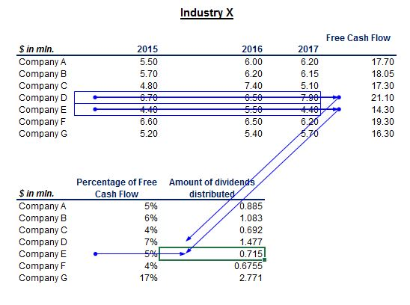

Task 4: Remove all arrows.

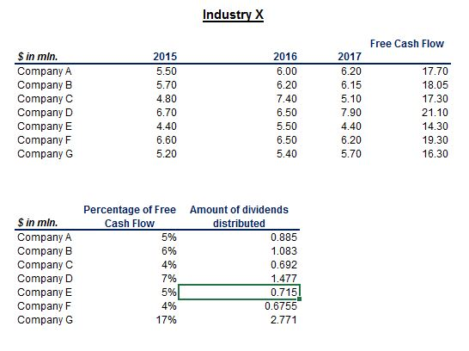

Task 5: With the help of a keyboard combination, show all the formulas in the worksheet.

The keyboard combination used is Ctrl and Backquote. It is also called Ctrl and Tilde or Ctrl and Grave.

