Sheet3
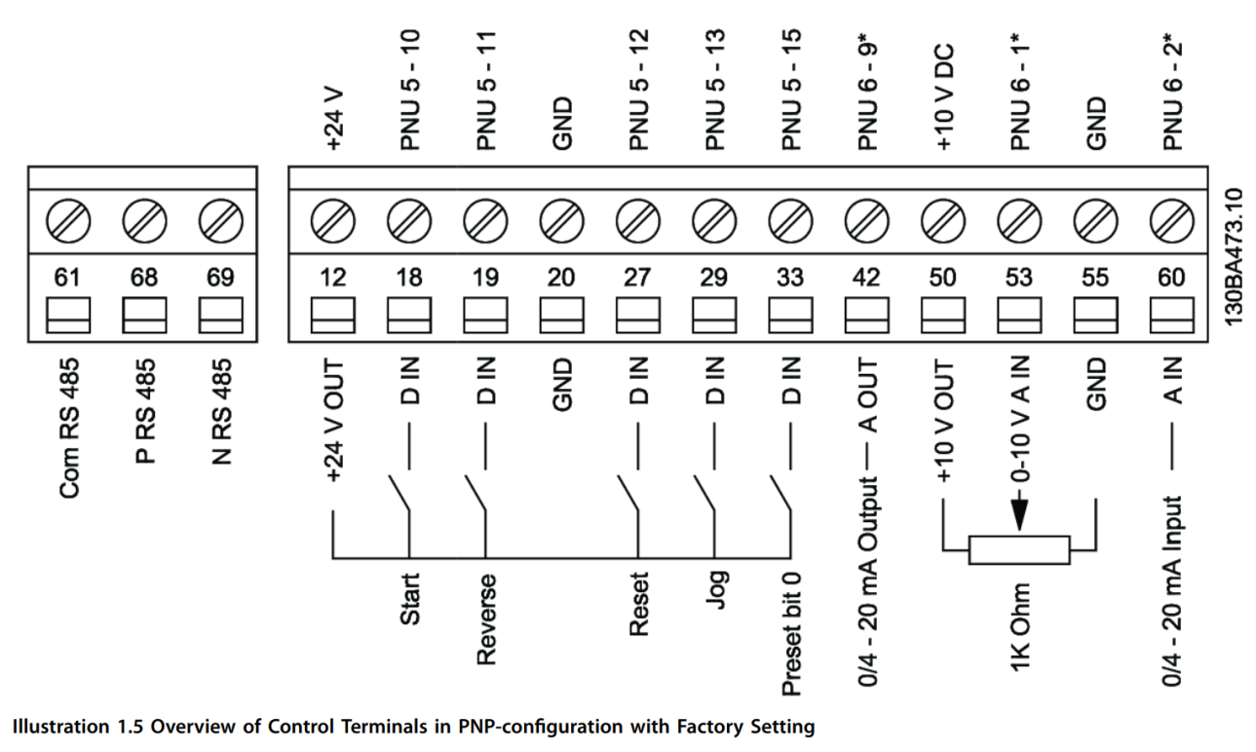

VLT | PANEL
12 | 169
18 | 170
19 | NC
20 | NC
27 | 169
29 | NC
33 | NC
42 | NC
46 | NC
50 | NC
53 | 153
55 | 152 | VLT 01

1 | VLT 55
2 | 151
3 | NC

L1 | 5E11
L2 | 5E21
L3 | 5E31

U | D10
V | D20
w | D30

