Sheet1
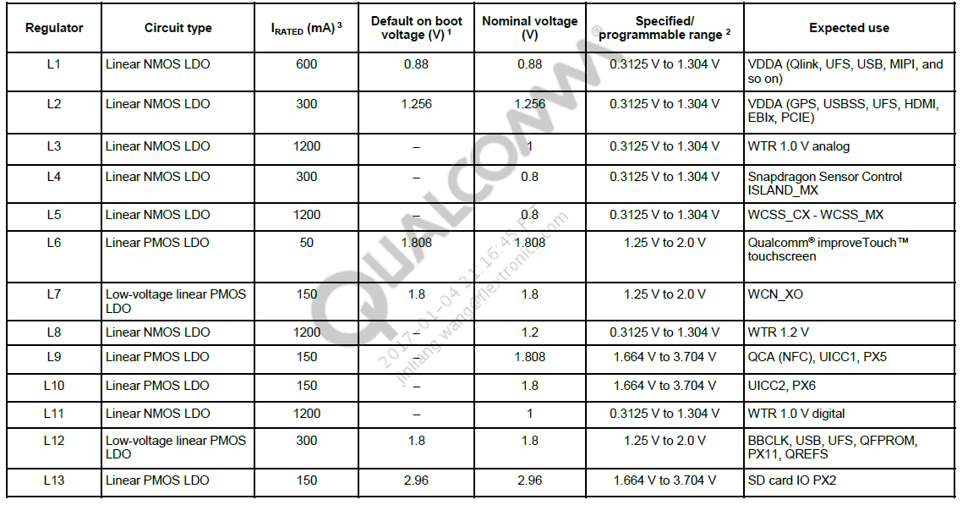
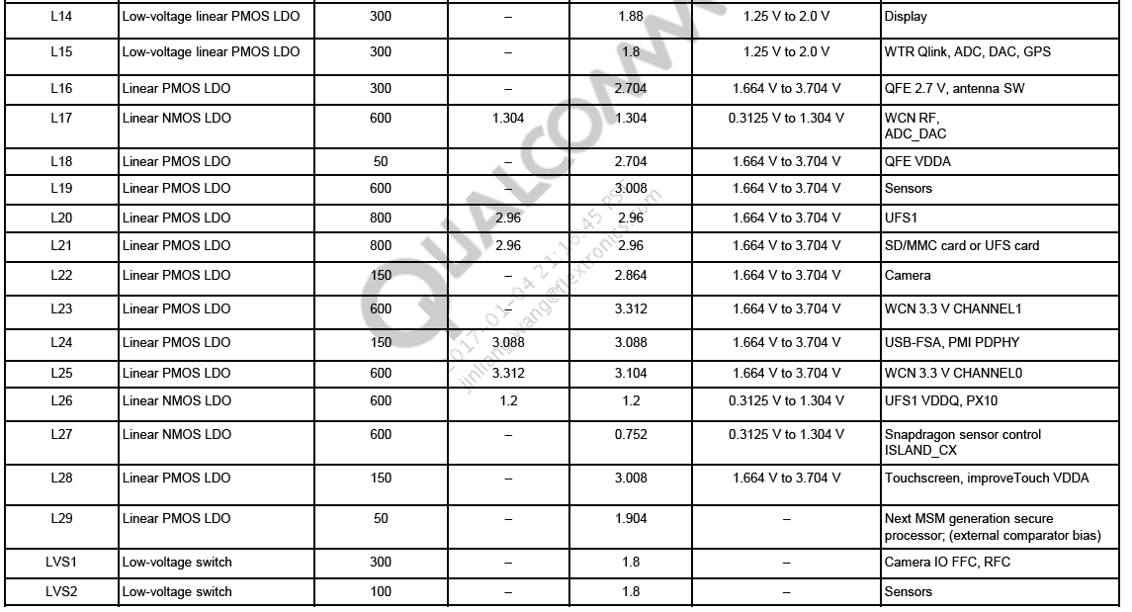
Reference design NET | Reference design Voltage | VR Reference design Usage | Irongate HMD | Irongate Voltage | Irongate Usage | 备注
VOUT_LVS1A_1P8 | 1.8V | Eye tracking camera CSI combiner VDD | VOUT_LVS1A_1P8 | 1.8V | 1. Pull up power for Camera I2C 2. Main camera DOVDD
VREG_LVS2A_1P8 | 1.8V | msm SSC Core Sensor | VREG_LVS2A_1P8 | 1.8V | 1.VDD_P12 of MSM8998 2. Pull up power for Sensor I2C 3. IOVDD of IMU Sensor BMX055 4. VDD of Proximity sensor 5. VDD of ALS sensor
VREG_L3A_1P0 | 1.0V | NC | VREG_L3A_1P0 | 1.0V | Backup power for ANX7530 DVDD10/AVDD10 | (800~1000mV)
VREG_L5A_0P8 | 0.8V | MSM VDD_WCSS | VREG_L5A_1P0 | 1.0V | Backup power for ANX7530 DVDD10/AVDD10 | (800~1000mV)
VREG_L6A_1P8 | 1.8V | NC | VREG_L6A_1P8 | 1.8V | IM501 VDDIO | (1800~1848mV)
VREG_L7A_1P8 | 1.8V | WCN3990 VDD18 | VREG_L7A_1P8 | 1.8V | BACK UP power for ANX7530 DVDD18/AVDD18 | (1800~1800mV)
VREG_L8A_1P2 | 1.2V | 6DOF 1P2 | VREG_L8A_1P2 | 1.2V | 6DOF camera 1P2V | same as VR reference design(1200~1248mV)
VREG_L9A_1P8 | 1.8V | 6DOF_1P8/Depth camera 1P8/ MSM VDD_P5 | VREG_L9A_1P8 | 1.8V | 6DOF_1P8/Depth camera 1P8 | same as VR reference design(1704~2928mV)
VREG_L10A_1P8 | 1.8V | MSM VDD_P6 | VREG_L10A_1P8 | 1.8V | Sensor MCU/AK09915C/ICM-20602 | (1704~2928mV)
VREG_L14A_1P8 | 1.8V | LCD IOVDD | VREG_L14A_1P8 | 1.8V | ANX7530 AVDD18&DVDD18 | (1800~1880mV)
VREG_L15A_1P5 | 1.5V | Depth camera 1P5 | VREG_L15A_1P5 | 1.5V | Depth camera 1P5 | the same as VR reference design (1500~1800mV)
VREG_L16A_3P3 | 3.3V | Depth camera 3P3/Sensor BMX055 | VREG_L16A_3P3 | 3.3V | Depth camera 3P3 | (2704~3312mV)
VREG_L17A_1P3 | 1.3V | WCN3990 1.3V/MSM VDD_WCSS_ADC_DAC | VREG_L17A_1P2 | 1.2V | Backup Depth camera 1P2(Softkenetic) | (1200~1304mV)
VREG_L18A_2P5 | 2.5V | DA7219 Audio Codec | VREG_L18A_3P3 | 3.3V | IMU Sensor BMX055 | (2704~3312mV)
VREG_L19A_3P0 | 3.0V | Sensor 3P0 | VREG_L19A_3P0 | 3.0V | Proximity sensor 3P0/ALS sensor 3P0 | (2856~3008mV)
VREG_L22A_3p3 | 3.3V | Display 3p3 | VREG_L22A_1P8 | 1.8V | ANX7325 DVDD 1P8 | (1800~3312mV)
VREG_L23A_3P3 | 3.3V | WCN3990 CH1 | VREG_L23A_3P3 | 3.3V | LCOS Display 3.3V | (3000~3312mV)
VREG_L25A_3P3 | 3.3V | WCN3990 3.3V | VREG_L25A_3P3 | 3.3V | ANX7401 AVDD 3P3 | (3104~3312mV)
VREG_L28A_3P3 | 3.3V | Touch pad | VREG_L28A_3P3 | 3.3V | ANX7325 AVDD 3P3 | (2856~3312mV)

