Grouping
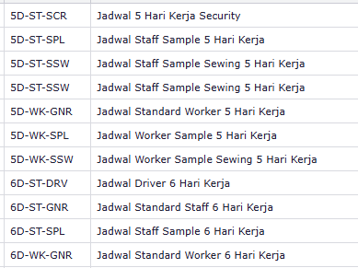
NIK (EMPLOYEE ID) | Name | Company "PT. MOD INDO" | Dept / Sub-Dept | POTITION | EmployeeGrade | Designation | CONTRACT STATUS 0 Permanent 1 Contract 3 Probation | Residental Status | Working Location "UNGARAN" | Shed (SHED-A | SHED-B | SHED-C | COMMON) | Pay Group "DEFAULT" | Attendance Control Group ACG01 > Driver Mobile Clocking ACG04 > Tidak Boleh Mobile Absensi Staff ACG05 > Tidak Boleh Mobile Absensi Worker | OT Setup Group OT01 > Standard Pemerintah OT02 > Flat Rate / Staff OT03 > Driver | Calendar Group

