Sheet1
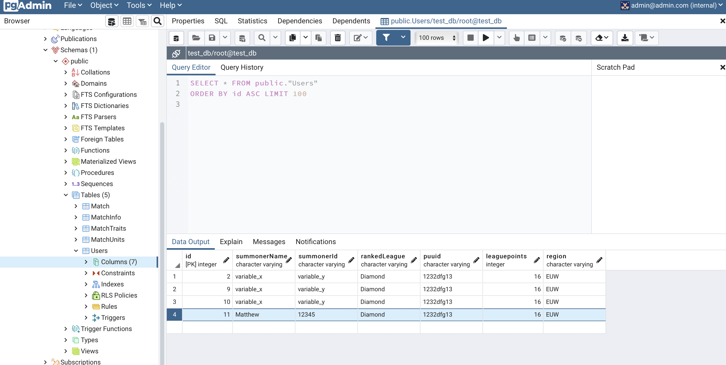
 | Session with AY (12/09/2021)
 |  |  |  |  |  |  | TFT Project - AY
 | STEP 1: Clone AY's repository onto our local directory. |  |  |  |  |  | Aim is to run API to pull JSON data containing information for all 2XX players & store them in your database.
 |  |  |  |  |  |  | This project gives you experience in:
 | How to change current directory (where you will place your git clone: |  |  |  |  |  | > Running API Request to retrieve JSON response from a live database
 | In terminal type: cd D |  |  |  |  |  | >Using Python to process JSON response so it is readable in SQL.
 | cd D | (then tap tab to see subsequent paths starting with D) |  |  | Trivia: cd = current directory |  | > Using PostgreSQL to put files into database

 | In this case, we've made our current directory, the documents folder.

 |  |  |  |  |  |  | Tips: conn:committ after every individual player pull to avoid congesting the API requests.

 | Next type:
 | git clone https://github.com/yeungadrian/ML-Ops.git |  |  |  | (github terminal commands are instructions written in Linux)
 | git checkout -b dev/tutorial1 |  | (can't remember what this does)
 | docker-compose up

 | STEP 2: PYENV (Python version management) |  |  | https://github.com/pyenv/pyenv |  | (contains instructions to install/update homebrew)
 | We've installed homebrew, which is a good way to manage numerous versions of Python under one umbrella.
 | Had some issues installing psychopg2 due to M1 chip.

 | /bin/bash -c "$(curl -fsSL https://raw.githubusercontent.com/Homebrew/install/HEAD/install.sh)" |  |  |  |  | [installs homebrew]
 | echo 'eval "$(pyenv init --path)"' >> ~/.zprofile |  |  |  |  | [creates z shell - unix shell - What is it for?]
 | penv install 3.8.4 installs python version 3.8.4
 | pyenv global 3.8.4 (makes this version your global kernel)
 | pip install psychopg2

 | STEP 3: Create new virtual environment (venv):
 | python -m env env_name

 | Activate venv
 | /Users/matthewkwan/Documents/ML-Ops/venv/bin/activate

 | PGADMIN
 | http://localhost:5050/browser/ |  | (Use docker.compose to see login details)
 | pip install -r requirements.txt |  | (where required packages are stored in requirements.txt file) |  |  | Good for installing all your packages in one go, if you know what packages you need for a specific scheme.

 | DBDiagram - Good for visualising databases
 | https://dbdiagram.io/home

Example to copy and paste in PGADMIN Window | // TFT Table Design Table Users as u { id int [pk, increment] summonerName varchar summonerId varchar rankedLeague varchar puuid varchar leaguepoints int region varchar } Table Match as m { id int [pk, increment] matchId varchar date timestamp uploadedAt timestamp region varchar } Table MatchInfo as mi { id int [pk, increment] matchId int [ref: > m.id] matchData varchar userId int [ref: > u.id] region varchar placement int } Table MatchTraits{ matchInfoId int [ref: > mi.id] traitName varchar numUnits int currentTier int } Table MatchUnits{ matchInfoId int [ref: > mi.id] UnitName varchar unitStar int item1 int item2 int item3 int }

 | Using psycopg2 to write data from API onto postgres

