FRM
 | Mean |  | EPE |  | ENE |  | PFE 1% |  | PFE 99% |  | Probability
5% | 0% | 6.98% | 0% | -1.98% | 0% | -18.26% | 0% | 28.26% | 0% | -35.00% | 0.001%
5% | 4% | 6.98% | 4% | -1.98% | 4% | -18.26% | 4% | 28.26% | 4% | -34.00% | 0.002%
 |  |  |  |  |  |  |  |  |  | -33.00% | 0.003%
 |  |  |  |  |  |  |  |  |  | -32.00% | 0.004%
 |  |  |  |  |  |  |  |  |  | -31.00% | 0.006%
 |  |  |  |  |  |  |  |  |  | -30.00% | 0.009%
 |  |  |  |  |  |  |  |  |  | -29.00% | 0.012%
 |  |  |  |  |  |  |  |  |  | -28.00% | 0.017%
 |  |  |  |  |  |  |  |  |  | -27.00% | 0.024%
 |  |  |  |  |  |  |  |  |  | -26.00% | 0.033%
 |  |  |  |  |  |  |  |  |  | -25.00% | 0.044%
 |  |  |  |  |  |  |  |  |  | -24.00% | 0.060%
 |  |  |  |  |  |  |  |  |  | -23.00% | 0.079%
 |  |  |  |  |  |  |  |  |  | -22.00% | 0.104%
 |  |  |  |  |  |  |  |  |  | -21.00% | 0.136%
 |  |  |  |  |  |  |  |  |  | -20.00% | 0.175%
 |  |  |  |  |  |  |  |  |  | -19.00% | 0.224%
 |  |  |  |  |  |  |  |  |  | -18.00% | 0.283%
 |  |  |  |  |  |  |  |  |  | -17.00% | 0.355%
 |  |  |  |  |  |  |  |  |  | -16.00% | 0.440%
 |  |  |  |  |  |  |  |  |  | -15.00% | 0.540%
 |  |  |  |  |  |  |  |  |  | -14.00% | 0.656%
 |  |  |  |  |  |  |  |  |  | -13.00% | 0.790%
 |  |  |  |  |  |  |  |  |  | -12.00% | 0.940%
 |  |  |  |  |  |  |  |  |  | -11.00% | 1.109%
 |  |  |  |  |  |  |  |  |  | -10.00% | 1.295%
 |  |  |  |  |  |  |  |  |  | -9.00% | 1.497%
 |  |  |  |  |  |  |  |  |  | -8.00% | 1.714%
 |  |  |  |  |  |  |  |  |  | -7.00% | 1.942%
 |  |  |  |  |  |  |  |  |  | -6.00% | 2.179%
 |  |  |  |  |  |  |  |  |  | -5.00% | 2.420%
 |  |  |  |  |  |  |  |  |  | -4.00% | 2.661%
 |  |  |  |  |  |  |  |  |  | -3.00% | 2.897%
 |  |  |  |  |  |  |  |  |  | -2.00% | 3.123%
 |  |  |  |  |  |  |  |  |  | -1.00% | 3.332%
 |  |  |  |  |  |  |  |  |  | 0.00% | 3.521%
 |  |  |  |  |  |  |  |  |  | 1.00% | 3.683%
 |  |  |  |  |  |  |  |  |  | 2.00% | 3.814%
 |  |  |  |  |  |  |  |  |  | 3.00% | 3.910%
 |  |  |  |  |  |  |  |  |  | 4.00% | 3.970%
 |  |  |  |  |  |  |  |  |  | 5.00% | 3.989%
 |  |  |  |  |  |  |  |  |  | 6.00% | 3.970%
 |  |  |  |  |  |  |  |  |  | 7.00% | 3.910%
 |  |  |  |  |  |  |  |  |  | 8.00% | 3.814%
 |  |  |  |  |  |  |  |  |  | 9.00% | 3.683%
 |  |  |  |  |  |  |  |  |  | 10.00% | 3.521%
 |  |  |  |  |  |  |  |  |  | 11.00% | 3.332%
 |  |  |  |  |  |  |  |  |  | 12.00% | 3.123%
 |  |  |  |  |  |  |  |  |  | 13.00% | 2.897%
 |  |  |  |  |  |  |  |  |  | 14.00% | 2.661%
...
Inputs |  |  | Annual Return | Probability
Mean | 5% |  | -35.00% | 0.001%
Standard Deviation (sigma) | 10% |  | -34.00% | 0.002%
Alpha (confidence level) | 99% |  | -33.00% | 0.003%
 |  |  | -32.00% | 0.004%
Risk Metrics |  |  | -31.00% | 0.006%
Expected positive exposure (EPE) | 6.98% | 6.97% | -30.00% | 0.009%
Expected negative exposure (ENE) | -1.98% | -1.97% | -29.00% | 0.012%
PFE at 99% | 28.26% |  | -28.00% | 0.017%
PFE at 1% | -18.26% |  | -27.00% | 0.024%
Expected Exposure (EE) | 6.98% |  | -26.00% | 0.033%
*Source: Jon Gregory: Counterparty Credit Risk |  |  | -25.00% | 0.044%
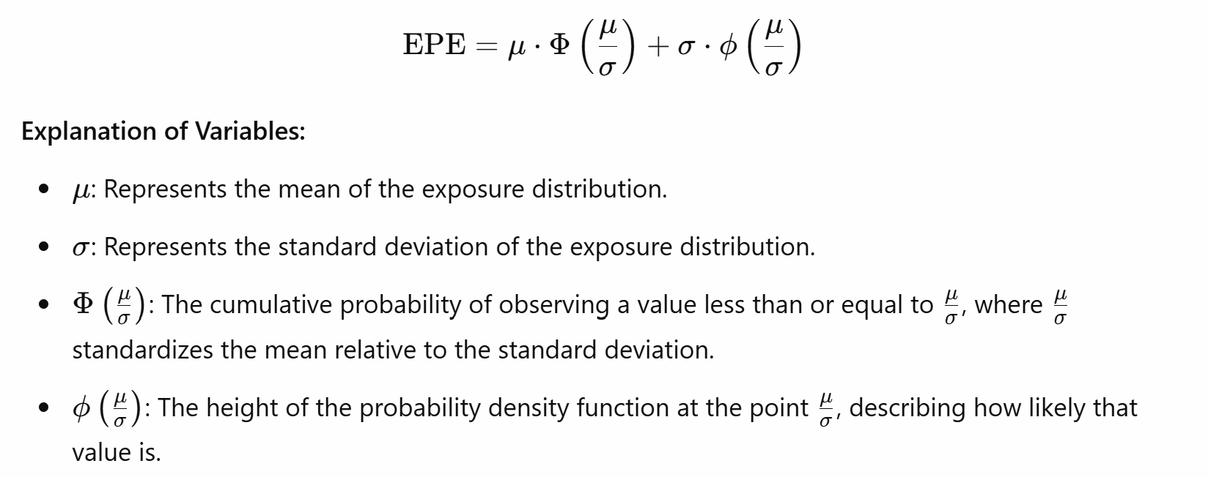
 |  |  | -24.00% | 0.060%
 |  |  | -23.00% | 0.079%
 |  |  | -22.00% | 0.104%
 |  |  | -21.00% | 0.136%
 |  |  | -20.00% | 0.175%
 |  |  | -19.00% | 0.224%
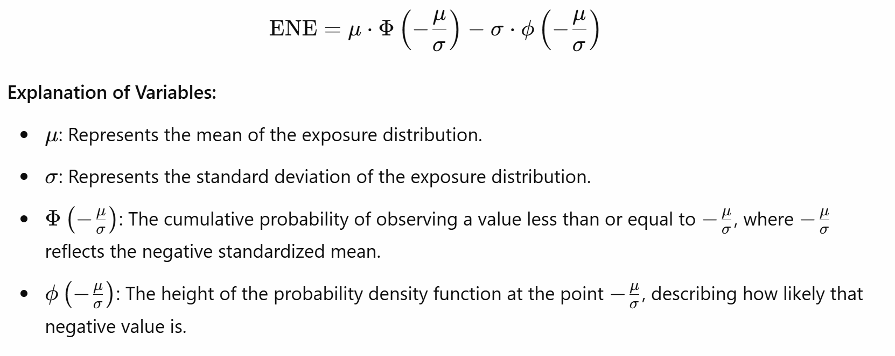
 |  |  | -18.00% | 0.283%
 |  |  | -17.00% | 0.355%
 |  |  | -16.00% | 0.440%
 |  |  | -15.00% | 0.540%
 |  |  | -14.00% | 0.656%
 |  |  | -13.00% | 0.790%
 |  |  | -12.00% | 0.940%
 |  |  | -11.00% | 1.109%
 |  |  | -10.00% | 1.295%
 |  |  | -9.00% | 1.497%
 |  |  | -8.00% | 1.714%
 |  |  | -7.00% | 1.942%
 |  |  | -6.00% | 2.179%
 |  |  | -5.00% | 2.420%
 |  |  | -4.00% | 2.661%
 |  |  | -3.00% | 2.897%
 |  |  | -2.00% | 3.123%
 |  |  | -1.00% | 3.332%
 |  |  | 0.00% | 3.521%
 |  |  | 1.00% | 3.683%
 |  |  | 2.00% | 3.814%
 |  |  | 3.00% | 3.910%
 |  |  | 4.00% | 3.970%
 |  |  | 5.00% | 3.989%
 |  |  | 6.00% | 3.970%
 |  |  | 7.00% | 3.910%
 |  |  | 8.00% | 3.814%
 |  |  | 9.00% | 3.683%
 |  |  | 10.00% | 3.521%
 |  |  | 11.00% | 3.332%
 |  |  | 12.00% | 3.123%
 |  |  | 13.00% | 2.897%
 |  |  | 14.00% | 2.661%
 |  |  | 15.00% | 2.420%
 |  |  | 16.00% | 2.179%
 |  |  | 17.00% | 1.942%
 |  |  | 18.00% | 1.714%
 |  |  | 19.00% | 1.497%
 |  |  | 20.00% | 1.295%
 |  |  | 21.00% | 1.109%
 |  |  | 22.00% | 0.940%
 |  |  | 23.00% | 0.790%
 |  |  | 24.00% | 0.656%
 |  |  | 25.00% | 0.540%
 |  |  | 26.00% | 0.440%
 |  |  | 27.00% | 0.355%
 |  |  | 28.00% | 0.283%
 |  |  | 29.00% | 0.224%
 |  |  | 30.00% | 0.175%
 |  |  | 31.00% | 0.136%
 |  |  | 32.00% | 0.104%
 |  |  | 33.00% | 0.079%
 |  |  | 34.00% | 0.060%
 |  |  | 35.00% | 0.044%
 |  |  | 36.00% | 0.033%
 |  |  | 37.00% | 0.024%
 |  |  | 38.00% | 0.017%
 |  |  | 39.00% | 0.012%
 |  |  | 40.00% | 0.009%
 |  |  | 41.00% | 0.006%
 |  |  | 42.00% | 0.004%
 |  |  | 43.00% | 0.003%
 |  |  | 44.00% | 0.002%
 |  |  | 45.00% | 0.001%

