TRS Theory
Foreuses KATCO
 | Pour une journée (24 heures)
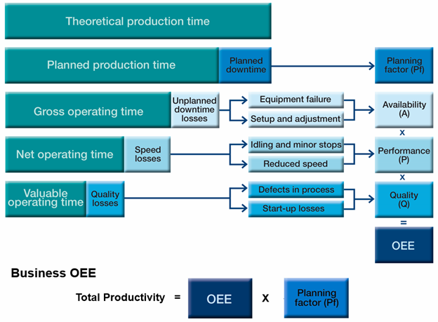
Required
Required
Optional
 | Theoretical production time | 24 | hours

 | Planned donwtime | 4 | hours | (tu viens y mettre ce que tu veux retirer comme le temps de changement de poste, un arrêt programmé, les repas).
 | Planned production time | 20 | hours
 | Planning factor | 83.3%

 | Unplanned downtime losses | 3 | hours | l'ensemble de tes arrêts de maintenance, y compris le préventif
 | Gross operating time | 17 | hours
 | Availability | 85%

 | Speed losses | 7 | hours | Tu dois avoir déterminé une performance nominale de ta foreuse. En conditions idéale, elle doit forer par exemple 20m/h
 | Net operation time | 10 | hours | Pour la journée que nous regardons, nous avons foré un total de 200m
 | Performance | 59% |  | Sachant que j'avais 17 heures de disponible (Gross operating time), nous aurions pu forer un total de 17x20=340 m

 | Quality losses | 1 | hour | Ce facteur, même s'il est important, n'est pas forcément une priorité
 | Valuable operating time | 9 | hours | On peut prendre ici le nombre de puits abandonnés. On traduira ce paramètre en mètre de forage perdu.
 | Quality | 90% |  | A l'échelle d'une journée et pour une foreuse, cela ne me semble pas forcément cohérent, puisqu'on pourrait perdre plus de mètres forés que l'on en produit.
 |  |  |  | Mais à l'échelle du mois, ça tient la route.
 |  |  |  | Dans notre exemple, je considère que l'on abandonne les 20 premiers mètres (déviation au démarrage du trou par exemple).
 |  |  |  | J'applique ensuite la performance nominale de la foreuse pour déterminer le temps perdu.

 | TRG | 37.500%
 | TRS | 45.00%

