Brief Idea
HTTP request by URL

Vue-router

Page Component 1
Page Component 2

Page Component 2

Vuex store

Axios

Backend REST API

DB Schema
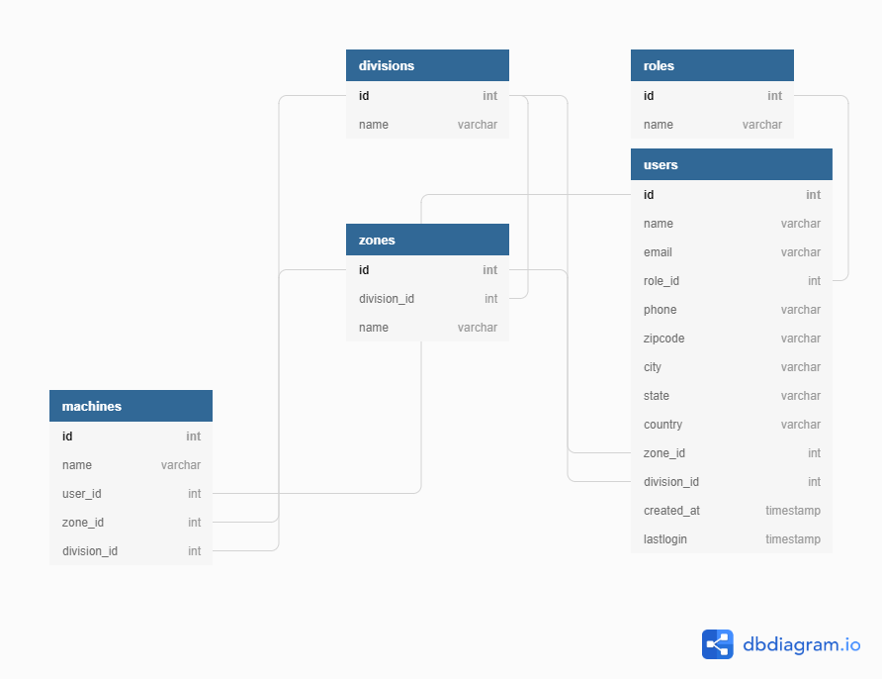
https://dbdiagram.io/d/5f9d1eca3a78976d7b79eb8b

