web站点设置
S1依据需求画出因子状态表

因子 | Web浏览器 | 插件 | 应用服务器 | 操作系统
状态 | Chrome 70.0 | 无 | IIS | Windows Server 2016
 | Internet Explorer 11.0 | Real Player | Apache | Windows 7
 | Opera 55.0 | Media Player | Tomcat | Linux

S2用符号替代文字

因子 | A | B | C | D
状态 | A1 | B1 | C1 | D1
 | A2 | B2 | C2 | D2
 | A3 | B3 | C3 | D3

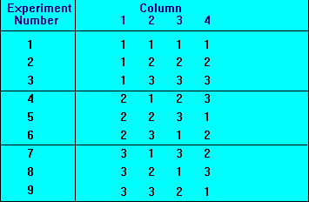
S3合并或补充状态 此处恰好符合4因子3状态的正交实验表，因此不需要合并或补充状态

S4带入正交实验表中
 | A | B | C | D
1 | A1 | B1 | C1 | D1
2 | A1 | B2 | C2 | D2
3 | A1 | B3 | C3 | D3
4 | A2 | B1 | C2 | D3
5 | A2 | B2 | C3 | D1
6 | A2 | B3 | C1 | D2
7 | A3 | B1 | C3 | D2
8 | A3 | B2 | C1 | D3
9 | A3 | B3 | C2 | D1

S5拆分合并的状态 此处恰好符合4因子3状态的正交实验表，因此没有合并的状态

S6用文字替换符号
因子 | Web浏览器 | 插件 | 应用服务器 | 操作系统
1 | Chrome 70.0 | 无 | IIS | Windows Server 2016
2 | Chrome 70.0 | Real Player | Apache | Windows 7
3 | Chrome 70.0 | Media Player | Tomcat | Linux
4 | Internet Explorer 11.0 | 无 | Apache | Linux
5 | Internet Explorer 11.0 | Real Player | Tomcat | Windows Server 2016
6 | Internet Explorer 11.0 | Media Player | IIS | Windows 7
7 | Opera 55.0 | 无 | Tomcat | Windows 7
8 | Opera 55.0 | Real Player | IIS | Linux
9 | Opera 55.0 | Media Player | Apache | Windows Server 2016

