Request
編號 | 零件 Parts | 說明 Specification | 數量 Q'ty | 價格 (NT) | 照片 Photo | 參考連結 Reference Website | 地位 Status
1 | Raspberry Pi 4 | Raspberry Pi 4 Model B was released in June 2019[1] with a 1.5 GHz 64-bit quad core ARM Cortex-A72 processor, on-board 802.11ac Wi-Fi, Bluetooth 5, full gigabit Ethernet (throughput not limited), two USB 2.0 ports, two USB 3.0 ports, 1–8 GB of RAM, and dual-monitor support via a pair of micro HDMI (HDMI Type D) ports for up to 4K resolution. The version with 1 GB RAM has been abandoned and the prices of the 2 GB version have been reduced. The 8 GB version has a revised circuit board. The Pi 4 is also powered via a USB-C port, enabling additional power to be provided to downstream peripherals, when used with an appropriate PSU. But the Pi can only be operated with 5 volts and not 9 or 12 volts like other mini computers of this class. Detail datasheet is available at: https://datasheets.raspberrypi.com/rpi4/raspberry-pi-4-datasheet.pdf | 1 | 1,859 | 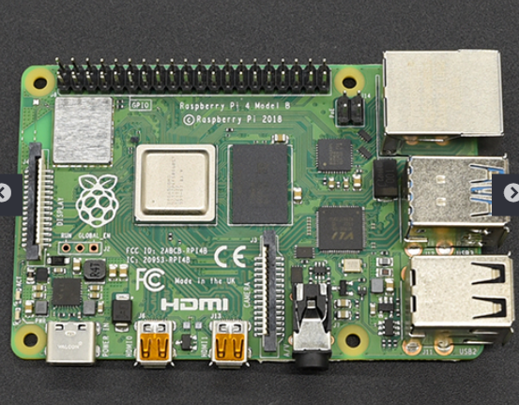 | https://www.icshop.com.tw/product-page.php?27538 | Exist
2 | Raspberry Pi, Camera Module | Raspberry Pi currently sell two types of camera board: an 8MP device and a 12MP High Quality (HQ) camera. The 8MP device is also available in NoIR form without an IR filter. The original 5MP device is no longer available from Raspberry Pi. All Raspberry Pi cameras are capable of taking high-resolution photographs, along with full HD 1080p video, and can be fully controlled programmatically. This documentation describes how to use the camera in various scenarios, and how to use the various software tools. Detail datasheet is available at: https://www.raspberrypi.com/documentation/accessories/camera.html | 1 | 831 | 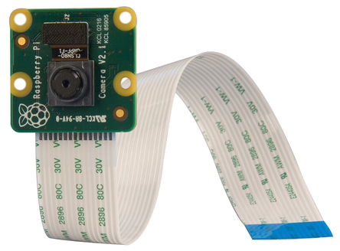 | https://twen.rs-online.com/web/p/raspberry-pi-cameras/9132664?cm_mmc=TW-PLA-DS3A-_-google-_-PLA_TW_EN_Raspberry_Pi_%26_Arduino_%26_Development_Tools_Whoop-_-(TW:Whoop!)+Raspberry+Pi+Cameras-_-9132664&matchtype=&aud-842313741498:pla-335061582843&gclid=EAIaIQobChMIyLPl5rGN9wIVCraWCh1zwQCgEAYYASABEgJTFvD_BwE&gclsrc=aw.ds | Exist
3 | Arduino MAX30100 脈搏血氧儀 | 心率Pulse Oximeter Heart-Rate 感測器模組 | The MAX30100 is an integrated pulse oximeter and heart rate monitoring sensor solution. It combines two LEDs, a photodetector, optimized optics and low noise analog signal processing to detect pulse oximetry and heart rate signals. The MAX30100 operates from 1.8V and 3.3V supplies and can be powered down by software with negligible standby current, allowing the power supply to remain connected at all times. Detail datasheet is available at: https://www.taiwansensor.com.tw/product/arduino-max30100-%E8%84%88%E6%90%8F%E8%A1%80%E6%B0%A7%E5%84%80-%E5%BF%83%E7%8E%87pulse-oximeter-heart-rate-%E6%84%9F%E6%B8%AC%E5%99%A8%E6%A8%A1%E7%B5%84/ | 1 | 330 | 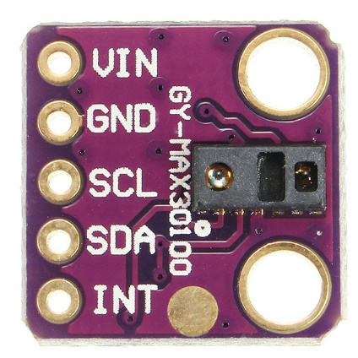 | https://www.taiwansensor.com.tw/product/arduino-max30100-%E8%84%88%E6%90%8F%E8%A1%80%E6%B0%A7%E5%84%80-%E5%BF%83%E7%8E%87pulse-oximeter-heart-rate-%E6%84%9F%E6%B8%AC%E5%99%A8%E6%A8%A1%E7%B5%84/ | Need to be purchased
4 | GY-906 MLX90614ESF -BAA-DCI | The MLX90614 is an Infra Red thermometer for non contact temperature measurements. Both the IR sensitive thermopile detector chip and the signal conditioning ASSP are integrated in the same TO-39 can. Thanks to its low noise amplifier, 17-bit ADC and powerful DSP unit, a high accuracy and resolution of the thermometer is achieved. The thermometer comes factory calibrated with a digital PWM and SMBus (System Management Bus) output. As a standard, the 10-bit PWM is configured to continuously transmit the measured temperature in range of -20 to 120 ̊C, with an output resolution of 0.14 ̊C and the POR default is SMBus. Detail datasheet is available at: https://pdf1.alldatasheet.com/datasheet-pdf/view/218975/ETC2/MLX90614.html | 1 | 340 | 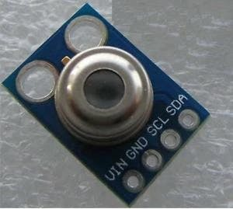 | https://www.ruten.com.tw/item/show?21735036424120 | Need to be purchased
5 | M5Stack Core2 ESP32 IOT | M5Core2 is the second-generation host in the M5Stack development kit series. It has further enhanced functions on the basis of the original one-generation host, and has more complete hardware functions. The main control ESP32 model is D0WDQ6-V3, with two Xtensa® 32-bit LX6 processors that can be independently controlled, the main frequency is up to 240Mhz, supports WiFi and Bluetooth functions, onboard 16MB Flash and 8MB PSRAM, can be connected through TYPE-C interface Download the program, and the powerful configuration meets the resource overhead of complex applications. The front is equipped with a 2.0-inch integrated capacitive touch screen, which brings users a smoother human-computer interaction experience. The body has a built-in vibration motor, which can provide tactile feedback and vibration reminder functions. The built-in RTC module can provide precise timing function. The power part is equipped with AXP192 power management chip, which can effectively control the power consumption of the fuselage. It has a built-in green power indicator and is equipped with a 390mAh battery for longer battery life. At the same time, the fuselage is equipped with an SD card slot and a speaker. In order to ensure a higher quality sound effect, the power amplifier chip of the I2S digital audio interface is used, which can effectively prevent signal distortion. There are independent power and restart (RST) buttons on the left and bottom of the fuselage. The 3 dots on the front of the screen are part of the touch screen, and the hot zone can be mapped to 3 virtual buttons by programming. There is an expansion board on the back of the fuselage with a 6-axis IMU sensor and a microphone. | 1 | 1890 | 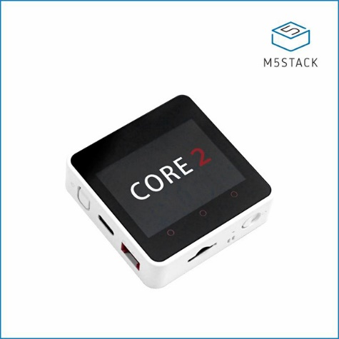 | https://www.icshop.com.tw/product-page.php?28142 | Need to be purchased
6 | Custom 3d print chassis | Service to print the 3D design | 1 | 300 |  | https://shopee.tw/FDM-SLA%E5%B7%A5%E5%BB%A0%E7%9B%B4%E7%87%9F-%E5%AD%B8%E7%94%9F%E5%88%97%E5%8D%B0%E5%85%A8%E5%8F%B0%E6%9C%80%E4%BD%8E%E5%83%B9-%E7%94%A2%E5%93%81%E6%89%93%E6%A8%A3-%E9%AB%98%E7%B2%BE%E5%BA%A6-%E9%AB%98%E5%93%81%E8%B3%AA%EF%BC%88%E7%94%A2%E5%93%81-%E5%BB%BA%E6%A8%A1-%E9%87%8F%E7%94%A2-%E4%B8%8A%E8%89%B2%EF%BC%89-i.413887783.10717237322?sp_atk=de191ddf-0a8f-4c3b-a527-89b86d2a68a6 | Need to be purchased
 | total |  |  | 2,860 | NTD

Current_in Stock
編號 | 零件 | 說明 | 數量 | 價格 (NT) |  | 參考連結
1 | LoRa Ra-01 | SX1278 LoRa扩频无线模块/433MHz无线串口/SPI接口/Ra-01 | 1 | 107 |  | https://detail.tmall.com/item.htm?id=556730298205&spm=a1z09.2.0.0.313f2e8dzhzlw0&_u=82lej2ok1b2c
2 | CO2 sensor | MG811 carbon dioxide sensor, CO2 sensor, gas sensor module | 1 | 1586 |  | https://detail.tmall.com/item.htm?id=570192367629&spm=a1z09.2.0.0.313f2e8dzhzlw0&_u=82lej2ok7195
3 | Rs485/Lora | 有人Lora模块无线数传电台433mHz点对点232/485串口USR-LG206-L-P | 1 | 527 |  | https://detail.tmall.com/item.htm?id=565088703948&spm=a1z09.2.0.0.313f2e8dzhzlw0&_u=82lej2ok7daa
4 | 電表 | PEACEFAIR品牌交流万用电压电流功率因数频率电能表485串口通讯口 | 1 | 196 |  | https://item.taobao.com/item.htm?spm=a1z09.2.0.0.313f2e8dzhzlw0&id=566452110298&_u=82lej2ok19cf
5 | Rs485/Lora | SX1278/SX1276无线模块|433MHZ电台|LORA扩频8000米|RS232|RS485 | 2 | 758 |  | https://detail.tmall.com/item.htm?id=526389425005&spm=a1z09.2.0.0.313f2e8dzhzlw0&_u=82lej2ok5c91
6 | TTL/RS485 | 单片机TTL转RS485模块 485转串口UART电平互转 自动双向RS485T | 2 | 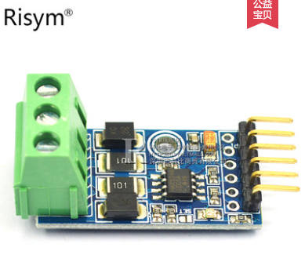 66 |  | https://detail.tmall.com/item.htm?id=568188618622&spm=a1z09.2.0.0.313f2e8dzhzlw0&_u=82lej2ok53ef
7 | ESP8266 + Relay | ESP8266 WIFI继电器模块网络继电器物联网单片机开发板控制扩展板 | 2 | 170 |  | https://detail.tmall.com/item.htm?id=561582516652&spm=a1z09.2.0.0.313f2e8dzhzlw0&_u=82lej2ok1c91
8 | TTL/RS485 | Risym MAX485模块 RS485模块 TTL转RS-485模块 单片机开发配件板 | 20 | 14 |  | https://detail.tmall.com/item.htm?id=40702461378&spm=a1z09.2.0.0.313f2e8dzhzlw0&_u=82lej2ok3cdd
9 | LoRaWAN+GPS定位 | 唯传LoRaWAN+GPS定位器 AN-122 LoRaWAN资产管理定位 | 1 | 1428 |  | https://item.taobao.com/item.htm?spm=a1z09.2.0.0.313f2e8dzhzlw0&id=566587533968&_u=82lej2okf448
10 | LoRa+GPS | LoRa/GPS Shield For Arduino | 1 | 1173 |  | https://item.taobao.com/item.htm?spm=a1z09.2.0.0.313f2e8dzhzlw0&id=549069638698&_u=82lej2ok56d6
11 | Ameba RTL8195 | 瑞昱 Ameba RTL8195AM 開發板 | 1 | 2458 |  | https://www.icshop.com.tw
12 | LinkIt 7697 | 品名 : LinkIt 7697【贈 USB線】 說明 : 聯發科 Cortex-M4 物聯網 開發板 IOT WiFi 藍牙 | 1 | 499 |  | https://www.icshop.com.tw
13 | ESP8266 | 品名 : ESP8266 ESP-12E串口 WIFI 無線模組 贈轉接板 說明 : WIFI ESP-12E 收發模組 Arduino | 2 | 90 |  | https://www.icshop.com.tw
14 | 3.7V 鋰電池 | 品名 : 聚合物鋰電池-5100mAh 3.7V 說明 : 鋰電池,可充電電池,Polymer Lithium Ion Battery | 1 | 280 |  | https://www.icshop.com.tw
15 | 3.7V 鋰電池 | 品名 : 聚合物鋰電池-1000mAh 3.7V 說明 : 鋰電池,可充電電池,Polymer Lithium Ion Battery | 1 | 99 |  | https://www.icshop.com.tw
16 | Serial port CAM | 品名 : 防水TTL串口JPEG相機+NTSC視頻+紅外線 說明 : 串口相機,鏡頭,NTSC Video | 1 | 2345 |  | https://www.icshop.com.tw
17 | Raspberry Pi3 | Raspberry Pi 3 Model B(最新日本製) 【貨號 368030501074】 USB to Micro USB 傳輸線 【貨號 368112000007】 樹莓派專用散熱片 (三入) 【貨號 368011300099】 5V 2A USB充電器 【貨號 368090600117】 Raspberry Pi 2/B+ 壓克力外殼(六片式) 【貨號 368080100356】 Micro SD 16GB 超高速 (Class 10) 【貨號 368030501004】 | 2 | 1780 | 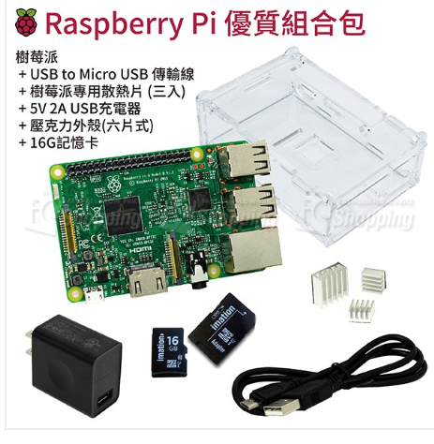 | https://www.icshop.com.tw

