Sheet1
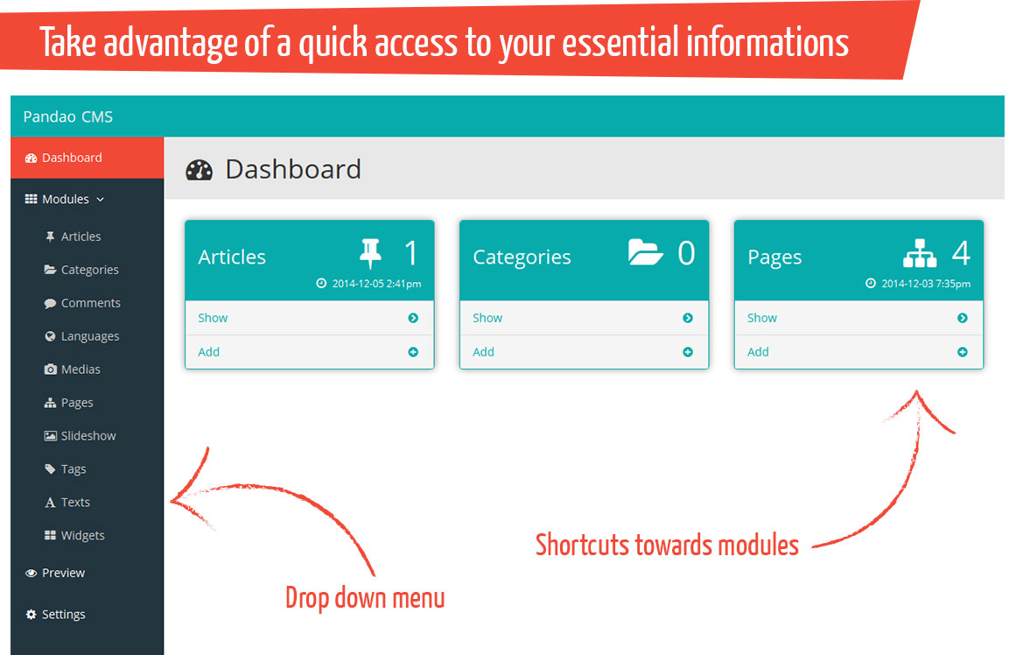
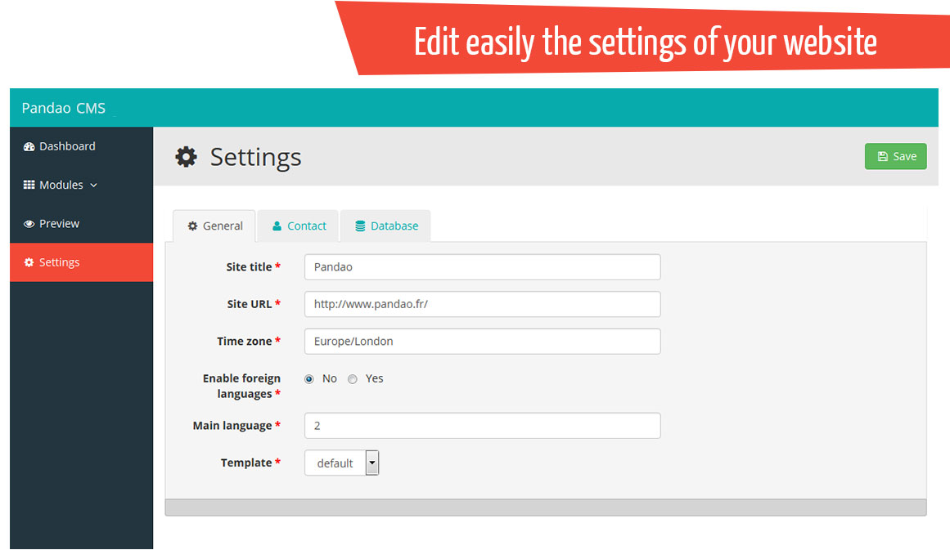
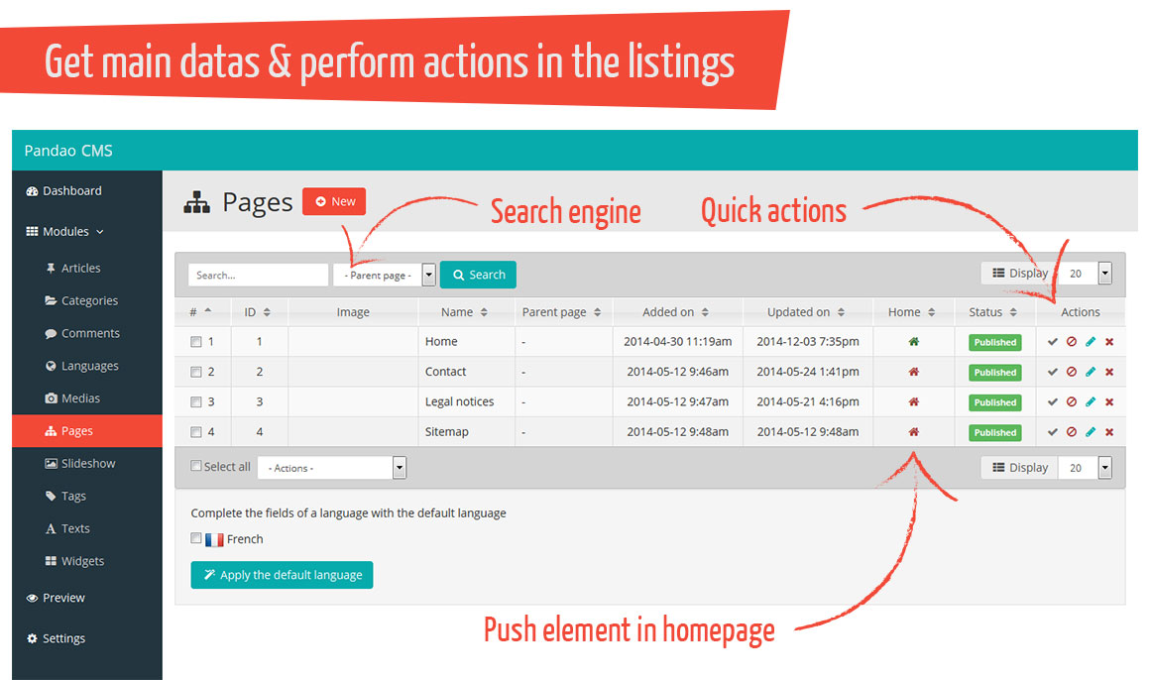
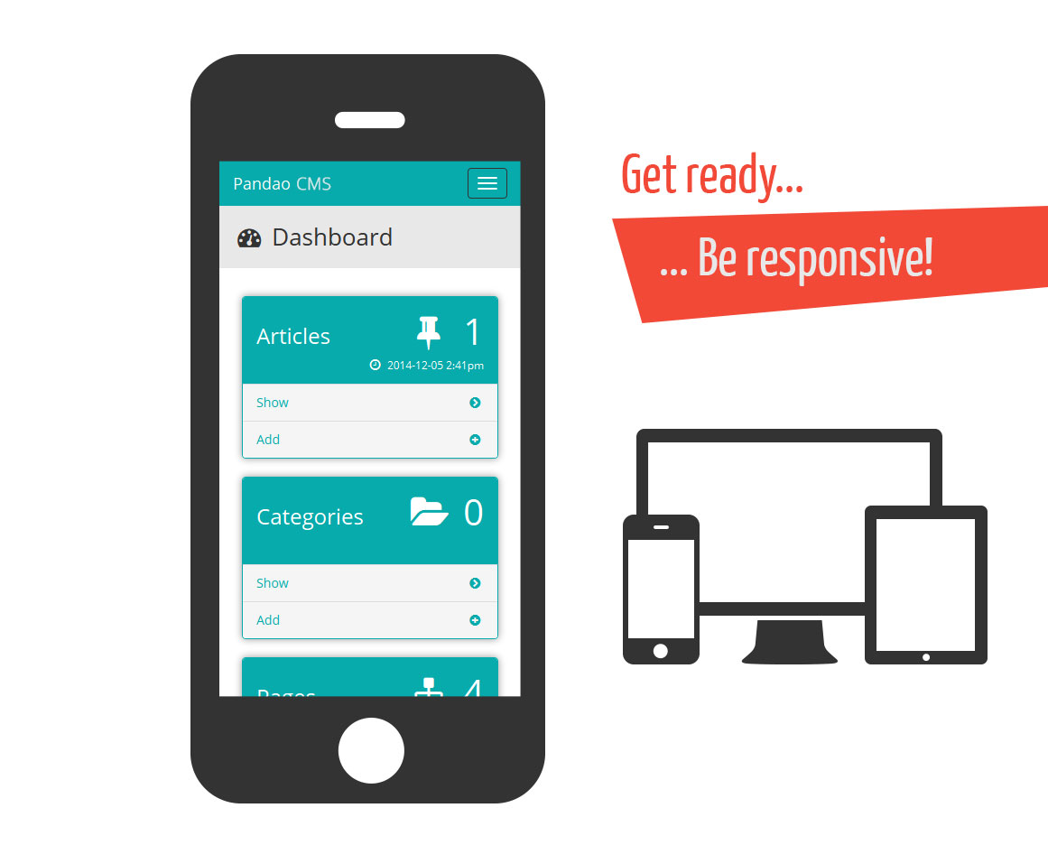
The following sections are useful only for a manual installation

Files and folders rights
According to your host, you could need to grant the rights 777 (r+w+x) to the following files
/common/config.php the settings editable in the manager
/medias/ the files and pictures of dynamic elements
/.htaccess general rules, basedir and url rewriting
To set 777 rights on "medias" folder including all the files within all the subfolders, use the unix command in the /medias/ directory: chmod -R 777 ./

.htaccess
/.htaccess : general rules, basedir and url rewriting
line 67: replace {DOCBASE} with / (unless your website is in a subdirectory, for ex: /dev/mywebsite/)

Settings
/common/config.php
Edit this file with you own values. All the following settings are available in the settings section of your manager.
Name | Expected type / values | Description
SITE_TITLE | text | title of the website
TIME_ZONE | text | "Europe/London"
LANG_ENABLED | 1 or 0 | enables or disables the foreign languages (multilingual or not)
TEMPLATE | text | name of the template in use (name of the folder)
OWNER | text | Contact name
EMAIL | text | Contact email
ADDRESS | text | Contact address
PHONE | text | Contact phone
MOBILE | text | Contact mobile
FAX | text | Contact fax
DB_NAME | text | Database name
DB_HOST | text | Database host (localost)
DB_PORT | integer | Database port (3306)
DB_USER | text | Database user
DB_PASS | text | Database password
SENDER_EMAIL | text | Email of the sender
SENDER_NAME | text | Name of the sender
USE_SMTP | 1 or 0 | Use SMTP to send emails
SMTP_SECURITY | "" | "ssl" | "tls" | Security of the SMTP connection
SMTP_AUTH | 1 or 0 | Enable SMTP autentication
SMTP_HOST | text | Name of the SMTP server
SMTP_USER | text | Username
SMTP_PASS | text | Password
SMTP_PORT | integer | usually 25, 465 or 587

Let's GO!
First of all, enter your settings (database connexion, contact infos, project name...) in the settings section.
To access to the manager : http://www.mywebsite.com/admin

BACK OFFICE
The package contains basic modules like the articles, the pages, the comments, the slideshow, etc.
The first part of a module section lists recorded elements for this module, the second part is a form to add or modify an element.
In the settings section, you can manage the parameters essential to the smooth running of the web site and its manager.

Translation
To translate the back office, simply change the values into the file /admin/includes/lang.ini
Example:
1. BACK_TO_LIST="Back to list"
2. SAVE="Save"
3. SAVE_EXIT="Save and exit"
4. REPLICATE="Replicate"
5. EXPECTED_IMAGES_SIZE="Expected images size:"
6. RELEASE="Release"
7. ...

Add / configure your own modules
You can add and personalize your own modules:
1. Duplicate the /admin/modules/.TABLE_NAME/ folder and his content
2. Rename it with the same name of the table in the database (module name = table name = folder name)
3. Edit db.sql file and execute this script (in your phpMyAdmin for example)
4. Edit config.xml file

db.sql configuration
1. -- ================ CREATION OF THE TABLE article =============
2.
3. CREATE TABLE article(
4. id int NOT NULL AUTO_INCREMENT,
5. lang int NOT NULL,
6. title varchar(250),
7. subtitle varchar(250),
8. text longtext,
9. url varchar(250),
10. tags varchar(250),
11. id_page int,
12. home int DEFAULT 0,
13. checked int DEFAULT 0,
14. rank int DEFAULT 0,
15. add_date int,
16. edit_date int,
17. PRIMARY KEY(id,lang)
18. ) ENGINE=INNODB DEFAULT CHARSET=utf8;
19.
20. ALTER TABLE article ADD CONSTRAINT article_lang_fkey FOREIGN KEY (lang) REFERENCES lang(id) ON DELETE CASCADE ON UPDATE NO ACTION;
21. ALTER TABLE article ADD CONSTRAINT article_page_fkey FOREIGN KEY (id_page) REFERENCES page(id) ON DELETE CASCADE ON UPDATE NO ACTION;
22.
23. -- ============= CREATION OF THE TABLE article_file ===========
24.
25. CREATE TABLE article_file (
26. id int NOT NULL AUTO_INCREMENT,
27. lang int NOT NULL,
28. id_item int NOT NULL,
29. home int DEFAULT 0,
30. checked int DEFAULT 1,
31. rank int DEFAULT 0,
32. file varchar(250),
33. label varchar(250),
34. type varchar(20),
35. PRIMARY KEY(id,lang)
36. ) ENGINE=INNODB DEFAULT CHARSET=utf8;
37.
38. ALTER TABLE article_file ADD CONSTRAINT article_file_fkey FOREIGN KEY (id_item,lang) REFERENCES article(id,lang) ON UPDATE NO ACTION ON DELETE CASCADE;
39. ALTER TABLE article_file ADD CONSTRAINT article_file_lang_fkey FOREIGN KEY (lang) REFERENCES lang(id) ON DELETE CASCADE ON UPDATE NO ACTION;
Usefull and reserved columns names for the tables
id : required
lang : required if "multi" attribute has the value 1 in config.xml (for multilingual modules)
rank : required if "ranking" attribute has the value 1 in config.xml (if the elements can be sorted with drag'n'drop on the list)
home : required if "home" attribute has the value 1 in config.xml (if the element can appear on homepage)
checked : required if "validation" attribute has the value 1 in config.xml (if the element can be published or not)
add_date / edit_date : required if "date" attribute has the value 1 in config.xml (if the element neads a add date and an edit date)
Conserve the "TABLE_NAME_file" if the element neads medias (pdf, pictures, videos...)

config.xml configuration
The file config.xml define the module settings and the columns displayed in list.php and form.php (/admin/module/default/). config.xsd check the syntax of this document
1. <?xml version="1.0" encoding="UTF-8"?>
2. <module title="Articles" name="article" multi="1" library="1" dashboard="1" icon="thumb-tack" ranking="1" home="1" validation="1" dates="1" index="1">
3. <!-- resizing
4. [0] 1 single image
5. [1] 1x big, 1x medium, 1x small -->
6. <medias max="30" resizing="1">
7. <big maxw="1920" maxh="1440"/>
8. <medium maxw="600" maxh="600"/>
9. <small maxw="400" maxh="400"/>
10. </medias>
11. <list order="rank">
12. <filter label="Page" name="id_page" table="pm_page" fieldlabel="name" fieldvalue="id" order="name"/>
13. <col label="Title" name="title" type="none"/>
14. <col label="Page" name="id_page" table="pm_page" fieldvalue="name" fieldref="id"/>
15. </list>
16. <form>
17. <field multi="1" label="Title" name="title" type="text" required="1" unique="0" validation="none"/>
18. <field multi="1" label="Subtitle" name="subtitle" type="text" required="0" unique="0" validation="none"/>
19. <field multi="1" label="Alias" name="alias" type="text" required="1" unique="1" validation="none" comment="Article URL"/>
20. <field multi="1" label="Text" name="text" type="textarea" editor="1" required="0" unique="0" validation="none"/>
21. <field multi="1" label="URL" name="url" type="text" required="0" unique="0" validation="none"/>
22. <field multi="0" label="Page" name="id_page" type="select" required="1" unique="0" validation="none">
23. <options table="pm_page" fieldlabel="name" fieldvalue="id" order="name"/>
24. </field>
25. <field multi="0" label="Tags" name="tags" type="multiselect" required="0" unique="0" validation="none">
26. <options table="pm_tag" fieldlabel="value" fieldvalue="id" order="value"/>
27. </field>
28. <field multi="0" label="Allow comment ?" name="comment" type="radio" required="1" unique="0" validation="none" roles="administrator">
29. <options>
30. <option value="1">Yes</option>
31. <option value="0">No</option>
32. </options>
33. </field>
34. <field multi="0" label="User" name="id_user" type="select" required="1" unique="0" validation="none" roles="administrator">
35. <options table="pm_user" fieldlabel="login" fieldvalue="id" order="login"/>
36. </field>
37. </form>
38. <roles>
39. <user type="administrator" permissions="all"/>
40. <user type="manager" permissions="all"/>
41. <user type="editor" permissions="add,edit,upload"/>
42. </roles>
43. </module>
<module> has the following attributes
Name | Expected type / values | Description
title | text | title of the module
name | text | column name in the table
multi | 1 or 0 | enables or disables the foreign languages (multilingual or not)
library | 1 or 0 | the medias of the module appear or not in the library of medias on the form page
dashboard | 1 or 0 | shows or hides a focus box on the manager homepage
icon | text | the icon associated with the module (it's the suffix of "Font Awesome": fa fa-xxxx)
ranking | 1 or 0 | enables or disables the ranking of the elements in the list
home | 1 or 0 | possible or not to show/hide an element on the homepage
validation | 1 or 0 | possible or not to publish/unpublish an element
dates | 1 or 0 | enables or disables the add date and the edit date
index | integer > 0 | rank of the module in the main menu
<module> contains 1 element <media>, 1 element <list>, 1 element <form> and 1 element <roles>
<medias> has the following attributes
Name | Expected type / values | Description
max | integer | maximum number of medias
resizing | 1 or 0 | resizing type for the picture: "0" = 1 single image, "1" = 1x big, 1x medium and 1x small
<medias> contains 1x <big>, 1x <medium> and 1x <small>
<big>, <medium> and <small> has the following attributes
Name | Expected type / values | Description
maxw | integer | maximum width of the pictures in pixels
maxh | integer | maximum height of the pictures in pixels
<list> has the following attributes
Name | Expected type / values | Description
order | text | column name in the table followed by DESC or ASC if necessary
<list> contains 1 or more elements <col>
<col> has the following attributes
Name | Expected type / values | Description
label | text | title in the header cel
name | text | column name in the table
type | "date" | "price" | "none" (for text) | display format (price: currency in fn_form.php)
table | text | table referencing the values (optional)
fieldref | text | column name referencing the values of this table (visible, optional)
fieldvalue | text | column name containing the value referenced by "fieldref" (hidden, optional)
<form> contains 1 or more elements <field>
<field> has the following attributes
Name | Expected type / values | Description
multi | 1 or 0 | display for all languages or not
label | text | label of the field (optional)
type | "radio" | "text" | "textarea" | "select" | "checkbox" | "date" | "current_date" | "separator" | field type
editor | 1 or 0 | CKEditor or basic input
name | text | column name in the table or other for a "separator" field, it must be unique for a module
required | 1 or 0 | required value or not
validation | "mail" | "numeric" | "none" | validation type
unique | 1 or 0 | unique value in the table or not (e-mail for exmaple)
comment | text | instruction about this field
roles | comma separated values: administrator, manager, editor | user types allowed to edit this field
<roles> contains 3 elements <user> (1 for each type of user)
<user> has the following attributes
Name | Expected type / values | Description
type | "administrator" | "manager" | "editor" | type of user
permissions | comma separated values: all, add, edit, delete, publish, upload, no_access | permissions for this user

Details about the field types
radio : radio buttons - the options are defined into the <options> tag
select : drop-down list - the options are defined into the <options> tag
multiselect : multiple-choice list - the options are defined into the <options> tag
checkbox : as the name suggests - the options are defined into the <options> tag
text : text field
textarea : as the name suggests
date : automatic drop-down lists with year, month, day (converted in timestamp)
datetime : automatic drop-down lists with year, month, day, hours, minutes, seconds (converted in timestamp)
current_date : hidden field with the current date (timestamp)
separator : separator between different parts of the form
<field> can contain a <options> tag which define the options of the "checkbox", "radio" and "select" fields

Different uses
1. the options are "continuous" values
<options> tag must contain 1 <min> and 1 <max> tags
2. the options are "one-off"
L'élément <options> devra comporter un ou plusieurs éléments <option> contenant le libellé de l'item.
each <option> tag must contain an attribute "value" like the html tag.
3. the options are stored in a specific table of the database
<options> must contain the following attributes
table : table name containing the values
fieldlabel : column name of the item label (visible)
fieldvalue : column name of the item value (hidden)

TEMPLATES
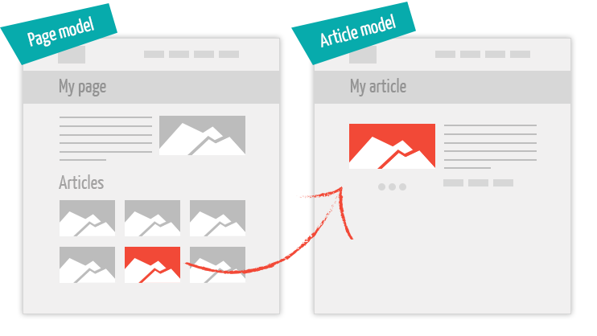
/templates/ contains the templates of your website. "default" is the basic template.
A template is composted by 4 folders :
common: common files for all models
header.php : the header tag with meta tags, scripts... and the top of the web site (logo, navigation, flags...)
page_header.php : the header of all models except the homepage (heading 1, breadcrumb...)
footer.php : the footer tag with the widgets and the copyrights
css: stylesheets
custom.css
images: as the name suggests... the images used by the template
models: models files of the template.
The models are simply PHP files which defines the models of pages and articles.
home.php : homepage model
page.php : model for a simple page
article.php : model for an article
gallery.php : model for a gallery with its pictures
contact.php : contact form model
sitemap.php : sitemap model
search.php : model for the search engine results
404.php : custom 404 page model
You can create your own template by replicating the "default" folder with an other name and enable it into the manager in the settings section.
Create your own models and bind a page to this model in the manager
Modules > Pages > Edit > Page / Article model
There are 3 possible levels of models for each page:
1. page (required) : defines the page model
2. article (optional) : display the model of each article of this page
URL examples
Affirmation | URL example
a page can contain no article | http://www.mywebsite.com/my-page
a page can contains one or several articles | http://www.mywebsite.com/my-page/my-article

PAYMENT
PayPal: express checkout
1. No Paypal account? Create one here.
2. If you need to make tests:
1. Create 2 sandbox test accounts (1 business and 1 personal) via PayPal Developer.
For example pandao.buyer@gmail.com and pandao.merchant@gmail.com.
2. Enable the payment test mode in the Pandao admin panel:
Admin > Settings > Booking > "Enable payment test mode" => Yes.
3. Insert your PayPal test email (business) in the Pandao admin panel:
Admin > Settings > Booking > "PayPal email".
4. Test your application by making a booking with the PayPal test account (personal).
3. Insert your PayPal email (live account) in the Pandao admin panel:
Admin > Settings > Booking > "PayPal email".
4. Enable live payment in your PayPal account: https://developer.paypal.com/docs/classic/lifecycle/goingLive/.
5. Disable the payment test mode in the Pandao admin panel:
Admin > Settings > Booking > "Enable payment test mode" => No.
6. It's over!
2Checkout.com: credit cards
1. If you need to make tests:
1. Create a sandbox account here.
2. Log in to your sandbox account.
3. Get your test account number.
4. Get your test account secret word.
5. Define the return URL called by 2Checkout.com when a booking is performed here:
> Order created > Enable and past URL > Save Settings.
This URL must be: http://REPLACE_WITH_YOUR_SITE_URL/templates/booking/common/2checkout_notify.php
6. Enable the payment test mode in the admin panel:
Admin > Settings > Booking > "Enable payment test mode" => Yes.
7. Insert your sandbox account number in the Pandao admin panel:
Admin > Settings > Booking > "2Checkout vendor ID".
8. Insert your sandbox secret word in the Pandao admin panel:
Admin > Settings > Booking > "2Checkout secret word".
9. Test your application by making a booking.
2. No 2Checkout account? Create one here.
3. Log in to your live account.
4. Get your live account number.
5. Get your live account secret word.
6. Define the return URL called by 2Checkout.com when a booking is performed here:
> Order created > Enable and past URL > Save Settings.
This URL must be: http://REPLACE_WITH_YOUR_SITE_URL/templates/booking/common/2checkout_notify.php
7. Insert your live account number in the Pandao admin panel:
Admin > Settings > Booking > "2Checkout vendor ID".
8. Insert your live secret word in the Pandao admin panel:
Admin > Settings > Booking > "2Checkout secret word".
9. Disable the payment test mode in the admin panel:
Admin > Settings > Booking > "Enable payment test mode" => No.
10. It's over!

SCREENSHOTS

