Q1
Needed formulas:
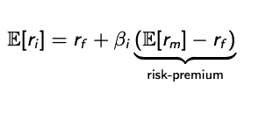

E[ri] | 18%
rf | 6%
E[rm] | 14%
beta | 1.50

Q3
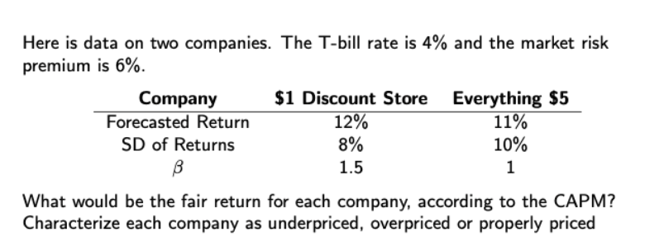

According to CAPM holders of the stock are compensated only for the market risk(measured by beta), and not by the total risk (mesured by sigma):

 |  | 1$ store | $5 store
 | rf | 4% | 4%
 | beta | 1.50 | 1.00
 | Forecasted return | 12% | 11%
 | SD | 8% | 10%
 | Market risk premium | 6% | 6%
 | E[ri] | 13.00% | 10.00%

Under/over valued?
A company is over priced if return as per CAPM>forecasted return, and underpiced if return as per CAPM<forecasted return.

CAPM for 1$ exceed the market forecast- overpriced
CAPM for 5$ is less than the forecast - underpriced

