工作表1
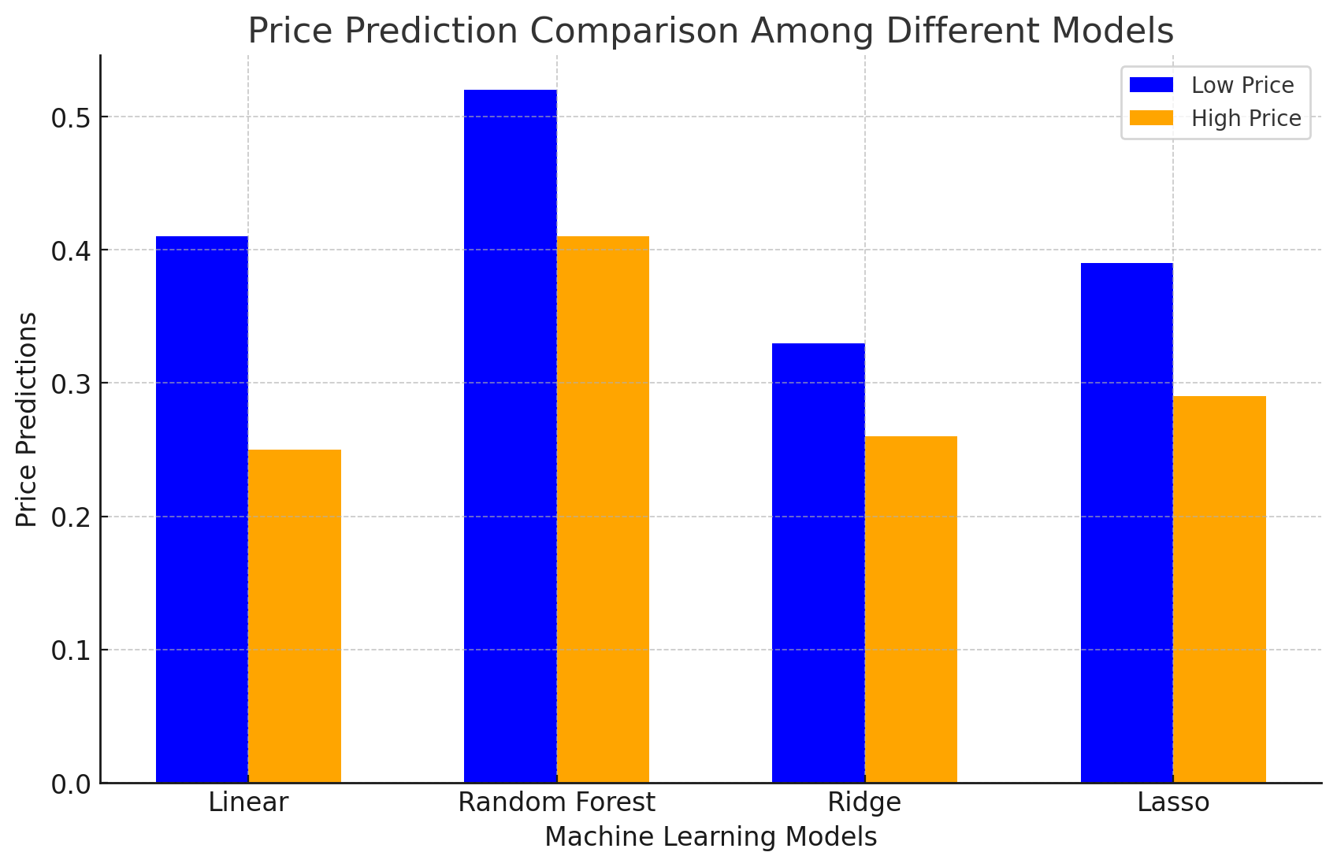
R2 train score
model name |  |  | RMSE | R2 score train | R2 score test
linear | low price | data processing 4.1 | 0.1 | 0.39 | 0.41
 | low price | data processing 5.1 | 0.11 | 0.34 | 0.25
 | high price | data processing 4.1 | 0.16 | 0.43 | 0.46
 | high price | data processing 5.1 | 0.17 | 0.32 | 0.28

random forest | low price | data processing 4.1 | 0.09 | 0.68 | 0.52
 | low price | data processing 5.1 | 0.1 | 0.59 | 0.41
 | high price | data processing 4.1 | 0.12 | 0.64 | 0.55
 | high price | data processing 5.1 | 0.13 | 0.63 | 0.43

Ridge | low price | data processing 4.1 | 0.1 | 0.41 | 0.33
 | low price | data processing 5.1 | 0.11 | 0.33 | 0.26
 | high price | data processing 4.1 | 0.15 | 0.43 | 0.39
 | high price | data processing 5.1 | 0.17 | 0.32 | 0.29

Lasso | low price | data processing 4.1 | 0.15 | 0.43 | 0.39
 | low price | data processing 5.1 | 0.17 | 0.32 | 0.29
 | high price | data processing 4.1 | 0.15 | 0.43 | 0.39
 | high price | data processing 5.1 | 0.17 | 0.32 | 0.29
R2 test score

4.1 和 5.1 数据处理对比

figure1
R2 train score
data processing 4.1 | 0.39 | 0.43 | 0.68 | 0.64 | 0.41 | 0.43 | 0.43 | 0.43
data processing 5.1 | 0.34 | 0.32 | 0.59 | 0.63 | 0.33 | 0.32 | 0.32 | 0.32

figure2
R2 test score
data processing 4.1 | 0.41 | 0.46 | 0.52 | 0.55 | 0.33 | 0.39 | 0.39 | 0.39
data processing 5.1 | 0.25 | 0.28 | 0.41 | 0.43 | 0.26 | 0.29 | 0.29 | 0.29

RMSE
figure3
RMSE
data processing 4.1 | 0.1 | 0.16 | 0.09 | 0.12 | 0.1 | 0.15 | 0.15 | 0.15
data processing 5.1 | 0.11 | 0.17 | 0.1 | 0.13 | 0.11 | 0.17 | 0.17 | 0.17

模型间结果对比
figure4
linear | low price | 0.41
linear | high price | 0.25
random forest | low price | 0.52
random forest | high price | 0.41
Ridge | low price | 0.33
Ridge | high price | 0.26
Lasso | low price | 0.39
Lasso | high price | 0.29

