weights
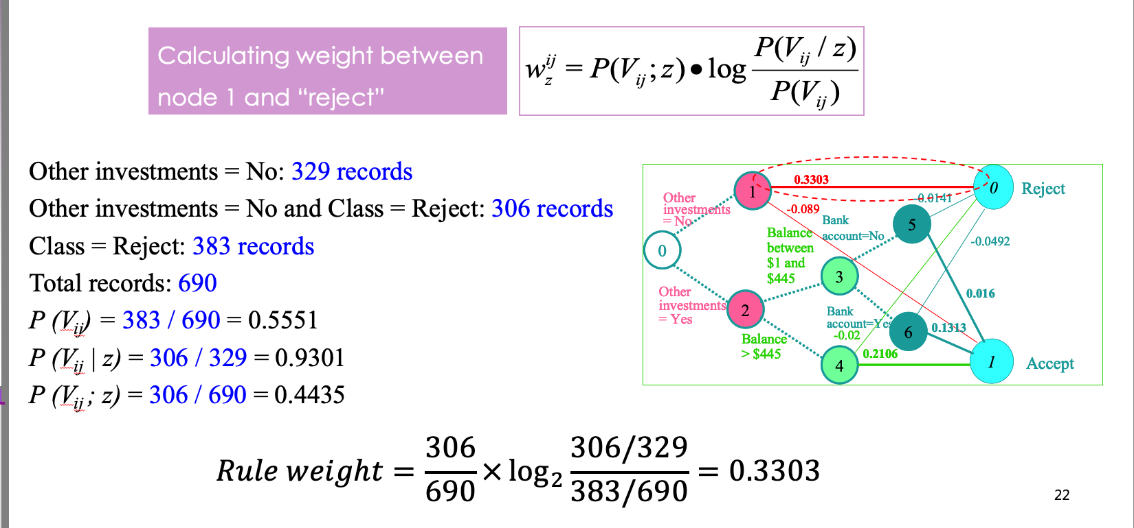
Prediction = absence | 57
Prediction = presence | 43
p(Prediction = absence) | 0.57
p(Prediction = presence) | 0.43
Total Records | 100

Node 2 - Slope = flat
Slope = flat | 39
Slope = flat, Prediction = absence | 12
Slope = flat, Prediction = presence | 27
p(Prediction = absence| Slope = flat) - cond. | 0.308
p(Prediction = absence; Slope = flat) - joint | 0.12
p(Prediction = presence| Slope = flat) - cond. | 0.692
p(Prediction = presence; Slope = flat) - joint | 0.27

w(Prediction = absence| Slope = flat) | -0.107
w(Prediction = presence| Slope = flat) | 0.186

Node 3 - Slope = downsloping
Slope = downsloping | 11
Slope = downsloping, Prediction = absence | 6
Slope = downsloping, Prediction = presence | 5
p(Prediction = absence| Slope = downsloping) - cond. | 0.545
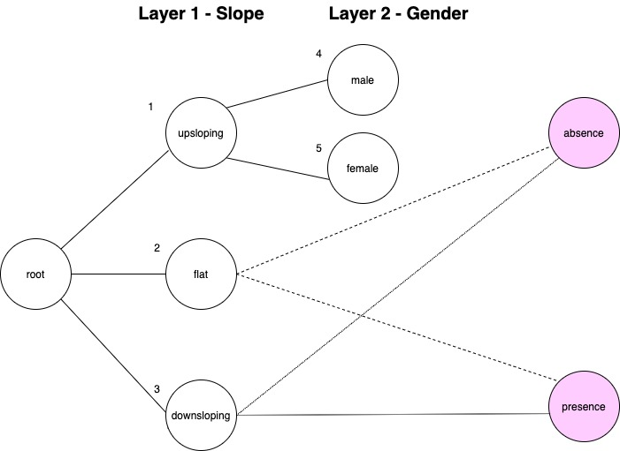
p(Prediction = absence; Slope = downsloping) - joint | 0.06
p(Prediction = presence| Slope = downsloping) - cond. | 0.455
p(Prediction = presence; Slope = downsloping) - joint | 0.05

w(Prediction = absence| Slope = downsloping) | -0.004
w(Prediction = presence| Slope = downsloping) | 0.004

Node 4 - Slope = upsloping, Gender = male
Slope = upsloping, Gender = male | 32
Slope = upsloping, Gender = male, Prediction = absence | 22
Slope = upsloping, Gender = male, Prediction = presence | 10
p(Prediction = absence| Slope = upsloping, Gender = male) - cond. | 0.688
p(Prediction = absence; Slope = upsloping, Gender = male) - joint | 0.22
p(Prediction = presence| Slope = upsloping, Gender = male) - cond. | 0.313
p(Prediction = presence; Slope = upsloping, Gender = male) - joint | 0.1

w(Prediction = absence|Slope = upsloping, Gender = male) | 0.059
w(Prediction = presence| Slope = upsloping, Gender = male) | -0.046

Node 5 - Slope = upsloping, Gender = female
Slope = upsloping, Gender = female | 18
Slope = upsloping, Gender = female, Prediction = absence | 17
Slope = upsloping, Gender = female, Prediction = presence | 1
p(Prediction = absence| Slope = upsloping, Gender = female) - cond. | 0.944
p(Prediction = absence; Slope = upsloping, Gender = female) - joint | 0.17
p(Prediction = presence| Slope = upsloping, Gender = female) - cond. | 0.056
p(Prediction = presence; Slope = upsloping, Gender = female) - joint | 0.01

w(Prediction = absence|Slope = upsloping, Gender = female) | 0.124
w(Prediction = presence| Slope = upsloping, Gender = female) | -0.030

