数据库表
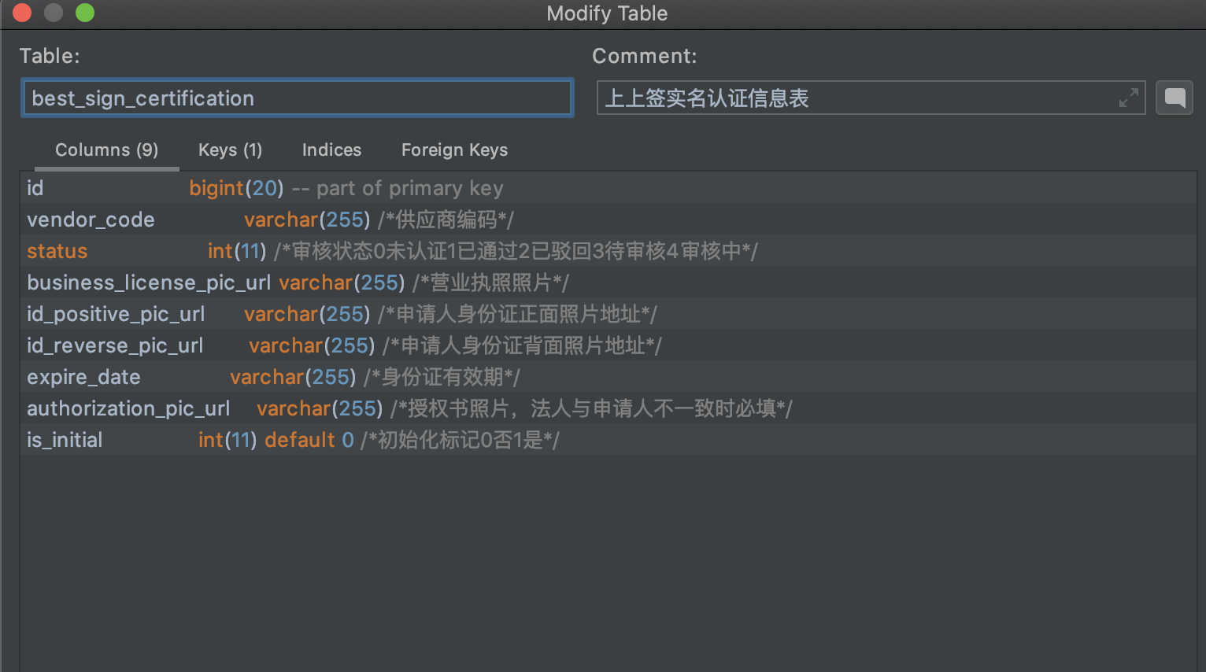
1、供应商网签注册表 best_sign_register

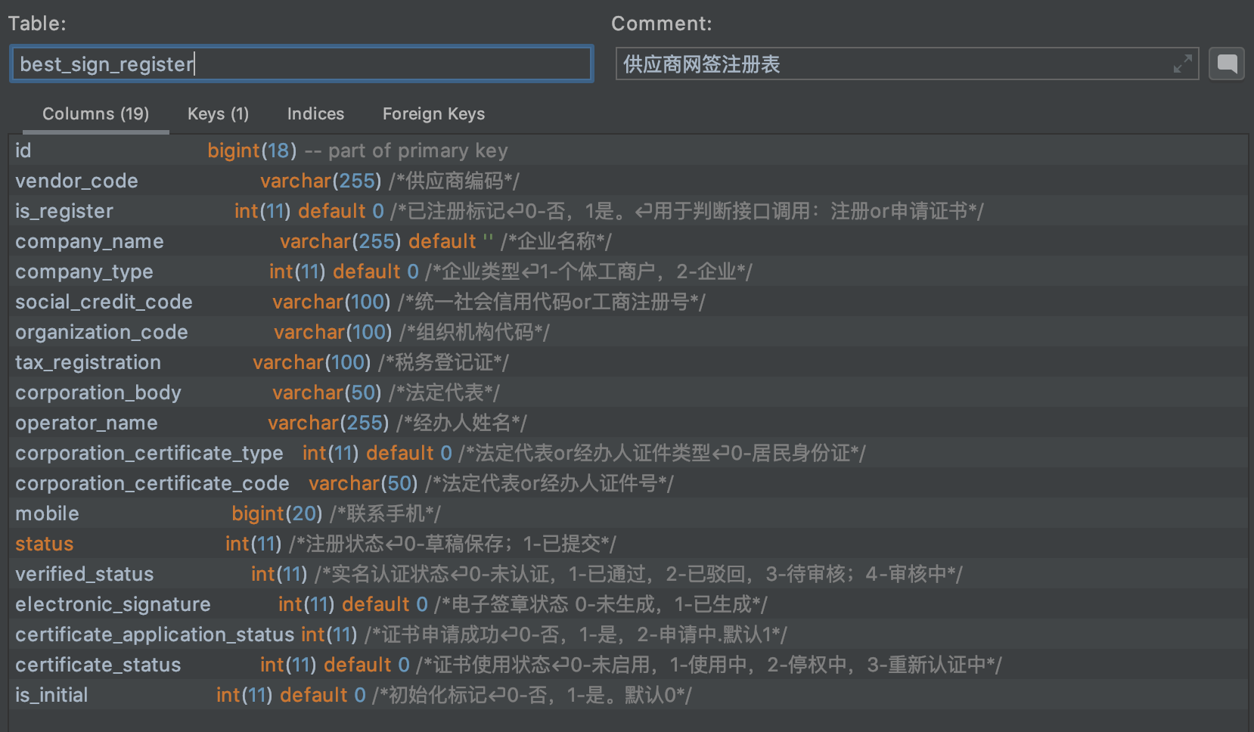

2、电子签章关联表 best_sign_signature
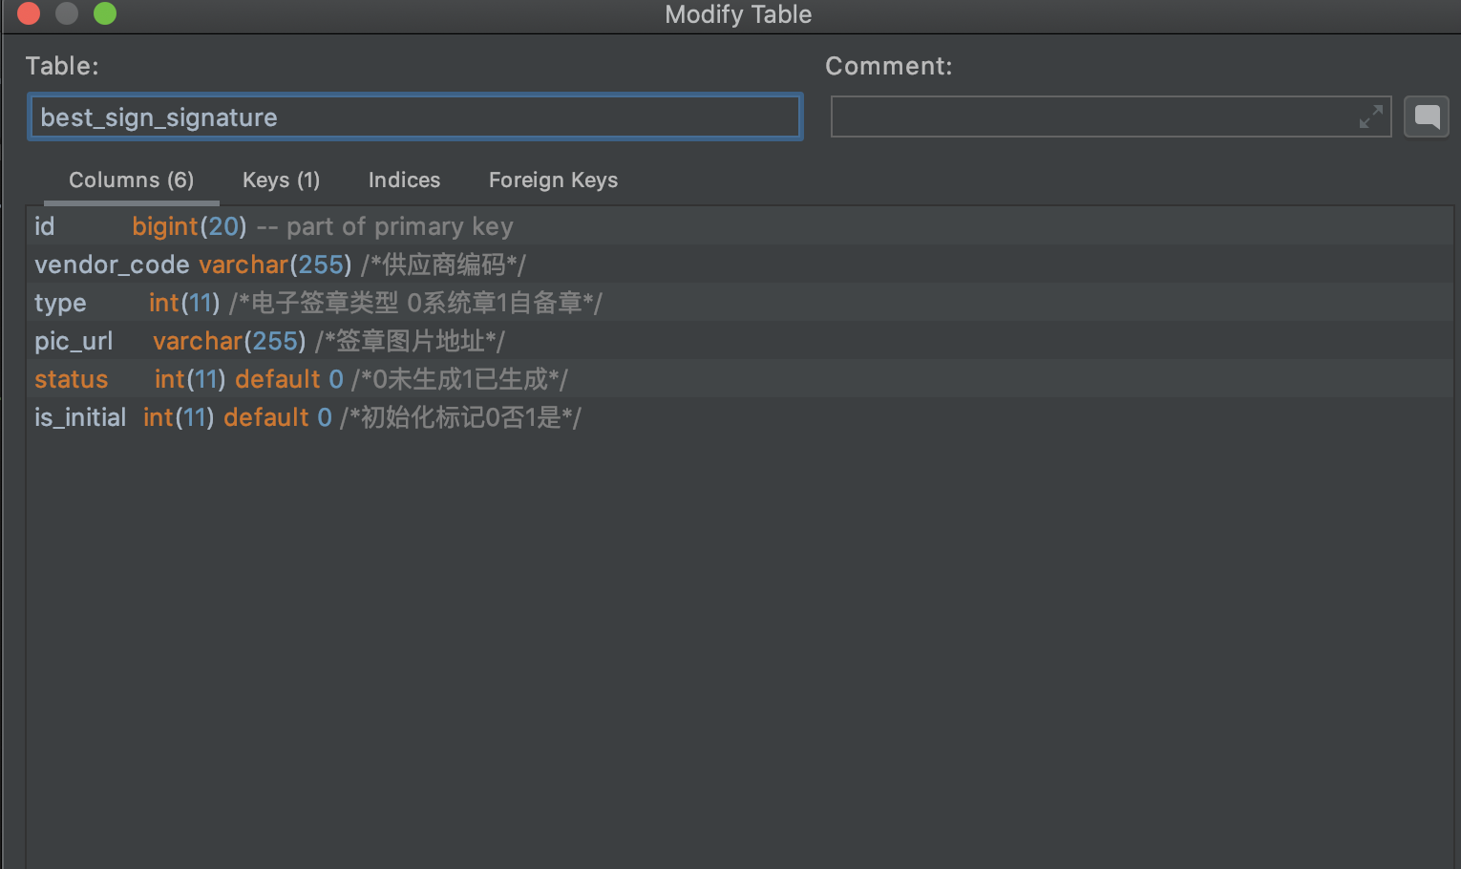

3、实名认证信息表 best_sign_certification

