Summary
 |  |  |  |  | XY4 |  | HATCH | CROSS

 | Environment | Library | Cellname | Type
1 | x78tc_x77b_frame | nik76d9lib2_x76c_lay | 127600c_9_1x576_v_m18022d | XY4
2 | x78tc_x77b_frame | nik76d9lib2_x76c_lay | 127600c_9_1x576_v_m18023d | XY4
3 | x78tc_x77b_frame | nik76d9lib2_x76c_lay | 127600c_9_1x576_v_m18024d | XY4
4 | x78tc_x77b_frame | nik76d9lib2_x76c_lay | 127600c_9_1x576_v_m18030d | XY4
5 | x78tc_x77b_frame | nik76d9lib2_x76c_lay | 127600c_9_1x576_v_m18078d | POUND | POUND |  | XY4-ZONAL
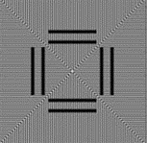
6 | x78tc_x77b_frame | nik76d9lib2_x76c_lay | 127600c_9_1x576_v_m18079d | POUND
7 | x78tc_x77b_frame | nik76d9lib2_x76c_lay | 127600c_9_1x576_v_m18080d | POUND
8 | x78tc_x77b_frame | nik76d9lib2_x76c_lay | 127600c_9_1x576_v_m18154d | CROSS
9 | x78tc_x77b_frame | nik76d9lib2_x76c_lay | 127600c_9_1x576_v_m18173d | HATCH
10 | x78tc_x77b_frame | nik76d9lib2_x76c_lay | 127600c_9_1x576_v_m18222d | XY4-ZONAL
11 | x78tc_x77b_frame | nik76d9lib2_x76c_lay | 127600c_9_1x576_v_m18223d | XY4-ZONAL
12 | x78tc_x77b_frame | nik76d9lib2_x76c_lay | 127600c_9_1x576_v_m18224d | XY4-ZONAL |  | Line-FA |  |  | SPA
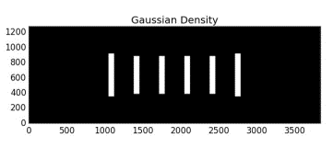
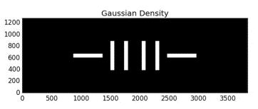
13 | x78tc_x77b_frame | nik76d9lib2_x76c_lay | 127600c_9_1x576_v_m18230d | XY4-ZONAL

