Summary
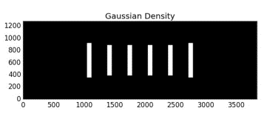
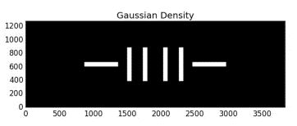
 |  |  |  | XY4 |  | HATCH | CROSS

Environment | Library | Cellname | Type
x78tc_x77b_frame | nik78d2lib2_v78_lay | 127800c_2_x78c_n_bm1154d | CROSS
x78tc_x77b_frame | nik78d2lib2_v78_lay | 127800c_2_x78c_n_bm1173d | HATCH

 |  |  |  | POUND |  | XY4-ZONAL


 |  |  |  |  | Line-FA |  |  | SPA

