Details
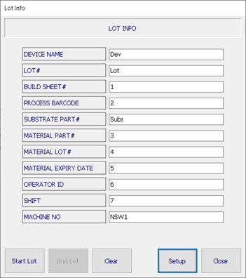
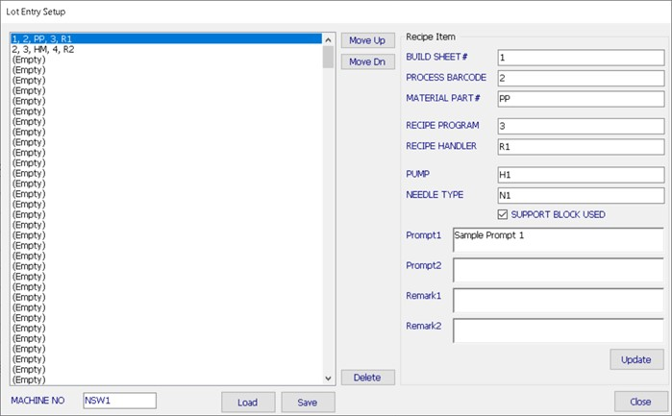
FOR OPERATOR KEY IN/SCAN

LOT INFO | DETAILS
DEVICE NAME | LTP8802A-1AIPV#PBF-ES-AO
LOT# | 8802XX-1234567.8
BUILD SHEET# | NE1234A-1
PROCESS BARCODE | CLIPBOT
SUBSTRATE PART# | PMP1234PG56E78
MATERIAL PART# | 12-3456A
MATERIAL LOT# | PSA123456
MATERIAL EXPIRY DATE | 01 AUG 2021
OPERATOR ID | 12345
SHIFT | A
MACHINE NO | NSW1

FOR TECHNICIAN/ENGINEER PROGRAM REGISTRATION

PRODUCT TABLE
NO | PROGRAM VERIFIED |  |  | RECIPE |  | PROGRAM INFORMATION
 | BUILD SHEET# | PROCESS BARCODE | MATERIAL PART# | PROGRAM | HANDLER | PUMP | NEEDLE TYPE | SUPPORT BLOCK USED | CABLE CONNECTION | Remark1 | Remark2 | Remark3
1 | NE1234A-1 | CLIPBOT | 12-3456A | LTP88XX_CLIPBOT | LTPBOT | SP | SP Cartridge 40S | No | Confirm IO SP Cable Connection | N/A | N/A | N/A
2 | NE1234-5 | HSTOP | 12-3456 | LTP88XX_HSTOP | LTPTOP | TP | Long Pink Needle | No | Confirm IO TP Cable Connection | N/A | N/A | N/A
3 | N1234-5 | PRE | 08-0529 | LTM1234_PREDISPENSE | LTMPRE | VERMES | Short Orange Needle | Yes | Confirm IO Vermes Cable Connection | N/A | N/A | N/A

Algorithm
Fill up the Lot Info Details
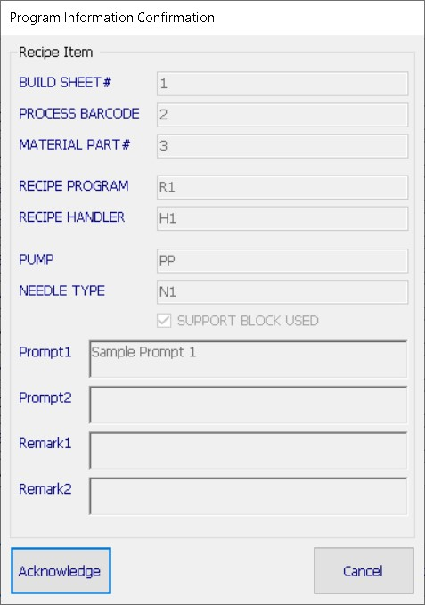

Program Verification based on below info;

1. Build Sheet#
2. Process Barcode
3. Material Part#

Auto Load Recipe
 |  | Yes

Window prompt out the "PROGRAM INFORMATION"
 |  |  |  |  | Need to click "ACKNOWLEDGE" to close the window
 | No
Window prompt out error "NO PROGRAM"

Continously check the Material Expiry Date

Material Expired?
Window prompt out error "MATERIAL EXPIRED"
 |  |  |  | Yes

Machine automatically stop dispensing after complete 1 substrate. Resume after new material has been change and verified
 |  |  | No
Continue Dispense

Pics
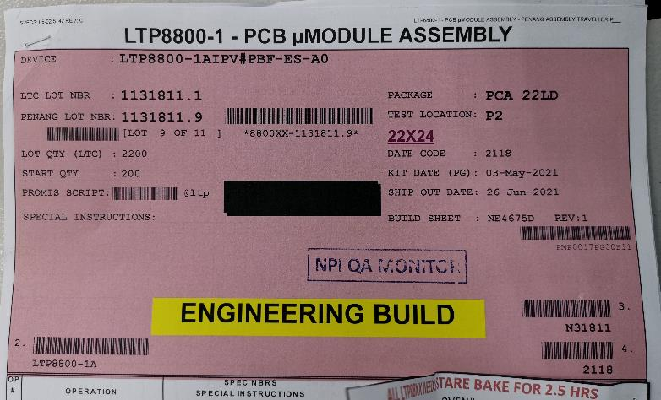
Device Name
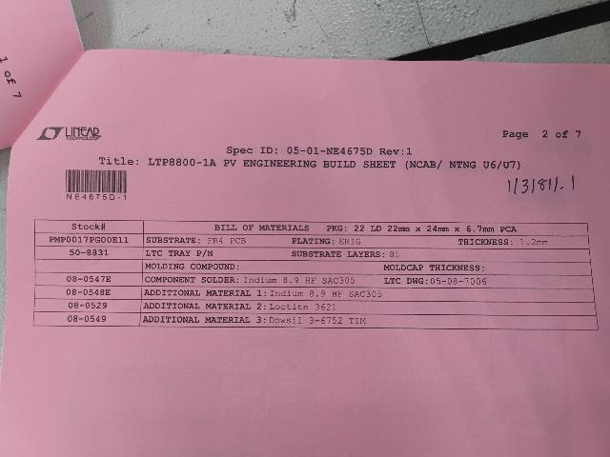

Lot#
Build Sheet#

Substrate Part#

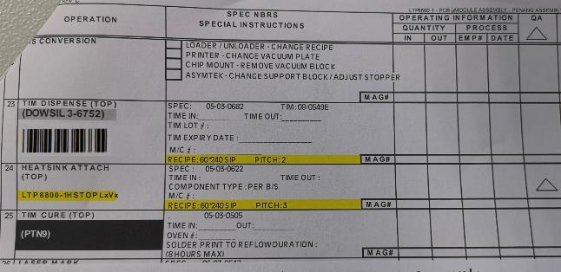
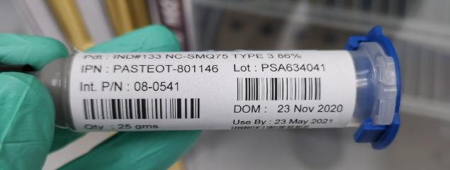

Material Lot#
Material Part#

Process Barcode#

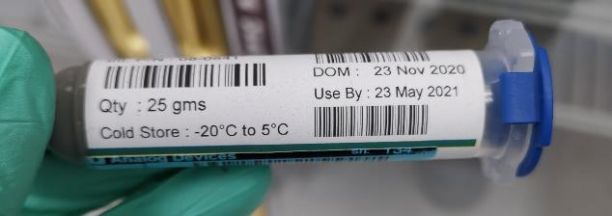

Material Expiry Date#

