Decomposition
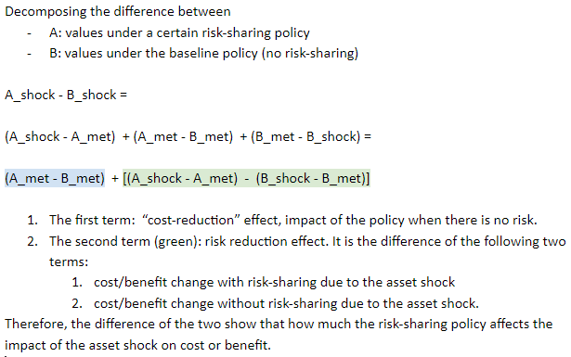
 |  | Asset shock |  |  |  | Assumptin met
 |  | PV of ERC (15 years) | ERC as % of payroll 5 years after the asset shock | PV of EEC (15 years) | PV of benefit up to age 85 for new retirees in year 1 | PV of ERC (15 years) | ERC as % of payroll 5 years after the asset shock | PV of EEC (15 years) | PV of benefit up to age 85 for new retirees in year 1
runname |  | ERC_PV | ERC_PR_y7 | EEC_PV | B_cohort_PV_26y | ERC_PV | ERC_PR_y7 | EEC_PV | B_cohort_PV_26y
baseline | Baseline: asset shock | 56,367,674 | 17.9% | 21,878,969 | 1,389 | 24,840,789 | 5.6% | 21,878,969 | 1,389
cola_returnSmooth_calib2 | Contingent COLA: 5-year return | 55,182,191 | 17.0% | 21,878,969 | 1,373 | 24,840,789 | 5.6% | 21,878,969 | 1,389
cola_returnSmooth_calib2_s10 | Contingent COLA: 10-year return | 52,574,691 | 17.0% | 21,878,969 | 1,333 | 24,840,789 | 5.6% | 21,878,969 | 1,389
cola_FR_calib | Contingent COLA: Funded ratio | 51,894,435 | 17.0% | 21,878,969 | 1,311 | 25,242,571 | 5.6% | 21,878,969 | 1,395
EEC_returnSmooth | Contingent EEC: 5-year return | 53,853,583 | 15.9% | 24,393,060 | 1,389 | 24,840,789 | 5.6% | 21,878,969 | 1,389
EEC_FR | Contingent EEC: funded ratio 85% | 57,894,696 | 17.5% | 20,351,947 | 1,389 | 33,592,377 | 7.6% | 13,127,382 | 1,389
EEC_FR_t100 | Contingent EEC: funded ratio 100% | 50,867,010 | 15.9% | 27,379,633 | 1,389 | 24,840,789 | 5.6% | 21,878,969 | 1,389
EEC_sharedADCcap | Evenly shared ADC: 10% EEC cap | 39,566,448 | 12.4% | 38,680,195 | 1,389 | 23,359,879 | 5.3% | 23,359,879 | 1,389
EEC_sharedADC | Evenly shared ADC: No EEC cap | 39,123,322 | 11.5% | 39,123,322 | 1,389 | 23,359,879 | 5.3% | 23,359,879 | 1,389
hybrid_DB | Hybrid DB-DC | 40,436,060 | 11.8% | 21,878,969 | 1,243 | 24,672,617 | 5.6% | 21,878,969 | 1,366
hybrid_DB_noLegacy | Hybrid DB-DC no legecy cost | 40,436,060 | 11.8% | 21,878,969 | 1,243 | 24,672,617 | 5.6% | 21,878,969 | 1,366
cola_SDRS | SDRS-like | 35,347,735 | 5.3% | 35,347,735 | 1,318 | 23,359,879 | 5.3% | 23,359,879 | 1,396
DA_as | Conditional indexation | 50,394,004 | 16.1% | 21,878,969 | 1,372 | 30,215,419 | 7.0% | 21,878,969 | 1,456

 | Decomposing the impact of risk-sharing policies under the asset-shock scenarios
 | baseline assumption met | 24,840,789 |  |  |  | 5.6% |  |  |  | 21,878,969 |  |  | 1,389
 | baseline asset shock: (Denominator for all % changes below, including cost effect) | 56,367,674 |  |  |  | 17.9% |  |  |  | 21,878,969 |  |  | 1,389
 |  | ERC_PV |  |  |  | ERC_PR_y7 |  |  |  | EEC_PV |  |  | B_cohort_PV_26y

 | runname | Total effect | cost effect | risk effect |  | Total effect | cost effect | risk effect |  | Total effect | cost effect | risk effect | Total effect | cost effect | risk effect
 | Contingent COLA: 5-year return | -2.1% | 0.0% | -2.1% |  | -1.0% | 0.0% | -1.0% |  | 0.0% | 0.0% | 0.0% | -1.2% | 0.0% | -1.2%
 | Contingent COLA: 10-year return | -6.7% | 0.0% | -6.7% |  | -1.0% | 0.0% | -1.0% |  | 0.0% | 0.0% | 0.0% | -4.1% | 0.0% | -4.1%
 | Contingent COLA: Funded ratio | -7.9% | 0.7% | -8.6% |  | -1.0% | 0.0% | -0.9% |  | 0.0% | 0.0% | 0.0% | -5.6% | 0.4% | -6.0%
 | Contingent EEC: 5-year return | -4.5% | 0.0% | -4.5% |  | -2.0% | 0.0% | -2.0% |  | 11.5% | 0.0% | 11.5% | 0.0% | 0.0% | 0.0%
 | Contingent EEC: funded ratio 85% | 2.7% | 15.5% | -12.8% |  | -0.5% | 2.0% | -2.5% |  | -7.0% | -40.0% | 33.0% | 0.0% | 0.0% | 0.0%
 | Contingent EEC: funded ratio 100% | -9.8% | 0.0% | -9.8% |  | -2.0% | 0.0% | -2.0% |  | 25.1% | 0.0% | 25.1% | 0.0% | 0.0% | 0.0%
 | Evenly shared ADC: 10% EEC cap | -29.8% | -2.6% | -27.2% |  | -5.5% | -0.3% | -5.2% |  | 76.8% | 6.8% | 70.0% | 0.0% | 0.0% | 0.0%
 | Evenly shared ADC: No EEC cap | -30.6% | -2.6% | -28.0% |  | -6.5% | -0.3% | -6.1% |  | 78.8% | 6.8% | 72.0% | 0.0% | 0.0% | 0.0%
 | Hybrid DB-DC | -28.3% | -0.3% | -28.0% |  | -6.2% | 0.0% | -6.1% |  | 0.0% | 0.0% | 0.0% | -10.5% | -1.7% | -8.8%
 | Hybrid DB-DC no legecy cost | -28.3% | -0.3% | -28.0% |  | -6.2% | 0.0% | -6.1% |  | 0.0% | 0.0% | 0.0% | -10.5% | -1.7% | -8.8%
 | SDRS-like | -37.3% | -2.6% | -34.7% |  | -12.6% | -0.3% | -12.3% |  | 61.6% | 6.8% | 54.8% | -5.1% | 0.5% | -5.6%
 | Conditional indexation | -10.6% | 9.5% | -20.1% |  | -1.8% | 1.4% | -3.2% |  | 0.0% | 0.0% | 0.0% | -1.2% | 4.8% | -6.0%

