servRet_misc_classic
TOC
cell_range | C7:I28
var_name | qxr
grp_name | misc_classic
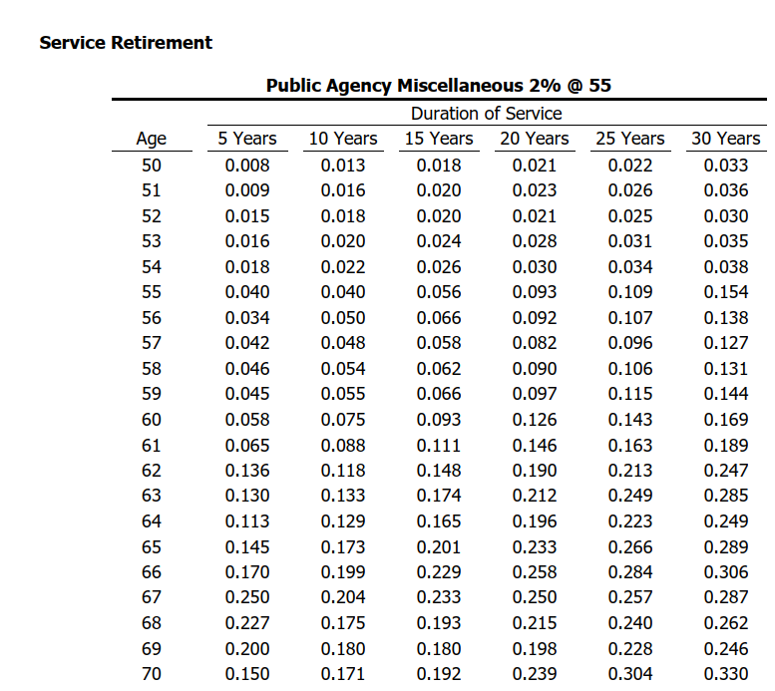
Source: BART misc AV2019 ep 51, 2%@55
 |  | Attained Age | Years of Service
 |  | age | 5 | 10 | 15 | 20 | 25 | 30
 |  | 50 | 0.008 | 0.013 | 0.018 | 0.021 | 0.022 | 0.033
 |  | 51 | 0.009 | 0.016 | 0.020 | 0.023 | 0.026 | 0.036
 |  | 52 | 0.015 | 0.018 | 0.020 | 0.021 | 0.025 | 0.030
 |  | 53 | 0.016 | 0.020 | 0.024 | 0.028 | 0.031 | 0.035
 |  | 54 | 0.018 | 0.022 | 0.026 | 0.030 | 0.034 | 0.038
 |  | 55 | 0.040 | 0.040 | 0.056 | 0.093 | 0.109 | 0.154
 |  | 56 | 0.034 | 0.050 | 0.066 | 0.092 | 0.107 | 0.138
 |  | 57 | 0.042 | 0.048 | 0.058 | 0.082 | 0.096 | 0.127
 |  | 58 | 0.046 | 0.054 | 0.062 | 0.090 | 0.106 | 0.131
 |  | 59 | 0.045 | 0.055 | 0.066 | 0.097 | 0.115 | 0.144
 |  | 60 | 0.058 | 0.075 | 0.093 | 0.126 | 0.143 | 0.169
 |  | 61 | 0.065 | 0.088 | 0.111 | 0.146 | 0.163 | 0.189
 |  | 62 | 0.136 | 0.118 | 0.148 | 0.190 | 0.213 | 0.247
 |  | 63 | 0.130 | 0.133 | 0.174 | 0.212 | 0.249 | 0.285
 |  | 64 | 0.113 | 0.129 | 0.165 | 0.196 | 0.223 | 0.249
 |  | 65 | 0.145 | 0.173 | 0.201 | 0.233 | 0.266 | 0.289
 |  | 66 | 0.170 | 0.199 | 0.229 | 0.258 | 0.284 | 0.306
 |  | 67 | 0.250 | 0.204 | 0.233 | 0.250 | 0.257 | 0.287
 |  | 68 | 0.227 | 0.175 | 0.193 | 0.215 | 0.240 | 0.262
 |  | 69 | 0.200 | 0.180 | 0.180 | 0.198 | 0.228 | 0.246
 |  | 70 | 0.150 | 0.171 | 0.192 | 0.239 | 0.304 | 0.330

servRet_sfty_classic
TOC
cell_range | C7:I23
var_name | qxr
grp_name | sfty_classic
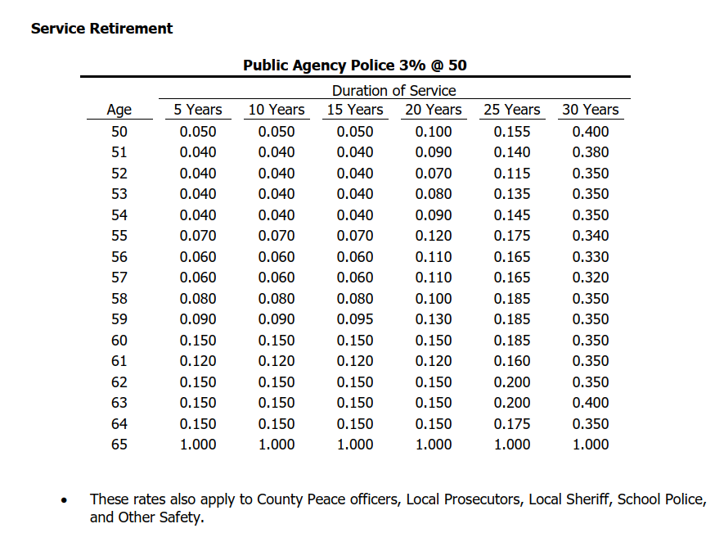
Source: BART misc AV2019 ep 56, 3%@50

 |  | age | 5 | 10 | 15 | 20 | 25 | 30
 |  | 50 | 0.050 | 0.050 | 0.050 | 0.100 | 0.155 | 0.400
 |  | 51 | 0.040 | 0.040 | 0.040 | 0.090 | 0.140 | 0.380
 |  | 52 | 0.040 | 0.040 | 0.040 | 0.070 | 0.115 | 0.350
 |  | 53 | 0.040 | 0.040 | 0.040 | 0.080 | 0.135 | 0.350
 |  | 54 | 0.040 | 0.040 | 0.040 | 0.090 | 0.145 | 0.350
 |  | 55 | 0.070 | 0.070 | 0.070 | 0.120 | 0.175 | 0.340
 |  | 56 | 0.060 | 0.060 | 0.060 | 0.110 | 0.165 | 0.330
 |  | 57 | 0.060 | 0.060 | 0.060 | 0.110 | 0.165 | 0.320
 |  | 58 | 0.080 | 0.080 | 0.080 | 0.100 | 0.185 | 0.350
 |  | 59 | 0.090 | 0.090 | 0.095 | 0.130 | 0.185 | 0.350
 |  | 60 | 0.150 | 0.150 | 0.150 | 0.150 | 0.185 | 0.350
 |  | 61 | 0.120 | 0.120 | 0.120 | 0.120 | 0.160 | 0.350
 |  | 62 | 0.150 | 0.150 | 0.150 | 0.150 | 0.200 | 0.350
 |  | 63 | 0.150 | 0.150 | 0.150 | 0.150 | 0.200 | 0.400
 |  | 64 | 0.150 | 0.150 | 0.150 | 0.150 | 0.175 | 0.350
 |  | 65 | 1.000 | 1.000 | 1.000 | 1.000 | 1.000 | 1.000

servRet_sfty_pepra
TOC
cell_range | C7:I23
var_name | qxr
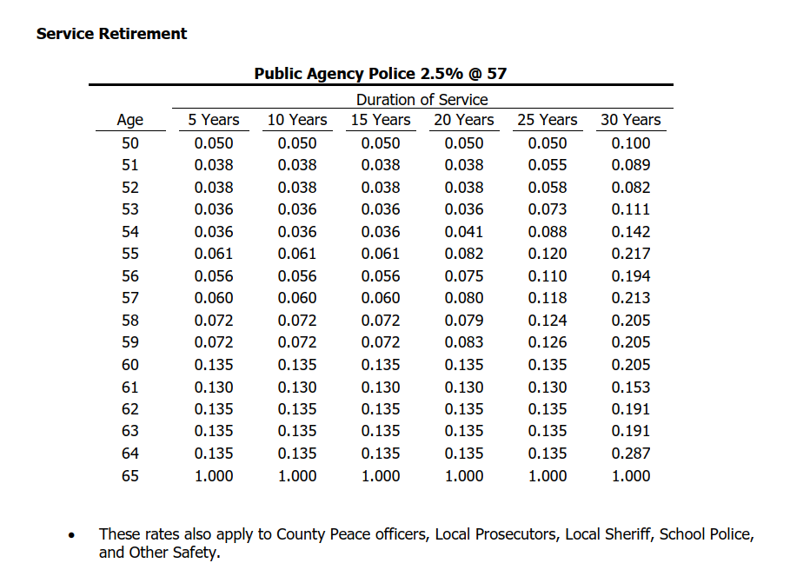
grp_name | sfty_pepra
Source: BART misc AV2019 ep 58, 2.5%@57

 |  | age | 5 | 10 | 15 | 20 | 25 | 30
 |  | 50 | 0.050 | 0.050 | 0.050 | 0.050 | 0.050 | 0.100
 |  | 51 | 0.038 | 0.038 | 0.038 | 0.038 | 0.055 | 0.089
 |  | 52 | 0.038 | 0.038 | 0.038 | 0.038 | 0.058 | 0.082
 |  | 53 | 0.036 | 0.036 | 0.036 | 0.036 | 0.073 | 0.111
 |  | 54 | 0.036 | 0.036 | 0.036 | 0.041 | 0.088 | 0.142
 |  | 55 | 0.061 | 0.061 | 0.061 | 0.082 | 0.120 | 0.217
 |  | 56 | 0.056 | 0.056 | 0.056 | 0.075 | 0.110 | 0.194
 |  | 57 | 0.060 | 0.060 | 0.060 | 0.080 | 0.118 | 0.213
 |  | 58 | 0.072 | 0.072 | 0.072 | 0.079 | 0.124 | 0.205
 |  | 59 | 0.072 | 0.072 | 0.072 | 0.083 | 0.126 | 0.205
 |  | 60 | 0.135 | 0.135 | 0.135 | 0.135 | 0.135 | 0.205
 |  | 61 | 0.130 | 0.130 | 0.130 | 0.130 | 0.130 | 0.153
 |  | 62 | 0.135 | 0.135 | 0.135 | 0.135 | 0.135 | 0.191
 |  | 63 | 0.135 | 0.135 | 0.135 | 0.135 | 0.135 | 0.191
 |  | 64 | 0.135 | 0.135 | 0.135 | 0.135 | 0.135 | 0.287
 |  | 65 | 1.000 | 1.000 | 1.000 | 1.000 | 1.000 | 1.000

disbRet_misc
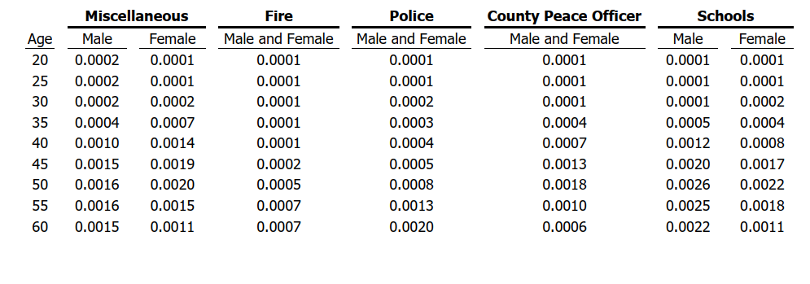
TOC
cell_range | C6:E17
var_name | qxd
grp_name | misc
source: BART misc AV2019 ep49; CalPERS ES2017 ep81
 |  | age | qxd.nonocc_male | qxd.nonocc_female
 |  | 20 | 0.0002 | 0.0001
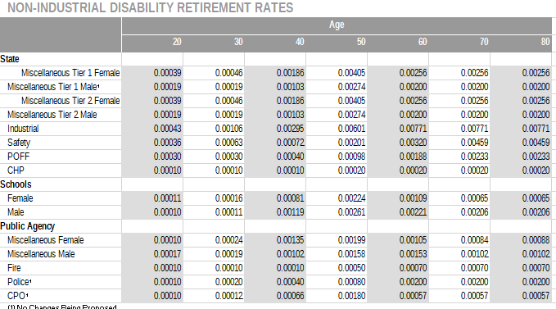
 |  | 25 | 0.0002 | 0.0001
 |  | 30 | 0.0002 | 0.0002
 |  | 35 | 0.0004 | 0.0007
 |  | 40 | 0.0010 | 0.0014
 |  | 45 | 0.0015 | 0.0019
 |  | 50 | 0.0016 | 0.0020
 |  | 55 | 0.0016 | 0.0015
 |  | 60 | 0.0015 | 0.0011
 |  | 70 | 0.0010 | 0.0008
 |  | 80 | 0.0010 | 0.0009

disbRet_sfty
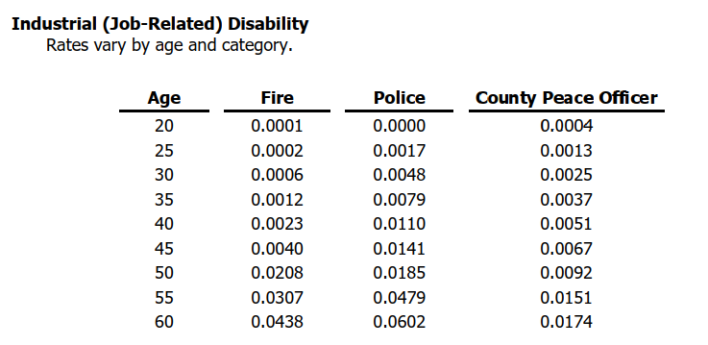
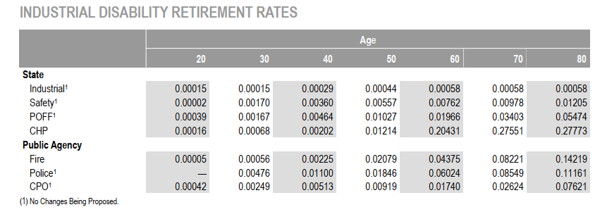
TOC
cell_range | C6:E17
var_name | qxd
grp_name | sfty
source: BART misc AV2019 ep49; CalPERS ES2017 ep81
 |  | age | qxd.nonocc | qxd.occ
 |  | 20 | 0.0001 | 0.0000
 |  | 25 | 0.0001 | 0.0017
 |  | 30 | 0.0002 | 0.0048
 |  | 35 | 0.0003 | 0.0079
 |  | 40 | 0.0004 | 0.0110
 |  | 45 | 0.0005 | 0.0141
 |  | 50 | 0.0008 | 0.0185
 |  | 55 | 0.0013 | 0.0479
 |  | 60 | 0.0020 | 0.0602
 |  | 70 | 0.0020 | 0.0855
 |  | 80 | 0.0020 | 0.1161

defrRet_refund_misc
TOC
cell_range | C6:I18
var_name | qxt_refund
grp_name | misc
 | Service |  | Entry Age
 |  | yos | 20 | 25 | 30 | 35 | 40 | 45 | source: BART misc AV2019 ep47
 |  | 0 | 0.1742 | 0.1674 | 0.1606 | 0.1537 | 0.1468 | 0.1400
 |  | 1 | 0.1545 | 0.1477 | 0.1409 | 0.1339 | 0.1271 | 0.1203
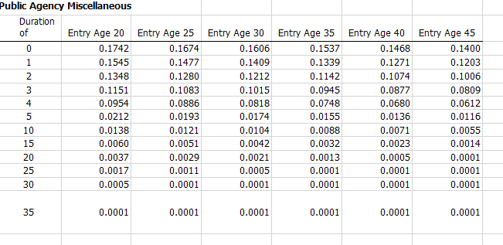
 |  | 2 | 0.1348 | 0.1280 | 0.1212 | 0.1142 | 0.1074 | 0.1006
 |  | 3 | 0.1151 | 0.1083 | 0.1015 | 0.0945 | 0.0877 | 0.0809
 |  | 4 | 0.0954 | 0.0886 | 0.0818 | 0.0748 | 0.0680 | 0.0612
 |  | 5 | 0.0212 | 0.0193 | 0.0174 | 0.0155 | 0.0136 | 0.0116
 |  | 10 | 0.0138 | 0.0121 | 0.0104 | 0.0088 | 0.0071 | 0.0055
 |  | 15 | 0.0060 | 0.0051 | 0.0042 | 0.0032 | 0.0023 | 0.0014
 |  | 20 | 0.0037 | 0.0029 | 0.0021 | 0.0013 | 0.0005 | 0.0001
 |  | 25 | 0.0017 | 0.0011 | 0.0005 | 0.0001 | 0.0001 | 0.0001
 |  | 30 | 0.0005 | 0.0001 | 0.0001 | 0.0001 | 0.0001 | 0.0001
 |  | 35 | 0.0001 | 0.0001 | 0.0001 | 0.0001 | 0.0001 | 0.0001

defrRet_refund_sfty
TOC
cell_range | C6:D18
var_name | qxt_refund
grp_name | sfty
 |  | Service | Safety
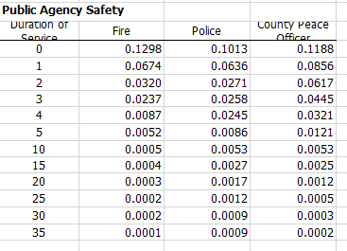
 |  | yos | qxt.refund
 |  | 0 | 0.1013
 |  | 1 | 0.0636
 |  | 2 | 0.0271
 |  | 3 | 0.0258
 |  | 4 | 0.0245
 |  | 5 | 0.0086
 |  | 10 | 0.0053
 |  | 15 | 0.0027
 |  | 20 | 0.0017
 |  | 25 | 0.0012
 |  | 30 | 0.0009
 |  | 35 | 0.0009

defrRet_vest_misc
TOC
cell_range | C6:H13
var_name | qxt_vest
grp_name | misc
 |  | Service | Entry Age |  |  |  |  | source: BART misc AV2019 ep48
 |  | yos | 20 | 25 | 30 | 35 | 40
 |  | 5 | 0.0422 | 0.0422 | 0.0393 | 0.0364 | 0.0344
 |  | 10 | 0.0278 | 0.0278 | 0.0271 | 0.0263 | 0.0215
 |  | 15 | 0.0192 | 0.0192 | 0.0174 | 0.0156 | 0.0120
 |  | 20 | 0.0139 | 0.0139 | 0.0109 | 0.0079 | 0.0047
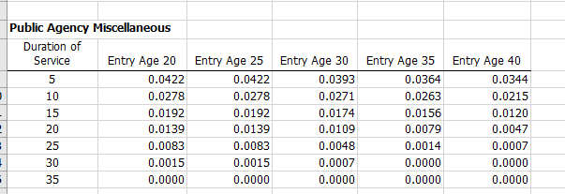
 |  | 25 | 0.0083 | 0.0083 | 0.0048 | 0.0014 | 0.0007
 |  | 30 | 0.0015 | 0.0015 | 0.0007 | 0.0000 | 0.0000
 |  | 35 | 0.0000 | 0.0000 | 0.0000 | 0.0000 | 0.0000

defrRet_vest_sfty
TOC
cell_range | C6:D13
var_name | qxt_vest
grp_name | sfty
 |  | Service | Safety
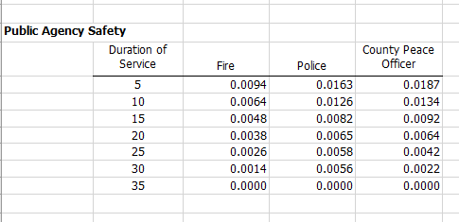
 |  | yos | qxt.vest
 |  | 5 | 0.0163
 |  | 10 | 0.0126
 |  | 15 | 0.0082
 |  | 20 | 0.0065
 |  | 25 | 0.0058
 |  | 30 | 0.0056
 |  | 35 | 0.0000

salScale_merit_misc
TOC
cell_range | C8:F19
var_name | salScale.merit
grp_name | misc
source: BART Misc AV2019 ep43
 |  | state misc
 |  | Service | Entry Age
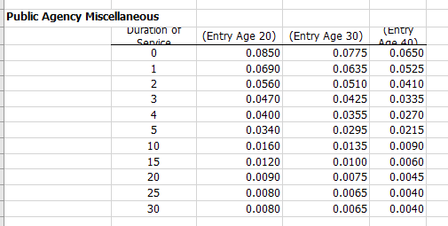
 |  | yos | 20 | 30 | 40
 |  | 0 | 0.085 | 0.078 | 0.065
 |  | 1 | 0.069 | 0.064 | 0.053
 |  | 2 | 0.056 | 0.051 | 0.041
 |  | 3 | 0.047 | 0.043 | 0.034
 |  | 4 | 0.040 | 0.036 | 0.027
 |  | 5 | 0.034 | 0.030 | 0.022
 |  | 10 | 0.016 | 0.014 | 0.009
 |  | 15 | 0.012 | 0.010 | 0.006
 |  | 20 | 0.009 | 0.0075 | 0.0045
 |  | 25 | 0.008 | 0.0065 | 0.004
 |  | 30 | 0.008 | 0.0065 | 0.004

salScale_merit_sfty
TOC
cell_range | C8:F19
var_name | salScale.merit
grp_name | sfty
source: BART Misc AV2019 ep43
 |  | state misc
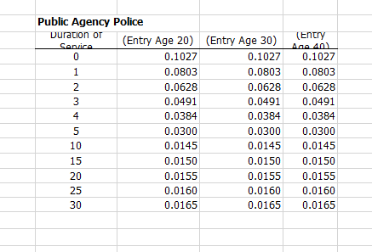
 |  | Service | Entry Age
 |  | yos | 20 | 30 | 40
 |  | 0 | 0.1027 | 0.1027 | 0.1027
 |  | 1 | 0.0803 | 0.0803 | 0.0803
 |  | 2 | 0.0628 | 0.0628 | 0.0628
 |  | 3 | 0.0491 | 0.0491 | 0.0491
 |  | 4 | 0.0384 | 0.0384 | 0.0384
 |  | 5 | 0.0300 | 0.0300 | 0.0300
 |  | 10 | 0.0145 | 0.0145 | 0.0145
 |  | 15 | 0.0150 | 0.0150 | 0.0150
 |  | 20 | 0.0155 | 0.0155 | 0.0155
 |  | 25 | 0.0160 | 0.0160 | 0.0160
 |  | 30 | 0.0165 | 0.0165 | 0.0165

