init_amort_misc_raw
Date | Current Amortization

 | Schedule
 | Balance | Payment
2021-06-30 | 681,682,253 | 56,666,712
2022-06-30 | 670,783,510 | 62,791,995
2023-06-30 | 652,785,810 | 66,356,981
2024-06-30 | 629,840,622 | 70,293,375
2025-06-30 | 601,217,433 | 62,939,672
2026-06-30 | 578,197,350 | 65,356,690
2027-06-30 | 551,065,677 | 67,099,240
2028-06-30 | 520,232,282 | 68,889,716
2029-06-30 | 485,388,465 | 69,719,679
2030-06-30 | 447,247,062 | 71,582,214
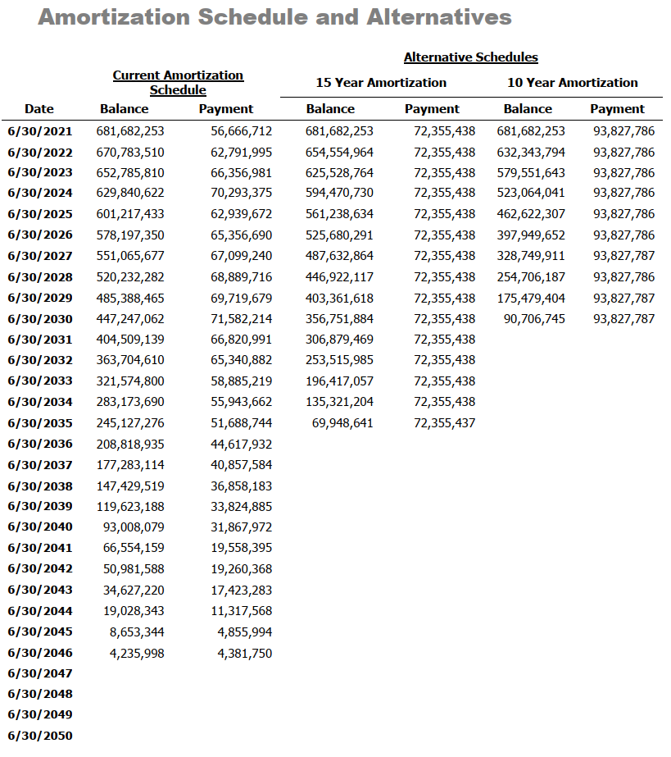
2031-06-30 | 404,509,139 | 66,820,991
2032-06-30 | 363,704,610 | 65,340,882
2033-06-30 | 321,574,800 | 58,885,219
2034-06-30 | 283,173,690 | 55,943,662
2035-06-30 | 245,127,276 | 51,688,744
2036-06-30 | 208,818,935 | 44,617,932
2037-06-30 | 177,283,114 | 40,857,584
2038-06-30 | 147,429,519 | 36,858,183
2039-06-30 | 119,623,188 | 33,824,885
2040-06-30 | 93,008,079 | 31,867,972
2041-06-30 | 66,554,159 | 19,558,395
2042-06-30 | 50,981,588 | 19,260,368
2043-06-30 | 34,627,220 | 17,423,283
2044-06-30 | 19,028,343 | 11,317,568
2045-06-30 | 8,653,344 | 4,855,994
2046-06-30 | 4,235,998 | 4,381,750
2047-06-30
2048-06-30
2049-06-30
2050-06-30

init_amort_sfty_raw
Date | Current Amortization

 | Schedule
 | Balance | Payment
2021-06-30 | 156,438,496 | 12,672,395
2022-06-30 | 154,280,763 | 13,704,617
2023-06-30 | 150,904,249 | 14,414,507
2024-06-30 | 146,557,065 | 13,109,648
2025-06-30 | 143,255,333 | 13,533,878
2026-06-30 | 139,283,655 | 13,943,207
2027-06-30 | 134,610,543 | 14,299,145
2028-06-30 | 129,242,131 | 14,664,871
2029-06-30 | 123,119,621 | 14,937,341
2030-06-30 | 116,286,687 | 15,320,615
2031-06-30 | 108,578,988 | 15,020,081
2032-06-30 | 100,642,622 | 14,972,171
2033-06-30 | 92,200,273 | 14,257,628
2034-06-30 | 83,906,087 | 14,000,466
2035-06-30 | 75,297,318 | 13,507,370
2036-06-30 | 66,595,998 | 12,573,812
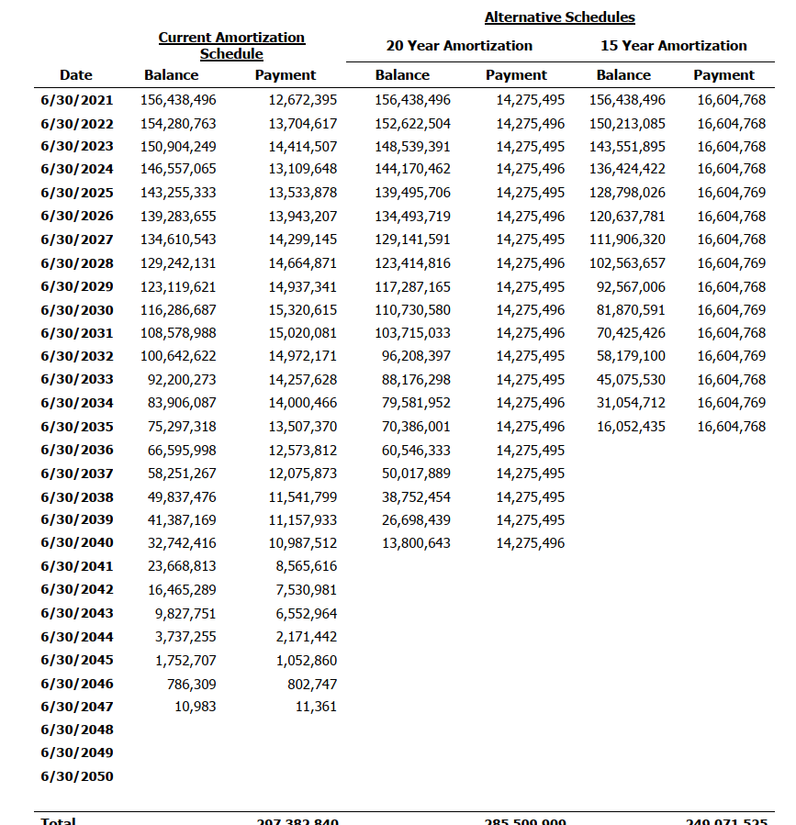
2037-06-30 | 58,251,267 | 12,075,873
2038-06-30 | 49,837,476 | 11,541,799
2039-06-30 | 41,387,169 | 11,157,933
2040-06-30 | 32,742,416 | 10,987,512
2041-06-30 | 23,668,813 | 8,565,616
2042-06-30 | 16,465,289 | 7,530,981
2043-06-30 | 9,827,751 | 6,552,964
2044-06-30 | 3,737,255 | 2,171,442
2045-06-30 | 1,752,707 | 1,052,860
2046-06-30 | 786,309 | 802,747
2047-06-30 | 10,983 | 11,361
2048-06-30
2049-06-30
2050-06-30

