actives_misc
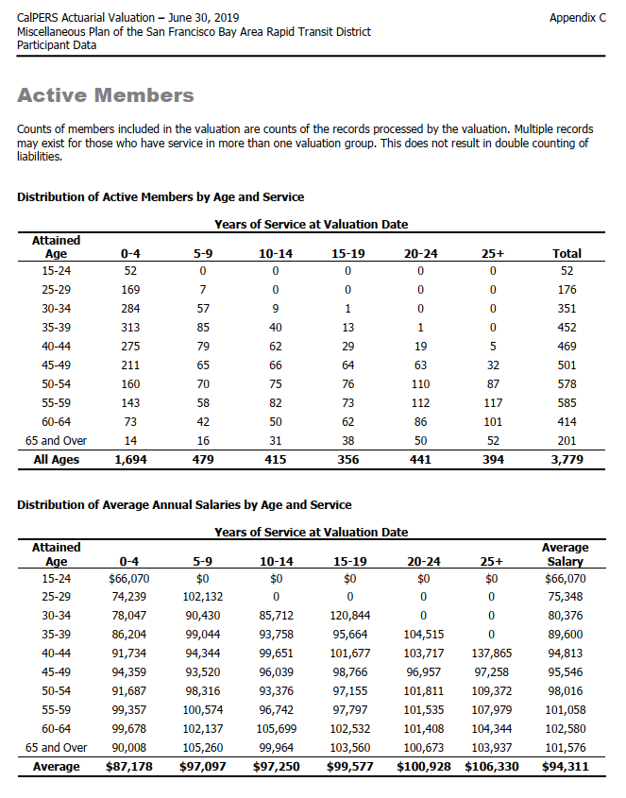
TOC
cell_range | D7:L28
grp_name | misc
AV_date | 20190630

 |  | Age |  |  |  | 0 - 4 | 5 - 9 | 10 - 14 | 15 - 19 | 20-24 | 25+
 |  |  | type | age.cell | agegrp | 2 | 7 | 12 | 17 | 22 | 27
 |  |  | yosgrp |  |  | 0-4 | 5-9 | 10-14 | 15-19 | 20-24 | 25-29
 |  | 15 - 24 | nactives | 22 | 20-24 | 52 | 0 | 0 | 0 | 0 | 0
 |  | 25 - 29 | nactives | 27 | 25-29 | 169 | 7 | 0 | 0 | 0 | 0
 |  | 30 - 34 | nactives | 32 | 30-34 | 284 | 57 | 9 | 1 | 0 | 0
 |  | 35 - 39 | nactives | 37 | 35-39 | 313 | 85 | 40 | 13 | 1 | 0
 |  | 40 - 44 | nactives | 42 | 40-44 | 275 | 79 | 62 | 29 | 19 | 5
 |  | 45 - 49 | nactives | 47 | 45-49 | 211 | 65 | 66 | 64 | 63 | 32
 |  | 50 - 54 | nactives | 52 | 50-54 | 160 | 70 | 75 | 76 | 110 | 87
 |  | 55 - 59 | nactives | 57 | 55-59 | 143 | 58 | 82 | 73 | 112 | 117
 |  | 60 - 64 | nactives | 62 | 60-64 | 73 | 42 | 50 | 62 | 86 | 101
 |  | 65 and over | nactives | 67 | 65-69 | 14 | 16 | 31 | 38 | 50 | 52
 |  | 15 - 24 | salary | 22 | 20-24 | 66070 | 0 | 0 | 0 | 0 | 0
 |  | 25 - 29 | salary | 27 | 25-29 | 74239 | 102132 | 0 | 0 | 0 | 0
 |  | 30 - 34 | salary | 32 | 30-34 | 78047 | 90430 | 85712 | 120844 | 0 | 0
 |  | 35 - 39 | salary | 37 | 35-39 | 86204 | 99044 | 93758 | 95664 | 104515 | 0
 |  | 40 - 44 | salary | 42 | 40-44 | 91734 | 94344 | 99651 | 101677 | 103717 | 137865
 |  | 45 - 49 | salary | 47 | 45-49 | 94359 | 93520 | 96039 | 98766 | 96957 | 97258
 |  | 50 - 54 | salary | 52 | 50-54 | 91687 | 98316 | 93376 | 97155 | 101811 | 109372
 |  | 55 - 59 | salary | 57 | 55-59 | 99357 | 100574 | 96742 | 97797 | 101535 | 107979
 |  | 60 - 64 | salary | 62 | 60-64 | 99678 | 102137 | 105699 | 102532 | 101408 | 104344
 |  | 65 and over | salary | 67 | 65-69 | 90008 | 105260 | 99964 | 103560 | 100673 | 103937

 |  |  |  |  |  | 3435640 | 0 | 0 | 0 | 0 | 0
 |  |  |  |  |  | 12546391 | 714924 | 0 | 0 | 0 | 0
 |  |  |  |  |  | 22165348 | 5154510 | 771408 | 120844 | 0 | 0
 |  |  |  |  |  | 26981852 | 8418740 | 3750320 | 1243632 | 104515 | 0
 |  |  |  |  |  | 25226850 | 7453176 | 6178362 | 2948633 | 1970623 | 689325
 |  |  |  |  |  | 19909749 | 6078800 | 6338574 | 6321024 | 6108291 | 3112256
 |  |  |  |  |  | 14669920 | 6882120 | 7003200 | 7383780 | 11199210 | 9515364
 |  |  |  |  |  | 14208051 | 5833292 | 7932844 | 7139181 | 11371920 | 12633543
 |  |  |  |  |  | 7276494 | 4289754 | 5284950 | 6356984 | 8721088 | 10538744
 |  |  |  |  |  | 1260112 | 1684160 | 3098884 | 3935280 | 5033650 | 5404724

 |  |  |  |  |  | 356401036

actives_sfty
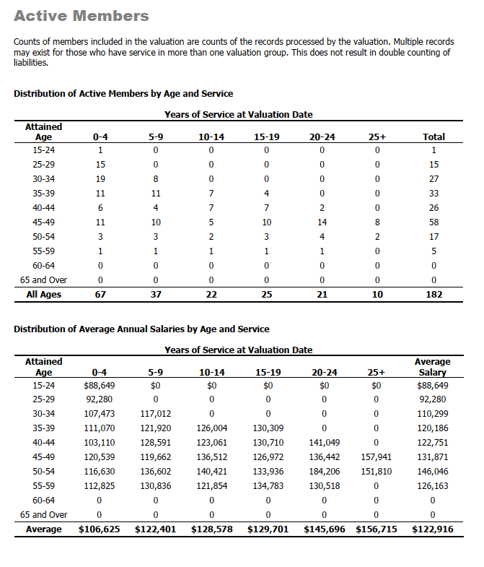
TOC
cell_range | D7:L28
grp_name | sfty
AV_date | 20190630

 |  | Age |  |  |  | 0 - 4 | 5 - 9 | 10 - 14 | 15 - 19 | 20-24 | 25+
 |  |  | type | age.cell | agegrp | 2 | 7 | 12 | 17 | 22 | 27
 |  |  | yosgrp |  |  | 0-4 | 5-9 | 10-14 | 15-19 | 20-24 | 25-29
 |  | 15 - 24 | nactives | 22 | 20-24 | 1 | 0 | 0 | 0 | 0 | 0
 |  | 25 - 29 | nactives | 27 | 25-29 | 15 | 0 | 0 | 0 | 0 | 0
 |  | 30 - 34 | nactives | 32 | 30-34 | 19 | 8 | 0 | 0 | 0 | 0
 |  | 35 - 39 | nactives | 37 | 35-39 | 11 | 11 | 7 | 4 | 0 | 0
 |  | 40 - 44 | nactives | 42 | 40-44 | 6 | 4 | 7 | 7 | 2 | 0
 |  | 45 - 49 | nactives | 47 | 45-49 | 11 | 10 | 5 | 10 | 14 | 8
 |  | 50 - 54 | nactives | 52 | 50-54 | 3 | 3 | 2 | 3 | 4 | 2
 |  | 55 - 59 | nactives | 57 | 55-59 | 1 | 1 | 1 | 1 | 1 | 0
 |  | 60 - 64 | nactives | 62 | 60-64 | 0 | 0 | 0 | 0 | 0 | 0
 |  | 65 and over | nactives | 67 | 65-69 | 0 | 0 | 0 | 0 | 0 | 0
 |  | 15 - 24 | salary | 22 | 20-24 | 88649 | 0 | 0 | 0 | 0 | 0
 |  | 25 - 29 | salary | 27 | 25-29 | 92280 | 0 | 0 | 0 | 0 | 0
 |  | 30 - 34 | salary | 32 | 30-34 | 107473 | 117012 | 0 | 0 | 0 | 0
 |  | 35 - 39 | salary | 37 | 35-39 | 111070 | 121920 | 126004 | 130309 | 0 | 0
 |  | 40 - 44 | salary | 42 | 40-44 | 103110 | 128591 | 123061 | 130710 | 141049 | 0
 |  | 45 - 49 | salary | 47 | 45-49 | 120539 | 119662 | 136512 | 126972 | 136442 | 157941
 |  | 50 - 54 | salary | 52 | 50-54 | 116630 | 136602 | 140421 | 133936 | 184206 | 151810
 |  | 55 - 59 | salary | 57 | 55-59 | 112825 | 130836 | 121854 | 134783 | 130518 | 0
 |  | 60 - 64 | salary | 62 | 60-64 | 0 | 0 | 0 | 0 | 0 | 0
 |  | 65 and over | salary | 67 | 65-69 | 0 | 0 | 0 | 0 | 0 | 0

retirees_misc
TOC
cell_range | D6:L32
grp_name | misc
AV_date | 20190630

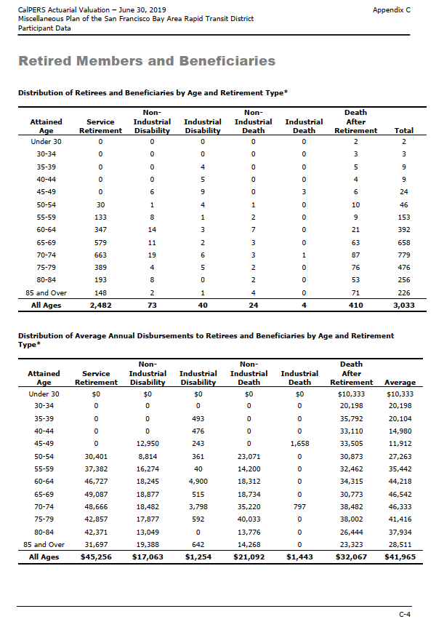
 |  | Attained Age | type | age.cell | agegrp | servRet | disbRet_nonocc | disbRet_occ | death_nonocc | death_occ | beneficiaries
 |  | Under 30 | n | 27 | 25-29 | 0 | 0 | 0 | 0 | 0 | 2
 |  | 30-34 | n | 32 | 30-34 | 0 | 0 | 0 | 0 | 0 | 3
 |  | 35-39 | n | 37 | 35-39 | 0 | 0 | 4 | 0 | 0 | 5
 |  | 40-44 | n | 42 | 40-44 | 0 | 0 | 5 | 0 | 0 | 4
 |  | 45-49 | n | 47 | 45-49 | 0 | 6 | 9 | 0 | 3 | 6
 |  | 50-54 | n | 52 | 50-54 | 30 | 1 | 4 | 1 | 0 | 10
 |  | 55-59 | n | 57 | 55-59 | 133 | 8 | 1 | 2 | 0 | 9
 |  | 60-64 | n | 62 | 60-64 | 347 | 14 | 3 | 7 | 0 | 21
 |  | 65-69 | n | 67 | 65-69 | 579 | 11 | 2 | 3 | 0 | 63
 |  | 70-74 | n | 72 | 70-74 | 663 | 19 | 6 | 3 | 1 | 87
 |  | 75-79 | n | 77 | 75-79 | 389 | 4 | 5 | 2 | 0 | 76
 |  | 80-84 | n | 82 | 80-84 | 193 | 8 | 0 | 2 | 0 | 53
 |  | 85 and Over | n | 87 | 85-89 | 148 | 2 | 1 | 4 | 0 | 71
 |  | Under 30 | benefit | 27 | 25-29 | 0 | 0 | 0 | 0 | 0 | 10333
 |  | 30-34 | benefit | 32 | 30-34 | 0 | 0 | 0 | 0 | 0 | 20198
 |  | 35-39 | benefit | 37 | 35-39 | 0 | 0 | 493 | 0 | 0 | 35792
 |  | 40-44 | benefit | 42 | 40-44 | 0 | 0 | 476 | 0 | 0 | 33110
 |  | 45-49 | benefit | 47 | 45-49 | 0 | 12950 | 243 | 0 | 1658 | 33505
 |  | 50-54 | benefit | 52 | 50-54 | 30401 | 8814 | 361 | 23071 | 0 | 30873
 |  | 55-59 | benefit | 57 | 55-59 | 37382 | 16274 | 40 | 14200 | 0 | 32462
 |  | 60-64 | benefit | 62 | 60-64 | 46727 | 18245 | 4900 | 18312 | 0 | 34315
 |  | 65-69 | benefit | 67 | 65-69 | 49087 | 18877 | 515 | 18734 | 0 | 30773
 |  | 70-74 | benefit | 72 | 70-74 | 48666 | 18482 | 3798 | 35220 | 797 | 38482
 |  | 75-79 | benefit | 77 | 75-79 | 42857 | 17877 | 592 | 40033 | 0 | 38002
 |  | 80-84 | benefit | 82 | 80-84 | 42371 | 13049 | 0 | 13776 | 0 | 26444
 |  | 85 and Over | benefit | 87 | 85-89 | 31697 | 19388 | 642 | 14268 | 0 | 23323

 |  |  |  |  |  | 0 | 0 | 0 | 0 | 0 | 20666
 |  |  |  |  |  | 0 | 0 | 0 | 0 | 0 | 60594
 |  |  |  |  |  | 0 | 0 | 1972 | 0 | 0 | 178960
 |  |  |  |  |  | 0 | 0 | 2380 | 0 | 0 | 132440
 |  |  |  |  |  | 0 | 77700 | 2187 | 0 | 4974 | 201030
 |  |  |  |  |  | 912030 | 8814 | 1444 | 23071 | 0 | 308730
 |  |  |  |  |  | 4971806 | 130192 | 40 | 28400 | 0 | 292158
 |  |  |  |  |  | 16214269 | 255430 | 14700 | 128184 | 0 | 720615
 |  |  |  |  |  | 28421373 | 207647 | 1030 | 56202 | 0 | 1938699
 |  |  |  |  |  | 32265558 | 351158 | 22788 | 105660 | 797 | 3347934
 |  |  |  |  |  | 16671373 | 71508 | 2960 | 80066 | 0 | 2888152
 |  |  |  |  |  | 8177603 | 104392 | 0 | 27552 | 0 | 1401532
 |  |  |  |  |  | 4691156 | 38776 | 642 | 57072 | 0 | 1655933
 |  |  |  |  | sum | 112325168 | 1245617 | 50143 | 506207 | 5771 | 13147443

 |  |  |  |  |  | 125984589
 |  |  |  |  |  | 1295760
 |  |  |  |  |  | 11466.902655

retirees_sfty
TOC
cell_range | D6:L32
grp_name | sfty
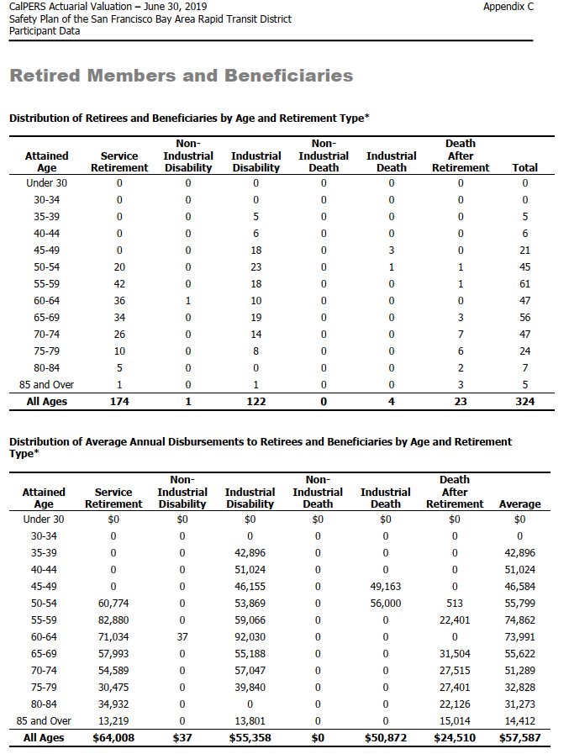
AV_date | 20190630

 |  | Attained Age | type | age.cell | agegrp | servRet | disbRet_nonocc | disbRet_occ | death_nonocc | death_occ | beneficiaries
 |  | Under 30 | n | 27 | 25-29 | 0 | 0 | 0 | 0 | 0 | 0
 |  | 30-34 | n | 32 | 30-34 | 0 | 0 | 0 | 0 | 0 | 0
 |  | 35-39 | n | 37 | 35-39 | 0 | 0 | 5 | 0 | 0 | 0
 |  | 40-44 | n | 42 | 40-44 | 0 | 0 | 6 | 0 | 0 | 0
 |  | 45-49 | n | 47 | 45-49 | 0 | 0 | 18 | 0 | 3 | 0
 |  | 50-54 | n | 52 | 50-54 | 20 | 0 | 23 | 0 | 1 | 1
 |  | 55-59 | n | 57 | 55-59 | 42 | 0 | 18 | 0 | 0 | 1
 |  | 60-64 | n | 62 | 60-64 | 36 | 1 | 10 | 0 | 0 | 0
 |  | 65-69 | n | 67 | 65-69 | 34 | 0 | 19 | 0 | 0 | 3
 |  | 70-74 | n | 72 | 70-74 | 26 | 0 | 14 | 0 | 0 | 7
 |  | 75-79 | n | 77 | 75-79 | 10 | 0 | 8 | 0 | 0 | 6
 |  | 80-84 | n | 82 | 80-84 | 5 | 0 | 0 | 0 | 0 | 2
 |  | 85 and Over | n | 87 | 85-89 | 1 | 0 | 1 | 0 | 0 | 3
 |  | Under 30 | benefit | 27 | 25-29 | 0 | 0 | 0 | 0 | 0 | 0
 |  | 30-34 | benefit | 32 | 30-34 | 0 | 0 | 0 | 0 | 0 | 0
 |  | 35-39 | benefit | 37 | 35-39 | 0 | 0 | 42896 | 0 | 0 | 0
 |  | 40-44 | benefit | 42 | 40-44 | 0 | 0 | 51024 | 0 | 0 | 0
 |  | 45-49 | benefit | 47 | 45-49 | 0 | 0 | 46155 | 0 | 49163 | 0
 |  | 50-54 | benefit | 52 | 50-54 | 60774 | 0 | 53869 | 0 | 56000 | 513
 |  | 55-59 | benefit | 57 | 55-59 | 82880 | 0 | 59066 | 0 | 0 | 22401
 |  | 60-64 | benefit | 62 | 60-64 | 71034 | 37 | 92030 | 0 | 0 | 0
 |  | 65-69 | benefit | 67 | 65-69 | 57993 | 0 | 55188 | 0 | 0 | 31504
 |  | 70-74 | benefit | 72 | 70-74 | 54589 | 0 | 57047 | 0 | 0 | 27515
 |  | 75-79 | benefit | 77 | 75-79 | 30475 | 0 | 39840 | 0 | 0 | 27401
 |  | 80-84 | benefit | 82 | 80-84 | 34932 | 0 | 0 | 0 | 0 | 22126
 |  | 85 and Over | benefit | 87 | 85-89 | 13219 | 0 | 13801 | 0 | 0 | 15014

 |  |  |  |  |  | 0 | 0 | 0 | 0 | 0 | 0
 |  |  |  |  |  | 0 | 0 | 0 | 0 | 0 | 0
 |  |  |  |  |  | 0 | 0 | 214480 | 0 | 0 | 0
 |  |  |  |  |  | 0 | 0 | 306144 | 0 | 0 | 0
 |  |  |  |  |  | 0 | 0 | 830790 | 0 | 147489 | 0
 |  |  |  |  |  | 1215480 | 0 | 1238987 | 0 | 56000 | 513
 |  |  |  |  |  | 3480960 | 0 | 1063188 | 0 | 0 | 22401
 |  |  |  |  |  | 2557224 | 37 | 920300 | 0 | 0 | 0
 |  |  |  |  |  | 1971762 | 0 | 1048572 | 0 | 0 | 94512
 |  |  |  |  |  | 1419314 | 0 | 798658 | 0 | 0 | 192605
 |  |  |  |  |  | 304750 | 0 | 318720 | 0 | 0 | 164406
 |  |  |  |  |  | 174660 | 0 | 0 | 0 | 0 | 44252
 |  |  |  |  |  | 13219 | 0 | 13801 | 0 | 0 | 45042
 |  |  |  |  | sum | 11137369 | 37 | 6753640 | 0 | 203489 | 563731

 |  |  |  |  |  | 11904589
 |  |  |  |  |  | 6753677

terminated_misc_raw
TOC
source BART misc AV2019, ep75

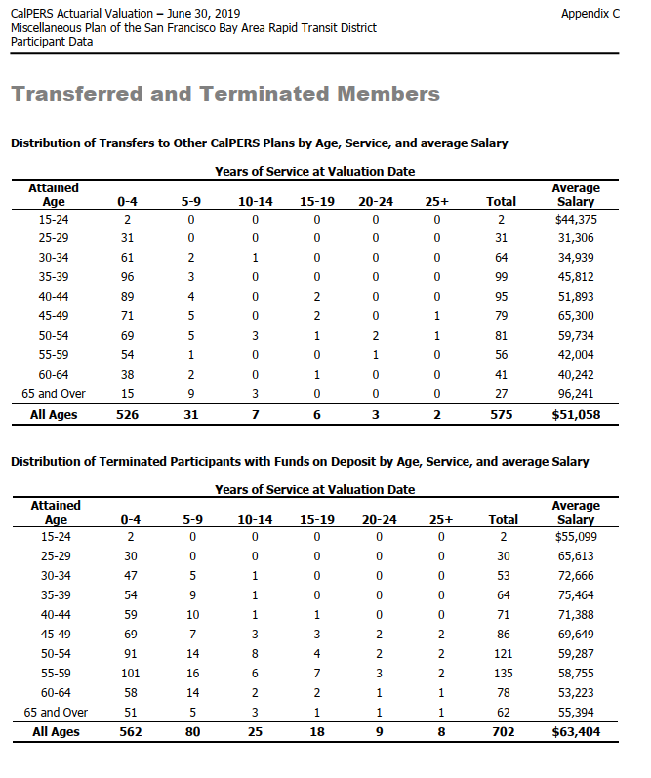
 | Transferred and Terminated Members

 | Distribution of Transfers to Other CalPERS Plans by Age, Service, and average Salary

 | Years of Service at Valuation Date
 | Attained Age | 0-4 | 5-9 | 10-14 | 15-19 | 20-24 | 25+ | Total | Average Salary
 | 15-24 | 2 | 0 | 0 | 0 | 0 | 0 | 2 | $44,375
 | 25-29 | 31 | 0 | 0 | 0 | 0 | 0 | 31 | 31,306
 | 30-34 | 61 | 2 | 1 | 0 | 0 | 0 | 64 | 34,939
 | 35-39 | 96 | 3 | 0 | 0 | 0 | 0 | 99 | 45,812
 | 40-44 | 89 | 4 | 0 | 2 | 0 | 0 | 95 | 51,893
 | 45-49 | 71 | 5 | 0 | 2 | 0 | 1 | 79 | 65,300
 | 50-54 | 69 | 5 | 3 | 1 | 2 | 1 | 81 | 59,734
 | 55-59 | 54 | 1 | 0 | 0 | 1 | 0 | 56 | 42,004
 | 60-64 | 38 | 2 | 0 | 1 | 0 | 0 | 41 | 40,242
 | 65 and Over | 15 | 9 | 3 | 0 | 0 | 0 | 27 | 96,241
 | All Ages | 526 | 31 | 7 | 6 | 3 | 2 | 575 | $51,058

 | Distribution of Terminated Participants with Funds on Deposit by Age, Service, and average Salary

 | Years of Service at Valuation Date
 | Attained Age | 0-4 | 5-9 | 10-14 | 15-19 | 20-24 | 25+ | Total | Average Salary
 | 15-24 | 2 | 0 | 0 | 0 | 0 | 0 | 2 | $55,099
 | 25-29 | 30 | 0 | 0 | 0 | 0 | 0 | 30 | 65,613
 | 30-34 | 47 | 5 | 1 | 0 | 0 | 0 | 53 | 72,666
 | 35-39 | 54 | 9 | 1 | 0 | 0 | 0 | 64 | 75,464
 | 40-44 | 59 | 10 | 1 | 1 | 0 | 0 | 71 | 71,388
 | 45-49 | 69 | 7 | 3 | 3 | 2 | 2 | 86 | 69,649
 | 50-54 | 91 | 14 | 8 | 4 | 2 | 2 | 121 | 59,287
 | 55-59 | 101 | 16 | 6 | 7 | 3 | 2 | 135 | 58,755
 | 60-64 | 58 | 14 | 2 | 2 | 1 | 1 | 78 | 53,223
 | 65 and Over | 51 | 5 | 3 | 1 | 1 | 1 | 62 | 55,394
 | All Ages | 562 | 80 | 25 | 18 | 9 | 8 | 702 | $63,404

terminated_sfty_raw
TOC
source BART safety AV2019, ep74

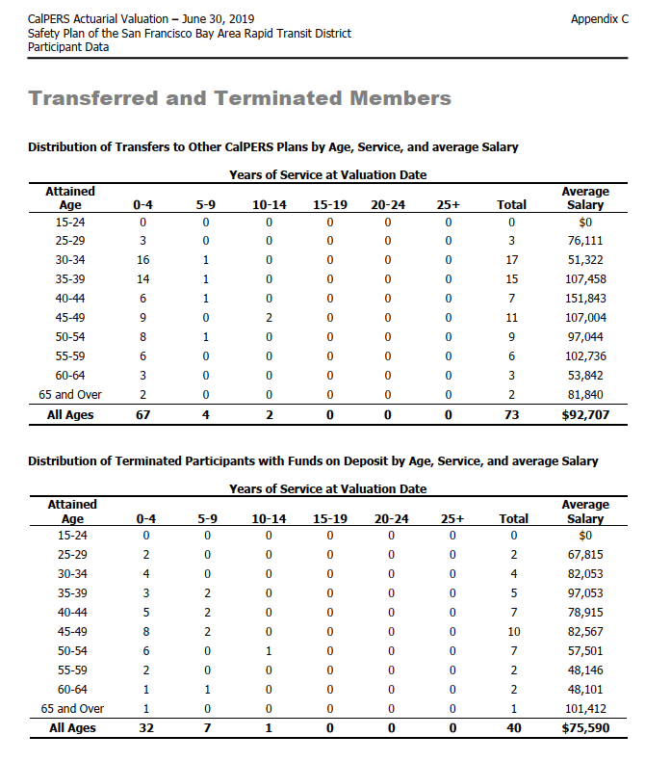
 | Transferred and Terminated Members

 | Distribution of Transfers to Other CalPERS Plans by Age, Service, and average Salary

 | Years of Service at Valuation Date
 | Attained Age | 0-4 | 5-9 | 10-14 | 15-19 | 20-24 | 25+ | Total | Average Salary
 | 15-24 | 0 | 0 | 0 | 0 | 0 | 0 | 0 | $0
 | 25-29 | 3 | 0 | 0 | 0 | 0 | 0 | 3 | 76,111
 | 30-34 | 16 | 1 | 0 | 0 | 0 | 0 | 17 | 51,322
 | 35-39 | 14 | 1 | 0 | 0 | 0 | 0 | 15 | 107,458
 | 40-44 | 6 | 1 | 0 | 0 | 0 | 0 | 7 | 151,843
 | 45-49 | 9 | 0 | 2 | 0 | 0 | 0 | 11 | 107,004
 | 50-54 | 8 | 1 | 0 | 0 | 0 | 0 | 9 | 97,044
 | 55-59 | 6 | 0 | 0 | 0 | 0 | 0 | 6 | 102,736
 | 60-64 | 3 | 0 | 0 | 0 | 0 | 0 | 3 | 53,842
 | 65 and Over | 2 | 0 | 0 | 0 | 0 | 0 | 2 | 81,840
 | All Ages | 67 | 4 | 2 | 0 | 0 | 0 | 73 | $92,707

 | Distribution of Terminated Participants with Funds on Deposit by Age, Service, and average Salary

 | Years of Service at Valuation Date
 | Attained Age | 0-4 | 5-9 | 10-14 | 15-19 | 20-24 | 25+ | Total | Average Salary
 | 15-24 | 0 | 0 | 0 | 0 | 0 | 0 | 0 | $0
 | 25-29 | 2 | 0 | 0 | 0 | 0 | 0 | 2 | 67,815
 | 30-34 | 4 | 0 | 0 | 0 | 0 | 0 | 4 | 82,053
 | 35-39 | 3 | 2 | 0 | 0 | 0 | 0 | 5 | 97,053
 | 40-44 | 5 | 2 | 0 | 0 | 0 | 0 | 7 | 78,915
 | 45-49 | 8 | 2 | 0 | 0 | 0 | 0 | 10 | 82,567
 | 50-54 | 6 | 0 | 1 | 0 | 0 | 0 | 7 | 57,501
 | 55-59 | 2 | 0 | 0 | 0 | 0 | 0 | 2 | 48,146
 | 60-64 | 1 | 1 | 0 | 0 | 0 | 0 | 2 | 48,101
 | 65 and Over | 1 | 0 | 0 | 0 | 0 | 0 | 1 | 101,412
 | All Ages | 32 | 7 | 1 | 0 | 0 | 0 | 40 | $75,590

