actives_misc
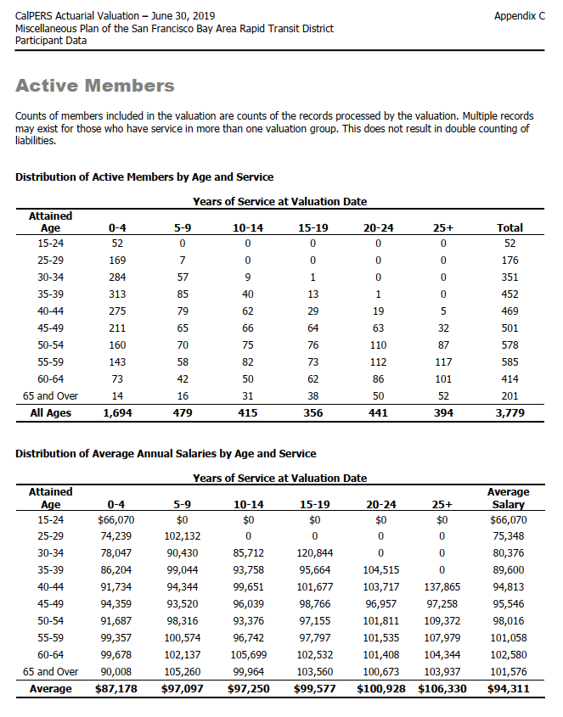
TOC
cell_range | D7:L28
grp_name | misc
AV_date | 20190630

 |  | Age |  |  |  | 0 - 4 | 5 - 9 | 10 - 14 | 15 - 19 | 20-24 | 25+
 |  |  | type | age.cell | agegrp | 2 | 7 | 12 | 17 | 22 | 27
 |  |  | yosgrp |  |  | 0-4 | 5-9 | 10-14 | 15-19 | 20-24 | 25-29
 |  | 15 - 24 | nactives | 22 | 20-24 | 52 | 0 | 0 | 0 | 0 | 0
 |  | 25 - 29 | nactives | 27 | 25-29 | 169 | 7 | 0 | 0 | 0 | 0
 |  | 30 - 34 | nactives | 32 | 30-34 | 284 | 57 | 9 | 1 | 0 | 0
 |  | 35 - 39 | nactives | 37 | 35-39 | 313 | 85 | 40 | 13 | 1 | 0
 |  | 40 - 44 | nactives | 42 | 40-44 | 275 | 79 | 62 | 29 | 19 | 5
 |  | 45 - 49 | nactives | 47 | 45-49 | 211 | 65 | 66 | 64 | 63 | 32
 |  | 50 - 54 | nactives | 52 | 50-54 | 160 | 70 | 75 | 76 | 110 | 87
 |  | 55 - 59 | nactives | 57 | 55-59 | 143 | 58 | 82 | 73 | 112 | 117
 |  | 60 - 64 | nactives | 62 | 60-64 | 73 | 42 | 50 | 62 | 86 | 101
 |  | 65 and over | nactives | 67 | 65-69 | 14 | 16 | 31 | 38 | 50 | 52
 |  | 15 - 24 | salary | 22 | 20-24 | 66070 | 0 | 0 | 0 | 0 | 0
 |  | 25 - 29 | salary | 27 | 25-29 | 74239 | 102132 | 0 | 0 | 0 | 0
 |  | 30 - 34 | salary | 32 | 30-34 | 78047 | 90430 | 85712 | 120844 | 0 | 0
 |  | 35 - 39 | salary | 37 | 35-39 | 86204 | 99044 | 93758 | 95664 | 104515 | 0
 |  | 40 - 44 | salary | 42 | 40-44 | 91734 | 94344 | 99651 | 101677 | 103717 | 137865
 |  | 45 - 49 | salary | 47 | 45-49 | 94359 | 93520 | 96039 | 98766 | 96957 | 97258
 |  | 50 - 54 | salary | 52 | 50-54 | 91687 | 98316 | 93376 | 97155 | 101811 | 109372
 |  | 55 - 59 | salary | 57 | 55-59 | 99357 | 100574 | 96742 | 97797 | 101535 | 107979
 |  | 60 - 64 | salary | 62 | 60-64 | 99678 | 102137 | 105699 | 102532 | 101408 | 104344
 |  | 65 and over | salary | 67 | 65-69 | 90008 | 105260 | 99964 | 103560 | 100673 | 103937

 |  |  |  |  |  | 3435640 | 0 | 0 | 0 | 0 | 0
 |  |  |  |  |  | 12546391 | 714924 | 0 | 0 | 0 | 0
 |  |  |  |  |  | 22165348 | 5154510 | 771408 | 120844 | 0 | 0
 |  |  |  |  |  | 26981852 | 8418740 | 3750320 | 1243632 | 104515 | 0
 |  |  |  |  |  | 25226850 | 7453176 | 6178362 | 2948633 | 1970623 | 689325
 |  |  |  |  |  | 19909749 | 6078800 | 6338574 | 6321024 | 6108291 | 3112256
 |  |  |  |  |  | 14669920 | 6882120 | 7003200 | 7383780 | 11199210 | 9515364
 |  |  |  |  |  | 14208051 | 5833292 | 7932844 | 7139181 | 11371920 | 12633543
 |  |  |  |  |  | 7276494 | 4289754 | 5284950 | 6356984 | 8721088 | 10538744
 |  |  |  |  |  | 1260112 | 1684160 | 3098884 | 3935280 | 5033650 | 5404724

 |  |  |  |  |  | 356401036

actives_sfty
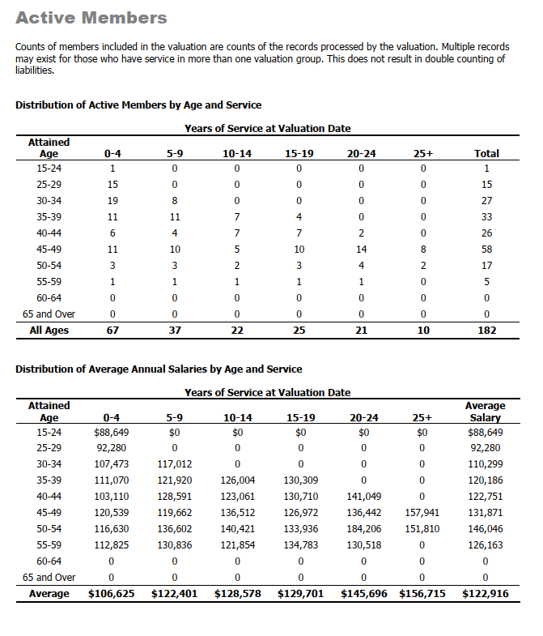
TOC
cell_range | D7:L28
grp_name | sfty
AV_date | 20190630

 |  | Age |  |  |  | 0 - 4 | 5 - 9 | 10 - 14 | 15 - 19 | 20-24 | 25+
 |  |  | type | age.cell | agegrp | 2 | 7 | 12 | 17 | 22 | 27
 |  |  | yosgrp |  |  | 0-4 | 5-9 | 10-14 | 15-19 | 20-24 | 25-29
 |  | 15 - 24 | nactives | 22 | 20-24 | 1 | 0 | 0 | 0 | 0 | 0
 |  | 25 - 29 | nactives | 27 | 25-29 | 15 | 0 | 0 | 0 | 0 | 0
 |  | 30 - 34 | nactives | 32 | 30-34 | 19 | 8 | 0 | 0 | 0 | 0
 |  | 35 - 39 | nactives | 37 | 35-39 | 11 | 11 | 7 | 4 | 0 | 0
 |  | 40 - 44 | nactives | 42 | 40-44 | 6 | 4 | 7 | 7 | 2 | 0
 |  | 45 - 49 | nactives | 47 | 45-49 | 11 | 10 | 5 | 10 | 14 | 8
 |  | 50 - 54 | nactives | 52 | 50-54 | 3 | 3 | 2 | 3 | 4 | 2
 |  | 55 - 59 | nactives | 57 | 55-59 | 1 | 1 | 1 | 1 | 1 | 0
 |  | 60 - 64 | nactives | 62 | 60-64 | 0 | 0 | 0 | 0 | 0 | 0
 |  | 65 and over | nactives | 67 | 65-69 | 0 | 0 | 0 | 0 | 0 | 0
 |  | 15 - 24 | salary | 22 | 20-24 | 88649 | 0 | 0 | 0 | 0 | 0
 |  | 25 - 29 | salary | 27 | 25-29 | 92280 | 0 | 0 | 0 | 0 | 0
 |  | 30 - 34 | salary | 32 | 30-34 | 107473 | 117012 | 0 | 0 | 0 | 0
 |  | 35 - 39 | salary | 37 | 35-39 | 111070 | 121920 | 126004 | 130309 | 0 | 0
 |  | 40 - 44 | salary | 42 | 40-44 | 103110 | 128591 | 123061 | 130710 | 141049 | 0
 |  | 45 - 49 | salary | 47 | 45-49 | 120539 | 119662 | 136512 | 126972 | 136442 | 157941
 |  | 50 - 54 | salary | 52 | 50-54 | 116630 | 136602 | 140421 | 133936 | 184206 | 151810
 |  | 55 - 59 | salary | 57 | 55-59 | 112825 | 130836 | 121854 | 134783 | 130518 | 0
 |  | 60 - 64 | salary | 62 | 60-64 | 0 | 0 | 0 | 0 | 0 | 0
 |  | 65 and over | salary | 67 | 65-69 | 0 | 0 | 0 | 0 | 0 | 0

retirees_misc
TOC
cell_range | D6:L32
grp_name | misc
AV_date | 20190630

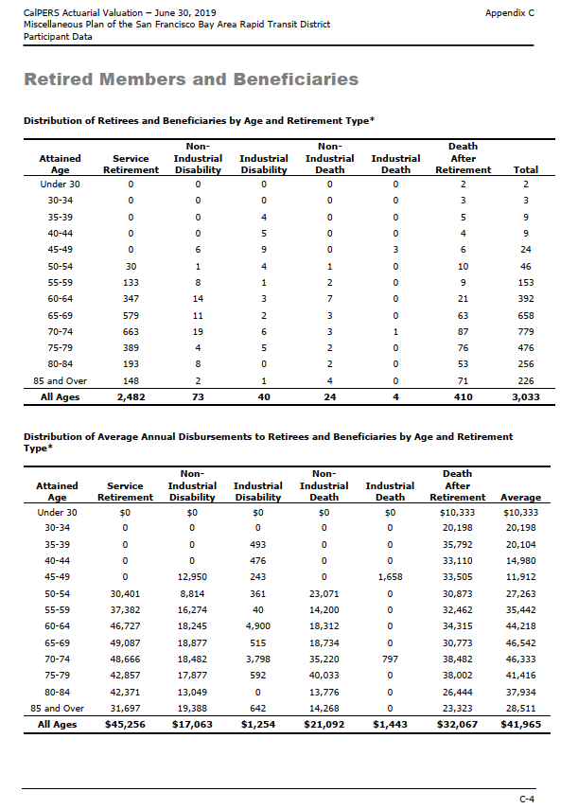
 |  | Attained Age | type | age.cell | agegrp | servRet | disbRet_nonocc | disbRet_occ | death_nonocc | death_occ | beneficiaries
 |  | Under 30 | n | 27 | 25-29 | 0 | 0 | 0 | 0 | 0 | 2
 |  | 30-34 | n | 32 | 30-34 | 0 | 0 | 0 | 0 | 0 | 3
 |  | 35-39 | n | 37 | 35-39 | 0 | 0 | 4 | 0 | 0 | 5
 |  | 40-44 | n | 42 | 40-44 | 0 | 0 | 5 | 0 | 0 | 4
 |  | 45-49 | n | 47 | 45-49 | 0 | 6 | 9 | 0 | 3 | 6
 |  | 50-54 | n | 52 | 50-54 | 30 | 1 | 4 | 1 | 0 | 10
 |  | 55-59 | n | 57 | 55-59 | 133 | 8 | 1 | 2 | 0 | 9
 |  | 60-64 | n | 62 | 60-64 | 347 | 14 | 3 | 7 | 0 | 21
 |  | 65-69 | n | 67 | 65-69 | 579 | 11 | 2 | 3 | 0 | 63
 |  | 70-74 | n | 72 | 70-74 | 663 | 19 | 6 | 3 | 1 | 87
 |  | 75-79 | n | 77 | 75-79 | 389 | 4 | 5 | 2 | 0 | 76
 |  | 80-84 | n | 82 | 80-84 | 193 | 8 | 0 | 2 | 0 | 53
 |  | 85 and Over | n | 87 | 85-89 | 148 | 2 | 1 | 4 | 0 | 71
 |  | Under 30 | benefit | 27 | 25-29 | 0 | 0 | 0 | 0 | 0 | 10333
 |  | 30-34 | benefit | 32 | 30-34 | 0 | 0 | 0 | 0 | 0 | 20198
 |  | 35-39 | benefit | 37 | 35-39 | 0 | 0 | 493 | 0 | 0 | 35792
 |  | 40-44 | benefit | 42 | 40-44 | 0 | 0 | 476 | 0 | 0 | 33110
 |  | 45-49 | benefit | 47 | 45-49 | 0 | 12950 | 243 | 0 | 1658 | 33505
 |  | 50-54 | benefit | 52 | 50-54 | 30401 | 8814 | 361 | 23071 | 0 | 30873
 |  | 55-59 | benefit | 57 | 55-59 | 37382 | 16274 | 40 | 14200 | 0 | 32462
 |  | 60-64 | benefit | 62 | 60-64 | 46727 | 18245 | 4900 | 18312 | 0 | 34315
 |  | 65-69 | benefit | 67 | 65-69 | 49087 | 18877 | 515 | 18734 | 0 | 30773
 |  | 70-74 | benefit | 72 | 70-74 | 48666 | 18482 | 3798 | 35220 | 797 | 38482
 |  | 75-79 | benefit | 77 | 75-79 | 42857 | 17877 | 592 | 40033 | 0 | 38002
 |  | 80-84 | benefit | 82 | 80-84 | 42371 | 13049 | 0 | 13776 | 0 | 26444
 |  | 85 and Over | benefit | 87 | 85-89 | 31697 | 19388 | 642 | 14268 | 0 | 23323

 |  |  |  |  |  | 0 | 0 | 0 | 0 | 0 | 20666
 |  |  |  |  |  | 0 | 0 | 0 | 0 | 0 | 60594
 |  |  |  |  |  | 0 | 0 | 1972 | 0 | 0 | 178960
 |  |  |  |  |  | 0 | 0 | 2380 | 0 | 0 | 132440
 |  |  |  |  |  | 0 | 77700 | 2187 | 0 | 4974 | 201030
 |  |  |  |  |  | 912030 | 8814 | 1444 | 23071 | 0 | 308730
 |  |  |  |  |  | 4971806 | 130192 | 40 | 28400 | 0 | 292158
 |  |  |  |  |  | 16214269 | 255430 | 14700 | 128184 | 0 | 720615
 |  |  |  |  |  | 28421373 | 207647 | 1030 | 56202 | 0 | 1938699
 |  |  |  |  |  | 32265558 | 351158 | 22788 | 105660 | 797 | 3347934
 |  |  |  |  |  | 16671373 | 71508 | 2960 | 80066 | 0 | 2888152
 |  |  |  |  |  | 8177603 | 104392 | 0 | 27552 | 0 | 1401532
 |  |  |  |  |  | 4691156 | 38776 | 642 | 57072 | 0 | 1655933
 |  |  |  |  | sum | 112325168 | 1245617 | 50143 | 506207 | 5771 | 13147443

 |  |  |  |  |  | 125984589
 |  |  |  |  |  | 1295760
 |  |  |  |  |  | 11466.902655

retirees_sfty
TOC
cell_range | D6:L32
grp_name | sfty
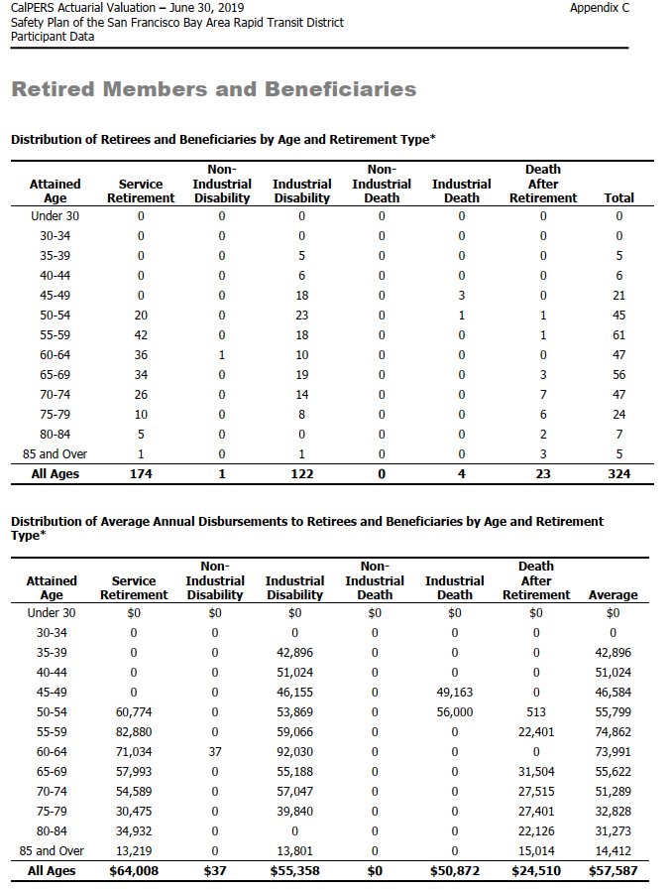
AV_date | 20190630

 |  | Attained Age | type | age.cell | agegrp | servRet | disbRet_nonocc | disbRet_occ | death_nonocc | death_occ | beneficiaries
 |  | Under 30 | n | 27 | 25-29 | 0 | 0 | 0 | 0 | 0 | 0
 |  | 30-34 | n | 32 | 30-34 | 0 | 0 | 0 | 0 | 0 | 0
 |  | 35-39 | n | 37 | 35-39 | 0 | 0 | 5 | 0 | 0 | 0
 |  | 40-44 | n | 42 | 40-44 | 0 | 0 | 6 | 0 | 0 | 0
 |  | 45-49 | n | 47 | 45-49 | 0 | 0 | 18 | 0 | 3 | 0
 |  | 50-54 | n | 52 | 50-54 | 20 | 0 | 23 | 0 | 1 | 1
 |  | 55-59 | n | 57 | 55-59 | 42 | 0 | 18 | 0 | 0 | 1
 |  | 60-64 | n | 62 | 60-64 | 36 | 1 | 10 | 0 | 0 | 0
 |  | 65-69 | n | 67 | 65-69 | 34 | 0 | 19 | 0 | 0 | 3
 |  | 70-74 | n | 72 | 70-74 | 26 | 0 | 14 | 0 | 0 | 7
 |  | 75-79 | n | 77 | 75-79 | 10 | 0 | 8 | 0 | 0 | 6
 |  | 80-84 | n | 82 | 80-84 | 5 | 0 | 0 | 0 | 0 | 2
 |  | 85 and Over | n | 87 | 85-89 | 1 | 0 | 1 | 0 | 0 | 3
 |  | Under 30 | benefit | 27 | 25-29 | 0 | 0 | 0 | 0 | 0 | 0
 |  | 30-34 | benefit | 32 | 30-34 | 0 | 0 | 0 | 0 | 0 | 0
 |  | 35-39 | benefit | 37 | 35-39 | 0 | 0 | 42896 | 0 | 0 | 0
 |  | 40-44 | benefit | 42 | 40-44 | 0 | 0 | 51024 | 0 | 0 | 0
 |  | 45-49 | benefit | 47 | 45-49 | 0 | 0 | 46155 | 0 | 49163 | 0
 |  | 50-54 | benefit | 52 | 50-54 | 60774 | 0 | 53869 | 0 | 56000 | 513
 |  | 55-59 | benefit | 57 | 55-59 | 82880 | 0 | 59066 | 0 | 0 | 22401
 |  | 60-64 | benefit | 62 | 60-64 | 71034 | 37 | 92030 | 0 | 0 | 0
 |  | 65-69 | benefit | 67 | 65-69 | 57993 | 0 | 55188 | 0 | 0 | 31504
 |  | 70-74 | benefit | 72 | 70-74 | 54589 | 0 | 57047 | 0 | 0 | 27515
 |  | 75-79 | benefit | 77 | 75-79 | 30475 | 0 | 39840 | 0 | 0 | 27401
 |  | 80-84 | benefit | 82 | 80-84 | 34932 | 0 | 0 | 0 | 0 | 22126
 |  | 85 and Over | benefit | 87 | 85-89 | 13219 | 0 | 13801 | 0 | 0 | 15014

 |  |  |  |  |  | 0 | 0 | 0 | 0 | 0 | 0
 |  |  |  |  |  | 0 | 0 | 0 | 0 | 0 | 0
 |  |  |  |  |  | 0 | 0 | 214480 | 0 | 0 | 0
 |  |  |  |  |  | 0 | 0 | 306144 | 0 | 0 | 0
 |  |  |  |  |  | 0 | 0 | 830790 | 0 | 147489 | 0
 |  |  |  |  |  | 1215480 | 0 | 1238987 | 0 | 56000 | 513
 |  |  |  |  |  | 3480960 | 0 | 1063188 | 0 | 0 | 22401
 |  |  |  |  |  | 2557224 | 37 | 920300 | 0 | 0 | 0
 |  |  |  |  |  | 1971762 | 0 | 1048572 | 0 | 0 | 94512
 |  |  |  |  |  | 1419314 | 0 | 798658 | 0 | 0 | 192605
 |  |  |  |  |  | 304750 | 0 | 318720 | 0 | 0 | 164406
 |  |  |  |  |  | 174660 | 0 | 0 | 0 | 0 | 44252
 |  |  |  |  |  | 13219 | 0 | 13801 | 0 | 0 | 45042
 |  |  |  |  | sum | 11137369 | 37 | 6753640 | 0 | 203489 | 563731

 |  |  |  |  |  | 11904589
 |  |  |  |  |  | 6753677

actives_misc_raw
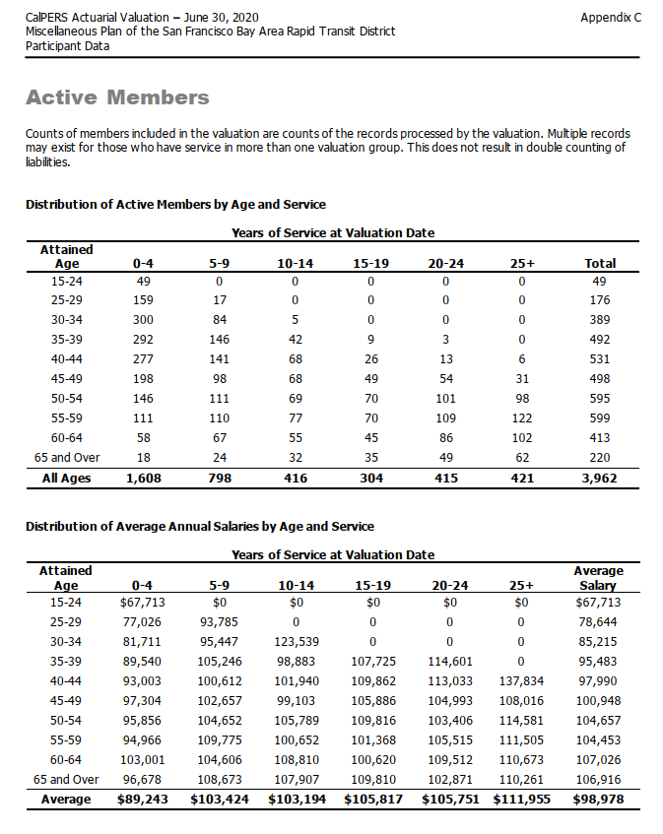
TOC
source BART misc AV2019, ep74

 | Distribution of Active Members by Age and Service

 | Years of Service at Valuation Date
 | Attained Age | 0-4 | 5-9 | 10-14 | 15-19 | 20-24 | 25+ | Total
 | 15-24 | 49 | 0 | 0 | 0 | 0 | 0 | 49
 | 25-29 | 159 | 17 | 0 | 0 | 0 | 0 | 176
 | 30-34 | 300 | 84 | 5 | 0 | 0 | 0 | 389
 | 35-39 | 292 | 146 | 42 | 9 | 3 | 0 | 492
 | 40-44 | 277 | 141 | 68 | 26 | 13 | 6 | 531
 | 45-49 | 198 | 98 | 68 | 49 | 54 | 31 | 498
 | 50-54 | 146 | 111 | 69 | 70 | 101 | 98 | 595
 | 55-59 | 111 | 110 | 77 | 70 | 109 | 122 | 599
 | 60-64 | 58 | 67 | 55 | 45 | 86 | 102 | 413
 | 65 and Over | 18 | 24 | 32 | 35 | 49 | 62 | 220
 | All Ages | 1,608 | 798 | 416 | 304 | 415 | 421 | 3,962
 | Distribution of Average Annual Salaries by Age and Service
 |  |  | Years of Service at Valuation Date
 | Attained |  |  |  |  |  |  | Average
 | Age | 0-4 | 5-9 | 10-14 | 15-19 | 20-24 | 25+ | Salary
 | 15-24 | $67,713 | $0 | $0 | $0 | $0 | $0 | $67,713
 | 25-29 | 77,026 | 93,785 | 0 | 0 | 0 | 0 | 78,644
 | 30-34 | 81,711 | 95,447 | 123,539 | 0 | 0 | 0 | 85,215
 | 35-39 | 89,540 | 105,246 | 98,883 | 107,725 | 114,601 | 0 | 95,483
 | 40-44 | 93,003 | 100,612 | 101,940 | 109,862 | 113,033 | 137,834 | 97,990
 | 45-49 | 97,304 | 102,657 | 99,103 | 105,886 | 104,993 | 108,016 | 100,948
 | 50-54 | 95,856 | 104,652 | 105,789 | 109,816 | 103,406 | 114,581 | 104,657
 | 55-59 | 94,966 | 109,775 | 100,652 | 101,368 | 105,515 | 111,505 | 104,453
 | 60-64 | 103,001 | 104,606 | 108,810 | 100,620 | 109,512 | 110,673 | 107,026
 | 65 and Over | 96,678 | 108,673 | 107,907 | 109,810 | 102,871 | 110,261 | 106,916
 | Average | $89,243 | $103,424 | $103,194 | $105,817 | $105,751 | $111,955 | $98,978

actives_sfty_raw
TOC
source BART safety AV2019, ep73

 | Active Members

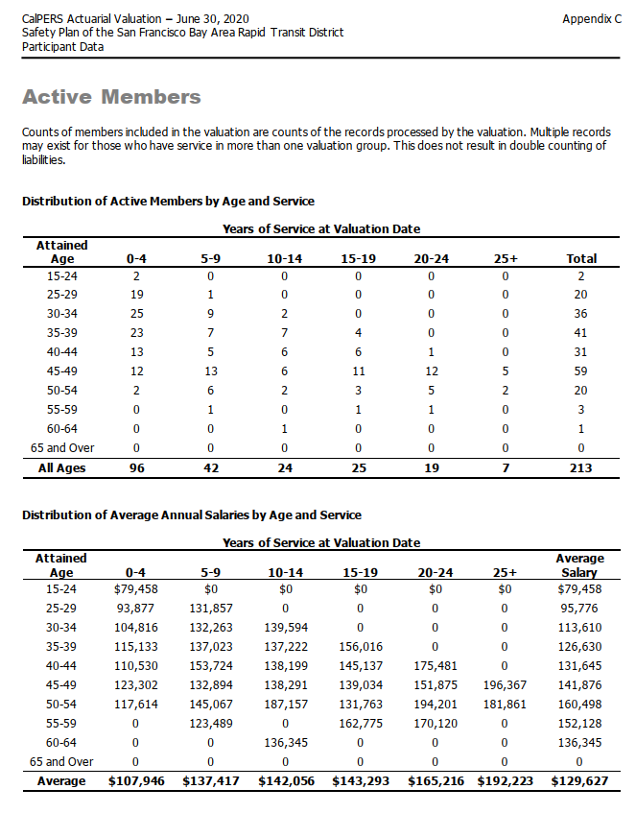
 | Counts of members included in the valuation are counts of the records processed by the valuation. Multiple records
 | may exist for those who have service in more than one valuation group. This does not result in double counting of
 | liabilities.

 | Distribution of Active Members by Age and Service

 | Years of Service at Valuation Date
 | Attained Age | 0-4 | 5-9 | 10-14 | 15-19 | 20-24 | 25+ | Total
 | 15-24 | 2 | 0 | 0 | 0 | 0 | 0 | 2
 | 25-29 | 19 | 1 | 0 | 0 | 0 | 0 | 20
 | 30-34 | 25 | 9 | 2 | 0 | 0 | 0 | 36
 | 35-39 | 23 | 7 | 7 | 4 | 0 | 0 | 41
 | 40-44 | 13 | 5 | 6 | 6 | 1 | 0 | 31
 | 45-49 | 12 | 13 | 6 | 11 | 12 | 5 | 59
 | 50-54 | 2 | 6 | 2 | 3 | 5 | 2 | 20
 | 55-59 | 0 | 1 | 0 | 1 | 1 | 0 | 3
 | 60-64 | 0 | 0 | 1 | 0 | 0 | 0 | 1
 | 65 and Over | 0 | 0 | 0 | 0 | 0 | 0 | 0
 | All Ages | 96 | 42 | 24 | 25 | 19 | 7 | 213

 | Distribution of Average Annual Salaries by Age and Service

 |  |  | Years of Service at Valuation Date
 | Attained |  |  |  |  |  |  | Average
 | Age | 0-4 | 5-9 | 10-14 | 15-19 | 20-24 | 25+ | Salary
 | 15-24 | $79,458 | $0 | $0 | $0 | $0 | $0 | $79,458
 | 25-29 | 93,877 | 131,857 | 0 | 0 | 0 | 0 | 95,776
 | 30-34 | 104,816 | 132,263 | 139,594 | 0 | 0 | 0 | 113,610
 | 35-39 | 115,133 | 137,023 | 137,222 | 156,016 | 0 | 0 | 126,630
 | 40-44 | 110,530 | 153,724 | 138,199 | 145,137 | 175,481 | 0 | 131,645
 | 45-49 | 123,302 | 132,894 | 138,291 | 139,034 | 151,875 | 196,367 | 141,876
 | 50-54 | 117,614 | 145,067 | 187,157 | 131,763 | 194,201 | 181,861 | 160,498
 | 55-59 | 0 | 123,489 | 0 | 162,775 | 170,120 | 0 | 152,128
 | 60-64 | 0 | 0 | 136,345 | 0 | 0 | 0 | 136,345
 | 65 and Over | 0 | 0 | 0 | 0 | 0 | 0 | 0
 | Average | $107,946 | $137,417 | $142,056 | $143,293 | $165,216 | $192,223 | $129,627

Retirees_misc_raw
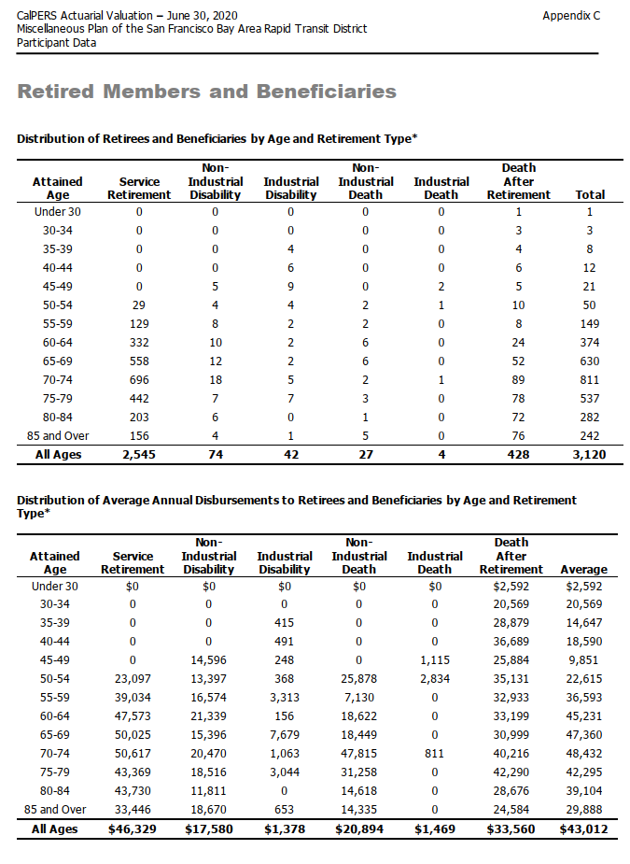
TOC
source BART misc AV2019, ep76

 | Distribution of Retirees and Beneficiaries by Age and Retirement Type*

 | Attained Age | Service Retirement | Non- Industrial Disability | Industrial Disability | Non- Industrial Death | Industrial Death | Death After Retirement | Total
 | Under 30 | 0 | 0 | 0 | 0 | 0 | 1 | 1
 | 30-34 | 0 | 0 | 0 | 0 | 0 | 3 | 3
 | 35-39 | 0 | 0 | 4 | 0 | 0 | 4 | 8
 | 40-44 | 0 | 0 | 6 | 0 | 0 | 6 | 12
 | 45-49 | 0 | 5 | 9 | 0 | 2 | 5 | 21
 | 50-54 | 29 | 4 | 4 | 2 | 1 | 10 | 50
 | 55-59 | 129 | 8 | 2 | 2 | 0 | 8 | 149
 | 60-64 | 332 | 10 | 2 | 6 | 0 | 24 | 374
 | 65-69 | 558 | 12 | 2 | 6 | 0 | 52 | 630
 | 70-74 | 696 | 18 | 5 | 2 | 1 | 89 | 811
 | 75-79 | 442 | 7 | 7 | 3 | 0 | 78 | 537
 | 80-84 | 203 | 6 | 0 | 1 | 0 | 72 | 282
 | 85 and Over | 156 | 4 | 1 | 5 | 0 | 76 | 242
 | All Ages | 2,545 | 74 | 42 | 27 | 4 | 428 | 3,120

 | Distribution of Average Annual Disbursements to Retirees and Beneficiaries by Age and Retirement
 | Type*

 | Attained Age | Service Retirement | Non- Industrial Disability | Industrial Disability | Non- Industrial Death | Industrial Death | Death After Retirement | Average
 | Under 30 | $0 | $0 | $0 | $0 | $0 | $2,592 | $2,592
 | 30-34 | 0 | 0 | 0 | 0 | 0 | 20,569 | 20,569
 | 35-39 | 0 | 0 | 415 | 0 | 0 | 28,879 | 14,647
 | 40-44 | 0 | 0 | 491 | 0 | 0 | 36,689 | 18,590
 | 45-49 | 0 | 14,596 | 248 | 0 | 1,115 | 25,884 | 9,851
 | 50-54 | 23,097 | 13,397 | 368 | 25,878 | 2,834 | 35,131 | 22,615
 | 55-59 | 39,034 | 16,574 | 3,313 | 7,130 | 0 | 32,933 | 36,593
 | 60-64 | 47,573 | 21,339 | 156 | 18,622 | 0 | 33,199 | 45,231
 | 65-69 | 50,025 | 15,396 | 7,679 | 18,449 | 0 | 30,999 | 47,360
 | 70-74 | 50,617 | 20,470 | 1,063 | 47,815 | 811 | 40,216 | 48,432
 | 75-79 | 43,369 | 18,516 | 3,044 | 31,258 | 0 | 42,290 | 42,295
 | 80-84 | 43,730 | 11,811 | 0 | 14,618 | 0 | 28,676 | 39,104
 | 85 and Over | 33,446 | 18,670 | 653 | 14,335 | 0 | 24,584 | 29,888
 | All Ages | $46,329 | $17,580 | $1,378 | $20,894 | $1,469 | $33,560 | $43,012

Retirees_sfty_raw
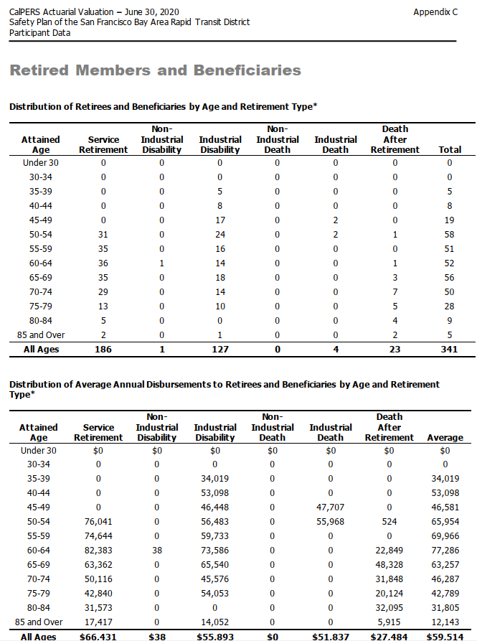
TOC
source BART safety AV2019, ep75

 | Retired Members and Beneficiaries

 | Distribution of Retirees and Beneficiaries by Age and Retirement Type*

 | Attained Age | Service Retirement | Non- Industrial Disability | Industrial Disability | Non- Industrial Death | Industrial Death | Death After Retirement | Total
 | Under 30 | 0 | 0 | 0 | 0 | 0 | 0 | 0
 | 30-34 | 0 | 0 | 0 | 0 | 0 | 0 | 0
 | 35-39 | 0 | 0 | 5 | 0 | 0 | 0 | 5
 | 40-44 | 0 | 0 | 8 | 0 | 0 | 0 | 8
 | 45-49 | 0 | 0 | 17 | 0 | 2 | 0 | 19
 | 50-54 | 31 | 0 | 24 | 0 | 2 | 1 | 58
 | 55-59 | 35 | 0 | 16 | 0 | 0 | 0 | 51
 | 60-64 | 36 | 1 | 14 | 0 | 0 | 1 | 52
 | 65-69 | 35 | 0 | 18 | 0 | 0 | 3 | 56
 | 70-74 | 29 | 0 | 14 | 0 | 0 | 7 | 50
 | 75-79 | 13 | 0 | 10 | 0 | 0 | 5 | 28
 | 80-84 | 5 | 0 | 0 | 0 | 0 | 4 | 9
 | 85 and Over | 2 | 0 | 1 | 0 | 0 | 2 | 5
 | All Ages | 186 | 1 | 127 | 0 | 4 | 23 | 341

 | Distribution of Average Annual Disbursements to Retirees and Beneficiaries by Age and Retirement
 | Type*

 | Attained Age | Service Retirement | Non- Industrial Disability | Industrial Disability | Non- Industrial Death | Industrial Death | Death After Retirement | Average
 | Under 30 | $0 | $0 | $0 | $0 | $0 | $0 | $0
 | 30-34 | 0 | 0 | 0 | 0 | 0 | 0 | 0
 | 35-39 | 0 | 0 | 34,019 | 0 | 0 | 0 | 34,019
 | 40-44 | 0 | 0 | 53,098 | 0 | 0 | 0 | 53,098
 | 45-49 | 0 | 0 | 46,448 | 0 | 47,707 | 0 | 46,581
 | 50-54 | 76,041 | 0 | 56,483 | 0 | 55,968 | 524 | 65,954
 | 55-59 | 74,644 | 0 | 59,733 | 0 | 0 | 0 | 69,966
 | 60-64 | 82,383 | 38 | 73,586 | 0 | 0 | 22,849 | 77,286
 | 65-69 | 63,362 | 0 | 65,540 | 0 | 0 | 48,328 | 63,257
 | 70-74 | 50,116 | 0 | 45,576 | 0 | 0 | 31,848 | 46,287
 | 75-79 | 42,840 | 0 | 54,053 | 0 | 0 | 20,124 | 42,789
 | 80-84 | 31,573 | 0 | 0 | 0 | 0 | 32,095 | 31,805
 | 85 and Over | 17,417 | 0 | 14,052 | 0 | 0 | 5,915 | 12,143
 | All Ages | $66,431 | $38 | $55,893 | $0 | $51,837 | $27,484 | $59,514

terminated_misc_raw
TOC
source BART misc AV2019, ep75
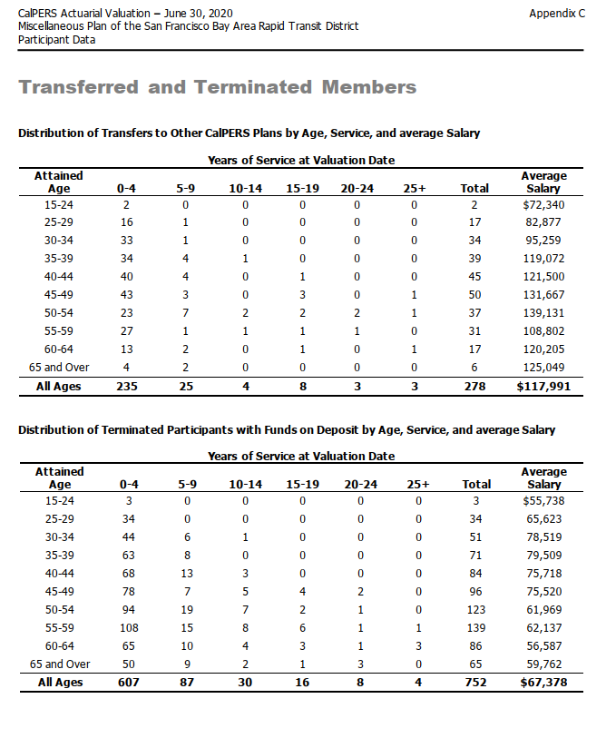
 | Transferred and Terminated Members

 | Distribution of Transfers to Other CalPERS Plans by Age, Service, and average Salary

 | Years of Service at Valuation Date
 | Attained Age | 0-4 | 5-9 | 10-14 | 15-19 | 20-24 | 25+ | Total | Average Salary
 | 15-24 | 2 | 0 | 0 | 0 | 0 | 0 | 2 | $72,340
 | 25-29 | 16 | 1 | 0 | 0 | 0 | 0 | 17 | 82,877
 | 30-34 | 33 | 1 | 0 | 0 | 0 | 0 | 34 | 95,259
 | 35-39 | 34 | 4 | 1 | 0 | 0 | 0 | 39 | 119,072
 | 40-44 | 40 | 4 | 0 | 1 | 0 | 0 | 45 | 121,500
 | 45-49 | 43 | 3 | 0 | 3 | 0 | 1 | 50 | 131,667
 | 50-54 | 23 | 7 | 2 | 2 | 2 | 1 | 37 | 139,131
 | 55-59 | 27 | 1 | 1 | 1 | 1 | 0 | 31 | 108,802
 | 60-64 | 13 | 2 | 0 | 1 | 0 | 1 | 17 | 120,205
 | 65 and Over | 4 | 2 | 0 | 0 | 0 | 0 | 6 | 125,049
 | All Ages | 235 | 25 | 4 | 8 | 3 | 3 | 278 | $117,991

 | Distribution of Terminated Participants with Funds on Deposit by Age, Service, and average Salary

 | Years of Service at Valuation Date
 | Attained Age | 0-4 | 5-9 | 10-14 | 15-19 | 20-24 | 25+ | Total | Average Salary
 | 15-24 | 3 | 0 | 0 | 0 | 0 | 0 | 3 | $55,738
 | 25-29 | 34 | 0 | 0 | 0 | 0 | 0 | 34 | 65,623
 | 30-34 | 44 | 6 | 1 | 0 | 0 | 0 | 51 | 78,519
 | 35-39 | 63 | 8 | 0 | 0 | 0 | 0 | 71 | 79,509
 | 40-44 | 68 | 13 | 3 | 0 | 0 | 0 | 84 | 75,718
 | 45-49 | 78 | 7 | 5 | 4 | 2 | 0 | 96 | 75,520
 | 50-54 | 94 | 19 | 7 | 2 | 1 | 0 | 123 | 61,969
 | 55-59 | 108 | 15 | 8 | 6 | 1 | 1 | 139 | 62,137
 | 60-64 | 65 | 10 | 4 | 3 | 1 | 3 | 86 | 56,587
 | 65 and Over | 50 | 9 | 2 | 1 | 3 | 0 | 65 | 59,762
 | All Ages | 607 | 87 | 30 | 16 | 8 | 4 | 752 | $67,378

terminated_sfty_raw
TOC
source BART safety AV2019, ep74
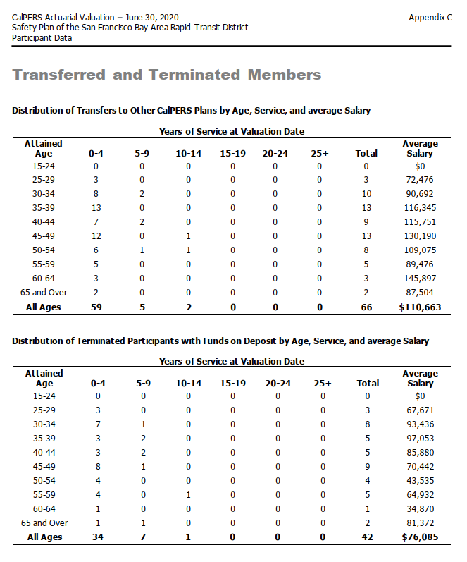

 | Transferred and Terminated Members

 | Distribution of Transfers to Other CalPERS Plans by Age, Service, and average Salary

 | Years of Service at Valuation Date
 | Attained Age | 0-4 | 5-9 | 10-14 | 15-19 | 20-24 | 25+ | Total | Average Salary
 | 15-24 | 0 | 0 | 0 | 0 | 0 | 0 | 0 | $0
 | 25-29 | 3 | 0 | 0 | 0 | 0 | 0 | 3 | 72,476
 | 30-34 | 8 | 2 | 0 | 0 | 0 | 0 | 10 | 90,692
 | 35-39 | 13 | 0 | 0 | 0 | 0 | 0 | 13 | 116,345
 | 40-44 | 7 | 2 | 0 | 0 | 0 | 0 | 9 | 115,751
 | 45-49 | 12 | 0 | 1 | 0 | 0 | 0 | 13 | 130,190
 | 50-54 | 6 | 1 | 1 | 0 | 0 | 0 | 8 | 109,075
 | 55-59 | 5 | 0 | 0 | 0 | 0 | 0 | 5 | 89,476
 | 60-64 | 3 | 0 | 0 | 0 | 0 | 0 | 3 | 145,897
 | 65 and Over | 2 | 0 | 0 | 0 | 0 | 0 | 2 | 87,504
 | All Ages | 59 | 5 | 2 | 0 | 0 | 0 | 66 | $110,663

 | Distribution of Terminated Participants with Funds on Deposit by Age, Service, and average Salary

 | Years of Service at Valuation Date
 | Attained Age | 0-4 | 5-9 | 10-14 | 15-19 | 20-24 | 25+ | Total | Average Salary
 | 15-24 | 0 | 0 | 0 | 0 | 0 | 0 | 0 | $0
 | 25-29 | 3 | 0 | 0 | 0 | 0 | 0 | 3 | 67,671
 | 30-34 | 7 | 1 | 0 | 0 | 0 | 0 | 8 | 93,436
 | 35-39 | 3 | 2 | 0 | 0 | 0 | 0 | 5 | 97,053
 | 40-44 | 3 | 2 | 0 | 0 | 0 | 0 | 5 | 85,880
 | 45-49 | 8 | 1 | 0 | 0 | 0 | 0 | 9 | 70,442
 | 50-54 | 4 | 0 | 0 | 0 | 0 | 0 | 4 | 43,535
 | 55-59 | 4 | 0 | 1 | 0 | 0 | 0 | 5 | 64,932
 | 60-64 | 1 | 0 | 0 | 0 | 0 | 0 | 1 | 34,870
 | 65 and Over | 1 | 1 | 0 | 0 | 0 | 0 | 2 | 81,372
 | All Ages | 34 | 7 | 1 | 0 | 0 | 0 | 42 | $76,085

