init_amort_misc_raw
Date | Current Amortization

 | Schedule
 | Balance | Payment
2022-06-30 | 756,250,260 | 66,764,335
2023-06-30 | 740,126,212 | 71,535,106
2024-06-30 | 717,938,558 | 76,677,284
2025-06-30 | 688,878,658 | 70,529,365
2026-06-30 | 664,144,022 | 74,152,168
2027-06-30 | 633,930,503 | 75,894,718
2028-06-30 | 599,799,533 | 77,685,194
2029-06-30 | 561,427,311 | 78,515,157
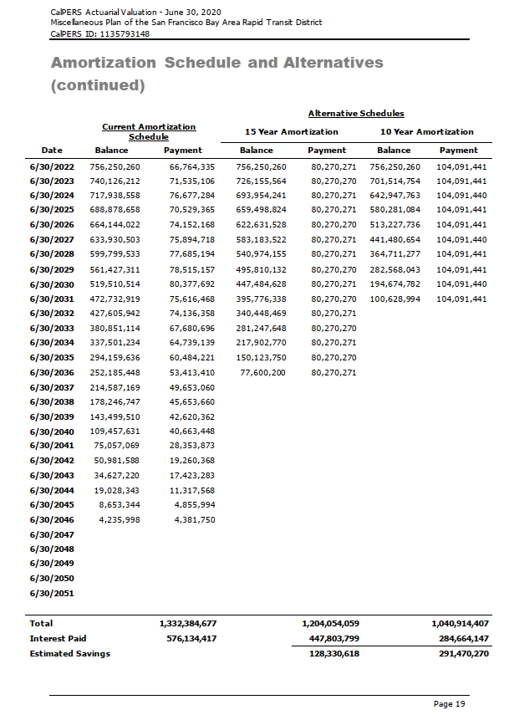
2030-06-30 | 519,510,514 | 80,377,692
2031-06-30 | 472,732,919 | 75,616,468
2032-06-30 | 427,605,942 | 74,136,358
2033-06-30 | 380,851,114 | 67,680,696
2034-06-30 | 337,501,234 | 64,739,139
2035-06-30 | 294,159,636 | 60,484,221
2036-06-30 | 252,185,448 | 53,413,410
2037-06-30 | 214,587,169 | 49,653,060
2038-06-30 | 178,246,747 | 45,653,660
2039-06-30 | 143,499,510 | 42,620,362
2040-06-30 | 109,457,631 | 40,663,448
2041-06-30 | 75,057,069 | 28,353,873
2042-06-30 | 50,981,588 | 19,260,368
2043-06-30 | 34,627,220 | 17,423,283
2044-06-30 | 19,028,343 | 11,317,568
2045-06-30 | 8,653,344 | 4,855,994
2046-06-30 | 4,235,998 | 4,381,750
2047-06-30
2048-06-30
2049-06-30
2050-06-30
2051-06-30
Total |  | 1,332,384,677
Interest Paid |  | 576,134,417
Estimated Savings

init_amort_sfty_raw
Date | Current Amortization

 | Schedule
 | Balance | Payment
2022-06-30 | 172,740,500 | 14,945,561
2023-06-30 | 169,372,525 | 15,795,215
2024-06-30 | 164,889,905 | 14,630,119
2025-06-30 | 161,298,684 | 15,194,113
2026-06-30 | 156,872,680 | 15,743,205
2027-06-30 | 151,568,868 | 16,099,144
2028-06-30 | 145,525,606 | 16,464,870
2029-06-30 | 138,681,006 | 16,737,339
2030-06-30 | 131,075,437 | 17,120,614
2031-06-30 | 122,541,017 | 16,820,079
2032-06-30 | 113,720,061 | 16,772,169
2033-06-30 | 104,331,201 | 16,057,627
2034-06-30 | 95,024,246 | 15,800,465
2035-06-30 | 85,331,815 | 15,307,368
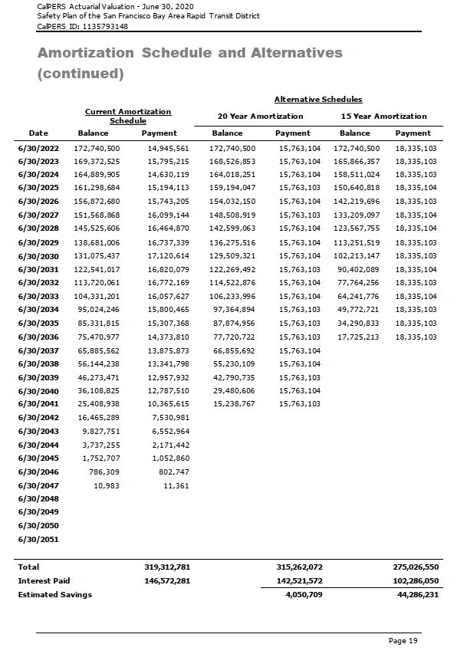
2036-06-30 | 75,470,977 | 14,373,810
2037-06-30 | 65,885,562 | 13,875,873
2038-06-30 | 56,144,238 | 13,341,798
2039-06-30 | 46,273,471 | 12,957,932
2040-06-30 | 36,108,825 | 12,787,510
2041-06-30 | 25,408,938 | 10,365,615
2042-06-30 | 16,465,289 | 7,530,981
2043-06-30 | 9,827,751 | 6,552,964
2044-06-30 | 3,737,255 | 2,171,442
2045-06-30 | 1,752,707 | 1,052,860
2046-06-30 | 786,309 | 802,747
2047-06-30 | 10,983 | 11,361
2048-06-30
2049-06-30
2050-06-30
2051-06-30
Total |  | 319,312,781
Interest Paid |  | 146,572,281
Estimated Savings

