servRet_misc_classic
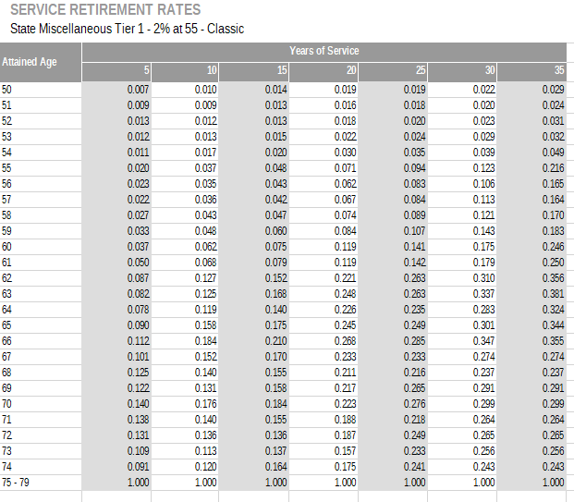
TOC
cell_range | B6:I32
var_name | qxr
grp_name | misc_classic
 | Attained Age | Years of Service
 | age | 5 | 10 | 15 | 20 | 25 | 30 | 35
 | 50 | 0.007 | 0.010 | 0.014 | 0.019 | 0.019 | 0.022 | 0.029
 | 51 | 0.009 | 0.009 | 0.013 | 0.016 | 0.018 | 0.020 | 0.024
 | 52 | 0.013 | 0.012 | 0.013 | 0.018 | 0.020 | 0.023 | 0.031
 | 53 | 0.012 | 0.013 | 0.015 | 0.022 | 0.024 | 0.029 | 0.032
 | 54 | 0.011 | 0.017 | 0.020 | 0.030 | 0.035 | 0.039 | 0.049
 | 55 | 0.020 | 0.037 | 0.048 | 0.071 | 0.094 | 0.123 | 0.216
 | 56 | 0.023 | 0.035 | 0.043 | 0.062 | 0.083 | 0.106 | 0.165
 | 57 | 0.022 | 0.036 | 0.042 | 0.067 | 0.084 | 0.113 | 0.164
 | 58 | 0.027 | 0.043 | 0.047 | 0.074 | 0.089 | 0.121 | 0.170
 | 59 | 0.033 | 0.048 | 0.060 | 0.084 | 0.107 | 0.143 | 0.183
 | 60 | 0.037 | 0.062 | 0.075 | 0.119 | 0.141 | 0.175 | 0.246
 | 61 | 0.050 | 0.068 | 0.079 | 0.119 | 0.142 | 0.179 | 0.250
 | 62 | 0.087 | 0.127 | 0.152 | 0.221 | 0.263 | 0.310 | 0.356
 | 63 | 0.082 | 0.125 | 0.168 | 0.248 | 0.263 | 0.337 | 0.381
 | 64 | 0.078 | 0.119 | 0.140 | 0.226 | 0.235 | 0.283 | 0.324
 | 65 | 0.090 | 0.158 | 0.175 | 0.245 | 0.249 | 0.301 | 0.344
 | 66 | 0.112 | 0.184 | 0.210 | 0.268 | 0.285 | 0.347 | 0.355
 | 67 | 0.101 | 0.152 | 0.170 | 0.233 | 0.233 | 0.274 | 0.274
 | 68 | 0.125 | 0.140 | 0.155 | 0.211 | 0.216 | 0.237 | 0.237
 | 69 | 0.122 | 0.131 | 0.158 | 0.217 | 0.265 | 0.291 | 0.291
 | 70 | 0.140 | 0.176 | 0.184 | 0.223 | 0.276 | 0.299 | 0.299
 | 71 | 0.138 | 0.140 | 0.155 | 0.188 | 0.218 | 0.264 | 0.264
 | 72 | 0.131 | 0.136 | 0.136 | 0.187 | 0.249 | 0.265 | 0.265
 | 73 | 0.109 | 0.113 | 0.137 | 0.157 | 0.233 | 0.256 | 0.256
 | 74 | 0.091 | 0.120 | 0.164 | 0.175 | 0.241 | 0.243 | 0.243
 | 75 | 1.000 | 1.000 | 1.000 | 1.000 | 1.000 | 1.000 | 1.000

servRet_misc_papra
TOC
cell_range | B6:I32
var_name | qxr
grp_name | misc_pepra
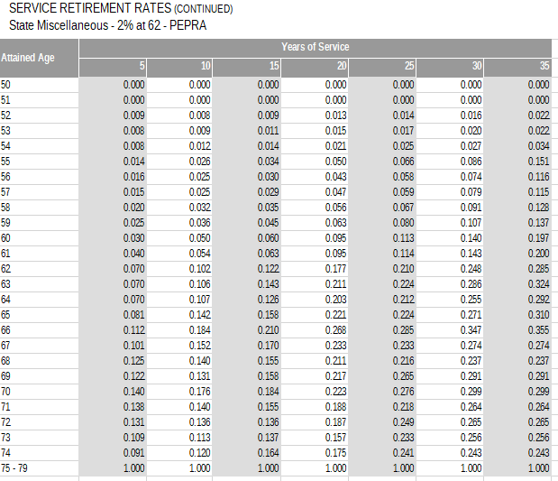
 | Attained Age | Years of Service
 | age | 5 | 10 | 15 | 20 | 25 | 30 | 35
 | 50 | 0.000 | 0.000 | 0.000 | 0.000 | 0.000 | 0.000 | 0.000
 | 51 | 0.000 | 0.000 | 0.000 | 0.000 | 0.000 | 0.000 | 0.000
 | 52 | 0.009 | 0.008 | 0.009 | 0.013 | 0.014 | 0.016 | 0.022
 | 53 | 0.008 | 0.009 | 0.011 | 0.015 | 0.017 | 0.020 | 0.022
 | 54 | 0.008 | 0.012 | 0.014 | 0.021 | 0.025 | 0.027 | 0.034
 | 55 | 0.014 | 0.026 | 0.034 | 0.050 | 0.066 | 0.086 | 0.151
 | 56 | 0.016 | 0.025 | 0.030 | 0.043 | 0.058 | 0.074 | 0.116
 | 57 | 0.015 | 0.025 | 0.029 | 0.047 | 0.059 | 0.079 | 0.115
 | 58 | 0.020 | 0.032 | 0.035 | 0.056 | 0.067 | 0.091 | 0.128
 | 59 | 0.025 | 0.036 | 0.045 | 0.063 | 0.080 | 0.107 | 0.137
 | 60 | 0.030 | 0.050 | 0.060 | 0.095 | 0.113 | 0.140 | 0.197
 | 61 | 0.040 | 0.054 | 0.063 | 0.095 | 0.114 | 0.143 | 0.200
 | 62 | 0.070 | 0.102 | 0.122 | 0.177 | 0.210 | 0.248 | 0.285
 | 63 | 0.070 | 0.106 | 0.143 | 0.211 | 0.224 | 0.286 | 0.324
 | 64 | 0.070 | 0.107 | 0.126 | 0.203 | 0.212 | 0.255 | 0.292
 | 65 | 0.081 | 0.142 | 0.158 | 0.221 | 0.224 | 0.271 | 0.310
 | 66 | 0.112 | 0.184 | 0.210 | 0.268 | 0.285 | 0.347 | 0.355
 | 67 | 0.101 | 0.152 | 0.170 | 0.233 | 0.233 | 0.274 | 0.274
 | 68 | 0.125 | 0.140 | 0.155 | 0.211 | 0.216 | 0.237 | 0.237
 | 69 | 0.122 | 0.131 | 0.158 | 0.217 | 0.265 | 0.291 | 0.291
 | 70 | 0.140 | 0.176 | 0.184 | 0.223 | 0.276 | 0.299 | 0.299
 | 71 | 0.138 | 0.140 | 0.155 | 0.188 | 0.218 | 0.264 | 0.264
 | 72 | 0.131 | 0.136 | 0.136 | 0.187 | 0.249 | 0.265 | 0.265
 | 73 | 0.109 | 0.113 | 0.137 | 0.157 | 0.233 | 0.256 | 0.256
 | 74 | 0.091 | 0.120 | 0.164 | 0.175 | 0.241 | 0.243 | 0.243
 | 75 | 1.000 | 1.000 | 1.000 | 1.000 | 1.000 | 1.000 | 1.000

servRet_inds_classic
TOC
cell_range | B6:I32
var_name | qxr
grp_name | inds_classic
 | Attained Age | Years of Service
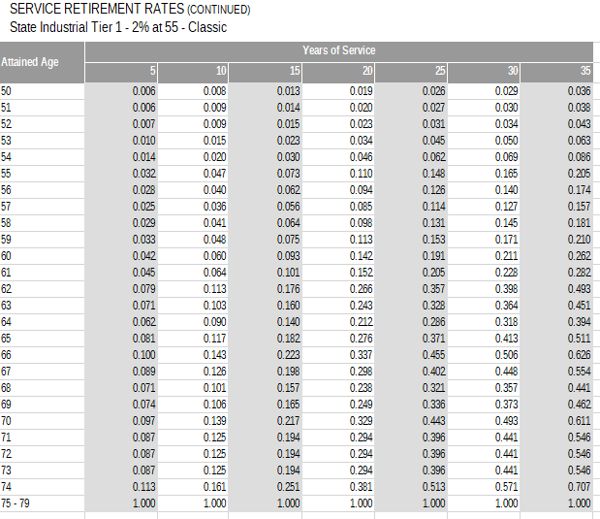
 | age | 5 | 10 | 15 | 20 | 25 | 30 | 35
 | 50 | 0.006 | 0.008 | 0.013 | 0.019 | 0.026 | 0.029 | 0.036
 | 51 | 0.006 | 0.009 | 0.014 | 0.020 | 0.027 | 0.030 | 0.038
 | 52 | 0.007 | 0.009 | 0.015 | 0.023 | 0.031 | 0.034 | 0.043
 | 53 | 0.010 | 0.015 | 0.023 | 0.034 | 0.045 | 0.050 | 0.063
 | 54 | 0.014 | 0.020 | 0.030 | 0.046 | 0.062 | 0.069 | 0.086
 | 55 | 0.032 | 0.047 | 0.073 | 0.110 | 0.148 | 0.165 | 0.205
 | 56 | 0.028 | 0.040 | 0.062 | 0.094 | 0.126 | 0.140 | 0.174
 | 57 | 0.025 | 0.036 | 0.056 | 0.085 | 0.114 | 0.127 | 0.157
 | 58 | 0.029 | 0.041 | 0.064 | 0.098 | 0.131 | 0.145 | 0.181
 | 59 | 0.033 | 0.048 | 0.075 | 0.113 | 0.153 | 0.171 | 0.210
 | 60 | 0.042 | 0.060 | 0.093 | 0.142 | 0.191 | 0.211 | 0.262
 | 61 | 0.045 | 0.064 | 0.101 | 0.152 | 0.205 | 0.228 | 0.282
 | 62 | 0.079 | 0.113 | 0.176 | 0.266 | 0.357 | 0.398 | 0.493
 | 63 | 0.071 | 0.103 | 0.160 | 0.243 | 0.328 | 0.364 | 0.451
 | 64 | 0.062 | 0.090 | 0.140 | 0.212 | 0.286 | 0.318 | 0.394
 | 65 | 0.081 | 0.117 | 0.182 | 0.276 | 0.371 | 0.413 | 0.511
 | 66 | 0.100 | 0.143 | 0.223 | 0.337 | 0.455 | 0.506 | 0.626
 | 67 | 0.089 | 0.126 | 0.198 | 0.298 | 0.402 | 0.448 | 0.554
 | 68 | 0.071 | 0.101 | 0.157 | 0.238 | 0.321 | 0.357 | 0.441
 | 69 | 0.074 | 0.106 | 0.165 | 0.249 | 0.336 | 0.373 | 0.462
 | 70 | 0.097 | 0.139 | 0.217 | 0.329 | 0.443 | 0.493 | 0.611
 | 71 | 0.087 | 0.125 | 0.194 | 0.294 | 0.396 | 0.441 | 0.546
 | 72 | 0.087 | 0.125 | 0.194 | 0.294 | 0.396 | 0.441 | 0.546
 | 73 | 0.087 | 0.125 | 0.194 | 0.294 | 0.396 | 0.441 | 0.546
 | 74 | 0.113 | 0.161 | 0.251 | 0.381 | 0.513 | 0.571 | 0.707
 | 75 | 1.000 | 1.000 | 1.000 | 1.000 | 1.000 | 1.000 | 1.000

servRet_inds_pepra
TOC
cell_range | B6:I32
var_name | qxr
grp_name | inds_pepra
 | Attained Age | Years of Service
 | age | 5 | 10 | 15 | 20 | 25 | 30 | 35
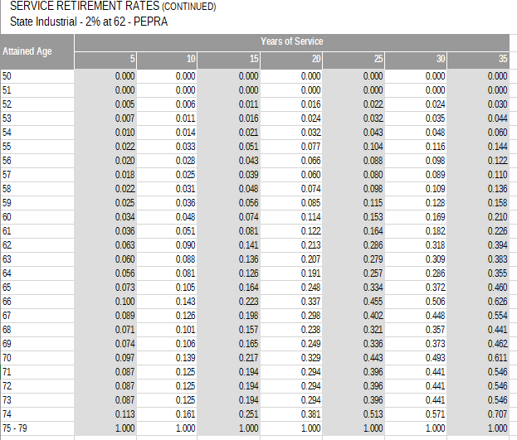
 | 50 | 0.000 | 0.000 | 0.000 | 0.000 | 0.000 | 0.000 | 0.000
 | 51 | 0.000 | 0.000 | 0.000 | 0.000 | 0.000 | 0.000 | 0.000
 | 52 | 0.005 | 0.006 | 0.011 | 0.016 | 0.022 | 0.024 | 0.030
 | 53 | 0.007 | 0.011 | 0.016 | 0.024 | 0.032 | 0.035 | 0.044
 | 54 | 0.010 | 0.014 | 0.021 | 0.032 | 0.043 | 0.048 | 0.060
 | 55 | 0.022 | 0.033 | 0.051 | 0.077 | 0.104 | 0.116 | 0.144
 | 56 | 0.020 | 0.028 | 0.043 | 0.066 | 0.088 | 0.098 | 0.122
 | 57 | 0.018 | 0.025 | 0.039 | 0.060 | 0.080 | 0.089 | 0.110
 | 58 | 0.022 | 0.031 | 0.048 | 0.074 | 0.098 | 0.109 | 0.136
 | 59 | 0.025 | 0.036 | 0.056 | 0.085 | 0.115 | 0.128 | 0.158
 | 60 | 0.034 | 0.048 | 0.074 | 0.114 | 0.153 | 0.169 | 0.210
 | 61 | 0.036 | 0.051 | 0.081 | 0.122 | 0.164 | 0.182 | 0.226
 | 62 | 0.063 | 0.090 | 0.141 | 0.213 | 0.286 | 0.318 | 0.394
 | 63 | 0.060 | 0.088 | 0.136 | 0.207 | 0.279 | 0.309 | 0.383
 | 64 | 0.056 | 0.081 | 0.126 | 0.191 | 0.257 | 0.286 | 0.355
 | 65 | 0.073 | 0.105 | 0.164 | 0.248 | 0.334 | 0.372 | 0.460
 | 66 | 0.100 | 0.143 | 0.223 | 0.337 | 0.455 | 0.506 | 0.626
 | 67 | 0.089 | 0.126 | 0.198 | 0.298 | 0.402 | 0.448 | 0.554
 | 68 | 0.071 | 0.101 | 0.157 | 0.238 | 0.321 | 0.357 | 0.441
 | 69 | 0.074 | 0.106 | 0.165 | 0.249 | 0.336 | 0.373 | 0.462
 | 70 | 0.097 | 0.139 | 0.217 | 0.329 | 0.443 | 0.493 | 0.611
 | 71 | 0.087 | 0.125 | 0.194 | 0.294 | 0.396 | 0.441 | 0.546
 | 72 | 0.087 | 0.125 | 0.194 | 0.294 | 0.396 | 0.441 | 0.546
 | 73 | 0.087 | 0.125 | 0.194 | 0.294 | 0.396 | 0.441 | 0.546
 | 74 | 0.113 | 0.161 | 0.251 | 0.381 | 0.513 | 0.571 | 0.707
 | 75 | 1.000 | 1.000 | 1.000 | 1.000 | 1.000 | 1.000 | 1.000

servRet_sfty_classic
TOC
cell_range | B6:I32
var_name | qxr
grp_name | sfty_classic
 | Attained Age | Years of Service
 | age | 5 | 10 | 15 | 20 | 25 | 30 | 35
 | 50 | 0.008 | 0.013 | 0.020 | 0.030 | 0.032 | 0.039 | 0.045
 | 51 | 0.003 | 0.010 | 0.015 | 0.020 | 0.026 | 0.031 | 0.033
 | 52 | 0.008 | 0.017 | 0.017 | 0.030 | 0.030 | 0.035 | 0.044
 | 53 | 0.011 | 0.015 | 0.022 | 0.033 | 0.037 | 0.044 | 0.044

 | 54 | 0.016 | 0.023 | 0.023 | 0.034 | 0.041 | 0.054 | 0.099
 | 55 | 0.039 | 0.043 | 0.072 | 0.127 | 0.188 | 0.282 | 0.332
 | 56 | 0.032 | 0.039 | 0.058 | 0.109 | 0.138 | 0.171 | 0.231
 | 57 | 0.030 | 0.041 | 0.061 | 0.104 | 0.151 | 0.198 | 0.221
 | 58 | 0.035 | 0.047 | 0.069 | 0.109 | 0.132 | 0.179 | 0.256
 | 59 | 0.040 | 0.049 | 0.069 | 0.122 | 0.146 | 0.169 | 0.243
 | 60 | 0.048 | 0.056 | 0.090 | 0.154 | 0.158 | 0.201 | 0.257
 | 61 | 0.060 | 0.080 | 0.091 | 0.136 | 0.165 | 0.220 | 0.273
 | 62 | 0.084 | 0.095 | 0.140 | 0.239 | 0.253 | 0.308 | 0.356
 | 63 | 0.080 | 0.105 | 0.137 | 0.233 | 0.255 | 0.324 | 0.375
 | 64 | 0.089 | 0.102 | 0.133 | 0.227 | 0.255 | 0.280 | 0.403
 | 65 | 0.111 | 0.138 | 0.172 | 0.249 | 0.257 | 0.311 | 0.359
 | 66 | 0.129 | 0.141 | 0.197 | 0.285 | 0.313 | 0.371 | 0.418
 | 67 | 0.107 | 0.164 | 0.191 | 0.258 | 0.312 | 0.377 | 0.381
 | 68 | 0.115 | 0.164 | 0.164 | 0.273 | 0.300 | 0.363 | 0.419
 | 69 | 0.105 | 0.163 | 0.225 | 0.295 | 0.325 | 0.357 | 0.468
 | 70 | 0.137 | 0.167 | 0.214 | 0.281 | 0.309 | 0.373 | 0.401
 | 71 | 0.101 | 0.169 | 0.221 | 0.288 | 0.370 | 0.444 | 0.533
 | 72 | 0.105 | 0.156 | 0.192 | 0.286 | 0.315 | 0.400 | 0.463
 | 73 | 0.134 | 0.168 | 0.196 | 0.224 | 0.323 | 0.464 | 0.566
 | 74 | 0.153 | 0.136 | 0.177 | 0.302 | 0.435 | 0.522 | 0.732
 | 75 | 1.000 | 1.000 | 1.000 | 1.000 | 1.000 | 1.000 | 1.000

servRet_sfty_pepra
TOC
cell_range | B6:I32
var_name | qxr
grp_name | sfty_pepra
 | Attained Age | Years of Service
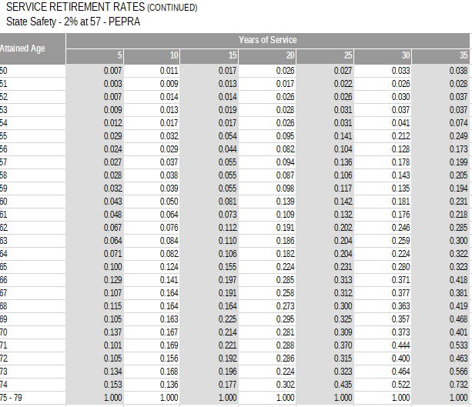
 | age | 5 | 10 | 15 | 20 | 25 | 30 | 35
 | 50 | 0.007 | 0.011 | 0.017 | 0.026 | 0.027 | 0.033 | 0.038
 | 51 | 0.003 | 0.009 | 0.013 | 0.017 | 0.022 | 0.026 | 0.028
 | 52 | 0.007 | 0.014 | 0.014 | 0.026 | 0.026 | 0.030 | 0.037
 | 53 | 0.009 | 0.013 | 0.019 | 0.028 | 0.031 | 0.037 | 0.037
 | 54 | 0.012 | 0.017 | 0.017 | 0.026 | 0.031 | 0.041 | 0.074
 | 55 | 0.029 | 0.032 | 0.054 | 0.095 | 0.141 | 0.212 | 0.249
 | 56 | 0.024 | 0.029 | 0.044 | 0.082 | 0.104 | 0.128 | 0.173
 | 57 | 0.027 | 0.037 | 0.055 | 0.094 | 0.136 | 0.178 | 0.199
 | 58 | 0.028 | 0.038 | 0.055 | 0.087 | 0.106 | 0.143 | 0.205
 | 59 | 0.032 | 0.039 | 0.055 | 0.098 | 0.117 | 0.135 | 0.194
 | 60 | 0.043 | 0.050 | 0.081 | 0.139 | 0.142 | 0.181 | 0.231
 | 61 | 0.048 | 0.064 | 0.073 | 0.109 | 0.132 | 0.176 | 0.218
 | 62 | 0.067 | 0.076 | 0.112 | 0.191 | 0.202 | 0.246 | 0.285
 | 63 | 0.064 | 0.084 | 0.110 | 0.186 | 0.204 | 0.259 | 0.300
 | 64 | 0.071 | 0.082 | 0.106 | 0.182 | 0.204 | 0.224 | 0.322
 | 65 | 0.100 | 0.124 | 0.155 | 0.224 | 0.231 | 0.280 | 0.323
 | 66 | 0.129 | 0.141 | 0.197 | 0.285 | 0.313 | 0.371 | 0.418
 | 67 | 0.107 | 0.164 | 0.191 | 0.258 | 0.312 | 0.377 | 0.381
 | 68 | 0.115 | 0.164 | 0.164 | 0.273 | 0.300 | 0.363 | 0.419
 | 69 | 0.105 | 0.163 | 0.225 | 0.295 | 0.325 | 0.357 | 0.468
 | 70 | 0.137 | 0.167 | 0.214 | 0.281 | 0.309 | 0.373 | 0.401
 | 71 | 0.101 | 0.169 | 0.221 | 0.288 | 0.370 | 0.444 | 0.533
 | 72 | 0.105 | 0.156 | 0.192 | 0.286 | 0.315 | 0.400 | 0.463
 | 73 | 0.134 | 0.168 | 0.196 | 0.224 | 0.323 | 0.464 | 0.566
 | 74 | 0.153 | 0.136 | 0.177 | 0.302 | 0.435 | 0.522 | 0.732
 | 75 | 1.000 | 1.000 | 1.000 | 1.000 | 1.000 | 1.000 | 1.000

servRet_poff_classic
TOC
cell_range | B6:I27
var_name | qxr
grp_name | poff_classic
 | Attained Age | Years of Service
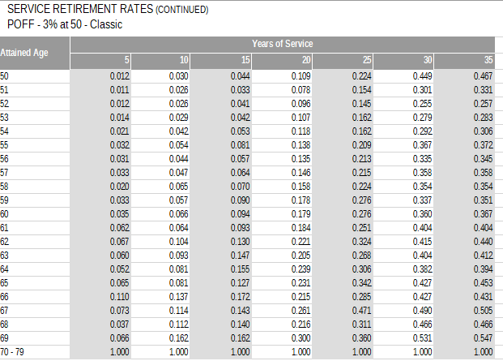
 | age | 5 | 10 | 15 | 20 | 25 | 30 | 35
 | 50 | 0.012 | 0.030 | 0.044 | 0.109 | 0.224 | 0.449 | 0.467
 | 51 | 0.011 | 0.026 | 0.033 | 0.078 | 0.154 | 0.301 | 0.331
 | 52 | 0.012 | 0.026 | 0.041 | 0.096 | 0.145 | 0.255 | 0.257
 | 53 | 0.014 | 0.029 | 0.042 | 0.107 | 0.162 | 0.279 | 0.283
 | 54 | 0.021 | 0.042 | 0.053 | 0.118 | 0.162 | 0.292 | 0.306
 | 55 | 0.032 | 0.054 | 0.081 | 0.138 | 0.209 | 0.367 | 0.372
 | 56 | 0.031 | 0.044 | 0.057 | 0.135 | 0.213 | 0.335 | 0.345
 | 57 | 0.033 | 0.047 | 0.064 | 0.146 | 0.215 | 0.358 | 0.358
 | 58 | 0.020 | 0.065 | 0.070 | 0.158 | 0.224 | 0.354 | 0.354
 | 59 | 0.033 | 0.057 | 0.090 | 0.178 | 0.276 | 0.337 | 0.351
 | 60 | 0.035 | 0.066 | 0.094 | 0.179 | 0.276 | 0.360 | 0.367
 | 61 | 0.062 | 0.064 | 0.093 | 0.184 | 0.251 | 0.404 | 0.404
 | 62 | 0.067 | 0.104 | 0.130 | 0.221 | 0.324 | 0.415 | 0.440
 | 63 | 0.060 | 0.093 | 0.147 | 0.205 | 0.268 | 0.404 | 0.412
 | 64 | 0.052 | 0.081 | 0.155 | 0.239 | 0.306 | 0.382 | 0.394
 | 65 | 0.065 | 0.081 | 0.127 | 0.231 | 0.342 | 0.427 | 0.453
 | 66 | 0.110 | 0.137 | 0.172 | 0.215 | 0.285 | 0.427 | 0.431
 | 67 | 0.073 | 0.114 | 0.143 | 0.261 | 0.471 | 0.490 | 0.505
 | 68 | 0.037 | 0.112 | 0.140 | 0.216 | 0.311 | 0.466 | 0.466
 | 69 | 0.066 | 0.162 | 0.162 | 0.300 | 0.360 | 0.531 | 0.547
 | 70 | 1.000 | 1.000 | 1.000 | 1.000 | 1.000 | 1.000 | 1.000

servRet_poff_pepra_1
TOC
cell_range | B6:I27
var_name | qxr
grp_name | poff_pepra_1
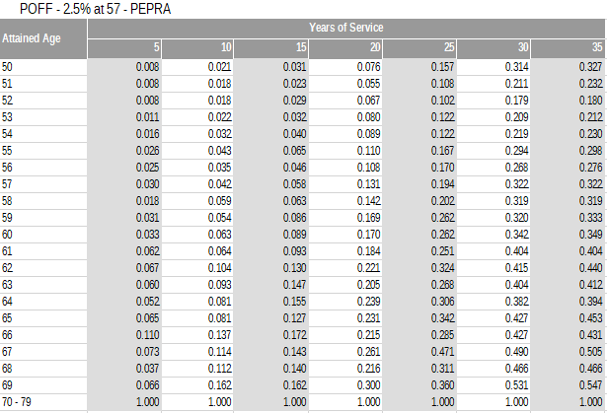
 | Attained Age | Years of Service
 | age | 5 | 10 | 15 | 20 | 25 | 30 | 35
 | 50 | 0.008 | 0.021 | 0.031 | 0.076 | 0.157 | 0.314 | 0.327
 | 51 | 0.008 | 0.018 | 0.023 | 0.055 | 0.108 | 0.211 | 0.232
 | 52 | 0.008 | 0.018 | 0.029 | 0.067 | 0.102 | 0.179 | 0.180
 | 53 | 0.011 | 0.022 | 0.032 | 0.080 | 0.122 | 0.209 | 0.212
 | 54 | 0.016 | 0.032 | 0.040 | 0.089 | 0.122 | 0.219 | 0.230
 | 55 | 0.026 | 0.043 | 0.065 | 0.110 | 0.167 | 0.294 | 0.298
 | 56 | 0.025 | 0.035 | 0.046 | 0.108 | 0.170 | 0.268 | 0.276
 | 57 | 0.030 | 0.042 | 0.058 | 0.131 | 0.194 | 0.322 | 0.322
 | 58 | 0.018 | 0.059 | 0.063 | 0.142 | 0.202 | 0.319 | 0.319
 | 59 | 0.031 | 0.054 | 0.086 | 0.169 | 0.262 | 0.320 | 0.333
 | 60 | 0.033 | 0.063 | 0.089 | 0.170 | 0.262 | 0.342 | 0.349
 | 61 | 0.062 | 0.064 | 0.093 | 0.184 | 0.251 | 0.404 | 0.404
 | 62 | 0.067 | 0.104 | 0.130 | 0.221 | 0.324 | 0.415 | 0.440
 | 63 | 0.060 | 0.093 | 0.147 | 0.205 | 0.268 | 0.404 | 0.412
 | 64 | 0.052 | 0.081 | 0.155 | 0.239 | 0.306 | 0.382 | 0.394
 | 65 | 0.065 | 0.081 | 0.127 | 0.231 | 0.342 | 0.427 | 0.453
 | 66 | 0.110 | 0.137 | 0.172 | 0.215 | 0.285 | 0.427 | 0.431
 | 67 | 0.073 | 0.114 | 0.143 | 0.261 | 0.471 | 0.490 | 0.505
 | 68 | 0.037 | 0.112 | 0.140 | 0.216 | 0.311 | 0.466 | 0.466
 | 69 | 0.066 | 0.162 | 0.162 | 0.300 | 0.360 | 0.531 | 0.547
 | 70 | 1.000 | 1.000 | 1.000 | 1.000 | 1.000 | 1.000 | 1.000

servRet_poff_pepra_2
TOC
cell_range | B6:I27
var_name | qxr
grp_name | poff_pepra_2
 | Attained Age | Years of Service
 | age | 5 | 10 | 15 | 20 | 25 | 30 | 35
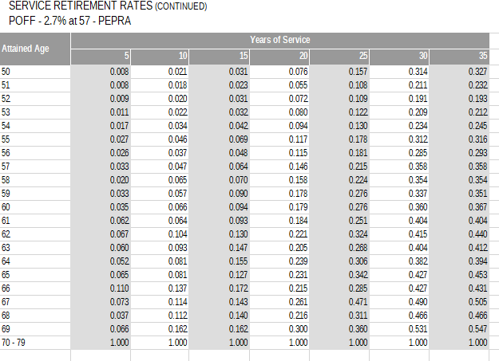
 | 50 | 0.008 | 0.021 | 0.031 | 0.076 | 0.157 | 0.314 | 0.327
 | 51 | 0.008 | 0.018 | 0.023 | 0.055 | 0.108 | 0.211 | 0.232
 | 52 | 0.009 | 0.020 | 0.031 | 0.072 | 0.109 | 0.191 | 0.193
 | 53 | 0.011 | 0.022 | 0.032 | 0.080 | 0.122 | 0.209 | 0.212
 | 54 | 0.017 | 0.034 | 0.042 | 0.094 | 0.130 | 0.234 | 0.245
 | 55 | 0.027 | 0.046 | 0.069 | 0.117 | 0.178 | 0.312 | 0.316
 | 56 | 0.026 | 0.037 | 0.048 | 0.115 | 0.181 | 0.285 | 0.293
 | 57 | 0.033 | 0.047 | 0.064 | 0.146 | 0.215 | 0.358 | 0.358
 | 58 | 0.020 | 0.065 | 0.070 | 0.158 | 0.224 | 0.354 | 0.354
 | 59 | 0.033 | 0.057 | 0.090 | 0.178 | 0.276 | 0.337 | 0.351
 | 60 | 0.035 | 0.066 | 0.094 | 0.179 | 0.276 | 0.360 | 0.367
 | 61 | 0.062 | 0.064 | 0.093 | 0.184 | 0.251 | 0.404 | 0.404
 | 62 | 0.067 | 0.104 | 0.130 | 0.221 | 0.324 | 0.415 | 0.440
 | 63 | 0.060 | 0.093 | 0.147 | 0.205 | 0.268 | 0.404 | 0.412
 | 64 | 0.052 | 0.081 | 0.155 | 0.239 | 0.306 | 0.382 | 0.394
 | 65 | 0.065 | 0.081 | 0.127 | 0.231 | 0.342 | 0.427 | 0.453
 | 66 | 0.110 | 0.137 | 0.172 | 0.215 | 0.285 | 0.427 | 0.431
 | 67 | 0.073 | 0.114 | 0.143 | 0.261 | 0.471 | 0.490 | 0.505
 | 68 | 0.037 | 0.112 | 0.140 | 0.216 | 0.311 | 0.466 | 0.466
 | 69 | 0.066 | 0.162 | 0.162 | 0.300 | 0.360 | 0.531 | 0.547
 | 70 | 1.000 | 1.000 | 1.000 | 1.000 | 1.000 | 1.000 | 1.000

servRet_chp_classic
TOC
cell_range | B6:I17
var_name | qxr
grp_name | chp_classic
 | Attained Age | Years of Service
 | age | 5 | 10 | 15 | 20 | 25 | 30 | 35
 | 50 | 0.038 | 0.038 | 0.038 | 0.049 | 0.107 | 0.418 | 0.453
 | 51 | 0.031 | 0.031 | 0.031 | 0.031 | 0.102 | 0.332 | 0.332
 | 52 | 0.027 | 0.027 | 0.027 | 0.027 | 0.093 | 0.315 | 0.383
 | 53 | 0.028 | 0.028 | 0.028 | 0.028 | 0.085 | 0.299 | 0.336
 | 54 | 0.038 | 0.038 | 0.038 | 0.038 | 0.124 | 0.309 | 0.404
 | 55 | 0.050 | 0.050 | 0.050 | 0.050 | 0.117 | 0.353 | 0.459
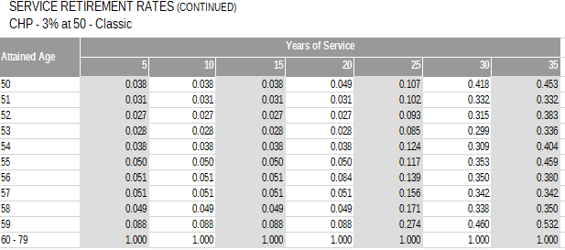
 | 56 | 0.051 | 0.051 | 0.051 | 0.084 | 0.139 | 0.350 | 0.380
 | 57 | 0.051 | 0.051 | 0.051 | 0.051 | 0.156 | 0.342 | 0.342
 | 58 | 0.049 | 0.049 | 0.049 | 0.049 | 0.171 | 0.338 | 0.350
 | 59 | 0.088 | 0.088 | 0.088 | 0.088 | 0.274 | 0.460 | 0.532
 | 60 | 1.000 | 1.000 | 1.000 | 1.000 | 1.000 | 1.000 | 1.000

servRet_chp_pepra
TOC
cell_range | B6:I17
var_name | qxr
grp_name | chp_pepra
 | Attained Age | Years of Service
 | age | 5 | 10 | 15 | 20 | 25 | 30 | 35
 | 50 | 0.027 | 0.027 | 0.027 | 0.034 | 0.075 | 0.293 | 0.317
 | 51 | 0.022 | 0.022 | 0.022 | 0.022 | 0.071 | 0.232 | 0.232
 | 52 | 0.020 | 0.020 | 0.020 | 0.020 | 0.070 | 0.236 | 0.287
 | 53 | 0.021 | 0.021 | 0.021 | 0.021 | 0.064 | 0.224 | 0.252
 | 54 | 0.030 | 0.030 | 0.030 | 0.030 | 0.099 | 0.247 | 0.323
 | 55 | 0.043 | 0.043 | 0.043 | 0.043 | 0.099 | 0.300 | 0.390
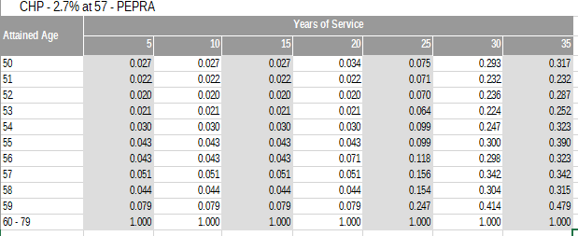
 | 56 | 0.043 | 0.043 | 0.043 | 0.071 | 0.118 | 0.298 | 0.323
 | 57 | 0.051 | 0.051 | 0.051 | 0.051 | 0.156 | 0.342 | 0.342
 | 58 | 0.044 | 0.044 | 0.044 | 0.044 | 0.154 | 0.304 | 0.315
 | 59 | 0.079 | 0.079 | 0.079 | 0.079 | 0.247 | 0.414 | 0.479
 | 60 | 1.000 | 1.000 | 1.000 | 1.000 | 1.000 | 1.000 | 1.000

disbRet_nonInds
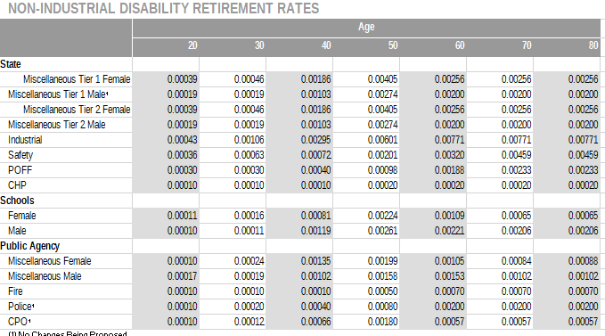
TOC
cell_range | C7:J15
var_name | qxd.nonocc
grp_name | mixed
 |  |  |  |  |  | Age
 |  |  | 20 | 30 | 40 | 50 | 60 | 70 | 80
 | State | grp | 20 | 30 | 40 | 50 | 60 | 70 | 80
 | Miscellaneous Tier 1 Female | misc_t1_female | 0.00039 | 0.00046 | 0.00186 | 0.00405 | 0.00256 | 0.00256 | 0.00256
 | Miscellaneous Tier 1 Male1 | misc_t1_male | 0.00019 | 0.00019 | 0.00103 | 0.00274 | 0.00200 | 0.00200 | 0.00200
 | Miscellaneous Tier 2 Female | misc_t2_female | 0.00039 | 0.00046 | 0.00186 | 0.00405 | 0.00256 | 0.00256 | 0.00256
 | Miscellaneous Tier 2 Male | misc_t2_male | 0.00019 | 0.00019 | 0.00103 | 0.00274 | 0.00200 | 0.00200 | 0.00200
 | Industrial | inds | 0.00043 | 0.00106 | 0.00295 | 0.00601 | 0.00771 | 0.00771 | 0.00771
 | Safety | sfty | 0.00036 | 0.00063 | 0.00072 | 0.00201 | 0.00320 | 0.00459 | 0.00459
 | POFF | poff | 0.00030 | 0.00030 | 0.00040 | 0.00098 | 0.00188 | 0.00233 | 0.00233
 | CHP | chp | 0.00010 | 0.00010 | 0.00010 | 0.00020 | 0.00020 | 0.00020 | 0.00020

defrRet_refund_misc_t1
TOC
cell_range | C6:F17
var_name | qxt_refund
grp_name | misc_t1
 | Service |  | Entry Age
 |  | yos | 20 | 30 | 40
 |  | 0 | 0.1657 | 0.1512 | 0.1292
 |  | 5 | 0.0272 | 0.0223 | 0.0160
 |  | 10 | 0.0048 | 0.0043 | 0.0027
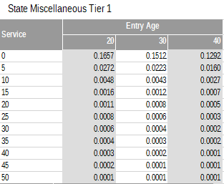
 |  | 15 | 0.0016 | 0.0012 | 0.0007
 |  | 20 | 0.0011 | 0.0008 | 0.0005
 |  | 25 | 0.0008 | 0.0006 | 0.0003
 |  | 30 | 0.0006 | 0.0004 | 0.0002
 |  | 35 | 0.0004 | 0.0003 | 0.0002
 |  | 40 | 0.0003 | 0.0002 | 0.0001
 |  | 45 | 0.0002 | 0.0001 | 0.0001
 |  | 50 | 0.0001 | 0.0001 | 0.0001

defrRet_refund_misc_t2
TOC
cell_range | C6:F17
var_name | qxt_refund
grp_name | misc_t2
 |  | Service | Entry Age
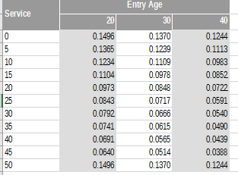
 |  | yos | 20 | 30 | 40
 |  | 0 | 0.1496 | 0.1370 | 0.1244
 |  | 5 | 0.1365 | 0.1239 | 0.1113
 |  | 10 | 0.1234 | 0.1109 | 0.0983
 |  | 15 | 0.1104 | 0.0978 | 0.0852
 |  | 20 | 0.0973 | 0.0848 | 0.0722
 |  | 25 | 0.0843 | 0.0717 | 0.0591
 |  | 30 | 0.0792 | 0.0666 | 0.0540
 |  | 35 | 0.0741 | 0.0615 | 0.0490
 |  | 40 | 0.0691 | 0.0565 | 0.0439
 |  | 45 | 0.0640 | 0.0514 | 0.0388
 |  | 50 | 0.1496 | 0.1370 | 0.1244

defrRet_refund_other
TOC
cell_range | C6:G17
var_name | qxt_refund
grp_name | mixed
 |  | Service | Industrial | Safety | POFF | CHP
 |  | yos | inds | sfty | poff | chp
 |  | 0 | 0.0912 | 0.1408 | 0.1217 | 0.1050
 |  | 5 | 0.0190 | 0.0155 | 0.0056 | 0.0029
 |  | 10 | 0.0029 | 0.0033 | 0.0039 | 0.0005
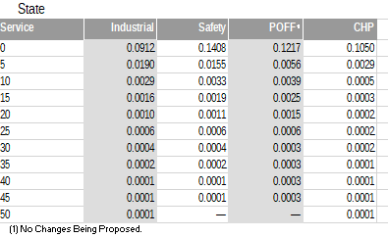
 |  | 15 | 0.0016 | 0.0019 | 0.0025 | 0.0003
 |  | 20 | 0.0010 | 0.0011 | 0.0015 | 0.0002
 |  | 25 | 0.0006 | 0.0006 | 0.0006 | 0.0002
 |  | 30 | 0.0004 | 0.0004 | 0.0003 | 0.0002
 |  | 35 | 0.0002 | 0.0002 | 0.0003 | 0.0001
 |  | 40 | 0.0001 | 0.0001 | 0.0003 | 0.0001
 |  | 45 | 0.0001 | 0.0001 | 0.0003 | 0.0001
 |  | 50 | 0.0001 | — | — | 0.0001

