actives_misc_t1
TOC
cell_range | D7:L28
grp_name | misc_t1
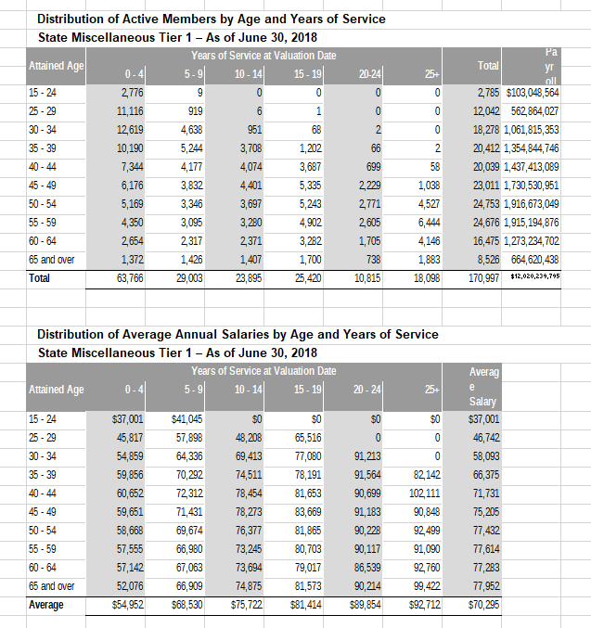
AV_date | 20180630

 |  | Age |  |  |  | 0 - 4 | 5 - 9 | 10 - 14 | 15 - 19 | 20-24 | 25+
 |  |  | type | age.cell | agegrp | 2 | 7 | 12 | 17 | 22 | 27
 |  |  | yosgrp |  |  | 0-4 | 5-9 | 10-14 | 15-19 | 20-24 | 25-29
 |  | 15 - 24 | nactives | 22 | 20-24 | 2776 | 9 | 0 | 0 | 0 | 0
 |  | 25 - 29 | nactives | 27 | 25-29 | 11116 | 919 | 6 | 1 | 0 | 0
 |  | 30 - 34 | nactives | 32 | 30-34 | 12619 | 4638 | 951 | 68 | 2 | 0
 |  | 35 - 39 | nactives | 37 | 35-39 | 10190 | 5244 | 3708 | 1202 | 66 | 2
 |  | 40 - 44 | nactives | 42 | 40-44 | 7344 | 4177 | 4074 | 3687 | 699 | 58
 |  | 45 - 49 | nactives | 47 | 45-49 | 6176 | 3832 | 4401 | 5335 | 2229 | 1038
 |  | 50 - 54 | nactives | 52 | 50-54 | 5169 | 3346 | 3697 | 5243 | 2771 | 4527
 |  | 55 - 59 | nactives | 57 | 55-59 | 4350 | 3095 | 3280 | 4902 | 2605 | 6444
 |  | 60 - 64 | nactives | 62 | 60-64 | 2654 | 2317 | 2371 | 3282 | 1705 | 4146
 |  | 65 and over | nactives | 67 | 65-69 | 1372 | 1426 | 1407 | 1700 | 738 | 1883
 |  | 15 - 24 | salary | 22 | 20-24 | 37001 | 41045 | 0 | 0 | 0 | 0
 |  | 25 - 29 | salary | 27 | 25-29 | 45817 | 57898 | 48208 | 65516 | 0 | 0
 |  | 30 - 34 | salary | 32 | 30-34 | 54859 | 64336 | 69413 | 77080 | 91213 | 0
 |  | 35 - 39 | salary | 37 | 35-39 | 59856 | 70292 | 74511 | 78191 | 91564 | 82142
 |  | 40 - 44 | salary | 42 | 40-44 | 60652 | 72312 | 78454 | 81653 | 90699 | 102111
 |  | 45 - 49 | salary | 47 | 45-49 | 59651 | 71431 | 78273 | 83669 | 91183 | 90848
 |  | 50 - 54 | salary | 52 | 50-54 | 58668 | 69674 | 76377 | 81865 | 90228 | 92499
 |  | 55 - 59 | salary | 57 | 55-59 | 57555 | 66980 | 73245 | 80703 | 90117 | 91090
 |  | 60 - 64 | salary | 62 | 60-64 | 57142 | 67063 | 73694 | 79017 | 86539 | 92760
 |  | 65 and over | salary | 67 | 65-69 | 52076 | 66909 | 74875 | 81573 | 90214 | 99422

actives_misc_t2
TOC
cell_range | D7:L28
grp_name | misc_t2
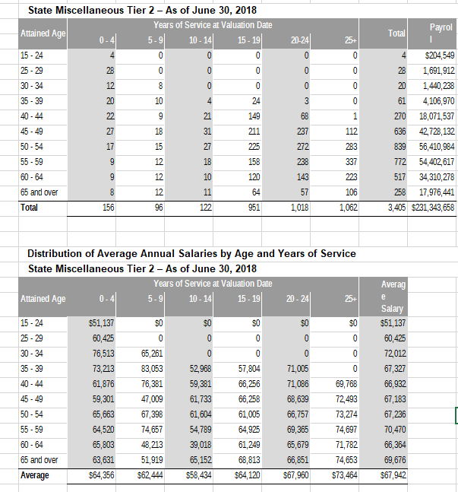
AV_date | 20180630

 |  | Age |  |  |  | 0 - 4 | 5 - 9 | 10 - 14 | 15 - 19 | 20-24 | 25+
 |  |  | type | age.cell | agegrp | 2 | 7 | 12 | 17 | 22 | 27
 |  |  | yosgrp |  |  | 0-4 | 5-9 | 10-14 | 15-19 | 20-24 | 25-29
 |  | 15 - 24 | nactives | 22 | 20-24 | 4 | 0 | 0 | 0 | 0 | 0
 |  | 25 - 29 | nactives | 27 | 25-29 | 28 | 0 | 0 | 0 | 0 | 0
 |  | 30 - 34 | nactives | 32 | 30-34 | 12 | 8 | 0 | 0 | 0 | 0
 |  | 35 - 39 | nactives | 37 | 35-39 | 20 | 10 | 4 | 24 | 3 | 0
 |  | 40 - 44 | nactives | 42 | 40-44 | 22 | 9 | 21 | 149 | 68 | 1
 |  | 45 - 49 | nactives | 47 | 45-49 | 27 | 18 | 31 | 211 | 237 | 112
 |  | 50 - 54 | nactives | 52 | 50-54 | 17 | 15 | 27 | 225 | 272 | 283
 |  | 55 - 59 | nactives | 57 | 55-59 | 9 | 12 | 18 | 158 | 238 | 337
 |  | 60 - 64 | nactives | 62 | 60-64 | 9 | 12 | 10 | 120 | 143 | 223
 |  | 65 and over | nactives | 67 | 65-69 | 8 | 12 | 11 | 64 | 57 | 106
 |  | 15 - 24 | salary | 22 | 20-24 | 51137 | 0 | 0 | 0 | 0 | 0
 |  | 25 - 29 | salary | 27 | 25-29 | 60425 | 0 | 0 | 0 | 0 | 0
 |  | 30 - 34 | salary | 32 | 30-34 | 76513 | 65261 | 0 | 0 | 0 | 0
 |  | 35 - 39 | salary | 37 | 35-39 | 73213 | 83053 | 52968 | 57804 | 71005 | 0
 |  | 40 - 44 | salary | 42 | 40-44 | 61876 | 76381 | 59381 | 66256 | 71086 | 69768
 |  | 45 - 49 | salary | 47 | 45-49 | 59301 | 47009 | 61733 | 66258 | 68639 | 72493
 |  | 50 - 54 | salary | 52 | 50-54 | 65663 | 67398 | 61604 | 61005 | 66757 | 73274
 |  | 55 - 59 | salary | 57 | 55-59 | 64520 | 74657 | 54789 | 64925 | 69365 | 74697
 |  | 60 - 64 | salary | 62 | 60-64 | 65803 | 48213 | 39018 | 61249 | 65679 | 71782
 |  | 65 and over | salary | 67 | 65-69 | 63631 | 51919 | 65152 | 68813 | 66851 | 74653

actives_inds
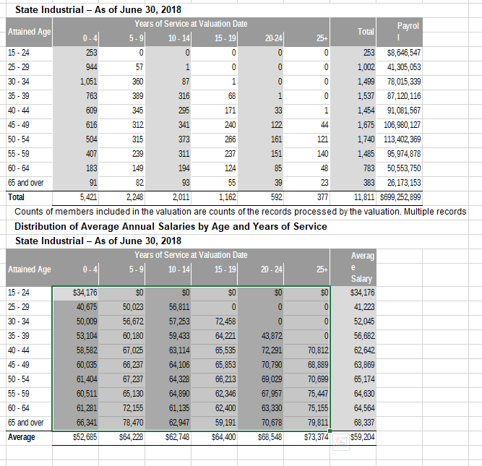
TOC
cell_range | D7:L28
grp_name | inds
AV_date | 20180630

 |  | Age |  |  |  | 0 - 4 | 5 - 9 | 10 - 14 | 15 - 19 | 20-24 | 25+
 |  |  | type | age.cell | agegrp | 2 | 7 | 12 | 17 | 22 | 27
 |  |  | yosgrp |  |  | 0-4 | 5-9 | 10-14 | 15-19 | 20-24 | 25-29
 |  | 15 - 24 | nactives | 22 | 20-24 | 253 | 0 | 0 | 0 | 0 | 0
 |  | 25 - 29 | nactives | 27 | 25-29 | 944 | 57 | 1 | 0 | 0 | 0
 |  | 30 - 34 | nactives | 32 | 30-34 | 1051 | 360 | 87 | 1 | 0 | 0
 |  | 35 - 39 | nactives | 37 | 35-39 | 763 | 389 | 316 | 68 | 1 | 0
 |  | 40 - 44 | nactives | 42 | 40-44 | 609 | 345 | 295 | 171 | 33 | 1
 |  | 45 - 49 | nactives | 47 | 45-49 | 616 | 312 | 341 | 240 | 122 | 44
 |  | 50 - 54 | nactives | 52 | 50-54 | 504 | 315 | 373 | 266 | 161 | 121
 |  | 55 - 59 | nactives | 57 | 55-59 | 407 | 239 | 311 | 237 | 151 | 140
 |  | 60 - 64 | nactives | 62 | 60-64 | 183 | 149 | 194 | 124 | 85 | 48
 |  | 65 and over | nactives | 67 | 65-69 | 91 | 82 | 93 | 55 | 39 | 23
 |  | 15 - 24 | salary | 22 | 20-24 | 34176 | 0 | 0 | 0 | 0 | 0
 |  | 25 - 29 | salary | 27 | 25-29 | 40675 | 50023 | 56811 | 0 | 0 | 0
 |  | 30 - 34 | salary | 32 | 30-34 | 50009 | 56672 | 57253 | 72458 | 0 | 0
 |  | 35 - 39 | salary | 37 | 35-39 | 53104 | 60180 | 59433 | 64221 | 43872 | 0
 |  | 40 - 44 | salary | 42 | 40-44 | 58582 | 67025 | 63114 | 65535 | 72291 | 70812
 |  | 45 - 49 | salary | 47 | 45-49 | 60035 | 66237 | 64106 | 65853 | 70790 | 68889
 |  | 50 - 54 | salary | 52 | 50-54 | 61404 | 67237 | 64328 | 66213 | 69029 | 70699
 |  | 55 - 59 | salary | 57 | 55-59 | 60511 | 65130 | 64890 | 62346 | 67957 | 75447
 |  | 60 - 64 | salary | 62 | 60-64 | 61281 | 72155 | 61135 | 62400 | 63330 | 75155
 |  | 65 and over | salary | 67 | 65-69 | 66341 | 78470 | 62947 | 59191 | 70678 | 79811

actives_sfty
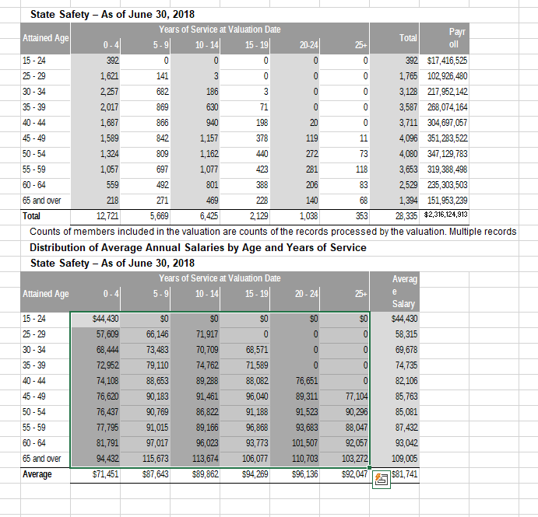
TOC
cell_range | D7:L28
grp_name | sfty
AV_date | 20180630

 |  | Age |  |  |  | 0 - 4 | 5 - 9 | 10 - 14 | 15 - 19 | 20-24 | 25+
 |  |  | type | age.cell | agegrp | 2 | 7 | 12 | 17 | 22 | 27
 |  |  | yosgrp |  |  | 0-4 | 5-9 | 10-14 | 15-19 | 20-24 | 25-29
 |  | 15 - 24 | nactives | 22 | 20-24 | 392 | 0 | 0 | 0 | 0 | 0
 |  | 25 - 29 | nactives | 27 | 25-29 | 1621 | 141 | 3 | 0 | 0 | 0
 |  | 30 - 34 | nactives | 32 | 30-34 | 2257 | 682 | 186 | 3 | 0 | 0
 |  | 35 - 39 | nactives | 37 | 35-39 | 2017 | 869 | 630 | 71 | 0 | 0
 |  | 40 - 44 | nactives | 42 | 40-44 | 1687 | 866 | 940 | 198 | 20 | 0
 |  | 45 - 49 | nactives | 47 | 45-49 | 1589 | 842 | 1157 | 378 | 119 | 11
 |  | 50 - 54 | nactives | 52 | 50-54 | 1324 | 809 | 1162 | 440 | 272 | 73
 |  | 55 - 59 | nactives | 57 | 55-59 | 1057 | 697 | 1077 | 423 | 281 | 118
 |  | 60 - 64 | nactives | 62 | 60-64 | 559 | 492 | 801 | 388 | 206 | 83
 |  | 65 and over | nactives | 67 | 65-69 | 218 | 271 | 469 | 228 | 140 | 68
 |  | 15 - 24 | salary | 22 | 20-24 | 44430 | 0 | 0 | 0 | 0 | 0
 |  | 25 - 29 | salary | 27 | 25-29 | 57609 | 66146 | 71917 | 0 | 0 | 0
 |  | 30 - 34 | salary | 32 | 30-34 | 68444 | 73483 | 70709 | 68571 | 0 | 0
 |  | 35 - 39 | salary | 37 | 35-39 | 72952 | 79110 | 74762 | 71589 | 0 | 0
 |  | 40 - 44 | salary | 42 | 40-44 | 74108 | 88653 | 89288 | 88082 | 76651 | 0
 |  | 45 - 49 | salary | 47 | 45-49 | 76620 | 90183 | 91461 | 96040 | 89311 | 77104
 |  | 50 - 54 | salary | 52 | 50-54 | 76437 | 90769 | 86822 | 91188 | 91523 | 90296
 |  | 55 - 59 | salary | 57 | 55-59 | 77795 | 91015 | 89166 | 96868 | 93683 | 88047
 |  | 60 - 64 | salary | 62 | 60-64 | 81791 | 97017 | 96023 | 93773 | 101507 | 92057
 |  | 65 and over | salary | 67 | 65-69 | 94432 | 115673 | 113674 | 106077 | 110703 | 103272

actives_poff
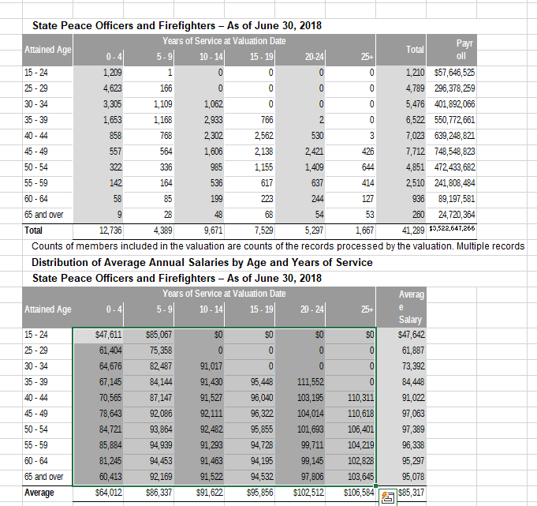
TOC
cell_range | D7:L28
grp_name | poff
AV_date | 20180630

 |  | Age |  |  |  | 0 - 4 | 5 - 9 | 10 - 14 | 15 - 19 | 20-24 | 25+
 |  |  | type | age.cell | agegrp | 2 | 7 | 12 | 17 | 22 | 27
 |  |  | yosgrp |  |  | 0-4 | 5-9 | 10-14 | 15-19 | 20-24 | 25-29
 |  | 15 - 24 | nactives | 22 | 20-24 | 1209 | 1 | 0 | 0 | 0 | 0
 |  | 25 - 29 | nactives | 27 | 25-29 | 4623 | 166 | 0 | 0 | 0 | 0
 |  | 30 - 34 | nactives | 32 | 30-34 | 3305 | 1109 | 1062 | 0 | 0 | 0
 |  | 35 - 39 | nactives | 37 | 35-39 | 1653 | 1168 | 2933 | 766 | 2 | 0
 |  | 40 - 44 | nactives | 42 | 40-44 | 858 | 768 | 2302 | 2562 | 530 | 3
 |  | 45 - 49 | nactives | 47 | 45-49 | 557 | 564 | 1606 | 2138 | 2421 | 426
 |  | 50 - 54 | nactives | 52 | 50-54 | 322 | 336 | 985 | 1155 | 1409 | 644
 |  | 55 - 59 | nactives | 57 | 55-59 | 142 | 164 | 536 | 617 | 637 | 414
 |  | 60 - 64 | nactives | 62 | 60-64 | 58 | 85 | 199 | 223 | 244 | 127
 |  | 65 and over | nactives | 67 | 65-69 | 9 | 28 | 48 | 68 | 54 | 53
 |  | 15 - 24 | salary | 22 | 20-24 | 47611 | 85067 | 0 | 0 | 0 | 0
 |  | 25 - 29 | salary | 27 | 25-29 | 61404 | 75358 | 0 | 0 | 0 | 0
 |  | 30 - 34 | salary | 32 | 30-34 | 64676 | 82487 | 91017 | 0 | 0 | 0
 |  | 35 - 39 | salary | 37 | 35-39 | 67145 | 84144 | 91430 | 95448 | 111552 | 0
 |  | 40 - 44 | salary | 42 | 40-44 | 70565 | 87147 | 91527 | 96040 | 103195 | 110311
 |  | 45 - 49 | salary | 47 | 45-49 | 78643 | 92086 | 92111 | 96322 | 104014 | 110618
 |  | 50 - 54 | salary | 52 | 50-54 | 84721 | 93864 | 92482 | 95855 | 101693 | 106401
 |  | 55 - 59 | salary | 57 | 55-59 | 85884 | 94939 | 91293 | 94728 | 99711 | 104219
 |  | 60 - 64 | salary | 62 | 60-64 | 81245 | 94453 | 91463 | 94195 | 99145 | 102828
 |  | 65 and over | salary | 67 | 65-69 | 60413 | 92169 | 91522 | 94532 | 97806 | 103645

actives_chp
TOC
cell_range | D7:L28
grp_name | chp
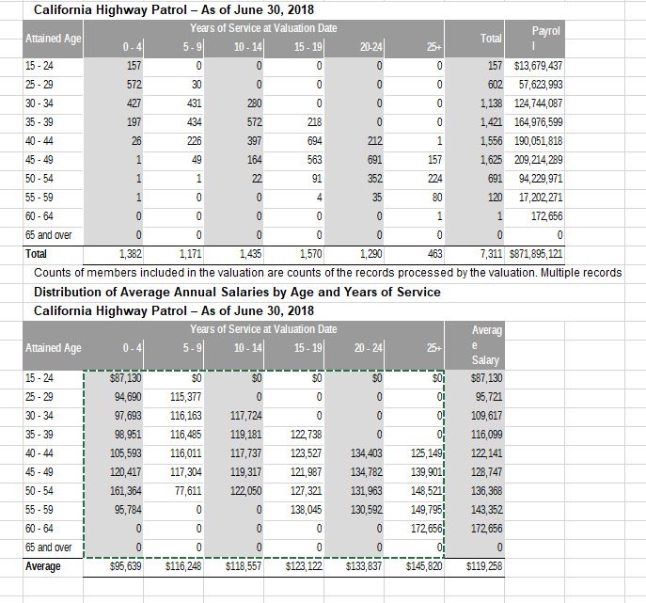
AV_date | 20180630

 |  | Age |  |  |  | 0 - 4 | 5 - 9 | 10 - 14 | 15 - 19 | 20-24 | 25+
 |  |  | type | age.cell | agegrp | 2 | 7 | 12 | 17 | 22 | 27
 |  |  | yosgrp |  |  | 0-4 | 5-9 | 10-14 | 15-19 | 20-24 | 25-29
 |  | 15 - 24 | nactives | 22 | 20-24 | 157 | 0 | 0 | 0 | 0 | 0
 |  | 25 - 29 | nactives | 27 | 25-29 | 572 | 30 | 0 | 0 | 0 | 0
 |  | 30 - 34 | nactives | 32 | 30-34 | 427 | 431 | 280 | 0 | 0 | 0
 |  | 35 - 39 | nactives | 37 | 35-39 | 197 | 434 | 572 | 218 | 0 | 0
 |  | 40 - 44 | nactives | 42 | 40-44 | 26 | 226 | 397 | 694 | 212 | 1
 |  | 45 - 49 | nactives | 47 | 45-49 | 1 | 49 | 164 | 563 | 691 | 157
 |  | 50 - 54 | nactives | 52 | 50-54 | 1 | 1 | 22 | 91 | 352 | 224
 |  | 55 - 59 | nactives | 57 | 55-59 | 1 | 0 | 0 | 4 | 35 | 80
 |  | 60 - 64 | nactives | 62 | 60-64 | 0 | 0 | 0 | 0 | 0 | 1
 |  | 65 and over | nactives | 67 | 65-69 | 0 | 0 | 0 | 0 | 0 | 0
 |  | 15 - 24 | salary | 22 | 20-24 | 87130 | 0 | 0 | 0 | 0 | 0
 |  | 25 - 29 | salary | 27 | 25-29 | 94690 | 115377 | 0 | 0 | 0 | 0
 |  | 30 - 34 | salary | 32 | 30-34 | 97693 | 116163 | 117724 | 0 | 0 | 0
 |  | 35 - 39 | salary | 37 | 35-39 | 98951 | 116485 | 119181 | 122738 | 0 | 0
 |  | 40 - 44 | salary | 42 | 40-44 | 105593 | 116011 | 117737 | 123527 | 134403 | 125149
 |  | 45 - 49 | salary | 47 | 45-49 | 120417 | 117304 | 119317 | 121987 | 134782 | 139901
 |  | 50 - 54 | salary | 52 | 50-54 | 161364 | 77611 | 122050 | 127321 | 131963 | 148521
 |  | 55 - 59 | salary | 57 | 55-59 | 95784 | 0 | 0 | 138045 | 130592 | 149795
 |  | 60 - 64 | salary | 62 | 60-64 | 0 | 0 | 0 | 0 | 0 | 172656
 |  | 65 and over | salary | 67 | 65-69 | 0 | 0 | 0 | 0 | 0 | 0

retirees_misc_t1
TOC
cell_range | D6:L32
grp_name | misc_t1
AV_date | 20180630
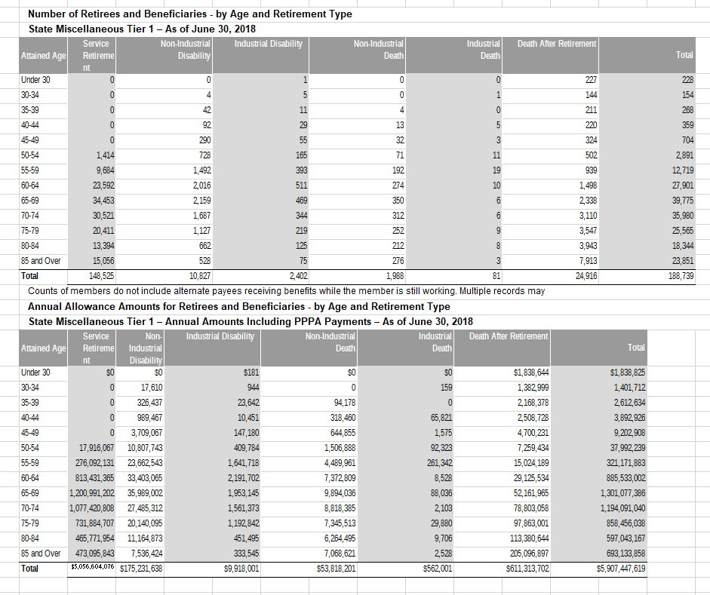
 |  | Attained Age | type | age.cell | agegrp | servRet | disbRet_nonocc | disbRet_occ | death_nonocc | death_occ | beneficiaries
 |  | Under 30 | n | 27 | 25-29 | 0 | 0 | 1 | 0 | 0 | 227
 |  | 30-34 | n | 32 | 30-34 | 0 | 4 | 5 | 0 | 1 | 144
 |  | 35-39 | n | 37 | 35-39 | 0 | 42 | 11 | 4 | 0 | 211
 |  | 40-44 | n | 42 | 40-44 | 0 | 92 | 29 | 13 | 5 | 220
 |  | 45-49 | n | 47 | 45-49 | 0 | 290 | 55 | 32 | 3 | 324
 |  | 50-54 | n | 52 | 50-54 | 1,414 | 728 | 165 | 71 | 11 | 502
 |  | 55-59 | n | 57 | 55-59 | 9,684 | 1,492 | 393 | 192 | 19 | 939
 |  | 60-64 | n | 62 | 60-64 | 23,592 | 2,016 | 511 | 274 | 10 | 1,498
 |  | 65-69 | n | 67 | 65-69 | 34,453 | 2,159 | 469 | 350 | 6 | 2,338
 |  | 70-74 | n | 72 | 70-74 | 30,521 | 1,687 | 344 | 312 | 6 | 3,110
 |  | 75-79 | n | 77 | 75-79 | 20,411 | 1,127 | 219 | 252 | 9 | 3,547
 |  | 80-84 | n | 82 | 80-84 | 13,394 | 662 | 125 | 212 | 8 | 3,943
 |  | 85 and Over | n | 87 | 85-89 | 15,056 | 528 | 75 | 276 | 3 | 7,913
 |  | Under 30 | benefit_tot | 27 | 25-29 | $0 | $0 | $181 | $0 | $0 | $1,838,644
 |  | 30-34 | benefit_tot | 32 | 30-34 | 0 | 17,610 | 944 | 0 | 159 | 1,382,999
 |  | 35-39 | benefit_tot | 37 | 35-39 | 0 | 326,437 | 23,642 | 94,178 | 0 | 2,168,378
 |  | 40-44 | benefit_tot | 42 | 40-44 | 0 | 989,467 | 10,451 | 318,460 | 65,821 | 2,508,728
 |  | 45-49 | benefit_tot | 47 | 45-49 | 0 | 3,709,067 | 147,180 | 644,855 | 1,575 | 4,700,231
 |  | 50-54 | benefit_tot | 52 | 50-54 | 17,916,067 | 10,807,743 | 409,784 | 1,506,888 | 92,323 | 7,259,434
 |  | 55-59 | benefit_tot | 57 | 55-59 | 276,092,131 | 23,662,543 | 1,641,718 | 4,489,961 | 261,342 | 15,024,189
 |  | 60-64 | benefit_tot | 62 | 60-64 | 813,431,365 | 33,403,065 | 2,191,702 | 7,372,809 | 8,528 | 29,125,534
 |  | 65-69 | benefit_tot | 67 | 65-69 | 1,200,991,202 | 35,989,002 | 1,953,145 | 9,894,036 | 88,036 | 52,161,965
 |  | 70-74 | benefit_tot | 72 | 70-74 | 1,077,420,808 | 27,485,312 | 1,561,373 | 8,818,385 | 2,103 | 78,803,058
 |  | 75-79 | benefit_tot | 77 | 75-79 | 731,884,707 | 20,140,095 | 1,192,842 | 7,345,513 | 29,880 | 97,863,001
 |  | 80-84 | benefit_tot | 82 | 80-84 | 465,771,954 | 11,164,873 | 451,495 | 6,264,495 | 9,706 | 113,380,644
 |  | 85 and Over | benefit_tot | 87 | 85-89 | 473,095,843 | 7,536,424 | 333,545 | 7,068,621 | 2,528 | 205,096,897

retirees_misc_t2
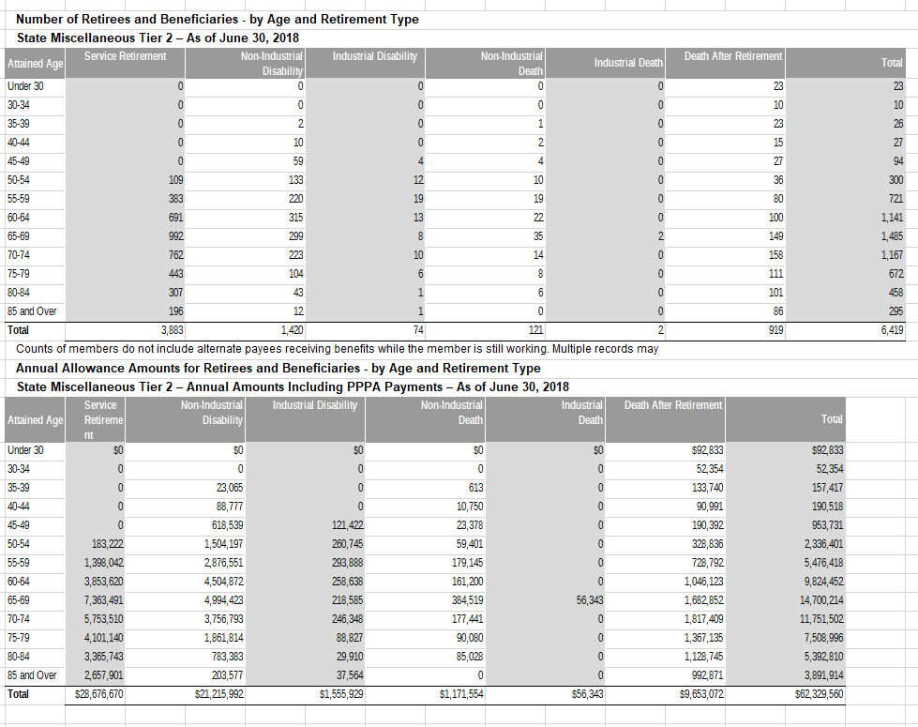
TOC
cell_range | D6:L32
grp_name | misc_t2
AV_date | 20180630

 |  | Attained Age | type | age.cell | agegrp | servRet | disbRet_nonocc | disbRet_occ | death_nonocc | death_occ | beneficiaries
 |  | Under 30 | n | 27 | 25-29 | 0 | 0 | 0 | 0 | 0 | 23
 |  | 30-34 | n | 32 | 30-34 | 0 | 0 | 0 | 0 | 0 | 10
 |  | 35-39 | n | 37 | 35-39 | 0 | 2 | 0 | 1 | 0 | 23
 |  | 40-44 | n | 42 | 40-44 | 0 | 10 | 0 | 2 | 0 | 15
 |  | 45-49 | n | 47 | 45-49 | 0 | 59 | 4 | 4 | 0 | 27
 |  | 50-54 | n | 52 | 50-54 | 109 | 133 | 12 | 10 | 0 | 36
 |  | 55-59 | n | 57 | 55-59 | 383 | 220 | 19 | 19 | 0 | 80
 |  | 60-64 | n | 62 | 60-64 | 691 | 315 | 13 | 22 | 0 | 100
 |  | 65-69 | n | 67 | 65-69 | 992 | 299 | 8 | 35 | 2 | 149
 |  | 70-74 | n | 72 | 70-74 | 762 | 223 | 10 | 14 | 0 | 158
 |  | 75-79 | n | 77 | 75-79 | 443 | 104 | 6 | 8 | 0 | 111
 |  | 80-84 | n | 82 | 80-84 | 307 | 43 | 1 | 6 | 0 | 101
 |  | 85 and Over | n | 87 | 85-89 | 196 | 12 | 1 | 0 | 0 | 86
 |  | Under 30 | benefit_tot | 27 | 25-29 | $0 | $0 | $0 | $0 | $0 | $92,833
 |  | 30-34 | benefit_tot | 32 | 30-34 | 0 | 0 | 0 | 0 | 0 | 52,354
 |  | 35-39 | benefit_tot | 37 | 35-39 | 0 | 23,065 | 0 | 613 | 0 | 133,740
 |  | 40-44 | benefit_tot | 42 | 40-44 | 0 | 88,777 | 0 | 10,750 | 0 | 90,991
 |  | 45-49 | benefit_tot | 47 | 45-49 | 0 | 618,539 | 121,422 | 23,378 | 0 | 190,392
 |  | 50-54 | benefit_tot | 52 | 50-54 | 183,222 | 1,504,197 | 260,745 | 59,401 | 0 | 328,836
 |  | 55-59 | benefit_tot | 57 | 55-59 | 1,398,042 | 2,876,551 | 293,888 | 179,145 | 0 | 728,792
 |  | 60-64 | benefit_tot | 62 | 60-64 | 3,853,620 | 4,504,872 | 258,638 | 161,200 | 0 | 1,046,123
 |  | 65-69 | benefit_tot | 67 | 65-69 | 7,363,491 | 4,994,423 | 218,585 | 384,519 | 56,343 | 1,682,852
 |  | 70-74 | benefit_tot | 72 | 70-74 | 5,753,510 | 3,756,793 | 246,348 | 177,441 | 0 | 1,817,409
 |  | 75-79 | benefit_tot | 77 | 75-79 | 4,101,140 | 1,861,814 | 88,827 | 90,080 | 0 | 1,367,135
 |  | 80-84 | benefit_tot | 82 | 80-84 | 3,365,743 | 783,383 | 29,910 | 85,028 | 0 | 1,128,745
 |  | 85 and Over | benefit_tot | 87 | 85-89 | 2,657,901 | 203,577 | 37,564 | 0 | 0 | 992,871

retirees_inds
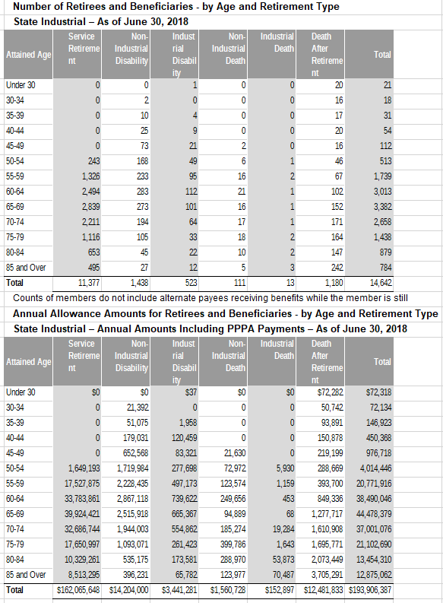
TOC
cell_range | D6:L32
grp_name | inds
AV_date | 20180630

 |  | Attained Age | type | age.cell | agegrp | servRet | disbRet_nonocc | disbRet_occ | death_nonocc | death_occ | beneficiaries
 |  | Under 30 | n | 27 | 25-29 | 0 | 0 | 1 | 0 | 0 | 20
 |  | 30-34 | n | 32 | 30-34 | 0 | 2 | 0 | 0 | 0 | 16
 |  | 35-39 | n | 37 | 35-39 | 0 | 10 | 4 | 0 | 0 | 17
 |  | 40-44 | n | 42 | 40-44 | 0 | 25 | 9 | 0 | 0 | 20
 |  | 45-49 | n | 47 | 45-49 | 0 | 73 | 21 | 2 | 0 | 16
 |  | 50-54 | n | 52 | 50-54 | 243 | 168 | 49 | 6 | 1 | 46
 |  | 55-59 | n | 57 | 55-59 | 1,326 | 233 | 95 | 16 | 2 | 67
 |  | 60-64 | n | 62 | 60-64 | 2,494 | 283 | 112 | 21 | 1 | 102
 |  | 65-69 | n | 67 | 65-69 | 2,839 | 273 | 101 | 16 | 1 | 152
 |  | 70-74 | n | 72 | 70-74 | 2,211 | 194 | 64 | 17 | 1 | 171
 |  | 75-79 | n | 77 | 75-79 | 1,116 | 105 | 33 | 18 | 2 | 164
 |  | 80-84 | n | 82 | 80-84 | 653 | 45 | 22 | 10 | 2 | 147
 |  | 85 and Over | n | 87 | 85-89 | 495 | 27 | 12 | 5 | 3 | 242
 |  | Under 30 | benefit_tot | 27 | 25-29 | $0 | $0 | $37 | $0 | $0 | $72,282
 |  | 30-34 | benefit_tot | 32 | 30-34 | 0 | 21,392 | 0 | 0 | 0 | 50,742
 |  | 35-39 | benefit_tot | 37 | 35-39 | 0 | 51,075 | 1,958 | 0 | 0 | 93,891
 |  | 40-44 | benefit_tot | 42 | 40-44 | 0 | 179,031 | 120,459 | 0 | 0 | 150,878
 |  | 45-49 | benefit_tot | 47 | 45-49 | 0 | 652,568 | 83,321 | 21,630 | 0 | 219,199
 |  | 50-54 | benefit_tot | 52 | 50-54 | 1,649,193 | 1,719,984 | 277,698 | 72,972 | 5,930 | 288,669
 |  | 55-59 | benefit_tot | 57 | 55-59 | 17,527,875 | 2,228,435 | 497,173 | 123,574 | 1,159 | 393,700
 |  | 60-64 | benefit_tot | 62 | 60-64 | 33,783,861 | 2,867,118 | 739,622 | 249,656 | 453 | 849,336
 |  | 65-69 | benefit_tot | 67 | 65-69 | 39,924,421 | 2,515,918 | 665,367 | 94,889 | 68 | 1,277,717
 |  | 70-74 | benefit_tot | 72 | 70-74 | 32,686,744 | 1,944,003 | 554,862 | 185,274 | 19,284 | 1,610,908
 |  | 75-79 | benefit_tot | 77 | 75-79 | 17,650,997 | 1,093,071 | 261,423 | 399,786 | 1,643 | 1,695,771
 |  | 80-84 | benefit_tot | 82 | 80-84 | 10,329,261 | 535,175 | 173,581 | 288,970 | 53,873 | 2,073,449
 |  | 85 and Over | benefit_tot | 87 | 85-89 | 8,513,295 | 396,231 | 65,782 | 123,977 | 70,487 | 3,705,291

retirees_sfty
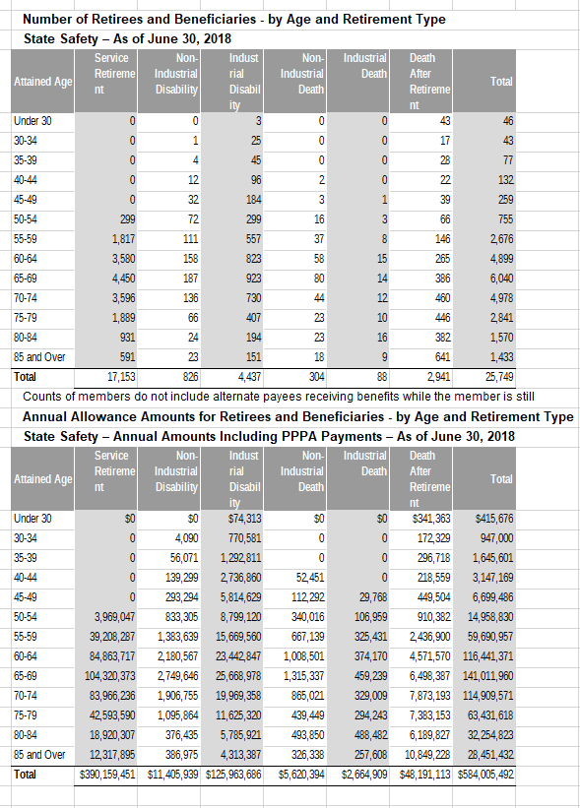
TOC
cell_range | D6:L32
grp_name | sfty
AV_date | 20180630

 |  | Attained Age | type | age.cell | agegrp | servRet | disbRet_nonocc | disbRet_occ | death_nonocc | death_occ | beneficiaries
 |  | Under 30 | n | 27 | 25-29 | 0 | 0 | 3 | 0 | 0 | 43
 |  | 30-34 | n | 32 | 30-34 | 0 | 1 | 25 | 0 | 0 | 17
 |  | 35-39 | n | 37 | 35-39 | 0 | 4 | 45 | 0 | 0 | 28
 |  | 40-44 | n | 42 | 40-44 | 0 | 12 | 96 | 2 | 0 | 22
 |  | 45-49 | n | 47 | 45-49 | 0 | 32 | 184 | 3 | 1 | 39
 |  | 50-54 | n | 52 | 50-54 | 299 | 72 | 299 | 16 | 3 | 66
 |  | 55-59 | n | 57 | 55-59 | 1,817 | 111 | 557 | 37 | 8 | 146
 |  | 60-64 | n | 62 | 60-64 | 3,580 | 158 | 823 | 58 | 15 | 265
 |  | 65-69 | n | 67 | 65-69 | 4,450 | 187 | 923 | 80 | 14 | 386
 |  | 70-74 | n | 72 | 70-74 | 3,596 | 136 | 730 | 44 | 12 | 460
 |  | 75-79 | n | 77 | 75-79 | 1,889 | 66 | 407 | 23 | 10 | 446
 |  | 80-84 | n | 82 | 80-84 | 931 | 24 | 194 | 23 | 16 | 382
 |  | 85 and Over | n | 87 | 85-89 | 591 | 23 | 151 | 18 | 9 | 641
 |  | Under 30 | benefit_tot | 27 | 25-29 | $0 | $0 | $74313 | $0 | $0 | $341,363
 |  | 30-34 | benefit_tot | 32 | 30-34 | 0 | 4,090 | 770581 | 0 | 0 | 172,329
 |  | 35-39 | benefit_tot | 37 | 35-39 | 0 | 56,071 | 1,292,811 | 0 | 0 | 296,718
 |  | 40-44 | benefit_tot | 42 | 40-44 | 0 | 139,299 | 2,736,860 | 52,451 | 0 | 218,559
 |  | 45-49 | benefit_tot | 47 | 45-49 | 0 | 293,294 | 5,814,629 | 112,292 | 29,768 | 449,504
 |  | 50-54 | benefit_tot | 52 | 50-54 | 3,969,047 | 833,305 | 8,799,120 | 340,016 | 106,959 | 910,382
 |  | 55-59 | benefit_tot | 57 | 55-59 | 39,208,287 | 1,383,639 | 15,669,560 | 667,139 | 325,431 | 2,436,900
 |  | 60-64 | benefit_tot | 62 | 60-64 | 84,863,717 | 2,180,567 | 23,442,847 | 1,008,501 | 374,170 | 4,571,570
 |  | 65-69 | benefit_tot | 67 | 65-69 | 104,320,373 | 2,749,646 | 25,668,978 | 1,315,337 | 459,239 | 6,498,387
 |  | 70-74 | benefit_tot | 72 | 70-74 | 83,966,236 | 1,906,755 | 19,969,358 | 865,021 | 329,009 | 7,873,193
 |  | 75-79 | benefit_tot | 77 | 75-79 | 42,593,590 | 1,095,864 | 11,625,320 | 439,449 | 294,243 | 7,383,153
 |  | 80-84 | benefit_tot | 82 | 80-84 | 18,920,307 | 376,435 | 5,785,921 | 493,850 | 488,482 | 6,189,827
 |  | 85 and Over | benefit_tot | 87 | 85-89 | 12,317,895 | 386,975 | 4,313,387 | 326,338 | 257,608 | 10,849,228

retirees_poff
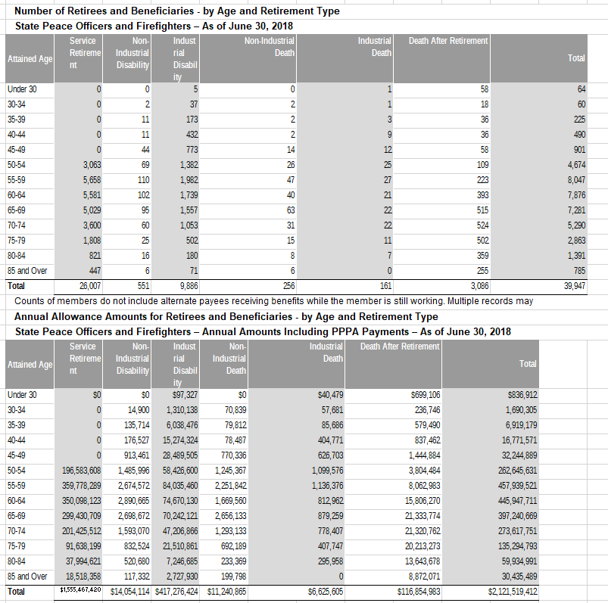
TOC
cell_range | D6:L32
grp_name | poff
AV_date | 20180630

 |  | Attained Age | type | age.cell | agegrp | servRet | disbRet_nonocc | disbRet_occ | death_nonocc | death_occ | beneficiaries
 |  | Under 30 | n | 27 | 25-29 | 0 | 0 | 5 | 0 | 1 | 58
 |  | 30-34 | n | 32 | 30-34 | 0 | 2 | 37 | 2 | 1 | 18
 |  | 35-39 | n | 37 | 35-39 | 0 | 11 | 173 | 2 | 3 | 36
 |  | 40-44 | n | 42 | 40-44 | 0 | 11 | 432 | 2 | 9 | 36
 |  | 45-49 | n | 47 | 45-49 | 0 | 44 | 773 | 14 | 12 | 58
 |  | 50-54 | n | 52 | 50-54 | 3,063 | 69 | 1382 | 26 | 25 | 109
 |  | 55-59 | n | 57 | 55-59 | 5,658 | 110 | 1982 | 47 | 27 | 223
 |  | 60-64 | n | 62 | 60-64 | 5,581 | 102 | 1739 | 40 | 21 | 393
 |  | 65-69 | n | 67 | 65-69 | 5,029 | 95 | 1557 | 63 | 22 | 515
 |  | 70-74 | n | 72 | 70-74 | 3,600 | 60 | 1053 | 31 | 22 | 524
 |  | 75-79 | n | 77 | 75-79 | 1,808 | 25 | 502 | 15 | 11 | 502
 |  | 80-84 | n | 82 | 80-84 | 821 | 16 | 180 | 8 | 7 | 359
 |  | 85 and Over | n | 87 | 85-89 | 447 | 6 | 71 | 6 | 0 | 255
 |  | Under 30 | benefit_tot | 27 | 25-29 | $0 | $0 | $97327 | $0 | $40479 | $699,106
 |  | 30-34 | benefit_tot | 32 | 30-34 | 0 | 14,900 | 1310138 | 70839 | 57681 | 236,746
 |  | 35-39 | benefit_tot | 37 | 35-39 | 0 | 135,714 | 6,038,476 | 79,812 | 85686 | 579,490
 |  | 40-44 | benefit_tot | 42 | 40-44 | 0 | 176,527 | 15,274,324 | 78,487 | 404,771 | 837,462
 |  | 45-49 | benefit_tot | 47 | 45-49 | 0 | 913,461 | 28,489,505 | 770,336 | 626,703 | 1,444,884
 |  | 50-54 | benefit_tot | 52 | 50-54 | 196,583,608 | 1,485,996 | 58,426,600 | 1,245,367 | 1,099,576 | 3,804,484
 |  | 55-59 | benefit_tot | 57 | 55-59 | 359,778,289 | 2,674,572 | 84,035,460 | 2,251,842 | 1,136,376 | 8,062,983
 |  | 60-64 | benefit_tot | 62 | 60-64 | 350,098,123 | 2,890,665 | 74,670,130 | 1,669,560 | 812,962 | 15,806,270
 |  | 65-69 | benefit_tot | 67 | 65-69 | 299,430,709 | 2,698,672 | 70,242,121 | 2,656,133 | 879,259 | 21,333,774
 |  | 70-74 | benefit_tot | 72 | 70-74 | 201,425,512 | 1,593,070 | 47,206,866 | 1,293,133 | 778,407 | 21,320,762
 |  | 75-79 | benefit_tot | 77 | 75-79 | 91,638,199 | 832,524 | 21,510,861 | 692,189 | 407,747 | 20,213,273
 |  | 80-84 | benefit_tot | 82 | 80-84 | 37,994,621 | 520,680 | 7,246,685 | 233,369 | 295,958 | 13,643,678
 |  | 85 and Over | benefit_tot | 87 | 85-89 | 18,518,358 | 117,332 | 2,727,930 | 199,798 | 0 | 8,872,071

retirees_chp
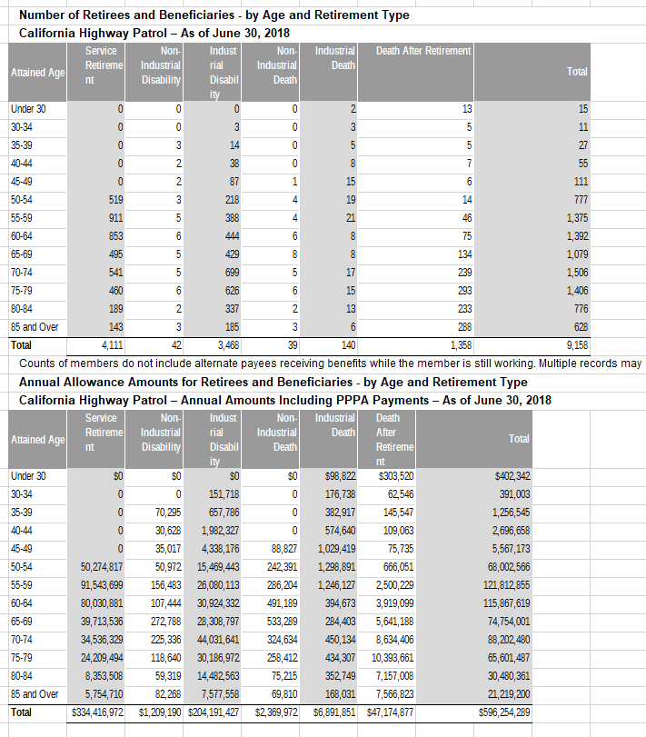
TOC
cell_range | D6:L32
grp_name | chp
AV_date | 20180630

 |  | Attained Age | type | age.cell | agegrp | servRet | disbRet_nonocc | disbRet_occ | death_nonocc | death_occ | beneficiaries
 |  | Under 30 | n | 27 | 25-29 | 0 | 0 | 0 | 0 | 2 | 13
 |  | 30-34 | n | 32 | 30-34 | 0 | 0 | 3 | 0 | 3 | 5
 |  | 35-39 | n | 37 | 35-39 | 0 | 3 | 14 | 0 | 5 | 5
 |  | 40-44 | n | 42 | 40-44 | 0 | 2 | 38 | 0 | 8 | 7
 |  | 45-49 | n | 47 | 45-49 | 0 | 2 | 87 | 1 | 15 | 6
 |  | 50-54 | n | 52 | 50-54 | 519 | 3 | 218 | 4 | 19 | 14
 |  | 55-59 | n | 57 | 55-59 | 911 | 5 | 388 | 4 | 21 | 46
 |  | 60-64 | n | 62 | 60-64 | 853 | 6 | 444 | 6 | 8 | 75
 |  | 65-69 | n | 67 | 65-69 | 495 | 5 | 429 | 8 | 8 | 134
 |  | 70-74 | n | 72 | 70-74 | 541 | 5 | 699 | 5 | 17 | 239
 |  | 75-79 | n | 77 | 75-79 | 460 | 6 | 626 | 6 | 15 | 293
 |  | 80-84 | n | 82 | 80-84 | 189 | 2 | 337 | 2 | 13 | 233
 |  | 85 and Over | n | 87 | 85-89 | 143 | 3 | 185 | 3 | 6 | 288
 |  | Under 30 | benefit_tot | 27 | 25-29 | $0 | $0 | $0 | $0 | $98822 | $303,520
 |  | 30-34 | benefit_tot | 32 | 30-34 | 0 | 0 | 151718 | 0 | 176738 | 62,546
 |  | 35-39 | benefit_tot | 37 | 35-39 | 0 | 70,295 | 657,786 | 0 | 382917 | 145,547
 |  | 40-44 | benefit_tot | 42 | 40-44 | 0 | 30,628 | 1,982,327 | 0 | 574,640 | 109,063
 |  | 45-49 | benefit_tot | 47 | 45-49 | 0 | 35,017 | 4,338,176 | 88,827 | 1,029,419 | 75,735
 |  | 50-54 | benefit_tot | 52 | 50-54 | 50,274,817 | 50,972 | 15,469,443 | 242,391 | 1,298,891 | 666,051
 |  | 55-59 | benefit_tot | 57 | 55-59 | 91,543,699 | 156,483 | 26,080,113 | 286,204 | 1,246,127 | 2,500,229
 |  | 60-64 | benefit_tot | 62 | 60-64 | 80,030,881 | 107,444 | 30,924,332 | 491,189 | 394,673 | 3,919,099
 |  | 65-69 | benefit_tot | 67 | 65-69 | 39,713,536 | 272,788 | 28,308,797 | 533,289 | 284,403 | 5,641,188
 |  | 70-74 | benefit_tot | 72 | 70-74 | 34,536,329 | 225,336 | 44,031,641 | 324,634 | 450,134 | 8,634,406
 |  | 75-79 | benefit_tot | 77 | 75-79 | 24,209,494 | 118,640 | 30,186,972 | 258,412 | 434,307 | 10,393,661
 |  | 80-84 | benefit_tot | 82 | 80-84 | 8,353,508 | 59,319 | 14,482,563 | 75,215 | 352,749 | 7,157,008
 |  | 85 and Over | benefit_tot | 87 | 85-89 | 5,754,710 | 82,268 | 7,577,558 | 69,810 | 168,031 | 7,566,823

